Plotly
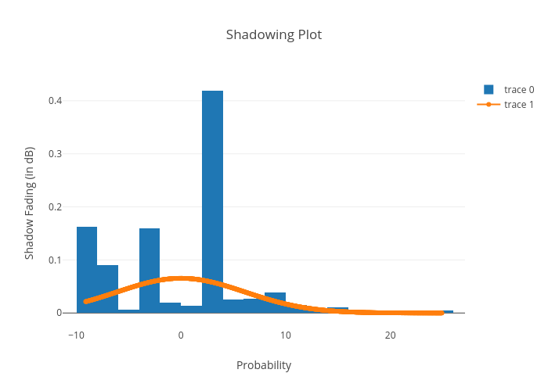
https://plotly.com/~bkeshava_bkeshav1/60/shadowing-plot/

