Plotly
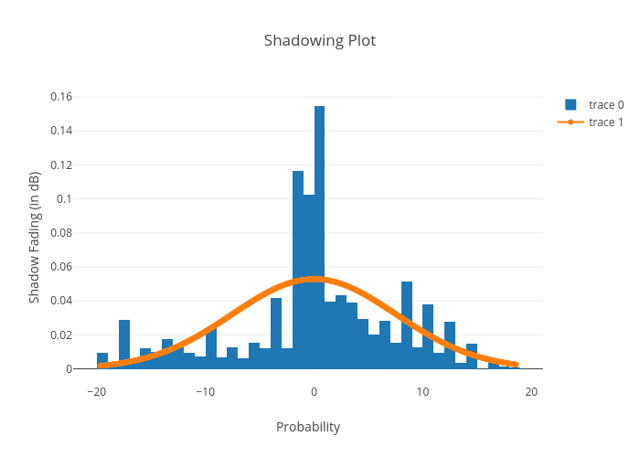
https://plotly.com/~bkeshava_bkeshav1/100/shadowing-plot/

