Plotly
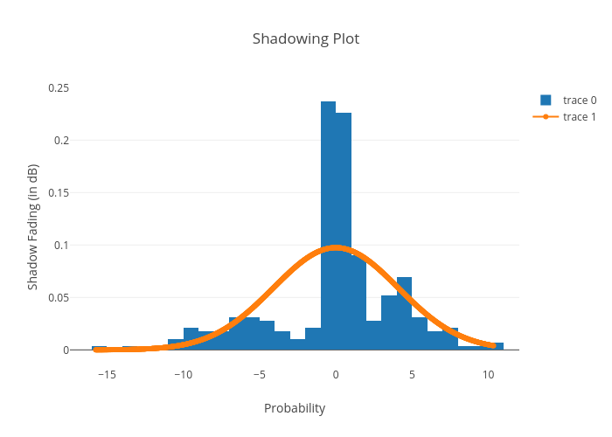
https://plotly.com/~bkeshava_bkeshav1/76/shadowing-plot/

