Plotly
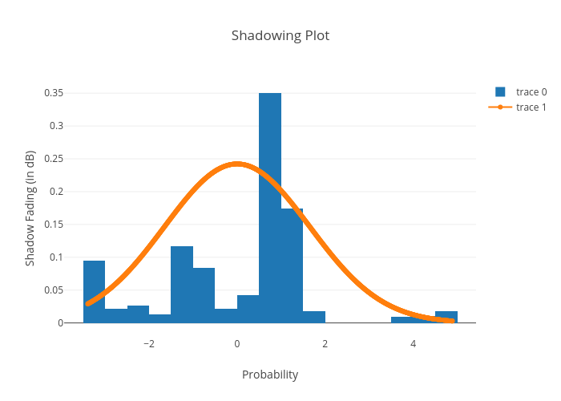
https://plotly.com/~bkeshava_bkeshav1/68/shadowing-plot/

