Plotly
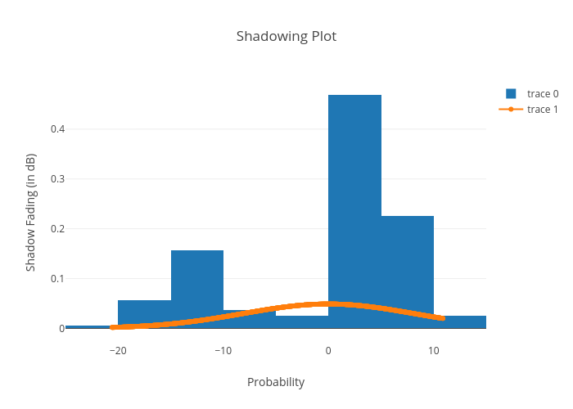
https://plotly.com/~bkeshava_bkeshav1/92/shadowing-plot/

