Plotly
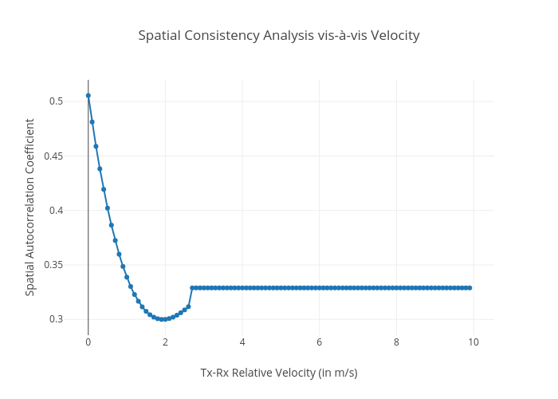
https://plotly.com/~bkeshava_bkeshav1/16/spatial-consistency-analysis-vis-a-vis-velocity/

