Plotly
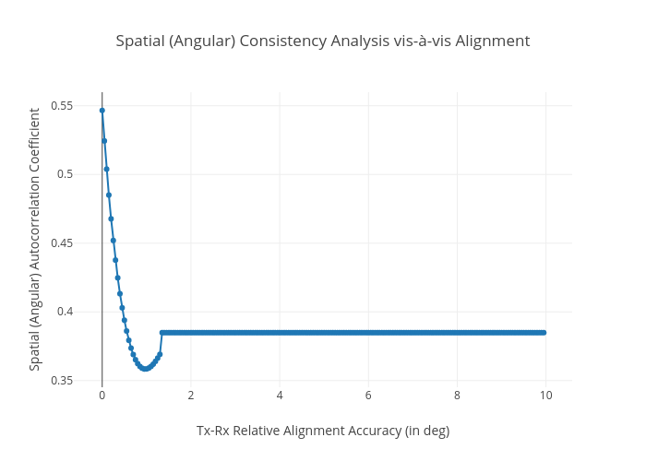
https://plotly.com/~bkeshava_bkeshav1/10/spatial-angular-consistency-analysis-vis-a-vis-alignment/

