Plotly
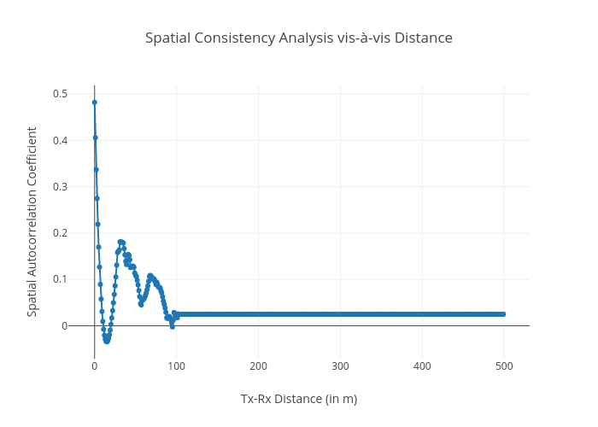
https://plotly.com/~bkeshava_bkeshav1/8/spatial-consistency-analysis-vis-a-vis-distance/

