Plotly
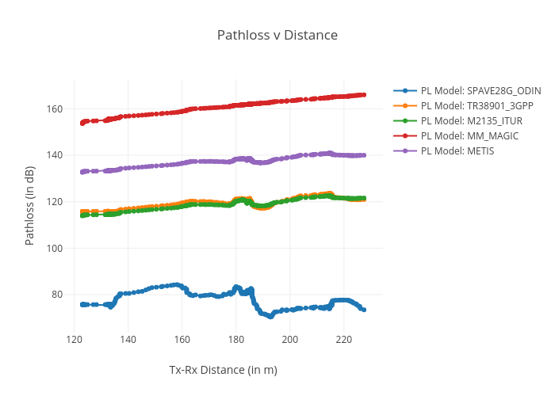
https://plotly.com/~total.academe/106/pathloss-v-distance/

