Plotly
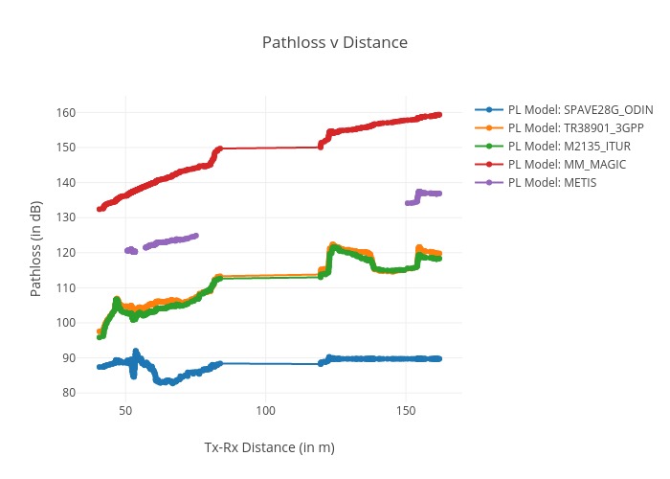
https://plotly.com/~total.academe/108/pathloss-v-distance/

