Plotly
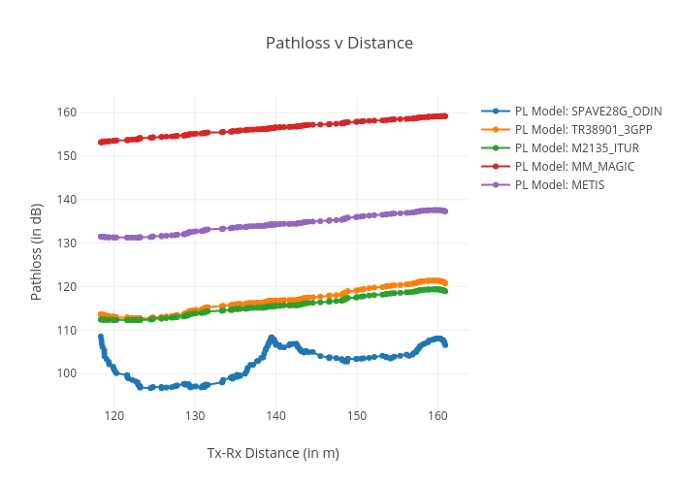
https://plotly.com/~total.academe/104/pathloss-v-distance/

