IntegrationPlanning
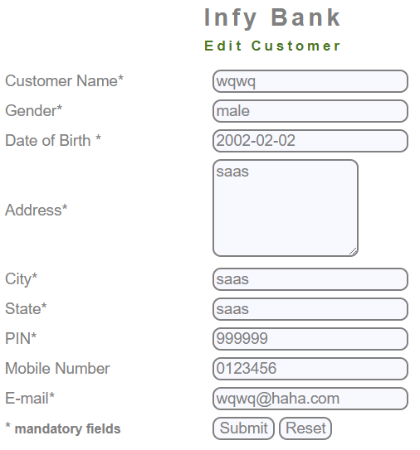
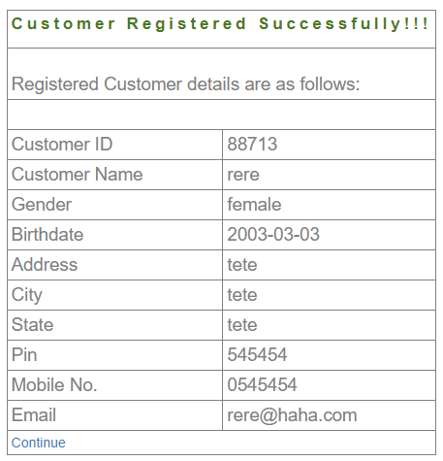
SR | Test Title | Test Cases | Test Steps | Test Data | Expected Result | Actual Result v1 | Pass/Fail v1 | Actual Result v2 | Pass/Fail v2 | Actual Result v3 | Pass/Fail v3
IP1 | New Customer | Check new Customer is created | 1) Enter all required fields 2) Submit | mft Male 1/1/2011 Address - saas City - saas State - saas PIN - 999999 Telephone - 0111111 Email - sasa@haha.com and submit | Message Should be display "Customer added successfully !!" | Connection failed: Access denied for user 'root'@'localhost' (using password: NO) | Fail | ID: 36095 | Pass | Message Should be display "Customer added successfully !!" | Pass
IP2 |  | Verify Customer is not added twice | 1) Enter all required field with existing user data 2) Submit | mft Male 1/1/2011 Address - saas City - saas State - saas PIN - 999999 Telephone - 0111111 Email - sasa@haha.com and submit | Message Should be displayed"Email address already exist" | Connection failed: Access denied for user 'root'@'localhost' (using password: NO) | Fail | Message displayed"Email address already exist" | Pass |  | Pass
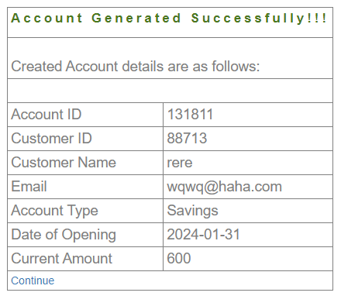
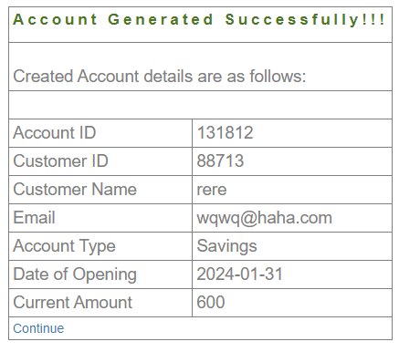
IP3 | Edit Customer | Check Customer can be edited | 1) Enter Customer ID 2) Submit 3) Change one of the customer Fields | ID: 36095 mobile number: 0222222 | Message Should be displayed" customer records updated successfully!!" | Connection failed: Access denied for user 'root'@'localhost' (using password: NO) | Fail | Edit Customer Form is Opened with the fields already filled with already existing Customer data after the changes were made, this message is displayed But the changes were made anyway | Pass | Edit Customer Form is Opened with the fields already filled with already existing Customer data after the changes were made, this message is displayed But the changes were made anyway | Pass
IP4 |  | Verify that 2 Customers should not have the same email id and user id | 1) Create a new customer with different records 1) edit the new customer name or email and use the first customer name or email 2) Submit | new user name: wqwq new usew email: wqwq@haha.com | Message Should be display" customer records cannot be updated" | Connection failed: Access denied for user 'root'@'localhost' (using password: NO) | Fail | Customer name Field cannot be changed, but Email is the same | Fail | Customer name Field cannot be changed, but Email is the same | Fail
IP5 |  | Verify Non existing Customer is not Edited | 1) Enter the required fields 2) Submit | Customer Id = {any number that is not the one you got} | Message Should be display" You are not authorise to edit this customer!!" | Connection failed: Access denied for user 'root'@'localhost' (using password: NO) | Fail |  | Pass |  | Pass
IP6 | New Account | Check New account is added | 1) Enter required fields 2) Submit | customer id - {use the one you got} account type-saving/current Initial Deposit-600 | Message Should be display " account generated successfully" | Connection failed: Access denied for user 'root'@'localhost' (using password: NO) | Fail | Account ID: 131806 for Customer ID:70200 | Pass | Message Should be display " account generated successfully" | Pass
IP7 |  | Verify that New Account is not added with the same account id already exist | 1) Enter the same customer ID and account type as the previous Test Case 2) Submit | customer id - {use the one you got} account type-saving/current Initial Deposit-700 | Message Should be display " account generated successfully" | Connection failed: Access denied for user 'root'@'localhost' (using password: NO) | Fail | Account ID: 131807 for Customer ID:70200 | Pass | Message Should be display " account generated successfully" | Pass
IP8 | Edit Account | Check Account is edit | 1) Enter account number 2) Submit | account number of added account | Message Should be display " account detail successfully updated" | Connection failed: Access denied for user 'root'@'localhost' (using password: NO) | Fail | Connection Error | Fail | Connection Error | Fail
IP9 |  | Verify Non Existing Account is not edited | 1) Enter all required fields 2) Submit | customer id -1234 account type-saving/current | Message Should be display"Account does not exist " | Connection failed: Access denied for user 'root'@'localhost' (using password: NO) | Fail |  | Pass |  | Pass
IP10 |  | Check Customized Statement is generate | 1) Enter all required fields 2) Submit | account number of added account | Display Generated ministatement | Connection failed: Access denied for user 'root'@'localhost' (using password: NO) | Fail |  | Fail
IP11 | Delete Account | Verify Account is delete | 1) Enter all required fields 2) Submit | customer id -1234 account type-saving/current | Message Should be display"Account deleted Successfully" | Connection failed: Access denied for user 'root'@'localhost' (using password: NO) | Fail |  | Fail
IP12 |  | Verify Non Existing Account is not be deleted | 1) Enter all required fields 2) Submit | customer id -1234 account type-saving/current | Message Should be display"Account does not exist " | Connection failed: Access denied for user 'root'@'localhost' (using password: NO) | Fail | Account does not exist | Pass
IP13 |  | Check Ministatement is not generated | 1)Enter all required field of deleted account 2)Submit | Account number of deleted account | Message Should be display - "Account does not exist" | Connection failed: Access denied for user 'root'@'localhost' (using password: NO) | Fail | Account does not exist | Fail
IP14 | Delete customer | Verify Customer is Deleted | 1) Enter all required fields 2) Submit | Customer Id - 1234 | Message Should be display"Customer could not be deleted " | Connection failed: Access denied for user 'root'@'localhost' (using password: NO) | Fail |  | Fail
 |  | Verify Non Existing Account is not be deleted | 1) Enter all required fields 2) Submit | Customer Id - 1235 | Message Should be display"Customer could not be deleted " | Connection failed: Access denied for user 'root'@'localhost' (using password: NO) | Fail |  | Fail
IP15 |  | Check Customized Statement is not generated | 1)Enter all required field of deleted account 2)Submit | account number of an account that belongs to a deleted customer | Message Should be display"You are not authorise to delete this account " | Connection failed: Access denied for user 'root'@'localhost' (using password: NO) | Fail |  | Pass
IP16 | Mini Statement | Verify Ministatement is generated | 1) Enter Account Number 2) Submit | account number of added account | Displayed Generated ministatement | Connection failed: Access denied for user 'root'@'localhost' (using password: NO) | Fail | Blank Page, as there is no transactions yet " Can't confirm that the function is working correctly as no transaction scan be made in v2 " | Retest
IP17 | Customized Statement | Check Customized Statement is generated | 1) Enter all required fields 2) Submit | account number of added account | Display Generated Customized statement | Connection failed: Access denied for user 'root'@'localhost' (using password: NO) | Fail |  | Fail

 |  |  |  |  |  |  | new user ID: 70200

