Sheet1
Testing: Bug Tracking Related to Sign-Up Doctor

Bug ID | Date Reported | Reporter | Module/Feature | Bug Description | Steps to Reproduce | Expected Result | Actual Result | Severity | Status | Suggestion | Assigned To | Comments | Screenshot

1 | 2024-06-03 | Bharat Milani | Signup Page | Validation message on First name field not displaying correctly | 1. Open signup page <br> 2. Enter 'First name' field as "a" <br> 3. Click 'Create Account' | Error message should be displayed | No error message displayed | Low | Open | First name to be at least 2 characters and no more than 50 characters. | Dev Team |  | 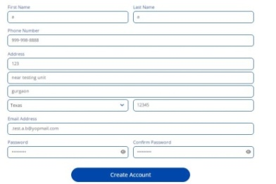
2 | 2024-06-03 | Bharat Milani | Signup Page | Validation message on First name field not displaying correctly | 1. Open signup page <br> 2. Enter 'First name' field as "1" <br> 3. Click 'Create Account' | Error message should be displayed | No error message displayed | Low | Open | First names typically do not contain numeric digits, so you might want to restrict the input to exclude numbers. | Dev Team |  | 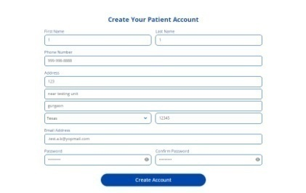
3 | 2024-06-03 | Bharat Milani | Signup Page | Validation message on First name field not displaying correctly | 1. Open signup page <br> 2. Enter 'First name' field as "@" <br> 3. Click 'Create Account' | Error message should be displayed | No error message displayed | Low | Open | Avoid allowing special characters like numbers, punctuation marks (except hyphens and apostrophes if needed) | Dev Team |  | 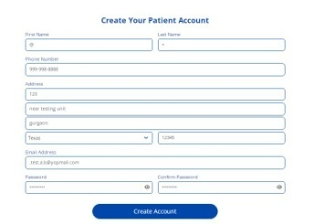
4 | 2024-06-04 | Bharat Milani | Signup Page | Validation message on Last name field not displaying correctly | 1. Open signup page <br> 2. Enter 'Last name' field as "a" <br> 3. Click 'Create Account' | Error message should be displayed | No error message displayed | Low | Open | Last name to be at least 2 characters and no more than 50 characters. | Dev Team
5 | 2024-06-04 | Bharat Milani | Signup Page | Validation message on Last name field not displaying correctly | 1. Open signup page <br> 2. Enter 'Last name' field as "1" <br> 3. Click 'Create Account' | Error message should be displayed | No error message displayed | Low | Open | Last names typically do not contain numeric digits, so you might want to restrict the input to exclude numbers. | Dev Team |  | 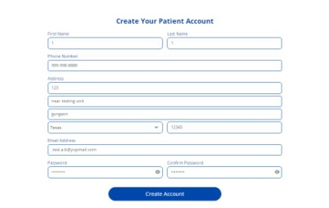
6 | 2024-06-04 | Bharat Milani | Signup Page | Validation message on Last name field not displaying correctly | 1. Open signup page <br> 2. Enter 'Last name' field as "@" <br> 3. Click 'Create Account' | Error message should be displayed | No error message displayed | Low | Open | Avoid allowing special characters like numbers, punctuation marks (except hyphens and apostrophes if needed) | Dev Team |  | 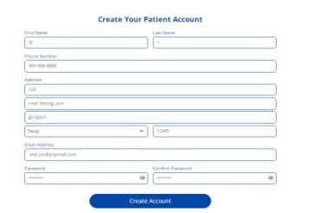
7 | 2024-06-04 | Bharat Milani | Signup Page | Validation on City field according to pin code/state | 1. Open signup page <br> 2. Enter 'City name' field as "Gurgaon" <br> 3. Click 'Create Account' | City name must be dependent on Pincode | Accepting City name manually | Low | Open | Validation on City field according to pin code/state. It can create data missed match if user enter different city and different pin code,diferent state. | Dev Team |  | 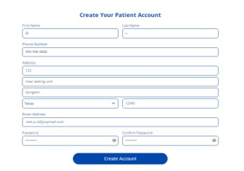
9 | 2024-06-04 | Bharat Milani | Signup Page | Validation on State field according to pin code | 1. Open signup page <br> 2. Select 'State name' field as "Texas" <br> 3. Click 'Create Account' | Selecting State name must be dependent on Pincode | Accepting State name any without dependency | Low | Open | Validation on Select field according to pin code. It can create data missed match if user enter different city, different pin code,diferent state. | Dev Team
10 | 2024-06-04 | Bharat Milani | Signup Page | Validation message on Email address field not displaying correctly | 1. Open signup page <br> 2. Enter 'Email address' field as ".test.a.b@yopmail.com" <br> 3. Click 'Create Account' | Error message should be displayed | No error message displayed | Medium | Open | Email address cannot start or end with dot(.) | Dev Team |  | 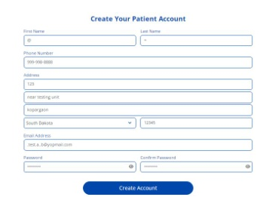
11 | 2024-06-04 | Bharat Milani | Signup Page | Validation message on Email address field not displaying correctly | 1. Open signup page <br> 2. Enter 'Email address' field as ".test.a.b@yopmail.com" <br> 3. Click 'Create Account' | Error message should be displayed | No error message displayed | Medium | Open | Email address should not allow consecutive dots(.) | Dev Team |  | 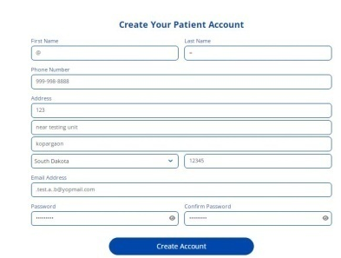
12 | 2024-06-04 | Bharat Milani | Signup Page | Success Message not displaying after Clicking on Create Account. | 1. Open signup page <br> 2. Enter all details with proper validations <br> 3. Click 'Create Account' | Success Pop up not displaying after Clicking Create Account. | Jumps to "register-store" page without displaying "Account Created" Message. | Low | Open | Success Message should display after Clicking Create Account. | Dev Team |  | 