Summary
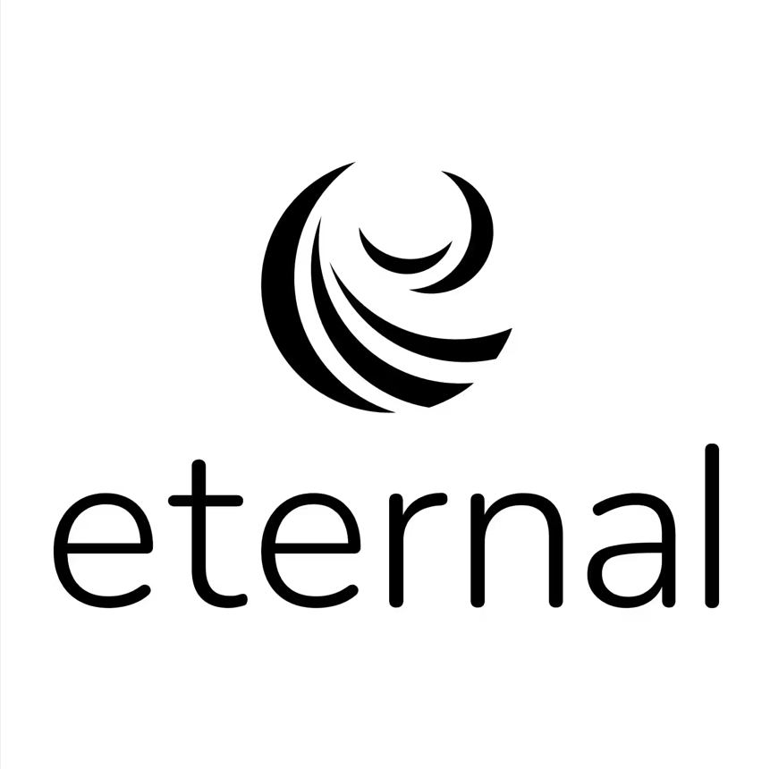
Report Summary

Report Period | 01 Feb 2026 - 28 Feb 2026
Res id | 20523448
MID | 92707
Legal Entity | Manaswini Food Private Limited
Res Name | Purnabramha Aurangabad
Address | 1st floor,Pune, Aurangabad, Maharashtra
PAN | AAKCM0381K
GSTIN | 27AAKCM0381K1Z7
TAN Number
Pay-out cycle | Weekly (Every Wednesday)
Zomato GSTIN - TCS | 27AADCD4946L1CL
Zomato GSTIN - Regular | 27AADCD4946L1ZA
Total Orders (Delivered + Cancelled/ Rejected) | 151
Net Pay-out (Settled + Unsettled) | ₹47,043.51
Bank UTR | CITIN26625847955,CITIN26617354846,CITIN26620176758,CITIN26622782803

Report Detailed Breakdown
This report comprises the following detailed tabs regarding your pay-out:
Tab Name | Description
Pay-out Breakup | Breakup of your total earnings during this report period
Distance Based Summary | Summary of order level deductions by distance buckets
Order Level | Detailed view of your order level earnings, deductions, pay-outs and UTRs for settled orders.
Addition/Deductions Details | Summarized view on : 1. Res id level additions like 194 H, etc 2. Res id level deductions like pay later, etc
Discounts Summary | View of the different discounts running on your restaurant during this report period
Glossary | Descriptions of the terms used in the Order Level tab

