DASHBOARD
Total Sales
Average Age
Total Customers
AOV

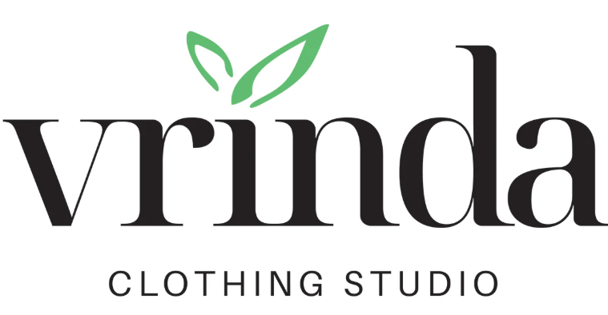

₹ 21.18M
₹ 39.5M
₹31.05K
₹ 682.07

 | Total
Men | 7613604
Women | 13562773
Sales by Gender
Monthly Trend
Sales by State

 | Total
Jan | 1820601
Feb | 1875932
Mar | 1928066
Apr | 1829263
May | 1797822
Jun | 1750966
Jul | 1772300
Aug | 1808505
Sep | 1688871
Oct | 1666662
Nov | 1615356
Dec | 1622033

DASHBOARD

ANALYSIS

DATA

Sales by Category
 | Total
Ajio | 1331427
Amazon | 7519933
Flipkart | 4573301
Meesho | 927606
Myntra | 4941540
Nalli | 1015329
Others | 867241
Sales by Channel

 | Total
Blouse | 140888
Bottom | 27804
Ethnic Dress | 195256
Kurta | 4959377
Saree | 1010471
Set | 10507546
Top | 1186199
Western Dress | 3148836

Top 5 Cities
Gender Split: Women account for 64% of total revenue, while men account for 36%.
Monthly Sales Trend: Sales peaked in March, consistent with the data trends.
Top Channels: Amazon remains the top-performing sales channel, contributing 36% of sales.
Top Categories: The Set category is the best-selling item, generating significantly more revenue than other categories like Kurta or Western Dress.
Key Insights

 | Total
Bengaluru | 1766657
Chennai | 922887
Hyderabad | 1370811
Mumbai | 917625
New Delhi | 1162928

