US
U.S.
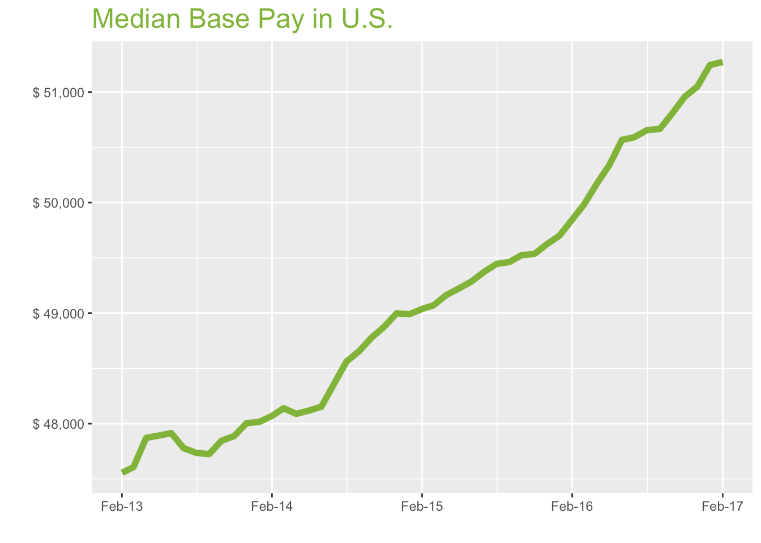
Feb-17

Job Title

Design
 | Median Base Pay | YoY
Graphic Designer | $43,521 | 3.50%
Education
 | Median Base Pay | YoY
Professor | $88,151 | 3.60%
Teacher | $46,493 | 4.80%
Engineering
 | Median Base Pay | YoY
Mechanical Engineer | $73,125 | 1.10%
Design Engineer | $71,355 | 2.40%
Electrical Engineer | $76,454 | 1.90%
Quality Engineer | $72,667 | 1.30%
Field Engineer | $70,614 | 4.80%
Finance
 | Median Base Pay | YoY
Financial Analyst | $62,392 | 1.60%
Accountant | $55,392 | 4.00%
Bank Teller | $28,188 | 4.60%
Tax Manager | $92,314 | 2.20%
Insurance Agent | $43,255 | 5.20%
Health
 | Median Base Pay | YoY
Registered Nurse | $61,167 | 4.10% | Year | Median Base Pay | YOY
Physical Therapist | $73,706 | 4.50% | 2017-02 | $51,272 | 2.9%
Pharmacy Technician | $29,480 | 3.50% | 2017-01 | $51,244 | 3.1%
Medical Assistant | $33,865 | 3.70% | 2016-12 | $51,047 | 2.9%
Physician | $242,438 | 2.90% | 2016-11 | $50,958 | 2.9%
Medical Technologist | $51,894 | 0.30% | 2016-10 | $50,804 | 2.6%
Emergency Medical Technician | $35,278 | 4.20% | 2016-09 | $50,665 | 2.4%
Human Resources |  |  | 2016-08 | $50,656 | 2.4%
 | Median Base Pay | YoY | 2016-07 | $50,591 | 2.5%
Recruiter | $51,497 | 6.30% | 2016-06 | $50,567 | 2.6%
Human Resources Manager | $68,491 | 1.10% | 2016-05 | $50,337 | 2.3%
Labor |  |  | 2016-04 | $50,172 | 2.0%
 | Median Base Pay | YoY | 2016-03 | $49,984 | 1.9%
Technician | $45,312 | 2.00% | 2016-02 | $49,847 | 1.6%
Warehouse Associate | $40,988 | 7.50% | 2016-01 | $49,700 | 1.4%
Truck Driver | $51,979 | 3.70% | 2015-12 | $49,622 | 1.3%
Machine Operator | $39,672 | 4.10% | 2015-11 | $49,535 | 1.3%
Construction Laborer | $40,019 | 1.00% | 2015-10 | $49,525 | 1.5%
Maintenance Worker | $40,882 | 4.00% | 2015-09 | $49,462 | 1.7%
Law |  |  | 2015-08 | $49,445 | 1.8%
 | Median Base Pay | YoY | 2015-07 | $49,371 | 2.1%
Attorney | $96,663 | 2.20% | 2015-06 | $49,287 | 2.4%
Paralegal | $46,871 | 0.70% | 2015-05 | $49,222 | 2.3%
Manufacturing |  |  | 2015-04 | $49,164 | 2.2%
 | Median Base Pay | YoY | 2015-03 | $49,071 | 1.9%
Production Manager | $66,719 | 2.10% | 2015-02 | $49,038 | 2.0%
Manufacturing Engineer | $71,081 | 2.10% | 2015-01 | $48,990 | 2.0%
Media |  |  | 2014-12 | $48,998 | 2.1%
 | Median Base Pay | YoY | 2014-11 | $48,878 | 2.1%
Producer | $48,274 | -0.70% | 2014-10 | $48,778 | 1.9%
Technical Editor | $52,344 | 2.90% | 2014-09 | $48,657 | 2.0%
Operations |  |  | 2014-08 | $48,562 | 1.7%
 | Median Base Pay | YoY | 2014-07 | $48,355 | 1.2%
Operations Manager | $66,597 | 4.00% | 2014-06 | $48,154 | 0.5%
Operations Analyst | $54,551 | 4.10% | 2014-05 | $48,118 | 0.5%
Professional Services |  |  | 2014-04 | $48,089 | 0.5%
 | Median Base Pay | YoY | 2014-03 | $48,140 | 1.1%
Consultant | $75,289 | 3.30% | 2014-02 | $48,071 | 1.1%
Project Manager | $74,249 | 2.30% | 2014-01 | $48,016
Business Analyst | $63,719 | 2.90% | 2013-12 | $48,005
Administrative Assistant | $39,104 | 2.10% | 2013-11 | $47,888
Marketing Manager | $68,267 | 2.20% | 2013-10 | $47,846
Product Manager | $90,218 | 3.10% | 2013-09 | $47,725
Customer Service Manager | $52,589 | 5.70% | 2013-08 | $47,736
Business Development Manager | $69,870 | 3.40% | 2013-07 | $47,779
Communications Manager | $65,642 | 4.00% | 2013-06 | $47,915
Real Estate |  |  | 2013-05 | $47,892
 | Median Base Pay | YoY | 2013-04 | $47,872
Property Manager | $51,844 | 2.90% | 2013-03 | $47,607
Food Services |  |  | 2013-02 | $47,556
 | Median Base Pay | YoY
Restaurant Cook | $28,846 | 5.70%
Retail
 | Median Base Pay | YoY
Store Manager | $48,728 | 5.50%
Cashier | $27,204 | 5.50%
Buyer | $58,475 | 3.00%
Retail Key Holder | $29,716 | 5.10%
Sales
 | Median Base Pay | YoY
Sales Representative | $46,275 | 2.70%
Sales Manager | $61,780 | 1.80%
Technology
 | Median Base Pay | YoY
Software Engineer | $85,888 | 2.60%
Programmer Analyst | $68,276 | 3.20%
Web Developer | $61,846 | -1.20%
Data Scientist | $95,829 | 1.10%
Data Analyst | $58,180 | 3.00%
Java Developer | $74,344 | 2.40%
Web Designer | $51,319 | 3.70%

U.S. Quick Facts

 | Feb-17 | YoY
U.S. Median Pay | $51,272 | 2.90%

Industry

 | Median Base Pay
Accounting & Legal | $51,282
Aerospace & Defense | $54,062
Architecture & Civil Engineering | $51,851
Arts & Entertainment | $45,615
Automotive | $46,062
Banking & Financial Services | $50,469
Beauty & Fitness | $45,350
Biotech & Pharmaceuticals | $53,712
Business Services | $49,083
Computer Software & Hardware | $52,420
Construction | $52,071
Consulting | $51,708
Consumer Electronics | $43,912
Consumer Services | $45,429
Education & Schools | $46,213
Energy & Utilities | $56,376
Facilities | $46,506
Farming & Agriculture | $50,451
Government | $50,616
Health Care & Hospitals | $49,187
Information Technology | $50,282
Insurance | $50,273
Internet & Tech | $51,340
Manufacturing | $51,770
Marketing & Advertising | $47,835
Media & Publishing | $48,934
Nonprofit | $45,567
Private Security | $45,542
Real Estate | $48,421
Recruiting & Staffing | $48,200
Restaurants & Bars | $46,132
Retail | $46,220
Supermarkets | $46,974
Telecommunications | $49,442
Transportation & Logistics | $48,887
Travel & Tourism | $46,136
Wholesale | $49,317

Employer Size

 | Median Base Pay
<51 | $45,962
51-200 | $47,697
201-500 | $48,764
501-1000 | $49,652
1001-5000 | $50,742
5000+ | $51,576

SF
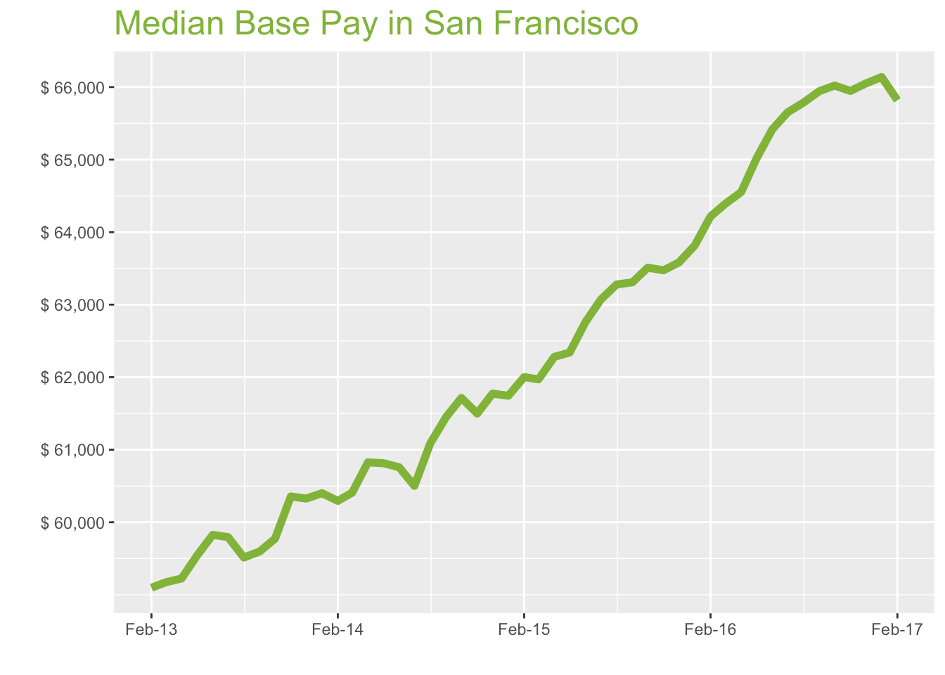
San Francisco Metro

Feb-17

Job Title

Design
 | Median Base Pay | YoY
Graphic Designer | $68,240 | 3.10%
Education
 | Median Base Pay | YoY
Professor | $134,927 | 3.20%
Teacher | $63,617 | 4.50%
Engineering
 | Median Base Pay | YoY
Mechanical Engineer | $92,207 | 0.80%
Design Engineer | $90,773 | 2.00%
Electrical Engineer | $95,083 | 1.50%
Quality Engineer | $90,129 | 1.00%
Field Engineer | $79,940 | 4.40%
Finance
 | Median Base Pay | YoY
Financial Analyst | $81,261 | 1.20%
Accountant | $70,391 | 3.60%
Bank Teller | $32,422 | 4.20%
Tax Manager | $117,892 | 1.90%
Insurance Agent | $51,646 | 4.80%
Health
 | Median Base Pay | YoY
Registered Nurse | $115,895 | 3.70% | Year | Median Base Pay | YOY
Physical Therapist | $95,030 | 4.20% | 2017-02 | $65,818 | 2.5%
Pharmacy Technician | $43,774 | 3.20% | 2017-01 | $66,139 | 3.6%
Medical Assistant | $49,694 | 3.30% | 2016-12 | $66,049 | 3.9%
Physician | $311,220 | 2.50% | 2016-11 | $65,947 | 3.9%
Medical Technologist | $66,614 | -0.10% | 2016-10 | $66,021 | 4.0%
Emergency Medical Technician | $43,520 | 3.80% | 2016-09 | $65,943 | 4.2%
Human Resources |  |  | 2016-08 | $65,786 | 4.0%
 | Median Base Pay | YoY | 2016-07 | $65,652 | 4.1%
Recruiter | $71,936 | 5.90% | 2016-06 | $65,417 | 4.2%
Human Resources Manager | $95,215 | 0.80% | 2016-05 | $65,016 | 4.3%
Labor |  |  | 2016-04 | $64,552 | 3.6%
 | Median Base Pay | YoY | 2016-03 | $64,391 | 3.9%
Technician | $56,283 | 1.60% | 2016-02 | $64,217 | 3.6%
Warehouse Associate | $52,602 | 7.10% | 2016-01 | $63,816 | 3.4%
Truck Driver | $65,287 | 3.30% | 2015-12 | $63,582 | 2.9%
Machine Operator | $47,725 | 3.70% | 2015-11 | $63,474 | 3.2%
Construction Laborer | $51,373 | 0.70% | 2015-10 | $63,510 | 2.9%
Maintenance Worker | $52,478 | 3.60% | 2015-09 | $63,308 | 3.0%
Law |  |  | 2015-08 | $63,278 | 3.6%
 | Median Base Pay | YoY | 2015-07 | $63,069 | 4.2%
Attorney | $141,058 | 1.80% | 2015-06 | $62,760 | 3.3%
Paralegal | $68,446 | 0.40% | 2015-05 | $62,340 | 2.5%
Manufacturing |  |  | 2015-04 | $62,280 | 2.4%
 | Median Base Pay | YoY | 2015-03 | $61,970 | 2.6%
Production Manager | $87,132 | 1.70% | 2015-02 | $62,002 | 2.8%
Manufacturing Engineer | $91,209 | 1.80% | 2015-01 | $61,744 | 2.2%
Media |  |  | 2014-12 | $61,773 | 2.4%
 | Median Base Pay | YoY | 2014-11 | $61,499 | 1.9%
Producer | $81,274 | -1.00% | 2014-10 | $61,714 | 3.2%
Technical Editor | $67,194 | 2.50% | 2014-09 | $61,450 | 3.1%
Operations |  |  | 2014-08 | $61,086 | 2.6%
 | Median Base Pay | YoY | 2014-07 | $60,501 | 1.2%
Operations Manager | $85,355 | 3.60% | 2014-06 | $60,758 | 1.6%
Operations Analyst | $70,427 | 3.70% | 2014-05 | $60,815 | 2.1%
Professional Services |  |  | 2014-04 | $60,825 | 2.7%
 | Median Base Pay | YoY | 2014-03 | $60,408 | 2.1%
Consultant | $97,808 | 2.90% | 2014-02 | $60,295 | 2.0%
Project Manager | $93,935 | 1.90% | 2014-01 | $60,400
Business Analyst | $83,274 | 2.50% | 2013-12 | $60,326
Administrative Assistant | $53,008 | 1.80% | 2013-11 | $60,355
Marketing Manager | $99,225 | 1.90% | 2013-10 | $59,773
Product Manager | $121,499 | 2.80% | 2013-09 | $59,597
Customer Service Manager | $68,070 | 5.30% | 2013-08 | $59,513
Business Development Manager | $91,088 | 3.00% | 2013-07 | $59,795
Communications Manager | $96,085 | 3.60% | 2013-06 | $59,826
Real Estate |  |  | 2013-05 | $59,537
 | Median Base Pay | YoY | 2013-04 | $59,224
Property Manager | $70,271 | 2.60% | 2013-03 | $59,172
Food Services |  |  | 2013-02 | $59,097
 | Median Base Pay | YoY
Restaurant Cook | $35,672 | 5.30%
Retail
 | Median Base Pay | YoY
Store Manager | $63,247 | 5.10%
Cashier | $32,233 | 5.10%
Buyer | $80,472 | 2.60%
Retail Key Holder | $37,624 | 4.70%
Sales
 | Median Base Pay | YoY
Sales Representative | $59,519 | 2.40%
Sales Manager | $79,690 | 1.50%
Technology
 | Median Base Pay | YoY
Software Engineer | $117,976 | 2.20%
Programmer Analyst | $87,742 | 2.80%
Web Developer | $95,525 | -1.50%
Data Scientist | $134,956 | 0.70%
Data Analyst | $86,156 | 2.60%
Java Developer | $100,565 | 2.10%
Web Designer | $78,226 | 3.40%

San Francisco Quick Facts

 | Feb-17 | YoY
San Francisco Median Pay | $65,818 | 2.50%
U.S. Median Pay | $51,272 | 2.90%
Job Openings | 114,785 | 10.10%
 | Dec-16 | YoY
Labor Force Size* | 2,548,157 | 0.90%
Total Employment* | 2,461,490 | 1.40%
Unemployment Rate* | 3.40% | -0.50%

Industry

 | Median Base Pay
Accounting & Legal | $65,050
Aerospace & Defense | $68,576
Architecture & Civil Engineering | $65,772
Arts & Entertainment | $57,862
Automotive | $58,429
Banking & Financial Services | $64,019
Beauty & Fitness | $57,526
Biotech & Pharmaceuticals | $68,132
Business Services | $62,260
Computer Software & Hardware | $66,493
Construction | $66,051
Consulting | $65,591
Consumer Electronics | $55,701
Consumer Services | $57,625
Education & Schools | $58,620
Energy & Utilities | $71,512
Facilities | $58,991
Farming & Agriculture | $63,996
Government | $64,205
Health Care & Hospitals | $62,393
Information Technology | $63,782
Insurance | $63,770
Internet & Tech | $65,124
Manufacturing | $65,669
Marketing & Advertising | $60,677
Media & Publishing | $62,071
Nonprofit | $57,801
Private Security | $57,769
Real Estate | $61,421
Recruiting & Staffing | $61,141
Restaurants & Bars | $58,517
Retail | $58,629
Supermarkets | $59,585
Telecommunications | $62,717
Transportation & Logistics | $62,013
Travel & Tourism | $58,523
Wholesale | $62,558

Employer Size

 | Median Base Pay
<51 | $58,301
51-200 | $60,502
201-500 | $61,856
501-1000 | $62,982
1001-5000 | $64,366
5000+ | $65,424

LA
Los Angeles Metro
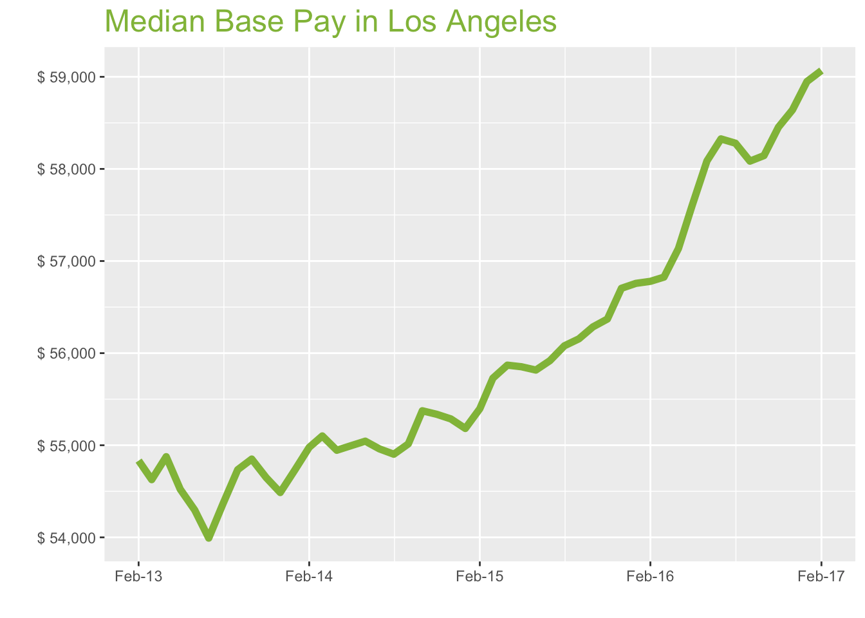
Feb-17

Job Title

Design
 | Median Base Pay | YoY
Graphic Designer | $55,929 | 4.60%
Education
 | Median Base Pay | YoY
Professor | $118,517 | 4.80%
Teacher | $61,443 | 6.10%
Engineering
 | Median Base Pay | YoY
Mechanical Engineer | $81,088 | 2.30%
Design Engineer | $85,478 | 3.50%
Electrical Engineer | $86,250 | 3.10%
Quality Engineer | $82,799 | 2.50%
Field Engineer | $76,733 | 6.00%
Finance
 | Median Base Pay | YoY
Financial Analyst | $70,648 | 2.70%
Accountant | $61,294 | 5.20%
Bank Teller | $30,594 | 5.80%
Tax Manager | $109,378 | 3.40%
Insurance Agent | $50,947 | 6.40%
Health
 | Median Base Pay | YoY
Registered Nurse | $88,416 | 5.30% | Year | Median Base Pay | YOY
Physical Therapist | $92,333 | 5.70% | 2017-02 | $59,068 | 4.0%
Pharmacy Technician | $36,024 | 4.70% | 2017-01 | $58,949 | 3.9%
Medical Assistant | $38,162 | 4.90% | 2016-12 | $58,641 | 3.4%
Physician | $279,305 | 4.00% | 2016-11 | $58,454 | 3.7%
Medical Technologist | $59,787 | 1.40% | 2016-10 | $58,145 | 3.3%
Emergency Medical Technician | $35,144 | 5.40% | 2016-09 | $58,085 | 3.4%
Human Resources |  |  | 2016-08 | $58,279 | 3.9%
 | Median Base Pay | YoY | 2016-07 | $58,326 | 4.3%
Recruiter | $60,446 | 7.50% | 2016-06 | $58,087 | 4.1%
Human Resources Manager | $84,411 | 2.30% | 2016-05 | $57,613 | 3.2%
Labor |  |  | 2016-04 | $57,136 | 2.3%
 | Median Base Pay | YoY | 2016-03 | $56,825 | 2.0%
Technician | $52,253 | 3.10% | 2016-02 | $56,780 | 2.5%
Warehouse Associate | $44,424 | 8.80% | 2016-01 | $56,758 | 2.9%
Truck Driver | $56,008 | 4.90% | 2015-12 | $56,704 | 2.6%
Machine Operator | $37,263 | 5.30% | 2015-11 | $56,370 | 1.9%
Construction Laborer | $39,826 | 2.20% | 2015-10 | $56,285 | 1.6%
Maintenance Worker | $43,121 | 5.20% | 2015-09 | $56,155 | 2.1%
Law |  |  | 2015-08 | $56,080 | 2.1%
 | Median Base Pay | YoY | 2015-07 | $55,918 | 1.7%
Attorney | $127,145 | 3.40% | 2015-06 | $55,816 | 1.4%
Paralegal | $59,193 | 1.90% | 2015-05 | $55,852 | 1.6%
Manufacturing |  |  | 2015-04 | $55,870 | 1.7%
 | Median Base Pay | YoY | 2015-03 | $55,728 | 1.1%
Production Manager | $78,107 | 3.20% | 2015-02 | $55,396 | 0.8%
Manufacturing Engineer | $79,291 | 3.30% | 2015-01 | $55,182 | 0.8%
Media |  |  | 2014-12 | $55,286 | 1.5%
 | Median Base Pay | YoY | 2014-11 | $55,336 | 1.3%
Producer | $77,956 | 0.40% | 2014-10 | $55,374 | 1.0%
Technical Editor | $60,303 | 4.00% | 2014-09 | $55,015 | 0.5%
Operations |  |  | 2014-08 | $54,903 | 1.0%
 | Median Base Pay | YoY | 2014-07 | $54,961 | 1.8%
Operations Manager | $75,929 | 5.10% | 2014-06 | $55,044 | 1.4%
Operations Analyst | $61,595 | 5.30% | 2014-05 | $54,995 | 0.9%
Professional Services |  |  | 2014-04 | $54,946 | 0.1%
 | Median Base Pay | YoY | 2014-03 | $55,101 | 0.9%
Consultant | $93,166 | 4.40% | 2014-02 | $54,978 | 0.3%
Project Manager | $85,551 | 3.40% | 2014-01 | $54,729
Business Analyst | $73,574 | 4.10% | 2013-12 | $54,487
Administrative Assistant | $47,012 | 3.30% | 2013-11 | $54,648
Marketing Manager | $84,363 | 3.40% | 2013-10 | $54,850
Product Manager | $103,698 | 4.30% | 2013-09 | $54,735
Customer Service Manager | $62,601 | 6.90% | 2013-08 | $54,371
Business Development Manager | $80,398 | 4.60% | 2013-07 | $53,992
Communications Manager | $78,753 | 5.20% | 2013-06 | $54,296
Real Estate |  |  | 2013-05 | $54,523
 | Median Base Pay | YoY | 2013-04 | $54,876
Property Manager | $63,977 | 4.10% | 2013-03 | $54,627
Food Services |  |  | 2013-02 | $54,833
 | Median Base Pay | YoY
Restaurant Cook | $32,250 | 6.90%
Retail
 | Median Base Pay | YoY
Store Manager | $60,255 | 6.70%
Cashier | $29,846 | 6.70%
Buyer | $66,364 | 4.10%
Retail Key Holder | $34,100 | 6.30%
Sales
 | Median Base Pay | YoY
Sales Representative | $53,600 | 3.90%
Sales Manager | $73,686 | 3.00%
Technology
 | Median Base Pay | YoY
Software Engineer | $98,866 | 3.70%
Programmer Analyst | $78,608 | 4.40%
Web Developer | $76,601 | -0.10%
Data Scientist | $115,950 | 2.30%
Data Analyst | $69,858 | 4.20%
Java Developer | $87,634 | 3.60%
Web Designer | $62,527 | 4.90%

Los Angeles Quick Facts

 | Feb-17 | YoY
Los Angeles Median Pay | $59,068 | 4.00%
U.S. Median Pay | $51,272 | 2.90%
Job Openings | 171,108 | 15.60%
 | Dec-16 | YoY
Labor Force Size* | 6,691,537 | 1.40%
Total Employment* | 6,394,697 | 2.30%
Unemployment Rate* | 4.40% | -0.90%

Industry

 | Median Base Pay
Accounting & Legal | $59,292
Aerospace & Defense | $62,506
Architecture & Civil Engineering | $59,950
Arts & Entertainment | $52,740
Automotive | $53,257
Banking & Financial Services | $58,352
Beauty & Fitness | $52,434
Biotech & Pharmaceuticals | $62,101
Business Services | $56,749
Computer Software & Hardware | $60,607
Construction | $60,204
Consulting | $59,785
Consumer Electronics | $50,770
Consumer Services | $52,524
Education & Schools | $53,431
Energy & Utilities | $65,182
Facilities | $53,770
Farming & Agriculture | $58,331
Government | $58,522
Health Care & Hospitals | $56,870
Information Technology | $58,136
Insurance | $58,125
Internet & Tech | $59,359
Manufacturing | $59,856
Marketing & Advertising | $55,306
Media & Publishing | $56,577
Nonprofit | $52,685
Private Security | $52,655
Real Estate | $55,984
Recruiting & Staffing | $55,728
Restaurants & Bars | $53,337
Retail | $53,439
Supermarkets | $54,311
Telecommunications | $57,165
Transportation & Logistics | $56,523
Travel & Tourism | $53,343
Wholesale | $57,020

Employer Size

 | Median Base Pay
<51 | $53,140
51-200 | $55,147
201-500 | $56,381
501-1000 | $57,407
1001-5000 | $58,668
5000+ | $59,632

CHI
Chicago Metro
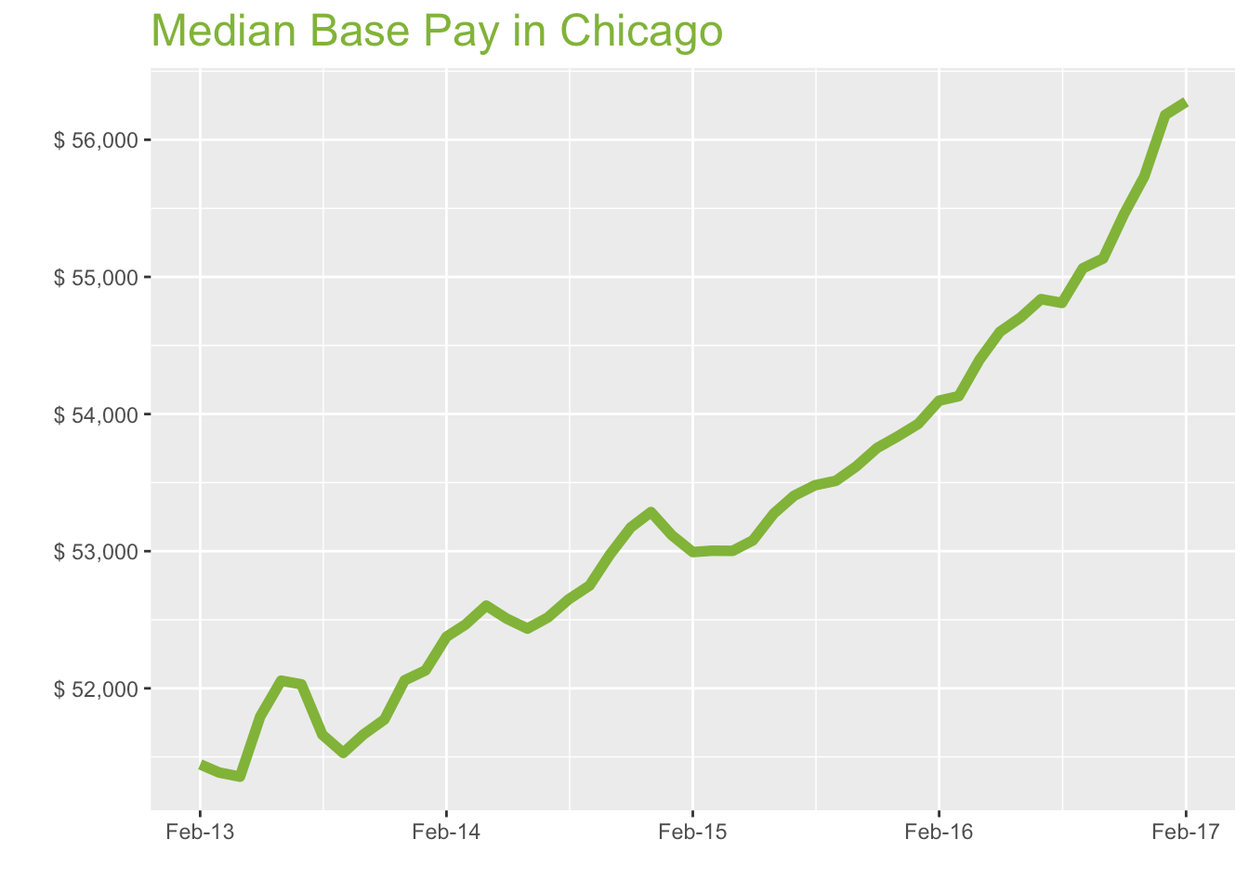
Feb-17

Job Title

Design
 | Median Base Pay | YoY
Graphic Designer | $50,655 | 4.60%
Education
 | Median Base Pay | YoY
Professor | $102,568 | 4.80%
Teacher | $54,604 | 6.00%
Engineering
 | Median Base Pay | YoY
Mechanical Engineer | $74,226 | 2.30%
Design Engineer | $75,671 | 3.50%
Electrical Engineer | $79,543 | 3.00%
Quality Engineer | $75,880 | 2.50%
Field Engineer | $69,652 | 6.00%
Finance
 | Median Base Pay | YoY
Financial Analyst | $67,531 | 2.70%
Accountant | $60,664 | 5.20%
Bank Teller | $29,130 | 5.80%
Tax Manager | $104,502 | 3.40%
Insurance Agent | $44,770 | 6.40%
Health
 | Median Base Pay | YoY
Registered Nurse | $70,077 | 5.30% | Year | Median Base Pay | YOY
Physical Therapist | $78,228 | 5.70% | 2017-02 | $56,277 | 4.0%
Pharmacy Technician | $31,949 | 4.70% | 2017-01 | $56,181 | 4.2%
Medical Assistant | $37,171 | 4.90% | 2016-12 | $55,732 | 3.5%
Physician | $266,105 | 4.00% | 2016-11 | $55,459 | 3.2%
Medical Technologist | $53,155 | 1.40% | 2016-10 | $55,134 | 2.8%
Emergency Medical Technician | $34,054 | 5.30% | 2016-09 | $55,063 | 2.9%
Human Resources |  |  | 2016-08 | $54,810 | 2.5%
 | Median Base Pay | YoY | 2016-07 | $54,838 | 2.7%
Recruiter | $53,773 | 7.50% | 2016-06 | $54,705 | 2.7%
Human Resources Manager | $80,978 | 2.30% | 2016-05 | $54,599 | 2.9%
Labor |  |  | 2016-04 | $54,397 | 2.6%
 | Median Base Pay | YoY | 2016-03 | $54,130 | 2.1%
Technician | $48,559 | 3.10% | 2016-02 | $54,098 | 2.1%
Warehouse Associate | $49,499 | 8.70% | 2016-01 | $53,928 | 1.5%
Truck Driver | $56,788 | 4.90% | 2015-12 | $53,835 | 1.0%
Machine Operator | $41,075 | 5.30% | 2015-11 | $53,752 | 1.1%
Construction Laborer | $45,548 | 2.20% | 2015-10 | $53,617 | 1.2%
Maintenance Worker | $43,377 | 5.10% | 2015-09 | $53,513 | 1.4%
Law |  |  | 2015-08 | $53,481 | 1.6%
 | Median Base Pay | YoY | 2015-07 | $53,404 | 1.7%
Attorney | $111,656 | 3.40% | 2015-06 | $53,274 | 1.6%
Paralegal | $55,582 | 1.90% | 2015-05 | $53,079 | 1.1%
Manufacturing |  |  | 2015-04 | $53,002 | 0.8%
 | Median Base Pay | YoY | 2015-03 | $53,003 | 1.0%
Production Manager | $71,229 | 3.20% | 2015-02 | $52,993 | 1.2%
Manufacturing Engineer | $74,759 | 3.30% | 2015-01 | $53,116 | 1.9%
Media |  |  | 2014-12 | $53,285 | 2.4%
 | Median Base Pay | YoY | 2014-11 | $53,173 | 2.7%
Producer | $62,713 | 0.50% | 2014-10 | $52,974 | 2.5%
Technical Editor | $57,453 | 4.00% | 2014-09 | $52,749 | 2.4%
Operations |  |  | 2014-08 | $52,649 | 1.9%
 | Median Base Pay | YoY | 2014-07 | $52,516 | 0.9%
Operations Manager | $71,409 | 5.10% | 2014-06 | $52,435 | 0.7%
Operations Analyst | $62,047 | 5.30% | 2014-05 | $52,509 | 1.4%
Professional Services |  |  | 2014-04 | $52,603 | 2.4%
 | Median Base Pay | YoY | 2014-03 | $52,465 | 2.1%
Consultant | $90,071 | 4.40% | 2014-02 | $52,376 | 1.8%
Project Manager | $82,378 | 3.40% | 2014-01 | $52,131
Business Analyst | $73,281 | 4.10% | 2013-12 | $52,058
Administrative Assistant | $44,284 | 3.30% | 2013-11 | $51,773
Marketing Manager | $81,497 | 3.40% | 2013-10 | $51,663
Product Manager | $98,532 | 4.30% | 2013-09 | $51,529
Customer Service Manager | $59,313 | 6.90% | 2013-08 | $51,662
Business Development Manager | $74,024 | 4.60% | 2013-07 | $52,029
Communications Manager | $75,342 | 5.20% | 2013-06 | $52,056
Real Estate |  |  | 2013-05 | $51,794
 | Median Base Pay | YoY | 2013-04 | $51,356
Property Manager | $60,095 | 4.10% | 2013-03 | $51,386
Food Services |  |  | 2013-02 | $51,445
 | Median Base Pay | YoY
Restaurant Cook | $30,227 | 6.90%
Retail
 | Median Base Pay | YoY
Store Manager | $53,815 | 6.70%
Cashier | $28,754 | 6.60%
Buyer | $67,652 | 4.10%
Retail Key Holder | $32,285 | 6.30%
Sales
 | Median Base Pay | YoY
Sales Representative | $50,792 | 3.90%
Sales Manager | $70,758 | 3.00%
Technology
 | Median Base Pay | YoY
Software Engineer | $88,656 | 3.70%
Programmer Analyst | $75,252 | 4.40%
Web Developer | $72,770 | -0.10%
Data Scientist | $100,582 | 2.30%
Data Analyst | $65,542 | 4.20%
Java Developer | $82,447 | 3.60%
Web Designer | $61,059 | 4.90%

Chicago Quick Facts

 | Feb-17 | YoY
Chicago Median Pay | $56,277 | 4.00%
U.S. Median Pay | $51,272 | 2.90%
Job Openings | 157,640 | 19.70%
 | Dec-16 | YoY
Labor Force Size* | 4,896,843 | 0.00%
Total Employment* | 4,631,699 | 0.30%
Unemployment Rate* | 5.40% | -0.30%

Industry

 | Median Base Pay
Accounting & Legal | $56,152
Aerospace & Defense | $59,196
Architecture & Civil Engineering | $56,776
Arts & Entertainment | $49,947
Automotive | $50,437
Banking & Financial Services | $55,262
Beauty & Fitness | $49,657
Biotech & Pharmaceuticals | $58,813
Business Services | $53,744
Computer Software & Hardware | $57,398
Construction | $57,017
Consulting | $56,619
Consumer Electronics | $48,082
Consumer Services | $49,743
Education & Schools | $50,602
Energy & Utilities | $61,731
Facilities | $50,922
Farming & Agriculture | $55,243
Government | $55,423
Health Care & Hospitals | $53,858
Information Technology | $55,057
Insurance | $55,047
Internet & Tech | $56,216
Manufacturing | $56,687
Marketing & Advertising | $52,378
Media & Publishing | $53,581
Nonprofit | $49,895
Private Security | $49,867
Real Estate | $53,019
Recruiting & Staffing | $52,778
Restaurants & Bars | $50,513
Retail | $50,609
Supermarkets | $51,435
Telecommunications | $54,138
Transportation & Logistics | $53,530
Travel & Tourism | $50,518
Wholesale | $54,001

Employer Size

 | Median Base Pay
<51 | $50,327
51-200 | $52,227
201-500 | $53,396
501-1000 | $54,367
1001-5000 | $55,561
5000+ | $56,475

HOU
Houston Metro
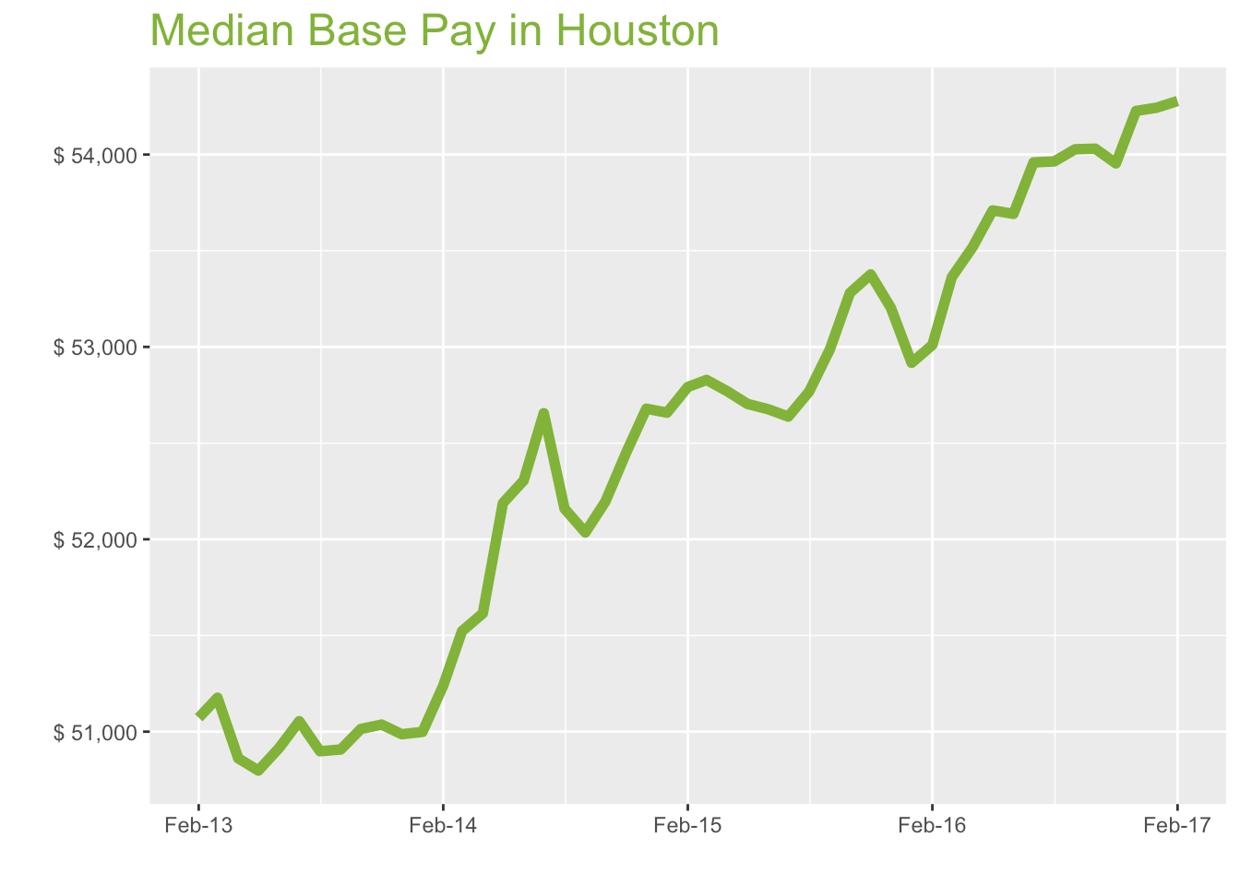
Feb-17

Job Title

Design
 | Median Base Pay | YoY
Graphic Designer | $47,507 | 3.00%
Education
 | Median Base Pay | YoY
Professor | $97,526 | 3.10%
Teacher | $51,372 | 4.40%
Engineering
 | Median Base Pay | YoY
Mechanical Engineer | $82,265 | 0.70%
Design Engineer | $82,550 | 1.90%
Electrical Engineer | $83,234 | 1.40%
Quality Engineer | $75,252 | 0.90%
Field Engineer | $73,272 | 4.30%
Finance
 | Median Base Pay | YoY
Financial Analyst | $69,576 | 1.10%
Accountant | $59,909 | 3.50%
Bank Teller | $28,260 | 4.10%
Tax Manager | $103,097 | 1.80%
Insurance Agent | $42,055 | 4.60%
Health
 | Median Base Pay | YoY
Registered Nurse | $70,968 | 3.60% | Year | Median Base Pay | YOY
Physical Therapist | $79,512 | 4.10% | 2017-02 | $54,278 | 2.4%
Pharmacy Technician | $31,605 | 3.10% | 2017-01 | $54,244 | 2.5%
Medical Assistant | $35,526 | 3.20% | 2016-12 | $54,227 | 1.9%
Physician | $256,655 | 2.40% | 2016-11 | $53,954 | 1.1%
Medical Technologist | $55,960 | -0.20% | 2016-10 | $54,031 | 1.4%
Emergency Medical Technician | $39,334 | 3.70% | 2016-09 | $54,027 | 2.0%
Human Resources |  |  | 2016-08 | $53,964 | 2.3%
 | Median Base Pay | YoY | 2016-07 | $53,959 | 2.5%
Recruiter | $53,385 | 5.80% | 2016-06 | $53,692 | 1.9%
Human Resources Manager | $79,834 | 0.70% | 2016-05 | $53,710 | 1.9%
Labor |  |  | 2016-04 | $53,518 | 1.4%
 | Median Base Pay | YoY | 2016-03 | $53,362 | 1.0%
Technician | $48,543 | 1.50% | 2016-02 | $53,010 | 0.4%
Warehouse Associate | $38,498 | 7.00% | 2016-01 | $52,917 | 0.5%
Truck Driver | $54,809 | 3.20% | 2015-12 | $53,204 | 1.0%
Machine Operator | $41,843 | 3.60% | 2015-11 | $53,377 | 1.8%
Construction Laborer | $37,527 | 0.60% | 2015-10 | $53,281 | 2.1%
Maintenance Worker | $40,015 | 3.50% | 2015-09 | $52,987 | 1.8%
Law |  |  | 2015-08 | $52,767 | 1.2%
 | Median Base Pay | YoY | 2015-07 | $52,638 | 0.0%
Attorney | $122,451 | 1.70% | 2015-06 | $52,676 | 0.7%
Paralegal | $53,702 | 0.30% | 2015-05 | $52,704 | 1.0%
Manufacturing |  |  | 2015-04 | $52,769 | 2.2%
 | Median Base Pay | YoY | 2015-03 | $52,828 | 2.5%
Production Manager | $69,660 | 1.60% | 2015-02 | $52,792 | 3.0%
Manufacturing Engineer | $76,306 | 1.70% | 2015-01 | $52,658 | 3.3%
Media |  |  | 2014-12 | $52,679 | 3.3%
 | Median Base Pay | YoY | 2014-11 | $52,450 | 2.8%
Producer | $55,787 | -1.10% | 2014-10 | $52,196 | 2.3%
Technical Editor | $55,413 | 2.40% | 2014-09 | $52,035 | 2.2%
Operations |  |  | 2014-08 | $52,159 | 2.5%
 | Median Base Pay | YoY | 2014-07 | $52,655 | 3.1%
Operations Manager | $70,701 | 3.50% | 2014-06 | $52,306 | 2.7%
Operations Analyst | $61,549 | 3.60% | 2014-05 | $52,188 | 2.7%
Professional Services |  |  | 2014-04 | $51,615 | 1.5%
 | Median Base Pay | YoY | 2014-03 | $51,523 | 0.7%
Consultant | $83,961 | 2.80% | 2014-02 | $51,240 | 0.3%
Project Manager | $85,361 | 1.80% | 2014-01 | $50,999
Business Analyst | $70,800 | 2.40% | 2013-12 | $50,987
Administrative Assistant | $42,552 | 1.60% | 2013-11 | $51,037
Marketing Manager | $75,350 | 1.80% | 2013-10 | $51,014
Product Manager | $95,468 | 2.70% | 2013-09 | $50,907
Customer Service Manager | $54,244 | 5.20% | 2013-08 | $50,898
Business Development Manager | $78,877 | 2.90% | 2013-07 | $51,054
Communications Manager | $71,335 | 3.50% | 2013-06 | $50,915
Real Estate |  |  | 2013-05 | $50,798
 | Median Base Pay | YoY | 2013-04 | $50,861
Property Manager | $55,763 | 2.50% | 2013-03 | $51,176
Food Services |  |  | 2013-02 | $51,072
 | Median Base Pay | YoY
Restaurant Cook | $27,060 | 5.20%
Retail
 | Median Base Pay | YoY
Store Manager | $51,355 | 5.00%
Cashier | $26,305 | 5.00%
Buyer | $62,324 | 2.50%
Retail Key Holder | $30,426 | 4.60%
Sales
 | Median Base Pay | YoY
Sales Representative | $49,494 | 2.30%
Sales Manager | $67,359 | 1.40%
Technology
 | Median Base Pay | YoY
Software Engineer | $83,467 | 2.10%
Programmer Analyst | $70,654 | 2.70%
Web Developer | $70,359 | -1.60%
Data Scientist | $101,449 | 0.60%
Data Analyst | $63,859 | 2.50%
Java Developer | $81,708 | 2.00%
Web Designer | $53,998 | 3.30%

Houston Quick Facts

 | Feb-17 | YoY
Houston Median Pay | $54,278 | 2.40%
U.S. Median Pay | $51,272 | 2.90%
Job Openings | 77,869 | 12.50%
 | Dec-16 | YoY
Labor Force Size* | 3,310,294 | 1.50%
Total Employment* | 3,134,979 | 0.80%
Unemployment Rate* | 5.30% | 0.70%

Industry

 | Median Base Pay
Accounting & Legal | $54,114
Aerospace & Defense | $57,047
Architecture & Civil Engineering | $54,714
Arts & Entertainment | $48,134
Automotive | $48,606
Banking & Financial Services | $53,256
Beauty & Fitness | $47,854
Biotech & Pharmaceuticals | $56,678
Business Services | $51,793
Computer Software & Hardware | $55,314
Construction | $54,946
Consulting | $54,563
Consumer Electronics | $46,336
Consumer Services | $47,937
Education & Schools | $48,764
Energy & Utilities | $59,489
Facilities | $49,074
Farming & Agriculture | $53,237
Government | $53,411
Health Care & Hospitals | $51,903
Information Technology | $53,058
Insurance | $53,049
Internet & Tech | $54,175
Manufacturing | $54,629
Marketing & Advertising | $50,476
Media & Publishing | $51,636
Nonprofit | $48,083
Private Security | $48,057
Real Estate | $51,094
Recruiting & Staffing | $50,861
Restaurants & Bars | $48,679
Retail | $48,772
Supermarkets | $49,568
Telecommunications | $52,172
Transportation & Logistics | $51,587
Travel & Tourism | $48,684
Wholesale | $52,040

Employer Size

 | Median Base Pay
<51 | $48,499
51-200 | $50,330
201-500 | $51,457
501-1000 | $52,393
1001-5000 | $53,544
5000+ | $54,424

NYC
New York City Metro
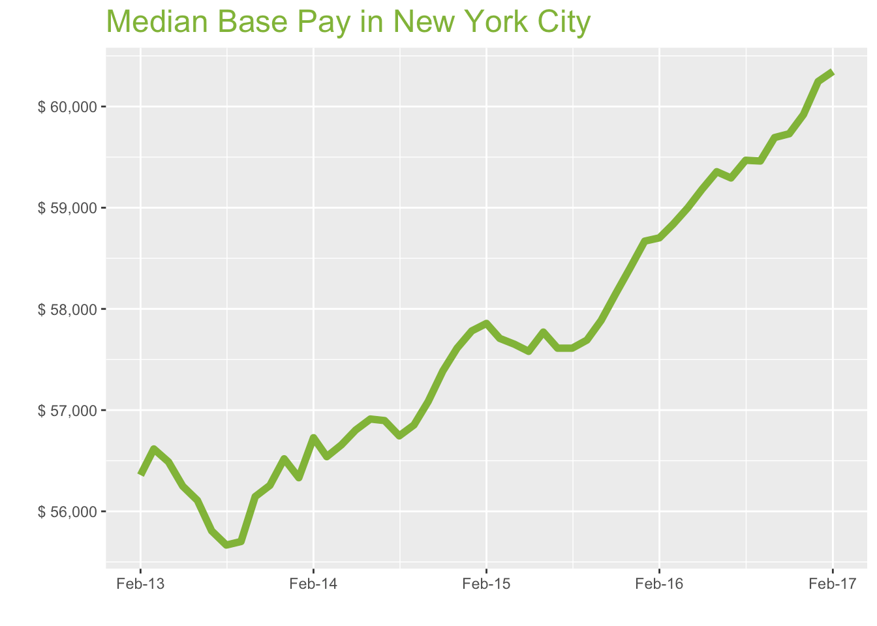
Feb-17

Job Title

Design
 | Median Base Pay | YoY
Graphic Designer | $57,307 | 3.40%
Education
 | Median Base Pay | YoY
Professor | $115,071 | 3.50%
Teacher | $63,919 | 4.80%
Engineering
 | Median Base Pay | YoY
Mechanical Engineer | $74,013 | 1.10%
Design Engineer | $78,326 | 2.30%
Electrical Engineer | $78,310 | 1.80%
Quality Engineer | $77,371 | 1.30%
Field Engineer | $76,793 | 4.70%
Finance
 | Median Base Pay | YoY
Financial Analyst | $76,462 | 1.50%
Accountant | $63,465 | 3.90%
Bank Teller | $31,544 | 4.50%
Tax Manager | $118,361 | 2.20%
Insurance Agent | $45,212 | 5.10%
Health
 | Median Base Pay | YoY
Registered Nurse | $84,483 | 4.00% | Year | Median Base Pay | YOY
Physical Therapist | $80,334 | 4.50% | 2017-02 | $60,346 | 2.8%
Pharmacy Technician | $29,193 | 3.50% | 2017-01 | $60,247 | 2.7%
Medical Assistant | $39,000 | 3.60% | 2016-12 | $59,920 | 2.6%
Physician | $285,348 | 2.80% | 2016-11 | $59,731 | 2.7%
Medical Technologist | $59,226 | 0.20% | 2016-10 | $59,693 | 3.1%
Emergency Medical Technician | $39,458 | 4.10% | 2016-09 | $59,461 | 3.1%
Human Resources |  |  | 2016-08 | $59,469 | 3.2%
 | Median Base Pay | YoY | 2016-07 | $59,294 | 2.9%
Recruiter | $61,413 | 6.20% | 2016-06 | $59,356 | 2.7%
Human Resources Manager | $85,528 | 1.10% | 2016-05 | $59,182 | 2.8%
Labor |  |  | 2016-04 | $59,000 | 2.3%
 | Median Base Pay | YoY | 2016-03 | $58,837 | 2.0%
Technician | $51,492 | 1.90% | 2016-02 | $58,702 | 1.5%
Warehouse Associate | $38,442 | 7.50% | 2016-01 | $58,670 | 1.5%
Truck Driver | $55,996 | 3.60% | 2015-12 | $58,403 | 1.4%
Machine Operator | $40,489 | 4.10% | 2015-11 | $58,153 | 1.3%
Construction Laborer | $46,290 | 1.00% | 2015-10 | $57,886 | 1.4%
Maintenance Worker | $40,385 | 3.90% | 2015-09 | $57,692 | 1.5%
Law |  |  | 2015-08 | $57,612 | 1.5%
 | Median Base Pay | YoY | 2015-07 | $57,612 | 1.3%
Attorney | $126,107 | 2.20% | 2015-06 | $57,771 | 1.5%
Paralegal | $55,167 | 0.70% | 2015-05 | $57,581 | 1.4%
Manufacturing |  |  | 2015-04 | $57,651 | 1.8%
 | Median Base Pay | YoY | 2015-03 | $57,709 | 2.1%
Production Manager | $76,562 | 2.00% | 2015-02 | $57,857 | 2.0%
Manufacturing Engineer | $74,117 | 2.10% | 2015-01 | $57,783 | 2.6%
Media |  |  | 2014-12 | $57,612 | 1.9%
 | Median Base Pay | YoY | 2014-11 | $57,387 | 2.0%
Producer | $76,267 | -0.70% | 2014-10 | $57,085 | 1.7%
Technical Editor | $61,608 | 2.80% | 2014-09 | $56,853 | 2.1%
Operations |  |  | 2014-08 | $56,746 | 1.9%
 | Median Base Pay | YoY | 2014-07 | $56,897 | 2.0%
Operations Manager | $77,063 | 3.90% | 2014-06 | $56,912 | 1.4%
Operations Analyst | $71,620 | 4.00% | 2014-05 | $56,803 | 1.0%
Professional Services |  |  | 2014-04 | $56,657 | 0.3%
 | Median Base Pay | YoY | 2014-03 | $56,540 | -0.1%
Consultant | $93,544 | 3.20% | 2014-02 | $56,727 | 0.7%
Project Manager | $87,242 | 2.20% | 2014-01 | $56,332
Business Analyst | $79,145 | 2.80% | 2013-12 | $56,519
Administrative Assistant | $48,180 | 2.10% | 2013-11 | $56,257
Marketing Manager | $84,555 | 2.20% | 2013-10 | $56,146
Product Manager | $106,736 | 3.10% | 2013-09 | $55,702
Customer Service Manager | $61,107 | 5.60% | 2013-08 | $55,667
Business Development Manager | $82,604 | 3.40% | 2013-07 | $55,807
Communications Manager | $81,002 | 3.90% | 2013-06 | $56,108
Real Estate |  |  | 2013-05 | $56,249
 | Median Base Pay | YoY | 2013-04 | $56,488
Property Manager | $68,564 | 2.90% | 2013-03 | $56,616
Food Services |  |  | 2013-02 | $56,358
 | Median Base Pay | YoY
Restaurant Cook | $32,136 | 5.60%
Retail
 | Median Base Pay | YoY
Store Manager | $58,323 | 5.50%
Cashier | $28,163 | 5.40%
Buyer | $73,299 | 2.90%
Retail Key Holder | $34,444 | 5.00%
Sales
 | Median Base Pay | YoY
Sales Representative | $55,252 | 2.70%
Sales Manager | $76,129 | 1.80%
Technology
 | Median Base Pay | YoY
Software Engineer | $104,144 | 2.50%
Programmer Analyst | $81,240 | 3.10%
Web Developer | $81,040 | -1.30%
Data Scientist | $113,186 | 1.00%
Data Analyst | $70,379 | 2.90%
Java Developer | $84,478 | 2.40%
Web Designer | $65,233 | 3.70%

New York City Quick Facts

 | Feb-17 | YoY
New York City Median Pay | $60,346 | 2.80%
U.S. Median Pay | $51,272 | 2.90%
Job Openings | 255,617 | 14.90%
 | Dec-16 | YoY
Labor Force Size* | 9,985,555 | -1.30%
Total Employment* | 9,573,058 | -1.00%
Unemployment Rate* | 4.10% | -0.40%

Industry

 | Median Base Pay
Accounting & Legal | $60,175
Aerospace & Defense | $63,436
Architecture & Civil Engineering | $60,842
Arts & Entertainment | $53,525
Automotive | $54,050
Banking & Financial Services | $59,221
Beauty & Fitness | $53,214
Biotech & Pharmaceuticals | $63,026
Business Services | $57,594
Computer Software & Hardware | $61,509
Construction | $61,101
Consulting | $60,675
Consumer Electronics | $51,526
Consumer Services | $53,306
Education & Schools | $54,226
Energy & Utilities | $66,152
Facilities | $54,570
Farming & Agriculture | $59,200
Government | $59,393
Health Care & Hospitals | $57,716
Information Technology | $59,001
Insurance | $58,990
Internet & Tech | $60,243
Manufacturing | $60,747
Marketing & Advertising | $56,130
Media & Publishing | $57,419
Nonprofit | $53,469
Private Security | $53,439
Real Estate | $56,817
Recruiting & Staffing | $56,558
Restaurants & Bars | $54,131
Retail | $54,234
Supermarkets | $55,119
Telecommunications | $58,016
Transportation & Logistics | $57,365
Travel & Tourism | $54,137
Wholesale | $57,869

Employer Size

 | Median Base Pay
<51 | $53,932
51-200 | $55,968
201-500 | $57,220
501-1000 | $58,262
1001-5000 | $59,541
5000+ | $60,520

