HealthCheck
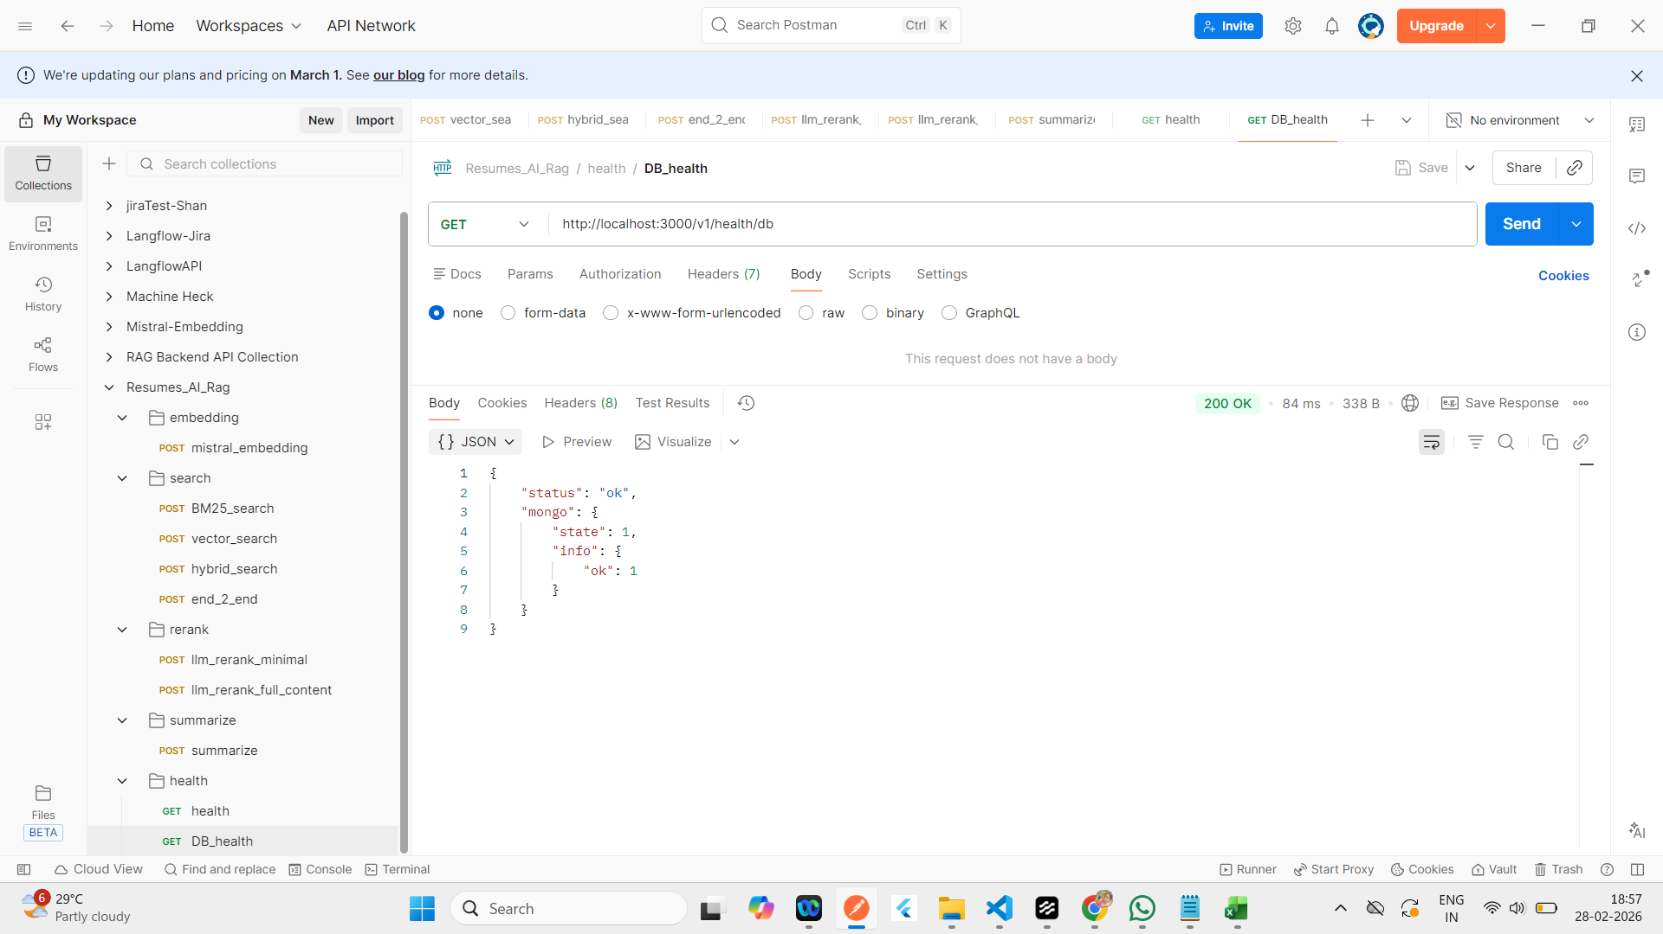
Health

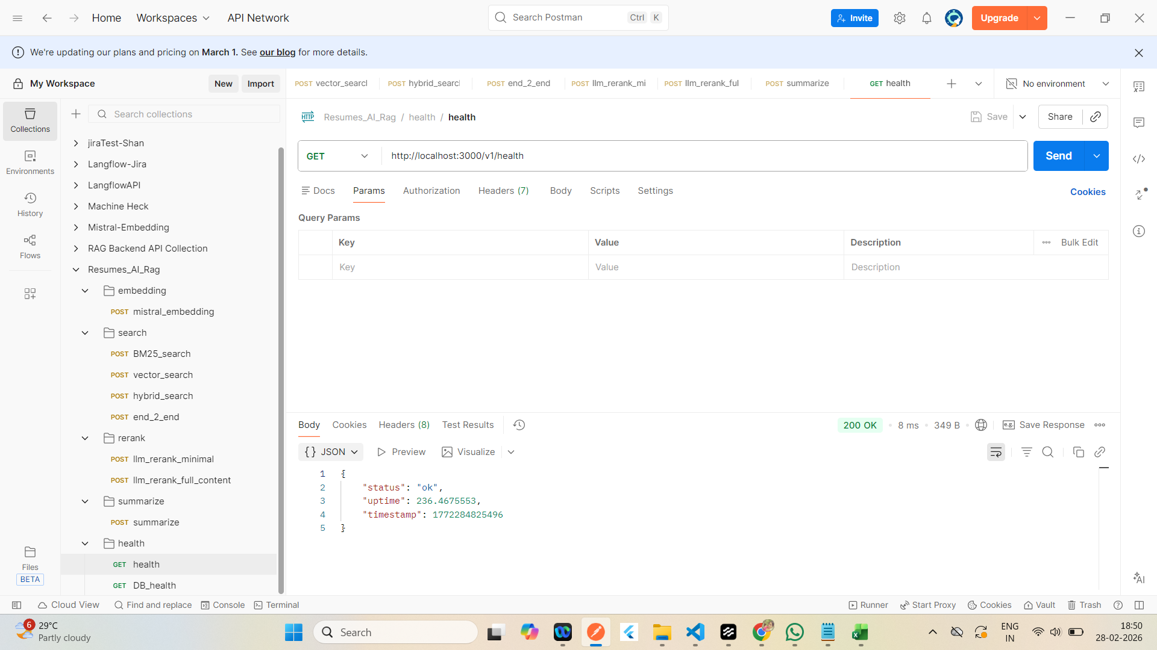

DB

Mistral
Mistral_embedding | Response

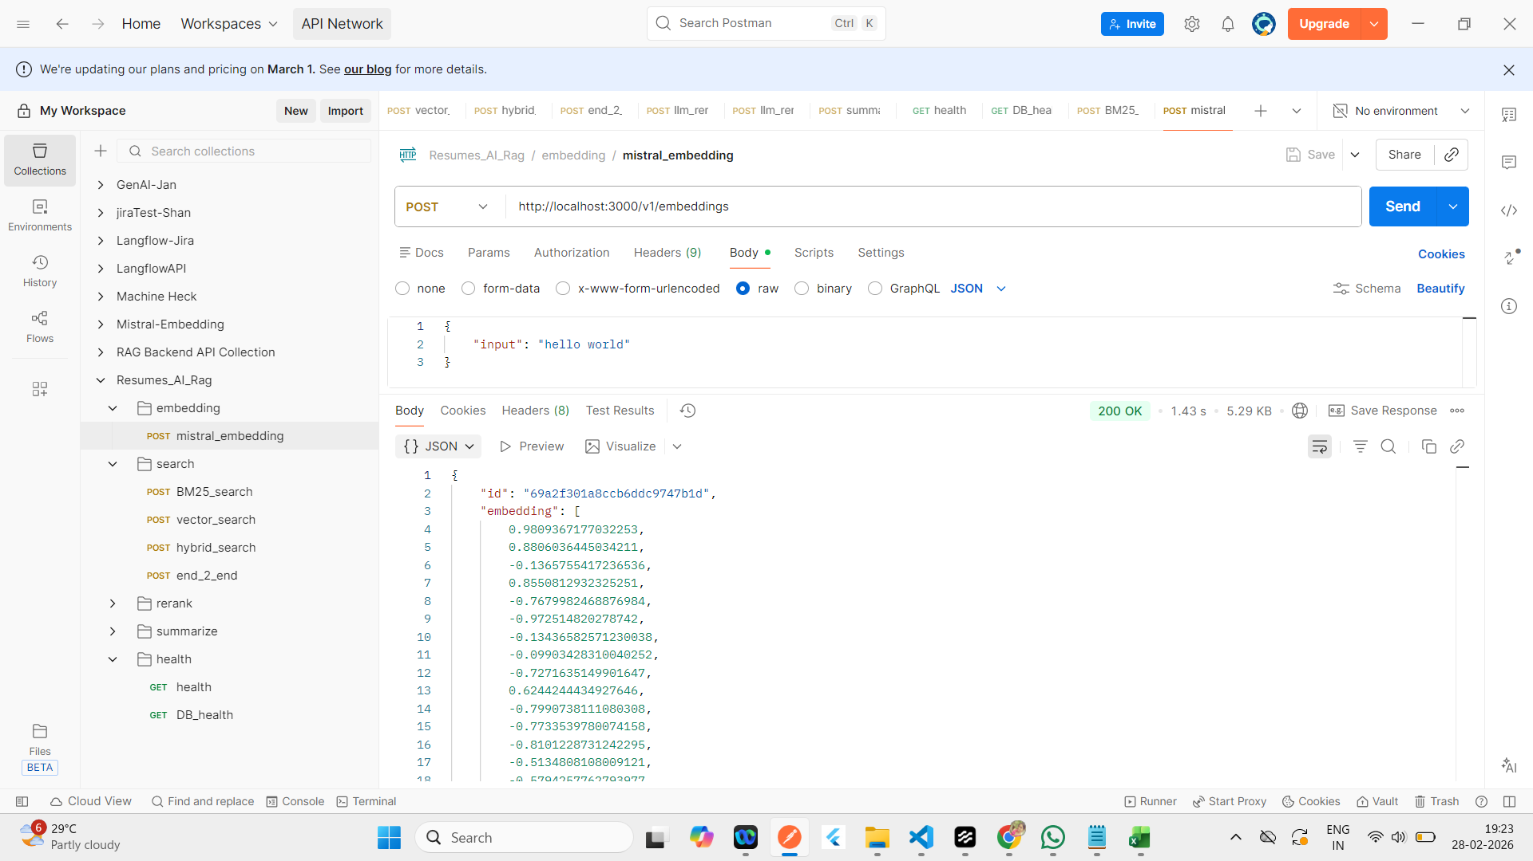
 | {
 | "id": "69a2f301a8ccb6ddc9747b1d",
 | "embedding": [
 | 0.9809367177032253,
 | 0.8806036445034211,
 | -0.1365755417236536,
 | 0.8550812932325251,
 | -0.7679982468876984,
 | -0.972514820278742,
 | -0.13436582571230038,
 | -0.09903428310040252,
 | -0.7271635149901647,
 | 0.6244244434927646,
 | -0.7990738111080308,
 | -0.7733539780074158,
 | -0.8101228731242295,
 | -0.5134808108009121,
 | -0.5794257762793977,
 | 0.2678595644579873,
 | -0.6254135034106237,
 | -0.3519531314615051,
 | 0.300007424619982,
 | -0.651583765086621,
 | -0.5020143947335924,
 | 0.12437355078858636,
 | 0.9867202104038373,
 | 0.5683628296405923,
 | 0.255617613730863,
 | 0.9539394783680186,
 | -0.6399863221775708,
 | 0.5569455538776111,
 | 0.8002952895593585,
 | -0.18900508042168918,
 | 0.8925505247648224,
 | -0.568785086173747,
 | 0.27663437632765486,
 | 0.6488611953446783,
 | 0.04814624205421336,
 | 0.8136078831305746,
 | -0.34787473672718616,
 | -0.04452747270570312,
 | -0.7529015256447954,
 | -0.4468106113948884,
 | 0.7636649496303092,
 | -0.5515740335806212,
 | 0.5275135858746975,
 | -0.47188514132795045,
 | -0.9200533167272931,
 | 0.991516400592289,
 | -0.16952581917157528,
 | -0.32824756561970514,
 | -0.04207639746416281,
 | -0.055535920210074585,
 | -0.6754117220815764,
 | 0.9078363966913512,
 | 0.7778777386476001,
 | -0.46913671993397565,
 | -0.8110044807686947,
 | -0.5354968764669021,
 | 0.1664905462336006,
 | 0.8980001457729376,
 | -0.582081899415255,
 | -0.9051262209902345,
 | -0.3032989146428413,
 | 0.6067789936453987,
 | 0.19841009126939113,
 | -0.967275955241005,
 | 0.4931897249755426,
 | -0.7750070685928239,
 | -0.3641918751793429,
 | 0.22246228140370516,
 | 0.41113346009774454,
 | -0.5801255217707078,
 | 0.04354830902152429,
 | 0.2398267703223571,
 | 0.12105120278919368,
 | 0.7466685887767628,
 | -0.6297909393044634,
 | 0.324752857285727,
 | 0.3285246066117018,
 | -0.6857289522154557,
 | -0.3991171311119378,
 | -0.8916160100818649,
 | -0.2675416556344232,
 | -0.9655401171104843,
 | -0.8336016386359933,
 | -0.9452556166670415,
 | 0.313848107427789,
 | 0.20912814308170424,
 | 0.09859658849858599,
 | 0.04497419880818909,
 | 0.6294406814569236,
 | 0.9864454683816166,
 | -0.6534493583378962,
 | 0.5818347664507653,
 | 0.09104761786084792,
 | 0.7035988689641466,
 | -0.06655889029301676,
 | -0.5475327324931354,
 | 0.00665708980678037,
 | -0.3654597097461717,
 | -0.8548874104988965,
 | -0.8445528288941255,
 | -0.7735038669252544,
 | -0.091880613726536,
 | -0.2687570106398214,
 | 0.48646839463302594,
 | 0.05786302803500165,
 | -0.35444076996167206,
 | 0.11084772253195929,
 | -0.43607271542681214,
 | 0.053553860414203625,
 | -0.1280890109781383,
 | 0.7017407891577438,
 | -0.6985440802989863,
 | -0.30462570798225364,
 | -0.7427829368372407,
 | -0.44730019835925205,
 | -0.521614524424452,
 | -0.7722180019533769,
 | 0.13267529456240013,
 | 0.9648740165785128,
 | -0.22076598071045384,
 | -0.1801429319149216,
 | -0.7921734828949378,
 | -0.5896128936646536,
 | -0.8424214599287188,
 | 0.5168374510288325,
 | 0.20762435794054168,
 | -0.808634725820421,
 | -0.22083458379396115,
 | 0.2974555420916192,
 | -0.8515107156363109,
 | 0.10063084985609883,
 | 0.725465624063617,
 | 0.9726456524740545,
 | -0.7886684280328147,
 | -0.48867417394385537,
 | -0.0993772682499553,
 | 0.03836356034464283,
 | -0.2996845509157713,
 | 0.36891563734247246,
 | 0.7390778944220109,
 | -0.7151070711470924,
 | -0.5226017459115484,
 | -0.051513142662940825,
 | -0.4599255457194349,
 | -0.19084461154203036,
 | -0.466688304549709,
 | 0.054114049545981535,
 | -0.6579568524979886,
 | -0.8165008909573082,
 | 0.9710649438135011,
 | -0.22850242984213454,
 | 0.1083219477693369,
 | -0.2434113843467579,
 | -0.8454352998746175,
 | -0.18171988408586937,
 | -0.379100257386244,
 | -0.9459468759470495,
 | -0.21372089796087723,
 | -0.45314639328353723,
 | -0.737150536323234,
 | 0.006692751545154696,
 | 0.5712797189064509,
 | 0.7080591958267752,
 | -0.9425108842417856,
 | 0.2749225197534362,
 | -0.08626309574727509,
 | -0.858740431689364,
 | 0.7926632454136069,
 | -0.99522461555787,
 | -0.06979038218729905,
 | 0.6958596272617252,
 | -0.124080426787045,
 | -0.6235647349673241,
 | 0.5839422539770469,
 | -0.5928361880576323,
 | 0.6242873574663623,
 | 0.3896675564790302,
 | -0.8088836115339966,
 | 0.5583664382710976,
 | -0.8951016789989317,
 | -0.6052805049357192,
 | -0.9112571407834201,
 | 0.32607939218312487,
 | 0.765100307707931,
 | -0.5011786742837119,
 | -0.16680051879184332,
 | 0.8264896403594151,
 | -0.5326491560630149,
 | 0.19866697424991675,
 | 0.28714215645732866,
 | -0.33396053950627347,
 | 0.9563756650212165,
 | 0.9186191488799218,
 | 0.633036780085656,
 | -0.005144782132735615,
 | 0.6346832498988797,
 | -0.14853226513334838,
 | 0.9685851652102044,
 | 0.39474587640602743,
 | -0.7283224691004312,
 | 0.7634217035405855,
 | -0.7870199954572645,
 | 0.20091935647672954,
 | 0.48880982061121836,
 | -0.9888479341726861,
 | -0.5605511976314129,
 | 0.33042445483860194,
 | 0.8510485216628407,
 | -0.5802193441382189,
 | 0.15840896525383208,
 | -0.6124362059897828,
 | 0.422065314236578,
 | -0.49482497747401355,
 | -0.6637152157872253,
 | 0.2707661453799266,
 | -0.7072253184642702,
 | -0.6335122188631241,
 | 0.19400650476897296,
 | 0.929225850368204,
 | -0.3861898294152203,
 | 0.7929910639750284,
 | 0.36148951793124184,
 | 0.8176124114118546,
 | -0.8390297665817267,
 | -0.23006874398097132,
 | 0.9821103140670131,
 | 0.7185376229971967,
 | 0.3463728617286246,
 | -0.37452326700429506,
 | 0.7388330054792653,
 | -0.7537931077540371,
 | -0.39658154020937664,
 | -0.6007475726308179,
 | 0.6769175789498068,
 | -0.3330249309849518,
 | 0.6342263444406508,
 | -0.13389507195304495,
 | -0.5040113482400801,
 | -0.06005555183162348,
 | -0.8167683239599616,
 | 0.9335803417334287,
 | 0.6829438818811775,
 | 0.48963113117255985,
 | -0.983179874714273,
 | -0.9520868714787268,
 | 0.15015451729999718,
 | 0.8895749789405556,
 | -0.6898654577531538,
 | -0.1704049918731686,
 | 0.03179205931532003,
 | -0.6074874521250575,
 | 0.32162304532751973,
 | -0.8371869283349223,
 | -0.3438444350249703,
 | -0.6260134646729598,
 | -0.7147610070451071
 | ],
 | "stored": true
 | }

BM25
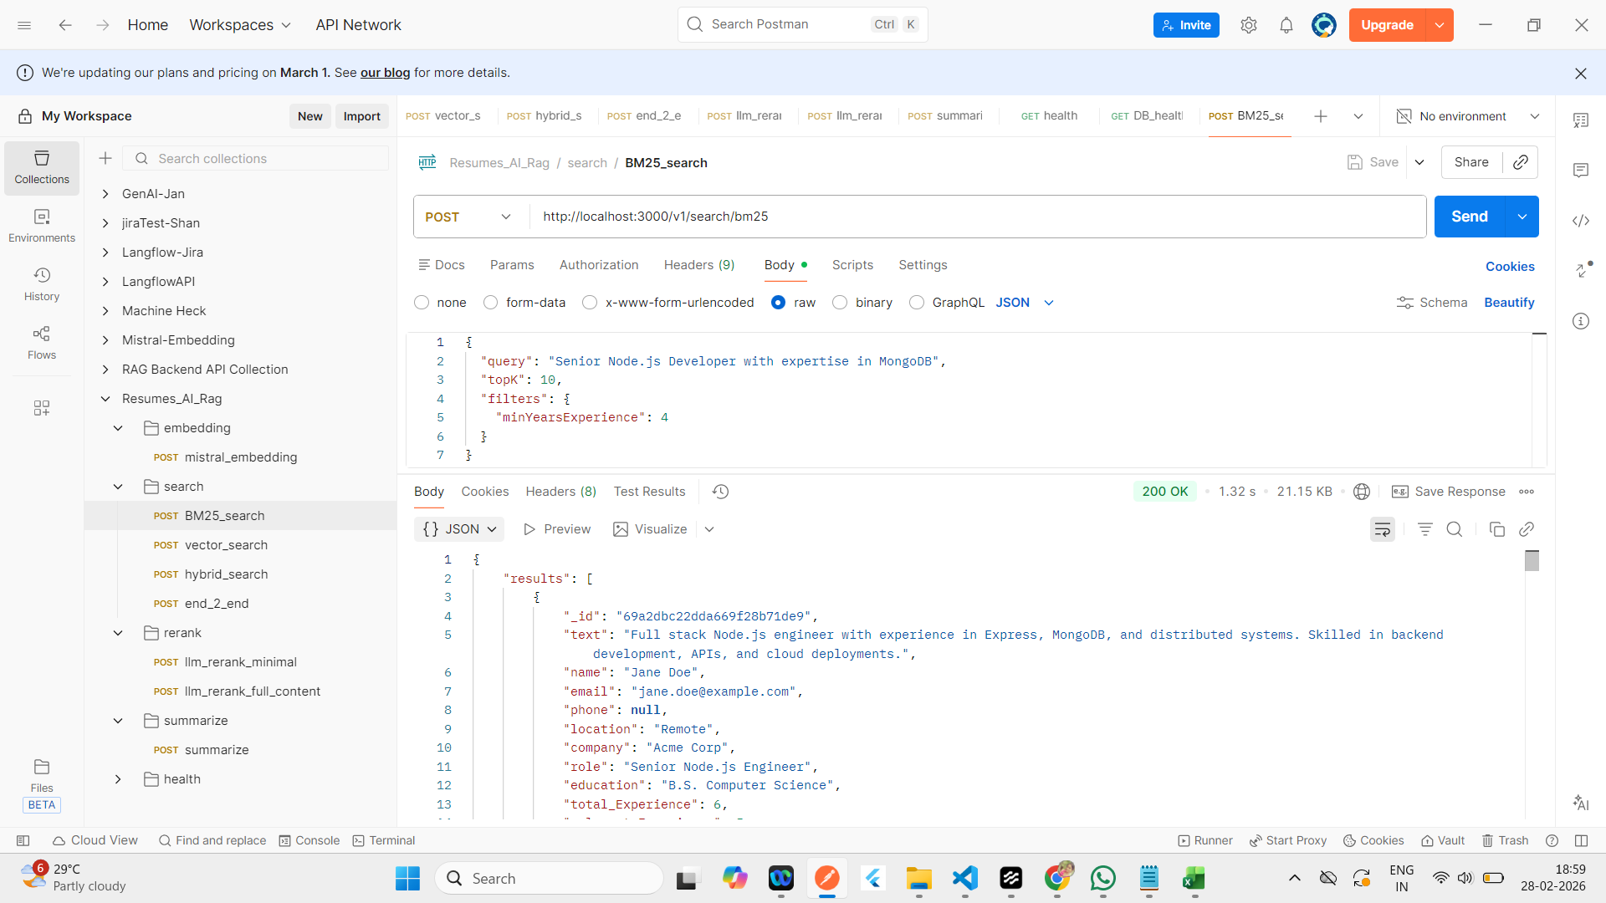
BM25 | Response
 | {
 | "results": [
 | {
 | "_id": "69a2dbc22dda669f28b71de9",
 | "text": "Full stack Node.js engineer with experience in Express, MongoDB, and distributed systems. Skilled in backend development, APIs, and cloud deployments.",
 | "name": "Jane Doe",
 | "email": "jane.doe@example.com",
 | "phone": null,
 | "location": "Remote",
 | "company": "Acme Corp",
 | "role": "Senior Node.js Engineer",
 | "education": "B.S. Computer Science",
 | "total_Experience": 6,
 | "relevant_Experience": 5,
 | "skills": [
 | "Node.js",
 | "Express",
 | "MongoDB",
 | "Docker",
 | "Kubernetes",
 | "TypeScript"
 | ],
 | "embedding": [
 | -0.7994613013694671,
 | -0.4456344892842775,
 | 0.9833815847484817,
 | -0.22741415845868507,
 | 0.7774732913303826,
 | 0.8631893265673867,
 | -0.390986627291652,
 | 0.8632353762777605,
 | -0.8521018609991534,
 | 0.5885513186428117,
 | 0.09470102309591621,
 | -0.3921824166067369,
 | 0.4332698437928384,
 | -0.015487437838569207,
 | -0.6761269824756605,
 | -0.5178398866015114,
 | 0.6752437310468506,
 | -0.28011105285960036,
 | -0.5430361189746848,
 | 0.8119853650713305,
 | -0.07901314438297724,
 | -0.9698997894231928,
 | -0.049088732118040546,
 | -0.07363255672939883,
 | -0.818372039082081,
 | -0.3326559181634001,
 | 0.1834050028546259,
 | -0.9927743254212603,
 | 0.1308257996874922,
 | 0.5217871683467616,
 | -0.8244772818462172,
 | -0.5821050367276428,
 | -0.029112559517173175,
 | -0.7709960606347295,
 | 0.4239868576228587,
 | -0.8222911725338296,
 | 0.020736555340871377,
 | 0.5215116794038359,
 | -0.8565467171968303,
 | -0.05449359096924156,
 | 0.9380629854132567,
 | -0.0105523120170814,
 | 0.11217197289508118,
 | 0.336975762466196,
 | 0.19977131281042726,
 | 0.03393153916903113,
 | 0.10070659804640036,
 | 0.4894922970536846,
 | -0.7151790693670462,
 | -0.9515070565863296,
 | -0.11539200439941888,
 | -0.2968618779668728,
 | 0.371295416115619,
 | 0.7728381803661675,
 | -0.4465276355497836,
 | -0.7275570243894023,
 | -0.6144795971024967,
 | 0.7741884281333042,
 | 0.9967998578205703,
 | -0.21817861618897383,
 | -0.3354167764390392,
 | 0.1690976990314894,
 | -0.43901200905419235,
 | 0.2648639211582169,
 | -0.479561127135428,
 | -0.3723445365606678,
 | 0.4089561801890276,
 | 0.23980342253106723,
 | 0.9314735526990783,
 | -0.3020127991451912,
 | -0.8507981155651617,
 | -0.2361947212452522,
 | 0.36655165333453366,
 | 0.4864064709950253,
 | -0.24314027820786932,
 | -0.045927757175156736,
 | 0.879095526383979,
 | 0.8220023200432776,
 | -0.30630244857312705,
 | -0.12204855846288809,
 | 0.40086749740896455,
 | 0.3719061504518395,
 | -0.08801344993710836,
 | -0.044034728557810876,
 | 0.6601341202995121,
 | 0.329585167888921,
 | -0.06392717479353938,
 | -0.45725167809455924,
 | 0.8208216693766466,
 | -0.23394857189477158,
 | -0.0617979357628613,
 | 0.24633841664677925,
 | -0.002682859311504915,
 | 0.6430758050743202,
 | 0.334552922596818,
 | -0.7350049102061905,
 | -0.8105037188647557,
 | 0.16588594279389035,
 | -0.41510749128998903,
 | 0.36517070777834637,
 | -0.2221520788087864,
 | -0.8436805945457146,
 | 0.5338596057924114,
 | 0.9172371555858378,
 | -0.4728401548864414,
 | 0.9239591378541567,
 | 0.2160194747187243,
 | -0.7079808520404578,
 | -0.7686145477389486,
 | -0.4373180077963783,
 | -0.6502354288590688,
 | -0.4895275247957389,
 | -0.6610198760547256,
 | 0.9763184967395659,
 | -0.1930133959262197,
 | 0.4826738432707902,
 | -0.9191186767814492,
 | -0.39066676734729366,
 | 0.25449821568431763,
 | -0.4268806049197169,
 | 0.9598878193553275,
 | -0.05706566224272025,
 | -0.19729409068759862,
 | -0.8150639263482448,
 | -0.14265278893119027,
 | -0.2733127286828385,
 | -0.7031763493323644,
 | -0.8353591211688144,
 | -0.7022254773653638,
 | 0.34733108229640197,
 | 0.8201681775553544,
 | 0.08120857064640341,
 | -0.3991290320174603,
 | 0.30608043384414185,
 | -0.21018044818429749,
 | 0.7941112340879886,
 | -0.4720738873519176,
 | -0.9409961495411108,
 | 0.19226764542801944,
 | 0.8400861289911172,
 | 0.26365743979431167,
 | -0.021746936492097357,
 | 0.27031649166492655,
 | -0.667436968457754,
 | 0.8008273462301183,
 | -0.9037760179265812,
 | 0.76004904177041,
 | 0.5362401212417149,
 | -0.61763081318178,
 | 0.7898155096428972,
 | 0.7605031080917695,
 | -0.19684319225997737,
 | -0.28157311661205564,
 | -0.6374723156070039,
 | -0.6103894583905092,
 | 0.7043166709375375,
 | -0.3857567900292941,
 | -0.03269477631726647,
 | 0.41850952604285196,
 | 0.6389689253733886,
 | -0.618588276584304,
 | -0.9060112759252105,
 | -0.5243951109061937,
 | 0.5685698714965419,
 | 0.2165432845280839,
 | 0.7009290656309874,
 | 0.5271548949012428,
 | 0.3332331202303136,
 | 0.20409960653728332,
 | 0.20540431216484967,
 | -0.4678885488463306,
 | 0.3230937461655339,
 | -0.1461547122211556,
 | 0.3132653658542004,
 | 0.6938537898691961,
 | -0.9259727392173309,
 | 0.9358205548338174,
 | 0.6174823133315617,
 | 0.4949060565547334,
 | -0.7074286168691304,
 | -0.5084665463092892,
 | 0.9084631898227296,
 | -0.033552791232604684,
 | 0.43231682466164156,
 | -0.5477333882701894,
 | -0.9750341228151308,
 | -0.09185597139686719,
 | -0.11757655793744526,
 | -0.9379338454310628,
 | 0.7680565225351734,
 | 0.8301309202402203,
 | -0.010517873570909275,
 | -0.689186152464055,
 | -0.5688260815965073,
 | -0.841087141968563,
 | -0.1233734798439251,
 | 0.8741031163078974,
 | -0.6121206045178977,
 | 0.7861971873292228,
 | -0.4733927462886537,
 | 0.27654912911275153,
 | 0.32755724231888483,
 | 0.35828328862746317,
 | -0.05358417263570803,
 | -0.4626682823204129,
 | -0.8626626338489966,
 | 0.49168976198222714,
 | -0.3152944937616806,
 | 0.1776933100022593,
 | -0.9098221203102316,
 | 0.8673583464388173,
 | 0.689039242381472,
 | -0.3744360053386623,
 | 0.8885736292899991,
 | -0.4867596210648212,
 | -0.5204189101980112,
 | -0.16353168645024574,
 | 0.42591937524870027,
 | 0.8473974642919837,
 | 0.05243716227180251,
 | 0.14902721139346875,
 | 0.6269990949954369,
 | 0.8608443024244263,
 | 0.4457575272409613,
 | -0.7587967677411616,
 | 0.6228355354682624,
 | -0.32479132277071276,
 | 0.6249053710198276,
 | -0.5906035694271801,
 | -0.5977547032753365,
 | 0.7214750660866207,
 | -0.3747763827850056,
 | 0.9200463187694656,
 | 0.004766309867791474,
 | 0.3447015516796852,
 | -0.10167104124596138,
 | -0.19804983381136554,
 | -0.3942916550194593,
 | -0.2405983803888313,
 | 0.12426822751859867,
 | -0.1912125417010888,
 | -0.5029915435013808,
 | 0.18350803972769247,
 | -0.7895397934572631,
 | -0.5014869765149166,
 | -0.5646868551999067,
 | 0.18005256242585665,
 | 0.6388079066851196,
 | 0.403097085050097,
 | -0.1810695135921867,
 | 0.9925865908136093,
 | 0.9028492029530111,
 | 0.6533690261778815,
 | 0.9220151724112255,
 | 0.9614011528811885,
 | 0.4481202474441659
 | ],
 | "score": 6.6
 | },
 | {
 | "_id": "69a2cd579024159033fd55d1",
 | "text": "Senior Node.js backend engineer with MongoDB experience",
 | "embedding": [],
 | "name": "Test",
 | "email": "t@example.com",
 | "phone": null,
 | "location": "",
 | "company": "",
 | "role": "",
 | "education": "",
 | "total_Experience": 5,
 | "relevant_Experience": 5,
 | "skills": [],
 | "score": 2.2857142857142856
 | },
 | {
 | "_id": "69a2cd5a436453141693927e",
 | "text": "Experienced Node.js developer",
 | "embedding": [
 | -0.9131682151726372,
 | 0.9238070384421868,
 | 0.7833517430777084,
 | 0.10762192101860935,
 | 0.7245410950213067,
 | 0.9961237707166288,
 | 0.9979093717406293,
 | 0.22780623874343142,
 | -0.7114423685035302,
 | 0.03888866376105904,
 | -0.21083362382157556,
 | -0.5936563651994002,
 | 0.15303304864862777,
 | -0.16759357675155473,
 | 0.24092502641513125,
 | -0.8252761475335053,
 | -0.8642296380978612,
 | 0.13741106426748706,
 | 0.5664857024248888,
 | 0.769039702082295,
 | 0.5107907237277345,
 | 0.024442957952721667,
 | -0.6178085123230257,
 | 0.5234781870440297,
 | 0.7242682999289287,
 | 0.2117161814150672,
 | 0.6920864441646464,
 | -0.7117224092855403,
 | -0.14042589234663772,
 | -0.1959701942270552,
 | -0.5113155822063133,
 | 0.1402204495715491,
 | -0.9849487706052485,
 | -0.36380365196704023,
 | -0.6905962465541895,
 | 0.3642926424192947,
 | 0.6150139564683228,
 | -0.7926382510440048,
 | -0.4927413844253732,
 | 0.006497861120500215,
 | 0.4355763982598615,
 | 0.12114780515459089,
 | -0.3529050027376285,
 | 0.007985403530296198,
 | 0.47909089165718544,
 | -0.667538510558088,
 | 0.7192483594918737,
 | -0.9477989030880385,
 | -0.800472845742589,
 | -0.9376723463501949,
 | 0.7107504721988809,
 | 0.5180470001692994,
 | -0.8372552538843023,
 | -0.343799089394463,
 | -0.12176577307324987,
 | 0.31748531370365174,
 | 0.44441573122619094,
 | 0.019305124650547567,
 | 0.031153329888161663,
 | -0.6050512654718596,
 | -0.13647520801436042,
 | 0.3341885612658664,
 | 0.8072998192643979,
 | 0.6891101197547069,
 | -0.4035165639136724,
 | 0.40427771895292164,
 | -0.35544207444308373,
 | -0.1996092380023583,
 | -0.7501658773399345,
 | 0.8801527549233643,
 | 0.2457000928106019,
 | -0.08459530470068455,
 | -0.4714052522255585,
 | 0.6402267179545542,
 | -0.0456866019046136,
 | -0.7121921469718665,
 | 0.8702770163934392,
 | -0.3230704943004694,
 | 0.4299148706323268,
 | -0.08743627161892042,
 | 0.47573299228114374,
 | 0.9695507581274843,
 | 0.594047174228832,
 | 0.07171302034326676,
 | 0.013409850423552472,
 | 0.9808321590490714,
 | 0.12528797824058868,
 | -0.9831360415516273,
 | -0.6205209469470476,
 | -0.13694922792188569,
 | -0.2083869383689917,
 | 0.9058150625568384,
 | -0.4390502174941474,
 | 0.681991911884861,
 | -0.45848922092898037,
 | -0.8829371682095661,
 | -0.968168432351241,
 | 0.730768342905391,
 | -0.8578875679191872,
 | 0.4255611690286456,
 | -0.44442174477605656,
 | 0.5193814485146155,
 | 0.394661661096537,
 | -0.02009133506102756,
 | 0.8967487248351678,
 | -0.804829928047217,
 | -0.5480443741073935,
 | 0.10492643041185246,
 | -0.896490806223939,
 | -0.03332251939767095,
 | 0.6813797558847301,
 | -0.8670675409648259,
 | 0.9187505021502149,
 | -0.9832833711950303,
 | -0.6716585321518729,
 | 0.6828202921158681,
 | -0.1228628696694185,
 | 0.29919877259507754,
 | -0.0024304378317739905,
 | 0.8922392553398943,
 | 0.4799137961771138,
 | 0.8131430190552824,
 | -0.9935661097973506,
 | -0.895218656839621,
 | -0.17956940065593674,
 | -0.43410723177578936,
 | -0.8556071649900654,
 | 0.8153951577412419,
 | -0.4916739178569228,
 | -0.6758910165345042,
 | -0.8221346609811612,
 | -0.14465912411563542,
 | 0.05204464147147836,
 | 0.8060405915151445,
 | 0.6427552792343207,
 | -0.7854955419398602,
 | -0.135897089060372,
 | -0.3590479552184809,
 | 0.19135917797483493,
 | 0.10613152969305673,
 | -0.3210023369921843,
 | -0.5972562147298027,
 | 0.12220904257199927,
 | 0.5413839140770453,
 | 0.33885683057337457,
 | 0.14027430143679354,
 | -0.5654032266618225,
 | 0.3742281308803308,
 | -0.36104213198671165,
 | -0.5052640436927938,
 | 0.35470827374484126,
 | 0.38819805565015364,
 | -0.141635210519106,
 | 0.2210307315040918,
 | 0.3921127387769783,
 | 0.8446035193848898,
 | 0.6156819345466051,
 | -0.15775832188263494,
 | 0.10461009505777863,
 | -0.633608704347538,
 | 0.848602314444399,
 | 0.24899040377908155,
 | -0.8531724190928909,
 | 0.6279019791697855,
 | -0.19492077529312124,
 | -0.4667524247120024,
 | -0.6136035555074,
 | -0.11807227859228675,
 | -0.9102713623806534,
 | -0.916009319460953,
 | 0.06099840045464178,
 | 0.07651069319725745,
 | 0.4626542854734357,
 | 0.6393136511648339,
 | -0.32868218033776664,
 | 0.31021653053122966,
 | -0.4378866063053456,
 | 0.00494880904558781,
 | -0.06540279534305515,
 | -0.7983208004846984,
 | -0.3845158609059909,
 | -0.6358377960593993,
 | -0.8644053884466192,
 | 0.9322644206537549,
 | -0.36825557038380197,
 | 0.8358908933205276,
 | 0.23590362426729494,
 | -0.449166693596441,
 | -0.10455797405553935,
 | 0.9589426410288882,
 | 0.9918636726196537,
 | -0.9840941824913244,
 | 0.3433975231236306,
 | 0.18588238795890533,
 | 0.5675761395989862,
 | -0.4989315912823499,
 | -0.6418578325868254,
 | -0.8954671700241666,
 | 0.6906820767770248,
 | 0.5707902418381512,
 | 0.018137503652399856,
 | 0.6501828319509939,
 | -0.3627656896977606,
 | 0.845891036523015,
 | -0.9937855945885613,
 | 0.7902324725385366,
 | 0.6474744103959469,
 | -0.4622969756513594,
 | -0.005273720483592204,
 | -0.6219841729900764,
 | -0.6547557789959841,
 | -0.1456016071945433,
 | 0.8724399567284715,
 | 0.8320598709006002,
 | -0.21255484624126808,
 | 0.24516987503626608,
 | 0.2775715694943377,
 | 0.7643934660042622,
 | 0.46163514150810325,
 | -0.10373653962829532,
 | -0.5729785988975732,
 | -0.03678965452983729,
 | 0.4164467936885652,
 | -0.2886369757560634,
 | -0.47887789445903106,
 | -0.8408802472615802,
 | -0.04414517829291176,
 | 0.6446102698437428,
 | 0.08958921653441831,
 | 0.4051297938928775,
 | 0.10751498982019614,
 | -0.24684543424445327,
 | 0.9912467449883109,
 | 0.4237857659868398,
 | 0.6315347700453211,
 | 0.06532934938215873,
 | 0.5954048520874708,
 | -0.16939352340283653,
 | -0.41445338339881355,
 | 0.4264768668046399,
 | 0.12613815002286288,
 | -0.8742546164137904,
 | 0.3471467479474719,
 | 0.998445222619559,
 | 0.13708398284788337,
 | -0.99075529631012,
 | -0.4848393768735322,
 | -0.4617697939886175,
 | 0.3115366732961351,
 | 0.8289674408335628,
 | 0.3877562008303954,
 | -0.489318016797611,
 | 0.38798537510167463,
 | 0.3776548056345561,
 | 0.22802966349479492,
 | -0.08980088194129077
 | ],
 | "score": 1.875
 | },
 | {
 | "_id": "69a2caa774a49100119e78f7",
 | "text": "Experienced Node.js developer",
 | "embedding": [
 | -0.9131682151726372,
 | 0.9238070384421868,
 | 0.7833517430777084,
 | 0.10762192101860935,
 | 0.7245410950213067,
 | 0.9961237707166288,
 | 0.9979093717406293,
 | 0.22780623874343142,
 | -0.7114423685035302,
 | 0.03888866376105904,
 | -0.21083362382157556,
 | -0.5936563651994002,
 | 0.15303304864862777,
 | -0.16759357675155473,
 | 0.24092502641513125,
 | -0.8252761475335053,
 | -0.8642296380978612,
 | 0.13741106426748706,
 | 0.5664857024248888,
 | 0.769039702082295,
 | 0.5107907237277345,
 | 0.024442957952721667,
 | -0.6178085123230257,
 | 0.5234781870440297,
 | 0.7242682999289287,
 | 0.2117161814150672,
 | 0.6920864441646464,
 | -0.7117224092855403,
 | -0.14042589234663772,
 | -0.1959701942270552,
 | -0.5113155822063133,
 | 0.1402204495715491,
 | -0.9849487706052485,
 | -0.36380365196704023,
 | -0.6905962465541895,
 | 0.3642926424192947,
 | 0.6150139564683228,
 | -0.7926382510440048,
 | -0.4927413844253732,
 | 0.006497861120500215,
 | 0.4355763982598615,
 | 0.12114780515459089,
 | -0.3529050027376285,
 | 0.007985403530296198,
 | 0.47909089165718544,
 | -0.667538510558088,
 | 0.7192483594918737,
 | -0.9477989030880385,
 | -0.800472845742589,
 | -0.9376723463501949,
 | 0.7107504721988809,
 | 0.5180470001692994,
 | -0.8372552538843023,
 | -0.343799089394463,
 | -0.12176577307324987,
 | 0.31748531370365174,
 | 0.44441573122619094,
 | 0.019305124650547567,
 | 0.031153329888161663,
 | -0.6050512654718596,
 | -0.13647520801436042,
 | 0.3341885612658664,
 | 0.8072998192643979,
 | 0.6891101197547069,
 | -0.4035165639136724,
 | 0.40427771895292164,
 | -0.35544207444308373,
 | -0.1996092380023583,
 | -0.7501658773399345,
 | 0.8801527549233643,
 | 0.2457000928106019,
 | -0.08459530470068455,
 | -0.4714052522255585,
 | 0.6402267179545542,
 | -0.0456866019046136,
 | -0.7121921469718665,
 | 0.8702770163934392,
 | -0.3230704943004694,
 | 0.4299148706323268,
 | -0.08743627161892042,
 | 0.47573299228114374,
 | 0.9695507581274843,
 | 0.594047174228832,
 | 0.07171302034326676,
 | 0.013409850423552472,
 | 0.9808321590490714,
 | 0.12528797824058868,
 | -0.9831360415516273,
 | -0.6205209469470476,
 | -0.13694922792188569,
 | -0.2083869383689917,
 | 0.9058150625568384,
 | -0.4390502174941474,
 | 0.681991911884861,
 | -0.45848922092898037,
 | -0.8829371682095661,
 | -0.968168432351241,
 | 0.730768342905391,
 | -0.8578875679191872,
 | 0.4255611690286456,
 | -0.44442174477605656,
 | 0.5193814485146155,
 | 0.394661661096537,
 | -0.02009133506102756,
 | 0.8967487248351678,
 | -0.804829928047217,
 | -0.5480443741073935,
 | 0.10492643041185246,
 | -0.896490806223939,
 | -0.03332251939767095,
 | 0.6813797558847301,
 | -0.8670675409648259,
 | 0.9187505021502149,
 | -0.9832833711950303,
 | -0.6716585321518729,
 | 0.6828202921158681,
 | -0.1228628696694185,
 | 0.29919877259507754,
 | -0.0024304378317739905,
 | 0.8922392553398943,
 | 0.4799137961771138,
 | 0.8131430190552824,
 | -0.9935661097973506,
 | -0.895218656839621,
 | -0.17956940065593674,
 | -0.43410723177578936,
 | -0.8556071649900654,
 | 0.8153951577412419,
 | -0.4916739178569228,
 | -0.6758910165345042,
 | -0.8221346609811612,
 | -0.14465912411563542,
 | 0.05204464147147836,
 | 0.8060405915151445,
 | 0.6427552792343207,
 | -0.7854955419398602,
 | -0.135897089060372,
 | -0.3590479552184809,
 | 0.19135917797483493,
 | 0.10613152969305673,
 | -0.3210023369921843,
 | -0.5972562147298027,
 | 0.12220904257199927,
 | 0.5413839140770453,
 | 0.33885683057337457,
 | 0.14027430143679354,
 | -0.5654032266618225,
 | 0.3742281308803308,
 | -0.36104213198671165,
 | -0.5052640436927938,
 | 0.35470827374484126,
 | 0.38819805565015364,
 | -0.141635210519106,
 | 0.2210307315040918,
 | 0.3921127387769783,
 | 0.8446035193848898,
 | 0.6156819345466051,
 | -0.15775832188263494,
 | 0.10461009505777863,
 | -0.633608704347538,
 | 0.848602314444399,
 | 0.24899040377908155,
 | -0.8531724190928909,
 | 0.6279019791697855,
 | -0.19492077529312124,
 | -0.4667524247120024,
 | -0.6136035555074,
 | -0.11807227859228675,
 | -0.9102713623806534,
 | -0.916009319460953,
 | 0.06099840045464178,
 | 0.07651069319725745,
 | 0.4626542854734357,
 | 0.6393136511648339,
 | -0.32868218033776664,
 | 0.31021653053122966,
 | -0.4378866063053456,
 | 0.00494880904558781,
 | -0.06540279534305515,
 | -0.7983208004846984,
 | -0.3845158609059909,
 | -0.6358377960593993,
 | -0.8644053884466192,
 | 0.9322644206537549,
 | -0.36825557038380197,
 | 0.8358908933205276,
 | 0.23590362426729494,
 | -0.449166693596441,
 | -0.10455797405553935,
 | 0.9589426410288882,
 | 0.9918636726196537,
 | -0.9840941824913244,
 | 0.3433975231236306,
 | 0.18588238795890533,
 | 0.5675761395989862,
 | -0.4989315912823499,
 | -0.6418578325868254,
 | -0.8954671700241666,
 | 0.6906820767770248,
 | 0.5707902418381512,
 | 0.018137503652399856,
 | 0.6501828319509939,
 | -0.3627656896977606,
 | 0.845891036523015,
 | -0.9937855945885613,
 | 0.7902324725385366,
 | 0.6474744103959469,
 | -0.4622969756513594,
 | -0.005273720483592204,
 | -0.6219841729900764,
 | -0.6547557789959841,
 | -0.1456016071945433,
 | 0.8724399567284715,
 | 0.8320598709006002,
 | -0.21255484624126808,
 | 0.24516987503626608,
 | 0.2775715694943377,
 | 0.7643934660042622,
 | 0.46163514150810325,
 | -0.10373653962829532,
 | -0.5729785988975732,
 | -0.03678965452983729,
 | 0.4164467936885652,
 | -0.2886369757560634,
 | -0.47887789445903106,
 | -0.8408802472615802,
 | -0.04414517829291176,
 | 0.6446102698437428,
 | 0.08958921653441831,
 | 0.4051297938928775,
 | 0.10751498982019614,
 | -0.24684543424445327,
 | 0.9912467449883109,
 | 0.4237857659868398,
 | 0.6315347700453211,
 | 0.06532934938215873,
 | 0.5954048520874708,
 | -0.16939352340283653,
 | -0.41445338339881355,
 | 0.4264768668046399,
 | 0.12613815002286288,
 | -0.8742546164137904,
 | 0.3471467479474719,
 | 0.998445222619559,
 | 0.13708398284788337,
 | -0.99075529631012,
 | -0.4848393768735322,
 | -0.4617697939886175,
 | 0.3115366732961351,
 | 0.8289674408335628,
 | 0.3877562008303954,
 | -0.489318016797611,
 | 0.38798537510167463,
 | 0.3776548056345561,
 | 0.22802966349479492,
 | -0.08980088194129077
 | ],
 | "score": 1.875
 | },
 | {
 | "_id": "69a2cc0c8e4ae3046925983a",
 | "text": "Experienced Node.js developer",
 | "embedding": [
 | -0.9131682151726372,
 | 0.9238070384421868,
 | 0.7833517430777084,
 | 0.10762192101860935,
 | 0.7245410950213067,
 | 0.9961237707166288,
 | 0.9979093717406293,
 | 0.22780623874343142,
 | -0.7114423685035302,
 | 0.03888866376105904,
 | -0.21083362382157556,
 | -0.5936563651994002,
 | 0.15303304864862777,
 | -0.16759357675155473,
 | 0.24092502641513125,
 | -0.8252761475335053,
 | -0.8642296380978612,
 | 0.13741106426748706,
 | 0.5664857024248888,
 | 0.769039702082295,
 | 0.5107907237277345,
 | 0.024442957952721667,
 | -0.6178085123230257,
 | 0.5234781870440297,
 | 0.7242682999289287,
 | 0.2117161814150672,
 | 0.6920864441646464,
 | -0.7117224092855403,
 | -0.14042589234663772,
 | -0.1959701942270552,
 | -0.5113155822063133,
 | 0.1402204495715491,
 | -0.9849487706052485,
 | -0.36380365196704023,
 | -0.6905962465541895,
 | 0.3642926424192947,
 | 0.6150139564683228,
 | -0.7926382510440048,
 | -0.4927413844253732,
 | 0.006497861120500215,
 | 0.4355763982598615,
 | 0.12114780515459089,
 | -0.3529050027376285,
 | 0.007985403530296198,
 | 0.47909089165718544,
 | -0.667538510558088,
 | 0.7192483594918737,
 | -0.9477989030880385,
 | -0.800472845742589,
 | -0.9376723463501949,
 | 0.7107504721988809,
 | 0.5180470001692994,
 | -0.8372552538843023,
 | -0.343799089394463,
 | -0.12176577307324987,
 | 0.31748531370365174,
 | 0.44441573122619094,
 | 0.019305124650547567,
 | 0.031153329888161663,
 | -0.6050512654718596,
 | -0.13647520801436042,
 | 0.3341885612658664,
 | 0.8072998192643979,
 | 0.6891101197547069,
 | -0.4035165639136724,
 | 0.40427771895292164,
 | -0.35544207444308373,
 | -0.1996092380023583,
 | -0.7501658773399345,
 | 0.8801527549233643,
 | 0.2457000928106019,
 | -0.08459530470068455,
 | -0.4714052522255585,
 | 0.6402267179545542,
 | -0.0456866019046136,
 | -0.7121921469718665,
 | 0.8702770163934392,
 | -0.3230704943004694,
 | 0.4299148706323268,
 | -0.08743627161892042,
 | 0.47573299228114374,
 | 0.9695507581274843,
 | 0.594047174228832,
 | 0.07171302034326676,
 | 0.013409850423552472,
 | 0.9808321590490714,
 | 0.12528797824058868,
 | -0.9831360415516273,
 | -0.6205209469470476,
 | -0.13694922792188569,
 | -0.2083869383689917,
 | 0.9058150625568384,
 | -0.4390502174941474,
 | 0.681991911884861,
 | -0.45848922092898037,
 | -0.8829371682095661,
 | -0.968168432351241,
 | 0.730768342905391,
 | -0.8578875679191872,
 | 0.4255611690286456,
 | -0.44442174477605656,
 | 0.5193814485146155,
 | 0.394661661096537,
 | -0.02009133506102756,
 | 0.8967487248351678,
 | -0.804829928047217,
 | -0.5480443741073935,
 | 0.10492643041185246,
 | -0.896490806223939,
 | -0.03332251939767095,
 | 0.6813797558847301,
 | -0.8670675409648259,
 | 0.9187505021502149,
 | -0.9832833711950303,
 | -0.6716585321518729,
 | 0.6828202921158681,
 | -0.1228628696694185,
 | 0.29919877259507754,
 | -0.0024304378317739905,
 | 0.8922392553398943,
 | 0.4799137961771138,
 | 0.8131430190552824,
 | -0.9935661097973506,
 | -0.895218656839621,
 | -0.17956940065593674,
 | -0.43410723177578936,
 | -0.8556071649900654,
 | 0.8153951577412419,
 | -0.4916739178569228,
 | -0.6758910165345042,
 | -0.8221346609811612,
 | -0.14465912411563542,
 | 0.05204464147147836,
 | 0.8060405915151445,
 | 0.6427552792343207,
 | -0.7854955419398602,
 | -0.135897089060372,
 | -0.3590479552184809,
 | 0.19135917797483493,
 | 0.10613152969305673,
 | -0.3210023369921843,
 | -0.5972562147298027,
 | 0.12220904257199927,
 | 0.5413839140770453,
 | 0.33885683057337457,
 | 0.14027430143679354,
 | -0.5654032266618225,
 | 0.3742281308803308,
 | -0.36104213198671165,
 | -0.5052640436927938,
 | 0.35470827374484126,
 | 0.38819805565015364,
 | -0.141635210519106,
 | 0.2210307315040918,
 | 0.3921127387769783,
 | 0.8446035193848898,
 | 0.6156819345466051,
 | -0.15775832188263494,
 | 0.10461009505777863,
 | -0.633608704347538,
 | 0.848602314444399,
 | 0.24899040377908155,
 | -0.8531724190928909,
 | 0.6279019791697855,
 | -0.19492077529312124,
 | -0.4667524247120024,
 | -0.6136035555074,
 | -0.11807227859228675,
 | -0.9102713623806534,
 | -0.916009319460953,
 | 0.06099840045464178,
 | 0.07651069319725745,
 | 0.4626542854734357,
 | 0.6393136511648339,
 | -0.32868218033776664,
 | 0.31021653053122966,
 | -0.4378866063053456,
 | 0.00494880904558781,
 | -0.06540279534305515,
 | -0.7983208004846984,
 | -0.3845158609059909,
 | -0.6358377960593993,
 | -0.8644053884466192,
 | 0.9322644206537549,
 | -0.36825557038380197,
 | 0.8358908933205276,
 | 0.23590362426729494,
 | -0.449166693596441,
 | -0.10455797405553935,
 | 0.9589426410288882,
 | 0.9918636726196537,
 | -0.9840941824913244,
 | 0.3433975231236306,
 | 0.18588238795890533,
 | 0.5675761395989862,
 | -0.4989315912823499,
 | -0.6418578325868254,
 | -0.8954671700241666,
 | 0.6906820767770248,
 | 0.5707902418381512,
 | 0.018137503652399856,
 | 0.6501828319509939,
 | -0.3627656896977606,
 | 0.845891036523015,
 | -0.9937855945885613,
 | 0.7902324725385366,
 | 0.6474744103959469,
 | -0.4622969756513594,
 | -0.005273720483592204,
 | -0.6219841729900764,
 | -0.6547557789959841,
 | -0.1456016071945433,
 | 0.8724399567284715,
 | 0.8320598709006002,
 | -0.21255484624126808,
 | 0.24516987503626608,
 | 0.2775715694943377,
 | 0.7643934660042622,
 | 0.46163514150810325,
 | -0.10373653962829532,
 | -0.5729785988975732,
 | -0.03678965452983729,
 | 0.4164467936885652,
 | -0.2886369757560634,
 | -0.47887789445903106,
 | -0.8408802472615802,
 | -0.04414517829291176,
 | 0.6446102698437428,
 | 0.08958921653441831,
 | 0.4051297938928775,
 | 0.10751498982019614,
 | -0.24684543424445327,
 | 0.9912467449883109,
 | 0.4237857659868398,
 | 0.6315347700453211,
 | 0.06532934938215873,
 | 0.5954048520874708,
 | -0.16939352340283653,
 | -0.41445338339881355,
 | 0.4264768668046399,
 | 0.12613815002286288,
 | -0.8742546164137904,
 | 0.3471467479474719,
 | 0.998445222619559,
 | 0.13708398284788337,
 | -0.99075529631012,
 | -0.4848393768735322,
 | -0.4617697939886175,
 | 0.3115366732961351,
 | 0.8289674408335628,
 | 0.3877562008303954,
 | -0.489318016797611,
 | 0.38798537510167463,
 | 0.3776548056345561,
 | 0.22802966349479492,
 | -0.08980088194129077
 | ],
 | "score": 1.875
 | }
 | ]
 | }

Vector
Vector | Response

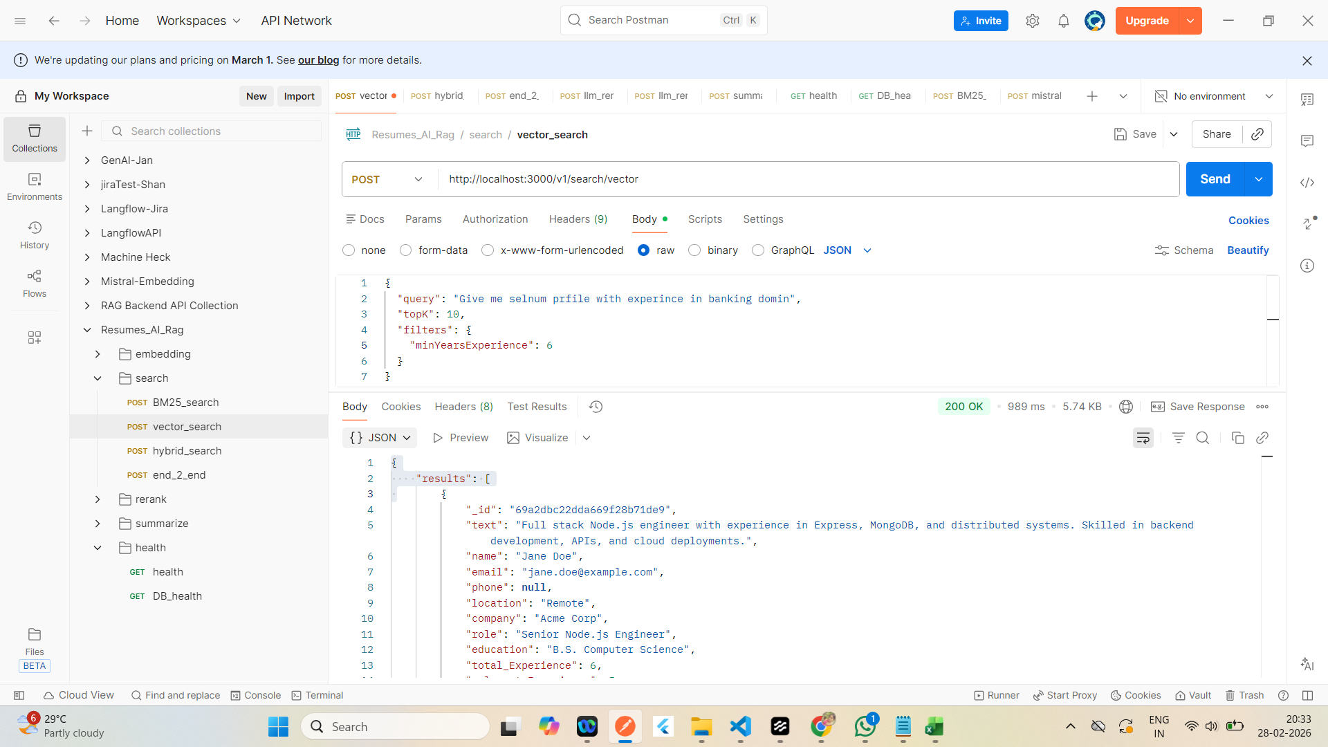
 | {
 | "results": [
 | {
 | "_id": "69a2dbc22dda669f28b71de9",
 | "text": "Full stack Node.js engineer with experience in Express, MongoDB, and distributed systems. Skilled in backend development, APIs, and cloud deployments.",
 | "name": "Jane Doe",
 | "email": "jane.doe@example.com",
 | "phone": null,
 | "location": "Remote",
 | "company": "Acme Corp",
 | "role": "Senior Node.js Engineer",
 | "education": "B.S. Computer Science",
 | "total_Experience": 6,
 | "relevant_Experience": 5,
 | "skills": [
 | "Node.js",
 | "Express",
 | "MongoDB",
 | "Docker",
 | "Kubernetes",
 | "TypeScript"
 | ],
 | "embedding": [
 | -0.7994613013694671,
 | -0.4456344892842775,
 | 0.9833815847484817,
 | -0.22741415845868507,
 | 0.7774732913303826,
 | 0.8631893265673867,
 | -0.390986627291652,
 | 0.8632353762777605,
 | -0.8521018609991534,
 | 0.5885513186428117,
 | 0.09470102309591621,
 | -0.3921824166067369,
 | 0.4332698437928384,
 | -0.015487437838569207,
 | -0.6761269824756605,
 | -0.5178398866015114,
 | 0.6752437310468506,
 | -0.28011105285960036,
 | -0.5430361189746848,
 | 0.8119853650713305,
 | -0.07901314438297724,
 | -0.9698997894231928,
 | -0.049088732118040546,
 | -0.07363255672939883,
 | -0.818372039082081,
 | -0.3326559181634001,
 | 0.1834050028546259,
 | -0.9927743254212603,
 | 0.1308257996874922,
 | 0.5217871683467616,
 | -0.8244772818462172,
 | -0.5821050367276428,
 | -0.029112559517173175,
 | -0.7709960606347295,
 | 0.4239868576228587,
 | -0.8222911725338296,
 | 0.020736555340871377,
 | 0.5215116794038359,
 | -0.8565467171968303,
 | -0.05449359096924156,
 | 0.9380629854132567,
 | -0.0105523120170814,
 | 0.11217197289508118,
 | 0.336975762466196,
 | 0.19977131281042726,
 | 0.03393153916903113,
 | 0.10070659804640036,
 | 0.4894922970536846,
 | -0.7151790693670462,
 | -0.9515070565863296,
 | -0.11539200439941888,
 | -0.2968618779668728,
 | 0.371295416115619,
 | 0.7728381803661675,
 | -0.4465276355497836,
 | -0.7275570243894023,
 | -0.6144795971024967,
 | 0.7741884281333042,
 | 0.9967998578205703,
 | -0.21817861618897383,
 | -0.3354167764390392,
 | 0.1690976990314894,
 | -0.43901200905419235,
 | 0.2648639211582169,
 | -0.479561127135428,
 | -0.3723445365606678,
 | 0.4089561801890276,
 | 0.23980342253106723,
 | 0.9314735526990783,
 | -0.3020127991451912,
 | -0.8507981155651617,
 | -0.2361947212452522,
 | 0.36655165333453366,
 | 0.4864064709950253,
 | -0.24314027820786932,
 | -0.045927757175156736,
 | 0.879095526383979,
 | 0.8220023200432776,
 | -0.30630244857312705,
 | -0.12204855846288809,
 | 0.40086749740896455,
 | 0.3719061504518395,
 | -0.08801344993710836,
 | -0.044034728557810876,
 | 0.6601341202995121,
 | 0.329585167888921,
 | -0.06392717479353938,
 | -0.45725167809455924,
 | 0.8208216693766466,
 | -0.23394857189477158,
 | -0.0617979357628613,
 | 0.24633841664677925,
 | -0.002682859311504915,
 | 0.6430758050743202,
 | 0.334552922596818,
 | -0.7350049102061905,
 | -0.8105037188647557,
 | 0.16588594279389035,
 | -0.41510749128998903,
 | 0.36517070777834637,
 | -0.2221520788087864,
 | -0.8436805945457146,
 | 0.5338596057924114,
 | 0.9172371555858378,
 | -0.4728401548864414,
 | 0.9239591378541567,
 | 0.2160194747187243,
 | -0.7079808520404578,
 | -0.7686145477389486,
 | -0.4373180077963783,
 | -0.6502354288590688,
 | -0.4895275247957389,
 | -0.6610198760547256,
 | 0.9763184967395659,
 | -0.1930133959262197,
 | 0.4826738432707902,
 | -0.9191186767814492,
 | -0.39066676734729366,
 | 0.25449821568431763,
 | -0.4268806049197169,
 | 0.9598878193553275,
 | -0.05706566224272025,
 | -0.19729409068759862,
 | -0.8150639263482448,
 | -0.14265278893119027,
 | -0.2733127286828385,
 | -0.7031763493323644,
 | -0.8353591211688144,
 | -0.7022254773653638,
 | 0.34733108229640197,
 | 0.8201681775553544,
 | 0.08120857064640341,
 | -0.3991290320174603,
 | 0.30608043384414185,
 | -0.21018044818429749,
 | 0.7941112340879886,
 | -0.4720738873519176,
 | -0.9409961495411108,
 | 0.19226764542801944,
 | 0.8400861289911172,
 | 0.26365743979431167,
 | -0.021746936492097357,
 | 0.27031649166492655,
 | -0.667436968457754,
 | 0.8008273462301183,
 | -0.9037760179265812,
 | 0.76004904177041,
 | 0.5362401212417149,
 | -0.61763081318178,
 | 0.7898155096428972,
 | 0.7605031080917695,
 | -0.19684319225997737,
 | -0.28157311661205564,
 | -0.6374723156070039,
 | -0.6103894583905092,
 | 0.7043166709375375,
 | -0.3857567900292941,
 | -0.03269477631726647,
 | 0.41850952604285196,
 | 0.6389689253733886,
 | -0.618588276584304,
 | -0.9060112759252105,
 | -0.5243951109061937,
 | 0.5685698714965419,
 | 0.2165432845280839,
 | 0.7009290656309874,
 | 0.5271548949012428,
 | 0.3332331202303136,
 | 0.20409960653728332,
 | 0.20540431216484967,
 | -0.4678885488463306,
 | 0.3230937461655339,
 | -0.1461547122211556,
 | 0.3132653658542004,
 | 0.6938537898691961,
 | -0.9259727392173309,
 | 0.9358205548338174,
 | 0.6174823133315617,
 | 0.4949060565547334,
 | -0.7074286168691304,
 | -0.5084665463092892,
 | 0.9084631898227296,
 | -0.033552791232604684,
 | 0.43231682466164156,
 | -0.5477333882701894,
 | -0.9750341228151308,
 | -0.09185597139686719,
 | -0.11757655793744526,
 | -0.9379338454310628,
 | 0.7680565225351734,
 | 0.8301309202402203,
 | -0.010517873570909275,
 | -0.689186152464055,
 | -0.5688260815965073,
 | -0.841087141968563,
 | -0.1233734798439251,
 | 0.8741031163078974,
 | -0.6121206045178977,
 | 0.7861971873292228,
 | -0.4733927462886537,
 | 0.27654912911275153,
 | 0.32755724231888483,
 | 0.35828328862746317,
 | -0.05358417263570803,
 | -0.4626682823204129,
 | -0.8626626338489966,
 | 0.49168976198222714,
 | -0.3152944937616806,
 | 0.1776933100022593,
 | -0.9098221203102316,
 | 0.8673583464388173,
 | 0.689039242381472,
 | -0.3744360053386623,
 | 0.8885736292899991,
 | -0.4867596210648212,
 | -0.5204189101980112,
 | -0.16353168645024574,
 | 0.42591937524870027,
 | 0.8473974642919837,
 | 0.05243716227180251,
 | 0.14902721139346875,
 | 0.6269990949954369,
 | 0.8608443024244263,
 | 0.4457575272409613,
 | -0.7587967677411616,
 | 0.6228355354682624,
 | -0.32479132277071276,
 | 0.6249053710198276,
 | -0.5906035694271801,
 | -0.5977547032753365,
 | 0.7214750660866207,
 | -0.3747763827850056,
 | 0.9200463187694656,
 | 0.004766309867791474,
 | 0.3447015516796852,
 | -0.10167104124596138,
 | -0.19804983381136554,
 | -0.3942916550194593,
 | -0.2405983803888313,
 | 0.12426822751859867,
 | -0.1912125417010888,
 | -0.5029915435013808,
 | 0.18350803972769247,
 | -0.7895397934572631,
 | -0.5014869765149166,
 | -0.5646868551999067,
 | 0.18005256242585665,
 | 0.6388079066851196,
 | 0.403097085050097,
 | -0.1810695135921867,
 | 0.9925865908136093,
 | 0.9028492029530111,
 | 0.6533690261778815,
 | 0.9220151724112255,
 | 0.9614011528811885,
 | 0.4481202474441659
 | ]
 | }
 | ]
 | }

Hybrid
Hybrid | Response

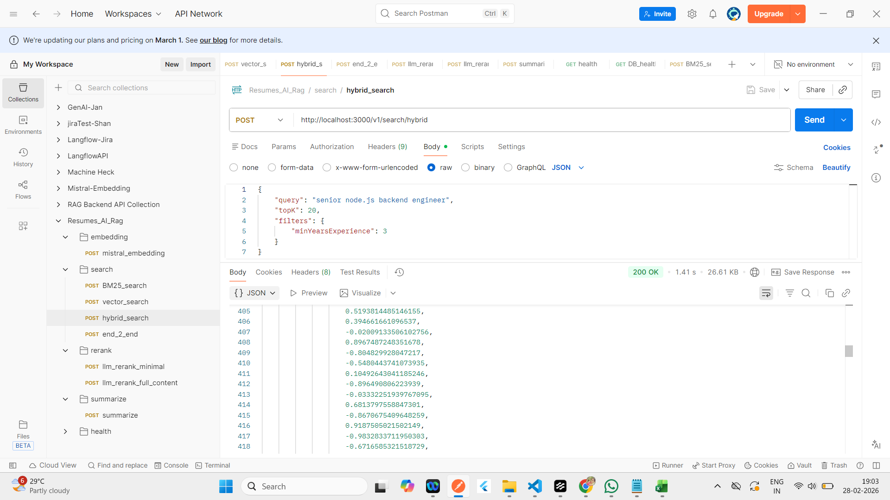
 | {
 | "results": {
 | "bm25": [
 | {
 | "_id": "69a2dbc22dda669f28b71de9",
 | "text": "Full stack Node.js engineer with experience in Express, MongoDB, and distributed systems. Skilled in backend development, APIs, and cloud deployments.",
 | "name": "Jane Doe",
 | "email": "jane.doe@example.com",
 | "phone": null,
 | "location": "Remote",
 | "company": "Acme Corp",
 | "role": "Senior Node.js Engineer",
 | "education": "B.S. Computer Science",
 | "total_Experience": 6,
 | "relevant_Experience": 5,
 | "skills": [
 | "Node.js",
 | "Express",
 | "MongoDB",
 | "Docker",
 | "Kubernetes",
 | "TypeScript"
 | ],
 | "embedding": [
 | -0.7994613013694671,
 | -0.4456344892842775,
 | 0.9833815847484817,
 | -0.22741415845868507,
 | 0.7774732913303826,
 | 0.8631893265673867,
 | -0.390986627291652,
 | 0.8632353762777605,
 | -0.8521018609991534,
 | 0.5885513186428117,
 | 0.09470102309591621,
 | -0.3921824166067369,
 | 0.4332698437928384,
 | -0.015487437838569207,
 | -0.6761269824756605,
 | -0.5178398866015114,
 | 0.6752437310468506,
 | -0.28011105285960036,
 | -0.5430361189746848,
 | 0.8119853650713305,
 | -0.07901314438297724,
 | -0.9698997894231928,
 | -0.049088732118040546,
 | -0.07363255672939883,
 | -0.818372039082081,
 | -0.3326559181634001,
 | 0.1834050028546259,
 | -0.9927743254212603,
 | 0.1308257996874922,
 | 0.5217871683467616,
 | -0.8244772818462172,
 | -0.5821050367276428,
 | -0.029112559517173175,
 | -0.7709960606347295,
 | 0.4239868576228587,
 | -0.8222911725338296,
 | 0.020736555340871377,
 | 0.5215116794038359,
 | -0.8565467171968303,
 | -0.05449359096924156,
 | 0.9380629854132567,
 | -0.0105523120170814,
 | 0.11217197289508118,
 | 0.336975762466196,
 | 0.19977131281042726,
 | 0.03393153916903113,
 | 0.10070659804640036,
 | 0.4894922970536846,
 | -0.7151790693670462,
 | -0.9515070565863296,
 | -0.11539200439941888,
 | -0.2968618779668728,
 | 0.371295416115619,
 | 0.7728381803661675,
 | -0.4465276355497836,
 | -0.7275570243894023,
 | -0.6144795971024967,
 | 0.7741884281333042,
 | 0.9967998578205703,
 | -0.21817861618897383,
 | -0.3354167764390392,
 | 0.1690976990314894,
 | -0.43901200905419235,
 | 0.2648639211582169,
 | -0.479561127135428,
 | -0.3723445365606678,
 | 0.4089561801890276,
 | 0.23980342253106723,
 | 0.9314735526990783,
 | -0.3020127991451912,
 | -0.8507981155651617,
 | -0.2361947212452522,
 | 0.36655165333453366,
 | 0.4864064709950253,
 | -0.24314027820786932,
 | -0.045927757175156736,
 | 0.879095526383979,
 | 0.8220023200432776,
 | -0.30630244857312705,
 | -0.12204855846288809,
 | 0.40086749740896455,
 | 0.3719061504518395,
 | -0.08801344993710836,
 | -0.044034728557810876,
 | 0.6601341202995121,
 | 0.329585167888921,
 | -0.06392717479353938,
 | -0.45725167809455924,
 | 0.8208216693766466,
 | -0.23394857189477158,
 | -0.0617979357628613,
 | 0.24633841664677925,
 | -0.002682859311504915,
 | 0.6430758050743202,
 | 0.334552922596818,
 | -0.7350049102061905,
 | -0.8105037188647557,
 | 0.16588594279389035,
 | -0.41510749128998903,
 | 0.36517070777834637,
 | -0.2221520788087864,
 | -0.8436805945457146,
 | 0.5338596057924114,
 | 0.9172371555858378,
 | -0.4728401548864414,
 | 0.9239591378541567,
 | 0.2160194747187243,
 | -0.7079808520404578,
 | -0.7686145477389486,
 | -0.4373180077963783,
 | -0.6502354288590688,
 | -0.4895275247957389,
 | -0.6610198760547256,
 | 0.9763184967395659,
 | -0.1930133959262197,
 | 0.4826738432707902,
 | -0.9191186767814492,
 | -0.39066676734729366,
 | 0.25449821568431763,
 | -0.4268806049197169,
 | 0.9598878193553275,
 | -0.05706566224272025,
 | -0.19729409068759862,
 | -0.8150639263482448,
 | -0.14265278893119027,
 | -0.2733127286828385,
 | -0.7031763493323644,
 | -0.8353591211688144,
 | -0.7022254773653638,
 | 0.34733108229640197,
 | 0.8201681775553544,
 | 0.08120857064640341,
 | -0.3991290320174603,
 | 0.30608043384414185,
 | -0.21018044818429749,
 | 0.7941112340879886,
 | -0.4720738873519176,
 | -0.9409961495411108,
 | 0.19226764542801944,
 | 0.8400861289911172,
 | 0.26365743979431167,
 | -0.021746936492097357,
 | 0.27031649166492655,
 | -0.667436968457754,
 | 0.8008273462301183,
 | -0.9037760179265812,
 | 0.76004904177041,
 | 0.5362401212417149,
 | -0.61763081318178,
 | 0.7898155096428972,
 | 0.7605031080917695,
 | -0.19684319225997737,
 | -0.28157311661205564,
 | -0.6374723156070039,
 | -0.6103894583905092,
 | 0.7043166709375375,
 | -0.3857567900292941,
 | -0.03269477631726647,
 | 0.41850952604285196,
 | 0.6389689253733886,
 | -0.618588276584304,
 | -0.9060112759252105,
 | -0.5243951109061937,
 | 0.5685698714965419,
 | 0.2165432845280839,
 | 0.7009290656309874,
 | 0.5271548949012428,
 | 0.3332331202303136,
 | 0.20409960653728332,
 | 0.20540431216484967,
 | -0.4678885488463306,
 | 0.3230937461655339,
 | -0.1461547122211556,
 | 0.3132653658542004,
 | 0.6938537898691961,
 | -0.9259727392173309,
 | 0.9358205548338174,
 | 0.6174823133315617,
 | 0.4949060565547334,
 | -0.7074286168691304,
 | -0.5084665463092892,
 | 0.9084631898227296,
 | -0.033552791232604684,
 | 0.43231682466164156,
 | -0.5477333882701894,
 | -0.9750341228151308,
 | -0.09185597139686719,
 | -0.11757655793744526,
 | -0.9379338454310628,
 | 0.7680565225351734,
 | 0.8301309202402203,
 | -0.010517873570909275,
 | -0.689186152464055,
 | -0.5688260815965073,
 | -0.841087141968563,
 | -0.1233734798439251,
 | 0.8741031163078974,
 | -0.6121206045178977,
 | 0.7861971873292228,
 | -0.4733927462886537,
 | 0.27654912911275153,
 | 0.32755724231888483,
 | 0.35828328862746317,
 | -0.05358417263570803,
 | -0.4626682823204129,
 | -0.8626626338489966,
 | 0.49168976198222714,
 | -0.3152944937616806,
 | 0.1776933100022593,
 | -0.9098221203102316,
 | 0.8673583464388173,
 | 0.689039242381472,
 | -0.3744360053386623,
 | 0.8885736292899991,
 | -0.4867596210648212,
 | -0.5204189101980112,
 | -0.16353168645024574,
 | 0.42591937524870027,
 | 0.8473974642919837,
 | 0.05243716227180251,
 | 0.14902721139346875,
 | 0.6269990949954369,
 | 0.8608443024244263,
 | 0.4457575272409613,
 | -0.7587967677411616,
 | 0.6228355354682624,
 | -0.32479132277071276,
 | 0.6249053710198276,
 | -0.5906035694271801,
 | -0.5977547032753365,
 | 0.7214750660866207,
 | -0.3747763827850056,
 | 0.9200463187694656,
 | 0.004766309867791474,
 | 0.3447015516796852,
 | -0.10167104124596138,
 | -0.19804983381136554,
 | -0.3942916550194593,
 | -0.2405983803888313,
 | 0.12426822751859867,
 | -0.1912125417010888,
 | -0.5029915435013808,
 | 0.18350803972769247,
 | -0.7895397934572631,
 | -0.5014869765149166,
 | -0.5646868551999067,
 | 0.18005256242585665,
 | 0.6388079066851196,
 | 0.403097085050097,
 | -0.1810695135921867,
 | 0.9925865908136093,
 | 0.9028492029530111,
 | 0.6533690261778815,
 | 0.9220151724112255,
 | 0.9614011528811885,
 | 0.4481202474441659
 | ],
 | "score": 6.125
 | },
 | {
 | "_id": "69a2cd579024159033fd55d1",
 | "text": "Senior Node.js backend engineer with MongoDB experience",
 | "embedding": [],
 | "name": "Test",
 | "email": "t@example.com",
 | "phone": null,
 | "location": "",
 | "company": "",
 | "role": "",
 | "education": "",
 | "total_Experience": 5,
 | "relevant_Experience": 5,
 | "skills": [],
 | "score": 2.8571428571428568
 | },
 | {
 | "_id": "69a2cd5a436453141693927e",
 | "text": "Experienced Node.js developer",
 | "embedding": [
 | -0.9131682151726372,
 | 0.9238070384421868,
 | 0.7833517430777084,
 | 0.10762192101860935,
 | 0.7245410950213067,
 | 0.9961237707166288,
 | 0.9979093717406293,
 | 0.22780623874343142,
 | -0.7114423685035302,
 | 0.03888866376105904,
 | -0.21083362382157556,
 | -0.5936563651994002,
 | 0.15303304864862777,
 | -0.16759357675155473,
 | 0.24092502641513125,
 | -0.8252761475335053,
 | -0.8642296380978612,
 | 0.13741106426748706,
 | 0.5664857024248888,
 | 0.769039702082295,
 | 0.5107907237277345,
 | 0.024442957952721667,
 | -0.6178085123230257,
 | 0.5234781870440297,
 | 0.7242682999289287,
 | 0.2117161814150672,
 | 0.6920864441646464,
 | -0.7117224092855403,
 | -0.14042589234663772,
 | -0.1959701942270552,
 | -0.5113155822063133,
 | 0.1402204495715491,
 | -0.9849487706052485,
 | -0.36380365196704023,
 | -0.6905962465541895,
 | 0.3642926424192947,
 | 0.6150139564683228,
 | -0.7926382510440048,
 | -0.4927413844253732,
 | 0.006497861120500215,
 | 0.4355763982598615,
 | 0.12114780515459089,
 | -0.3529050027376285,
 | 0.007985403530296198,
 | 0.47909089165718544,
 | -0.667538510558088,
 | 0.7192483594918737,
 | -0.9477989030880385,
 | -0.800472845742589,
 | -0.9376723463501949,
 | 0.7107504721988809,
 | 0.5180470001692994,
 | -0.8372552538843023,
 | -0.343799089394463,
 | -0.12176577307324987,
 | 0.31748531370365174,
 | 0.44441573122619094,
 | 0.019305124650547567,
 | 0.031153329888161663,
 | -0.6050512654718596,
 | -0.13647520801436042,
 | 0.3341885612658664,
 | 0.8072998192643979,
 | 0.6891101197547069,
 | -0.4035165639136724,
 | 0.40427771895292164,
 | -0.35544207444308373,
 | -0.1996092380023583,
 | -0.7501658773399345,
 | 0.8801527549233643,
 | 0.2457000928106019,
 | -0.08459530470068455,
 | -0.4714052522255585,
 | 0.6402267179545542,
 | -0.0456866019046136,
 | -0.7121921469718665,
 | 0.8702770163934392,
 | -0.3230704943004694,
 | 0.4299148706323268,
 | -0.08743627161892042,
 | 0.47573299228114374,
 | 0.9695507581274843,
 | 0.594047174228832,
 | 0.07171302034326676,
 | 0.013409850423552472,
 | 0.9808321590490714,
 | 0.12528797824058868,
 | -0.9831360415516273,
 | -0.6205209469470476,
 | -0.13694922792188569,
 | -0.2083869383689917,
 | 0.9058150625568384,
 | -0.4390502174941474,
 | 0.681991911884861,
 | -0.45848922092898037,
 | -0.8829371682095661,
 | -0.968168432351241,
 | 0.730768342905391,
 | -0.8578875679191872,
 | 0.4255611690286456,
 | -0.44442174477605656,
 | 0.5193814485146155,
 | 0.394661661096537,
 | -0.02009133506102756,
 | 0.8967487248351678,
 | -0.804829928047217,
 | -0.5480443741073935,
 | 0.10492643041185246,
 | -0.896490806223939,
 | -0.03332251939767095,
 | 0.6813797558847301,
 | -0.8670675409648259,
 | 0.9187505021502149,
 | -0.9832833711950303,
 | -0.6716585321518729,
 | 0.6828202921158681,
 | -0.1228628696694185,
 | 0.29919877259507754,
 | -0.0024304378317739905,
 | 0.8922392553398943,
 | 0.4799137961771138,
 | 0.8131430190552824,
 | -0.9935661097973506,
 | -0.895218656839621,
 | -0.17956940065593674,
 | -0.43410723177578936,
 | -0.8556071649900654,
 | 0.8153951577412419,
 | -0.4916739178569228,
 | -0.6758910165345042,
 | -0.8221346609811612,
 | -0.14465912411563542,
 | 0.05204464147147836,
 | 0.8060405915151445,
 | 0.6427552792343207,
 | -0.7854955419398602,
 | -0.135897089060372,
 | -0.3590479552184809,
 | 0.19135917797483493,
 | 0.10613152969305673,
 | -0.3210023369921843,
 | -0.5972562147298027,
 | 0.12220904257199927,
 | 0.5413839140770453,
 | 0.33885683057337457,
 | 0.14027430143679354,
 | -0.5654032266618225,
 | 0.3742281308803308,
 | -0.36104213198671165,
 | -0.5052640436927938,
 | 0.35470827374484126,
 | 0.38819805565015364,
 | -0.141635210519106,
 | 0.2210307315040918,
 | 0.3921127387769783,
 | 0.8446035193848898,
 | 0.6156819345466051,
 | -0.15775832188263494,
 | 0.10461009505777863,
 | -0.633608704347538,
 | 0.848602314444399,
 | 0.24899040377908155,
 | -0.8531724190928909,
 | 0.6279019791697855,
 | -0.19492077529312124,
 | -0.4667524247120024,
 | -0.6136035555074,
 | -0.11807227859228675,
 | -0.9102713623806534,
 | -0.916009319460953,
 | 0.06099840045464178,
 | 0.07651069319725745,
 | 0.4626542854734357,
 | 0.6393136511648339,
 | -0.32868218033776664,
 | 0.31021653053122966,
 | -0.4378866063053456,
 | 0.00494880904558781,
 | -0.06540279534305515,
 | -0.7983208004846984,
 | -0.3845158609059909,
 | -0.6358377960593993,
 | -0.8644053884466192,
 | 0.9322644206537549,
 | -0.36825557038380197,
 | 0.8358908933205276,
 | 0.23590362426729494,
 | -0.449166693596441,
 | -0.10455797405553935,
 | 0.9589426410288882,
 | 0.9918636726196537,
 | -0.9840941824913244,
 | 0.3433975231236306,
 | 0.18588238795890533,
 | 0.5675761395989862,
 | -0.4989315912823499,
 | -0.6418578325868254,
 | -0.8954671700241666,
 | 0.6906820767770248,
 | 0.5707902418381512,
 | 0.018137503652399856,
 | 0.6501828319509939,
 | -0.3627656896977606,
 | 0.845891036523015,
 | -0.9937855945885613,
 | 0.7902324725385366,
 | 0.6474744103959469,
 | -0.4622969756513594,
 | -0.005273720483592204,
 | -0.6219841729900764,
 | -0.6547557789959841,
 | -0.1456016071945433,
 | 0.8724399567284715,
 | 0.8320598709006002,
 | -0.21255484624126808,
 | 0.24516987503626608,
 | 0.2775715694943377,
 | 0.7643934660042622,
 | 0.46163514150810325,
 | -0.10373653962829532,
 | -0.5729785988975732,
 | -0.03678965452983729,
 | 0.4164467936885652,
 | -0.2886369757560634,
 | -0.47887789445903106,
 | -0.8408802472615802,
 | -0.04414517829291176,
 | 0.6446102698437428,
 | 0.08958921653441831,
 | 0.4051297938928775,
 | 0.10751498982019614,
 | -0.24684543424445327,
 | 0.9912467449883109,
 | 0.4237857659868398,
 | 0.6315347700453211,
 | 0.06532934938215873,
 | 0.5954048520874708,
 | -0.16939352340283653,
 | -0.41445338339881355,
 | 0.4264768668046399,
 | 0.12613815002286288,
 | -0.8742546164137904,
 | 0.3471467479474719,
 | 0.998445222619559,
 | 0.13708398284788337,
 | -0.99075529631012,
 | -0.4848393768735322,
 | -0.4617697939886175,
 | 0.3115366732961351,
 | 0.8289674408335628,
 | 0.3877562008303954,
 | -0.489318016797611,
 | 0.38798537510167463,
 | 0.3776548056345561,
 | 0.22802966349479492,
 | -0.08980088194129077
 | ],
 | "score": 1.25
 | },
 | {
 | "_id": "69a2cc0c8e4ae3046925983a",
 | "text": "Experienced Node.js developer",
 | "embedding": [
 | -0.9131682151726372,
 | 0.9238070384421868,
 | 0.7833517430777084,
 | 0.10762192101860935,
 | 0.7245410950213067,
 | 0.9961237707166288,
 | 0.9979093717406293,
 | 0.22780623874343142,
 | -0.7114423685035302,
 | 0.03888866376105904,
 | -0.21083362382157556,
 | -0.5936563651994002,
 | 0.15303304864862777,
 | -0.16759357675155473,
 | 0.24092502641513125,
 | -0.8252761475335053,
 | -0.8642296380978612,
 | 0.13741106426748706,
 | 0.5664857024248888,
 | 0.769039702082295,
 | 0.5107907237277345,
 | 0.024442957952721667,
 | -0.6178085123230257,
 | 0.5234781870440297,
 | 0.7242682999289287,
 | 0.2117161814150672,
 | 0.6920864441646464,
 | -0.7117224092855403,
 | -0.14042589234663772,
 | -0.1959701942270552,
 | -0.5113155822063133,
 | 0.1402204495715491,
 | -0.9849487706052485,
 | -0.36380365196704023,
 | -0.6905962465541895,
 | 0.3642926424192947,
 | 0.6150139564683228,
 | -0.7926382510440048,
 | -0.4927413844253732,
 | 0.006497861120500215,
 | 0.4355763982598615,
 | 0.12114780515459089,
 | -0.3529050027376285,
 | 0.007985403530296198,
 | 0.47909089165718544,
 | -0.667538510558088,
 | 0.7192483594918737,
 | -0.9477989030880385,
 | -0.800472845742589,
 | -0.9376723463501949,
 | 0.7107504721988809,
 | 0.5180470001692994,
 | -0.8372552538843023,
 | -0.343799089394463,
 | -0.12176577307324987,
 | 0.31748531370365174,
 | 0.44441573122619094,
 | 0.019305124650547567,
 | 0.031153329888161663,
 | -0.6050512654718596,
 | -0.13647520801436042,
 | 0.3341885612658664,
 | 0.8072998192643979,
 | 0.6891101197547069,
 | -0.4035165639136724,
 | 0.40427771895292164,
 | -0.35544207444308373,
 | -0.1996092380023583,
 | -0.7501658773399345,
 | 0.8801527549233643,
 | 0.2457000928106019,
 | -0.08459530470068455,
 | -0.4714052522255585,
 | 0.6402267179545542,
 | -0.0456866019046136,
 | -0.7121921469718665,
 | 0.8702770163934392,
 | -0.3230704943004694,
 | 0.4299148706323268,
 | -0.08743627161892042,
 | 0.47573299228114374,
 | 0.9695507581274843,
 | 0.594047174228832,
 | 0.07171302034326676,
 | 0.013409850423552472,
 | 0.9808321590490714,
 | 0.12528797824058868,
 | -0.9831360415516273,
 | -0.6205209469470476,
 | -0.13694922792188569,
 | -0.2083869383689917,
 | 0.9058150625568384,
 | -0.4390502174941474,
 | 0.681991911884861,
 | -0.45848922092898037,
 | -0.8829371682095661,
 | -0.968168432351241,
 | 0.730768342905391,
 | -0.8578875679191872,
 | 0.4255611690286456,
 | -0.44442174477605656,
 | 0.5193814485146155,
 | 0.394661661096537,
 | -0.02009133506102756,
 | 0.8967487248351678,
 | -0.804829928047217,
 | -0.5480443741073935,
 | 0.10492643041185246,
 | -0.896490806223939,
 | -0.03332251939767095,
 | 0.6813797558847301,
 | -0.8670675409648259,
 | 0.9187505021502149,
 | -0.9832833711950303,
 | -0.6716585321518729,
 | 0.6828202921158681,
 | -0.1228628696694185,
 | 0.29919877259507754,
 | -0.0024304378317739905,
 | 0.8922392553398943,
 | 0.4799137961771138,
 | 0.8131430190552824,
 | -0.9935661097973506,
 | -0.895218656839621,
 | -0.17956940065593674,
 | -0.43410723177578936,
 | -0.8556071649900654,
 | 0.8153951577412419,
 | -0.4916739178569228,
 | -0.6758910165345042,
 | -0.8221346609811612,
 | -0.14465912411563542,
 | 0.05204464147147836,
 | 0.8060405915151445,
 | 0.6427552792343207,
 | -0.7854955419398602,
 | -0.135897089060372,
 | -0.3590479552184809,
 | 0.19135917797483493,
 | 0.10613152969305673,
 | -0.3210023369921843,
 | -0.5972562147298027,
 | 0.12220904257199927,
 | 0.5413839140770453,
 | 0.33885683057337457,
 | 0.14027430143679354,
 | -0.5654032266618225,
 | 0.3742281308803308,
 | -0.36104213198671165,
 | -0.5052640436927938,
 | 0.35470827374484126,
 | 0.38819805565015364,
 | -0.141635210519106,
 | 0.2210307315040918,
 | 0.3921127387769783,
 | 0.8446035193848898,
 | 0.6156819345466051,
 | -0.15775832188263494,
 | 0.10461009505777863,
 | -0.633608704347538,
 | 0.848602314444399,
 | 0.24899040377908155,
 | -0.8531724190928909,
 | 0.6279019791697855,
 | -0.19492077529312124,
 | -0.4667524247120024,
 | -0.6136035555074,
 | -0.11807227859228675,
 | -0.9102713623806534,
 | -0.916009319460953,
 | 0.06099840045464178,
 | 0.07651069319725745,
 | 0.4626542854734357,
 | 0.6393136511648339,
 | -0.32868218033776664,
 | 0.31021653053122966,
 | -0.4378866063053456,
 | 0.00494880904558781,
 | -0.06540279534305515,
 | -0.7983208004846984,
 | -0.3845158609059909,
 | -0.6358377960593993,
 | -0.8644053884466192,
 | 0.9322644206537549,
 | -0.36825557038380197,
 | 0.8358908933205276,
 | 0.23590362426729494,
 | -0.449166693596441,
 | -0.10455797405553935,
 | 0.9589426410288882,
 | 0.9918636726196537,
 | -0.9840941824913244,
 | 0.3433975231236306,
 | 0.18588238795890533,
 | 0.5675761395989862,
 | -0.4989315912823499,
 | -0.6418578325868254,
 | -0.8954671700241666,
 | 0.6906820767770248,
 | 0.5707902418381512,
 | 0.018137503652399856,
 | 0.6501828319509939,
 | -0.3627656896977606,
 | 0.845891036523015,
 | -0.9937855945885613,
 | 0.7902324725385366,
 | 0.6474744103959469,
 | -0.4622969756513594,
 | -0.005273720483592204,
 | -0.6219841729900764,
 | -0.6547557789959841,
 | -0.1456016071945433,
 | 0.8724399567284715,
 | 0.8320598709006002,
 | -0.21255484624126808,
 | 0.24516987503626608,
 | 0.2775715694943377,
 | 0.7643934660042622,
 | 0.46163514150810325,
 | -0.10373653962829532,
 | -0.5729785988975732,
 | -0.03678965452983729,
 | 0.4164467936885652,
 | -0.2886369757560634,
 | -0.47887789445903106,
 | -0.8408802472615802,
 | -0.04414517829291176,
 | 0.6446102698437428,
 | 0.08958921653441831,
 | 0.4051297938928775,
 | 0.10751498982019614,
 | -0.24684543424445327,
 | 0.9912467449883109,
 | 0.4237857659868398,
 | 0.6315347700453211,
 | 0.06532934938215873,
 | 0.5954048520874708,
 | -0.16939352340283653,
 | -0.41445338339881355,
 | 0.4264768668046399,
 | 0.12613815002286288,
 | -0.8742546164137904,
 | 0.3471467479474719,
 | 0.998445222619559,
 | 0.13708398284788337,
 | -0.99075529631012,
 | -0.4848393768735322,
 | -0.4617697939886175,
 | 0.3115366732961351,
 | 0.8289674408335628,
 | 0.3877562008303954,
 | -0.489318016797611,
 | 0.38798537510167463,
 | 0.3776548056345561,
 | 0.22802966349479492,
 | -0.08980088194129077
 | ],
 | "score": 1.25
 | },
 | {
 | "_id": "69a2caa774a49100119e78f7",
 | "text": "Experienced Node.js developer",
 | "embedding": [
 | -0.9131682151726372,
 | 0.9238070384421868,
 | 0.7833517430777084,
 | 0.10762192101860935,
 | 0.7245410950213067,
 | 0.9961237707166288,
 | 0.9979093717406293,
 | 0.22780623874343142,
 | -0.7114423685035302,
 | 0.03888866376105904,
 | -0.21083362382157556,
 | -0.5936563651994002,
 | 0.15303304864862777,
 | -0.16759357675155473,
 | 0.24092502641513125,
 | -0.8252761475335053,
 | -0.8642296380978612,
 | 0.13741106426748706,
 | 0.5664857024248888,
 | 0.769039702082295,
 | 0.5107907237277345,
 | 0.024442957952721667,
 | -0.6178085123230257,
 | 0.5234781870440297,
 | 0.7242682999289287,
 | 0.2117161814150672,
 | 0.6920864441646464,
 | -0.7117224092855403,
 | -0.14042589234663772,
 | -0.1959701942270552,
 | -0.5113155822063133,
 | 0.1402204495715491,
 | -0.9849487706052485,
 | -0.36380365196704023,
 | -0.6905962465541895,
 | 0.3642926424192947,
 | 0.6150139564683228,
 | -0.7926382510440048,
 | -0.4927413844253732,
 | 0.006497861120500215,
 | 0.4355763982598615,
 | 0.12114780515459089,
 | -0.3529050027376285,
 | 0.007985403530296198,
 | 0.47909089165718544,
 | -0.667538510558088,
 | 0.7192483594918737,
 | -0.9477989030880385,
 | -0.800472845742589,
 | -0.9376723463501949,
 | 0.7107504721988809,
 | 0.5180470001692994,
 | -0.8372552538843023,
 | -0.343799089394463,
 | -0.12176577307324987,
 | 0.31748531370365174,
 | 0.44441573122619094,
 | 0.019305124650547567,
 | 0.031153329888161663,
 | -0.6050512654718596,
 | -0.13647520801436042,
 | 0.3341885612658664,
 | 0.8072998192643979,
 | 0.6891101197547069,
 | -0.4035165639136724,
 | 0.40427771895292164,
 | -0.35544207444308373,
 | -0.1996092380023583,
 | -0.7501658773399345,
 | 0.8801527549233643,
 | 0.2457000928106019,
 | -0.08459530470068455,
 | -0.4714052522255585,
 | 0.6402267179545542,
 | -0.0456866019046136,
 | -0.7121921469718665,
 | 0.8702770163934392,
 | -0.3230704943004694,
 | 0.4299148706323268,
 | -0.08743627161892042,
 | 0.47573299228114374,
 | 0.9695507581274843,
 | 0.594047174228832,
 | 0.07171302034326676,
 | 0.013409850423552472,
 | 0.9808321590490714,
 | 0.12528797824058868,
 | -0.9831360415516273,
 | -0.6205209469470476,
 | -0.13694922792188569,
 | -0.2083869383689917,
 | 0.9058150625568384,
 | -0.4390502174941474,
 | 0.681991911884861,
 | -0.45848922092898037,
 | -0.8829371682095661,
 | -0.968168432351241,
 | 0.730768342905391,
 | -0.8578875679191872,
 | 0.4255611690286456,
 | -0.44442174477605656,
 | 0.5193814485146155,
 | 0.394661661096537,
 | -0.02009133506102756,
 | 0.8967487248351678,
 | -0.804829928047217,
 | -0.5480443741073935,
 | 0.10492643041185246,
 | -0.896490806223939,
 | -0.03332251939767095,
 | 0.6813797558847301,
 | -0.8670675409648259,
 | 0.9187505021502149,
 | -0.9832833711950303,
 | -0.6716585321518729,
 | 0.6828202921158681,
 | -0.1228628696694185,
 | 0.29919877259507754,
 | -0.0024304378317739905,
 | 0.8922392553398943,
 | 0.4799137961771138,
 | 0.8131430190552824,
 | -0.9935661097973506,
 | -0.895218656839621,
 | -0.17956940065593674,
 | -0.43410723177578936,
 | -0.8556071649900654,
 | 0.8153951577412419,
 | -0.4916739178569228,
 | -0.6758910165345042,
 | -0.8221346609811612,
 | -0.14465912411563542,
 | 0.05204464147147836,
 | 0.8060405915151445,
 | 0.6427552792343207,
 | -0.7854955419398602,
 | -0.135897089060372,
 | -0.3590479552184809,
 | 0.19135917797483493,
 | 0.10613152969305673,
 | -0.3210023369921843,
 | -0.5972562147298027,
 | 0.12220904257199927,
 | 0.5413839140770453,
 | 0.33885683057337457,
 | 0.14027430143679354,
 | -0.5654032266618225,
 | 0.3742281308803308,
 | -0.36104213198671165,
 | -0.5052640436927938,
 | 0.35470827374484126,
 | 0.38819805565015364,
 | -0.141635210519106,
 | 0.2210307315040918,
 | 0.3921127387769783,
 | 0.8446035193848898,
 | 0.6156819345466051,
 | -0.15775832188263494,
 | 0.10461009505777863,
 | -0.633608704347538,
 | 0.848602314444399,
 | 0.24899040377908155,
 | -0.8531724190928909,
 | 0.6279019791697855,
 | -0.19492077529312124,
 | -0.4667524247120024,
 | -0.6136035555074,
 | -0.11807227859228675,
 | -0.9102713623806534,
 | -0.916009319460953,
 | 0.06099840045464178,
 | 0.07651069319725745,
 | 0.4626542854734357,
 | 0.6393136511648339,
 | -0.32868218033776664,
 | 0.31021653053122966,
 | -0.4378866063053456,
 | 0.00494880904558781,
 | -0.06540279534305515,
 | -0.7983208004846984,
 | -0.3845158609059909,
 | -0.6358377960593993,
 | -0.8644053884466192,
 | 0.9322644206537549,
 | -0.36825557038380197,
 | 0.8358908933205276,
 | 0.23590362426729494,
 | -0.449166693596441,
 | -0.10455797405553935,
 | 0.9589426410288882,
 | 0.9918636726196537,
 | -0.9840941824913244,
 | 0.3433975231236306,
 | 0.18588238795890533,
 | 0.5675761395989862,
 | -0.4989315912823499,
 | -0.6418578325868254,
 | -0.8954671700241666,
 | 0.6906820767770248,
 | 0.5707902418381512,
 | 0.018137503652399856,
 | 0.6501828319509939,
 | -0.3627656896977606,
 | 0.845891036523015,
 | -0.9937855945885613,
 | 0.7902324725385366,
 | 0.6474744103959469,
 | -0.4622969756513594,
 | -0.005273720483592204,
 | -0.6219841729900764,
 | -0.6547557789959841,
 | -0.1456016071945433,
 | 0.8724399567284715,
 | 0.8320598709006002,
 | -0.21255484624126808,
 | 0.24516987503626608,
 | 0.2775715694943377,
 | 0.7643934660042622,
 | 0.46163514150810325,
 | -0.10373653962829532,
 | -0.5729785988975732,
 | -0.03678965452983729,
 | 0.4164467936885652,
 | -0.2886369757560634,
 | -0.47887789445903106,
 | -0.8408802472615802,
 | -0.04414517829291176,
 | 0.6446102698437428,
 | 0.08958921653441831,
 | 0.4051297938928775,
 | 0.10751498982019614,
 | -0.24684543424445327,
 | 0.9912467449883109,
 | 0.4237857659868398,
 | 0.6315347700453211,
 | 0.06532934938215873,
 | 0.5954048520874708,
 | -0.16939352340283653,
 | -0.41445338339881355,
 | 0.4264768668046399,
 | 0.12613815002286288,
 | -0.8742546164137904,
 | 0.3471467479474719,
 | 0.998445222619559,
 | 0.13708398284788337,
 | -0.99075529631012,
 | -0.4848393768735322,
 | -0.4617697939886175,
 | 0.3115366732961351,
 | 0.8289674408335628,
 | 0.3877562008303954,
 | -0.489318016797611,
 | 0.38798537510167463,
 | 0.3776548056345561,
 | 0.22802966349479492,
 | -0.08980088194129077
 | ],
 | "score": 1.25
 | }
 | ],
 | "vector": [
 | {
 | "_id": "69a2dbc22dda669f28b71de9",
 | "text": "Full stack Node.js engineer with experience in Express, MongoDB, and distributed systems. Skilled in backend development, APIs, and cloud deployments.",
 | "name": "Jane Doe",
 | "email": "jane.doe@example.com",
 | "phone": null,
 | "location": "Remote",
 | "company": "Acme Corp",
 | "role": "Senior Node.js Engineer",
 | "education": "B.S. Computer Science",
 | "total_Experience": 6,
 | "relevant_Experience": 5,
 | "skills": [
 | "Node.js",
 | "Express",
 | "MongoDB",
 | "Docker",
 | "Kubernetes",
 | "TypeScript"
 | ],
 | "embedding": [
 | -0.7994613013694671,
 | -0.4456344892842775,
 | 0.9833815847484817,
 | -0.22741415845868507,
 | 0.7774732913303826,
 | 0.8631893265673867,
 | -0.390986627291652,
 | 0.8632353762777605,
 | -0.8521018609991534,
 | 0.5885513186428117,
 | 0.09470102309591621,
 | -0.3921824166067369,
 | 0.4332698437928384,
 | -0.015487437838569207,
 | -0.6761269824756605,
 | -0.5178398866015114,
 | 0.6752437310468506,
 | -0.28011105285960036,
 | -0.5430361189746848,
 | 0.8119853650713305,
 | -0.07901314438297724,
 | -0.9698997894231928,
 | -0.049088732118040546,
 | -0.07363255672939883,
 | -0.818372039082081,
 | -0.3326559181634001,
 | 0.1834050028546259,
 | -0.9927743254212603,
 | 0.1308257996874922,
 | 0.5217871683467616,
 | -0.8244772818462172,
 | -0.5821050367276428,
 | -0.029112559517173175,
 | -0.7709960606347295,
 | 0.4239868576228587,
 | -0.8222911725338296,
 | 0.020736555340871377,
 | 0.5215116794038359,
 | -0.8565467171968303,
 | -0.05449359096924156,
 | 0.9380629854132567,
 | -0.0105523120170814,
 | 0.11217197289508118,
 | 0.336975762466196,
 | 0.19977131281042726,
 | 0.03393153916903113,
 | 0.10070659804640036,
 | 0.4894922970536846,
 | -0.7151790693670462,
 | -0.9515070565863296,
 | -0.11539200439941888,
 | -0.2968618779668728,
 | 0.371295416115619,
 | 0.7728381803661675,
 | -0.4465276355497836,
 | -0.7275570243894023,
...

Rerank
ReRank | Response
llm_rerank_minimal

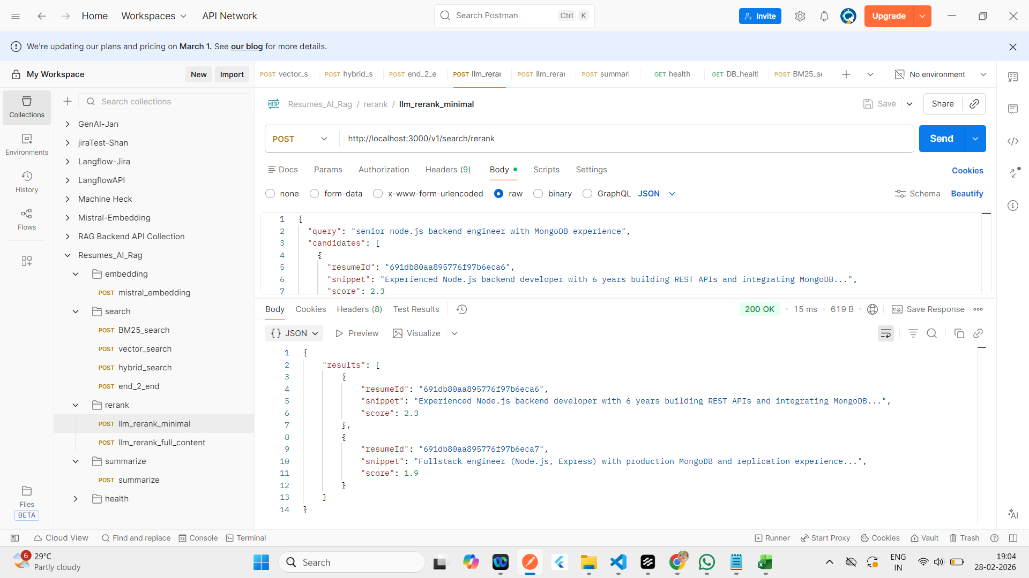
 | {
 | "results": [
 | {
 | "resumeId": "691db80aa895776f97b6eca6",
 | "snippet": "Experienced Node.js backend developer with 6 years building REST APIs and integrating MongoDB...",
 | "score": 2.3
 | },
 | {
 | "resumeId": "691db80aa895776f97b6eca7",
 | "snippet": "Fullstack engineer (Node.js, Express) with production MongoDB and replication experience...",
 | "score": 1.9
 | }
 | ]
 | }

llm_rerank_full_content

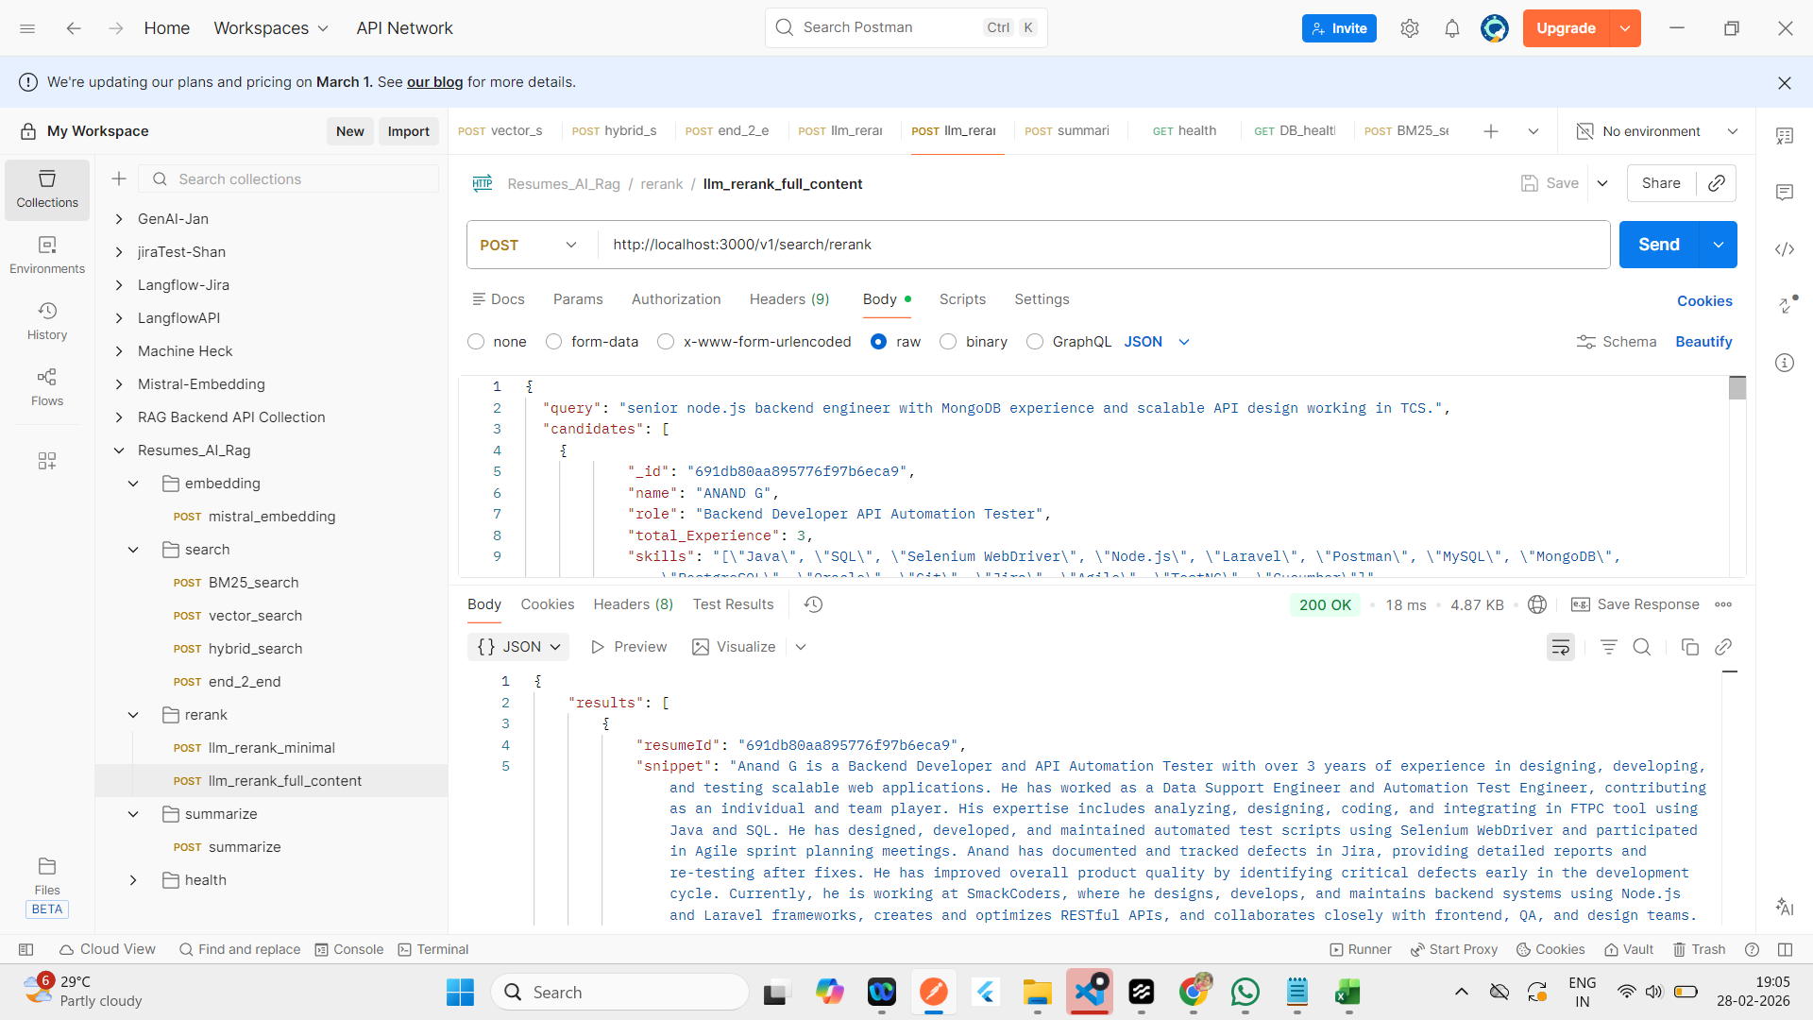
 | Response

 | {
 | "results": [
 | {
 | "resumeId": "691db80aa895776f97b6eca9",
 | "snippet": "Anand G is a Backend Developer and API Automation Tester with over 3 years of experience in designing, developing, and testing scalable web applications. He has worked as a Data Support Engineer and Automation Test Engineer, contributing as an individual and team player. His expertise includes analyzing, designing, coding, and integrating in FTPC tool using Java and SQL. He has designed, developed, and maintained automated test scripts using Selenium WebDriver and participated in Agile sprint planning meetings. Anand has documented and tracked defects in Jira, providing detailed reports and re-testing after fixes. He has improved overall product quality by identifying critical defects early in the development cycle. Currently, he is working at SmackCoders, where he designs, develops, and maintains backend systems using Node.js and Laravel frameworks, creates and optimizes RESTful APIs, and collaborates closely with frontend, QA, and design teams. Anand holds a Bachelor's Degree in Electronics and Communication Engineering.",
 | "score": 9.340643882751465
 | },
 | {
 | "resumeId": "691db80aa895776f97b6ecca",
 | "snippet": "Lakshmi G is a dynamic Test Manager and Certified Scrum Master with over 12 years of QA, testing, and project management experience in the IT industry. She has proven expertise in leading testing teams, managing client communications, driving Agile Scrum practices, and ensuring high-quality project delivery. Currently, she is leading QA and testing activities for a secured banking project at HCL Technologies, responsible for end-to-end test management and Scrum Master responsibilities. Her career began at Cognizant Technology Solutions, where she performed QA testing and proxy project management across multiple domains. Lakshmi holds a B.E. in Computer Science from Saranathan College of Engineering, Anna University, and is certified as a Scrum Master.",
 | "score": 5.976064682006836
 | },
 | {
 | "resumeId": "691db80aa895776f97b6ecce",
 | "snippet": "Harini S is a dynamic QA Engineer with over 3 years of experience in manual and automation testing. She has expertise in building and enhancing hybrid automation frameworks, functional and regression testing, and backend validation with SQL. Harini has worked at ITGalax Solution Pvt. Ltd. as a Software Tester where she designed and executed test strategies for multiple complex projects in Agile environments. She performed functional, regression, database, and cross-browser testing to ensure product quality. Harini built and maintained hybrid automation frameworks using Selenium, Java, TestNG, and Cucumber, and validated backend processes with advanced SQL queries for data accuracy. She collaborated with cross-functional teams, mentored new joiners, and supported UAT. Harini has been recognized for delivering high-quality releases and was awarded Best Employee in 2024. She holds an M.Sc. in Information Technology from Alagappa University.",
 | "score": 1.857539176940918
 | },
 | {
 | "resumeId": "691db80aa895776f97b6ecd2",
 | "snippet": "Gokul is a Senior Software Engineer with experience in manual and automation QA for mobile applications. He has worked on EcoStruxure Power Device and developed automated scripts for mobile application regression and functional testing using Python with Robot Framework. He has also performed functional testing, UI testing, and regression testing, and is involved in Agile ceremonies. Gokul has experience as a Senior Analyst at Allianz Technologies and as a Test Engineer at Speridian Technologies, where he worked on various testing methodologies and tools.",
 | "score": 1.4045263528823853
 | },
 | {
 | "resumeId": "691db80aa895776f97b6ecea",
 | "snippet": "Santhosh G. is a results-driven QA Engineer with over 7 years of experience in manual and automated testing, specializing in Playwright, Playwright API, performance, and functional testing across multiple environments. He has collaborated with product teams to translate business requirements into detailed test cases and specifications. At Aezion Pvt Ltd, he led the execution of test cases across different environments, ensuring comprehensive validation of web-based applications and backend systems. He spearheaded performance testing using JMeter, created and maintained automated test scripts using Selenium WebDriver, and managed defect lifecycle from identification to closure. Santhosh has also developed and executed detailed test cases for web and mobile applications at Muthu Soft Labs Pvt Ltd, ensuring thorough testing across multiple devices and platforms. He holds a B.E. in Electronics and Communication Engineering from Jeppiaar Institute of Engineering.",
 | "score": 1.393067479133606
 | }
 | ]
 | }

Summarize
Summarize
 | Response

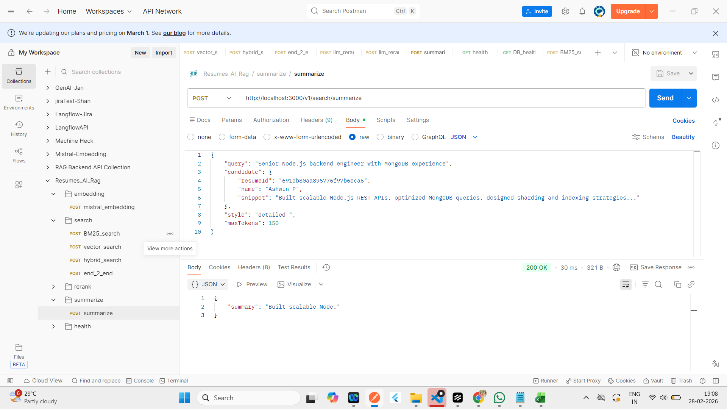
 | {
 | "summary": "Built scalable Node."
 | }

end_2_end
end_2_end | Response

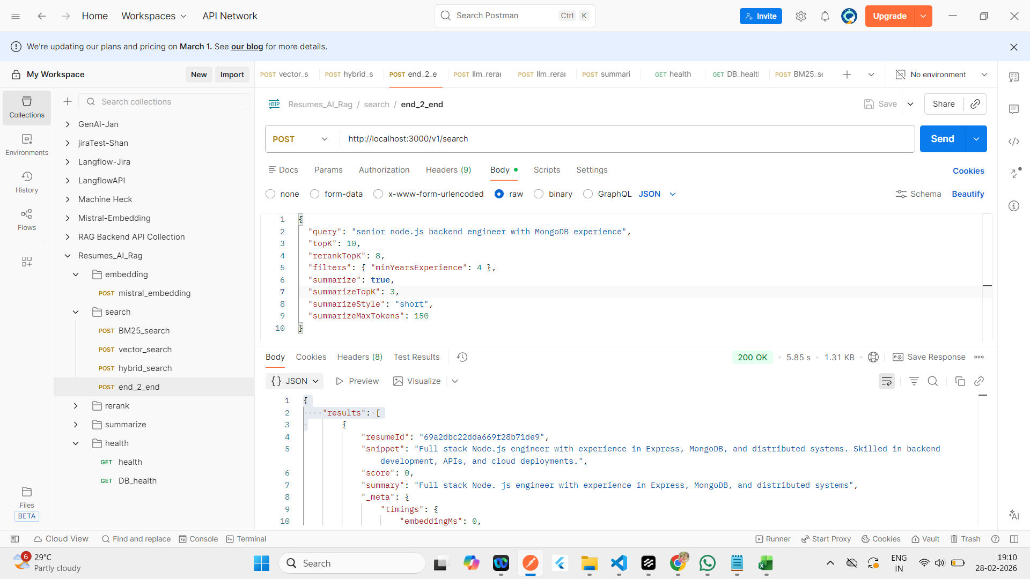
 | {
 | "results": [
 | {
 | "resumeId": "69a2dbc22dda669f28b71de9",
 | "snippet": "Full stack Node.js engineer with experience in Express, MongoDB, and distributed systems. Skilled in backend development, APIs, and cloud deployments.",
 | "score": 0,
 | "summary": "Full stack Node. js engineer with experience in Express, MongoDB, and distributed systems",
 | "_meta": {
 | "timings": {
 | "embeddingMs": 0,
 | "bm25Ms": 522,
 | "vectorMs": 522,
 | "rerankMs": 1096,
 | "summarizeMs": 3244
 | },
 | "totalMs": 4863,
 | "numCandidates": 5
 | }
 | },
 | {
 | "resumeId": "69a2cd579024159033fd55d1",
 | "snippet": "Senior Node.js backend engineer with MongoDB experience",
 | "score": 0,
 | "summary": "Senior Node. js backend engineer with MongoDB experience",
 | "_meta": {
 | "timings": {
 | "embeddingMs": 0,
 | "bm25Ms": 522,
 | "vectorMs": 522,
 | "rerankMs": 1096,
 | "summarizeMs": 3244
 | },
 | "totalMs": 4863,
 | "numCandidates": 5
 | }
...

UI

Vector
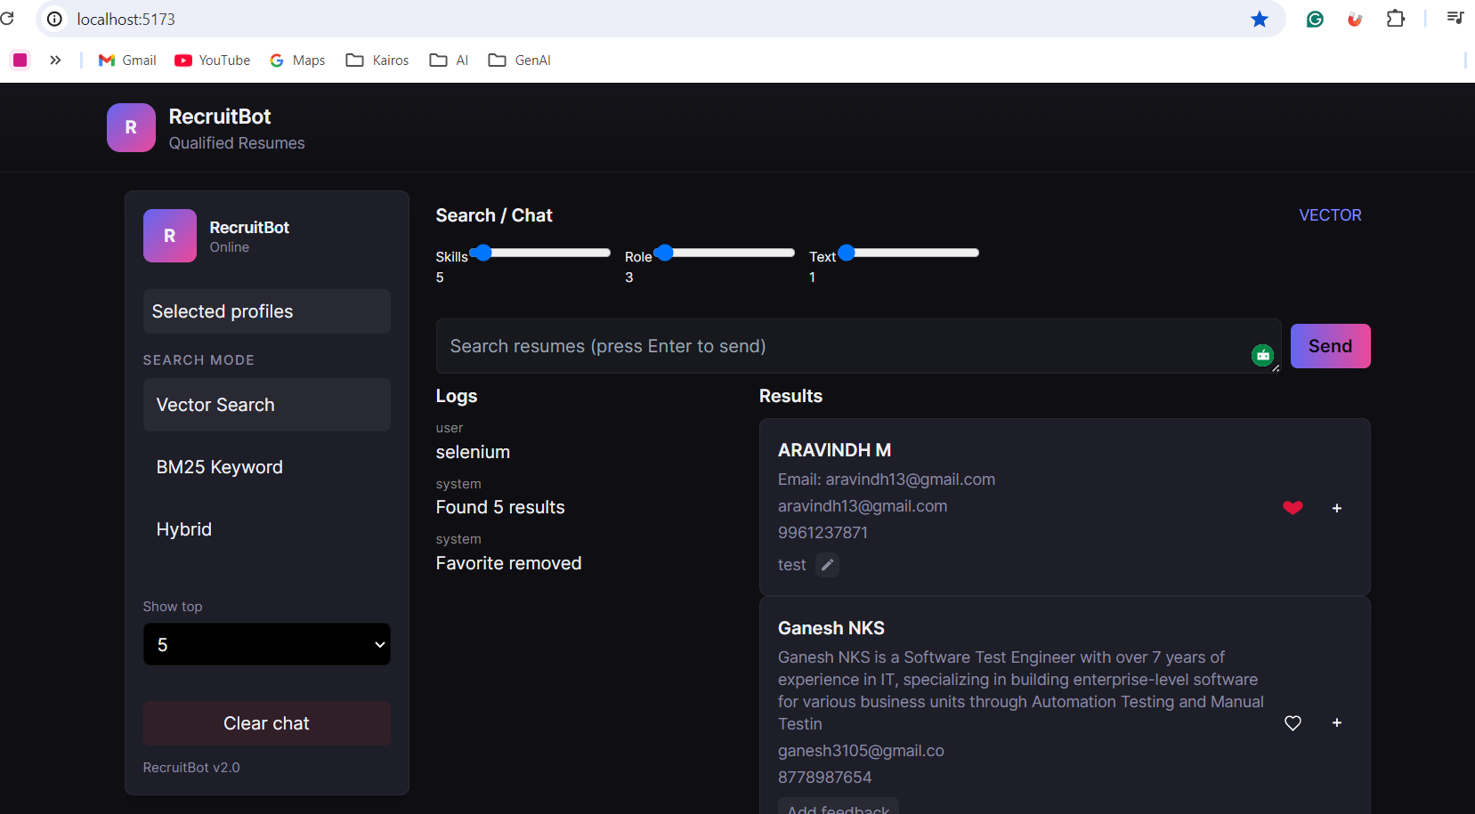
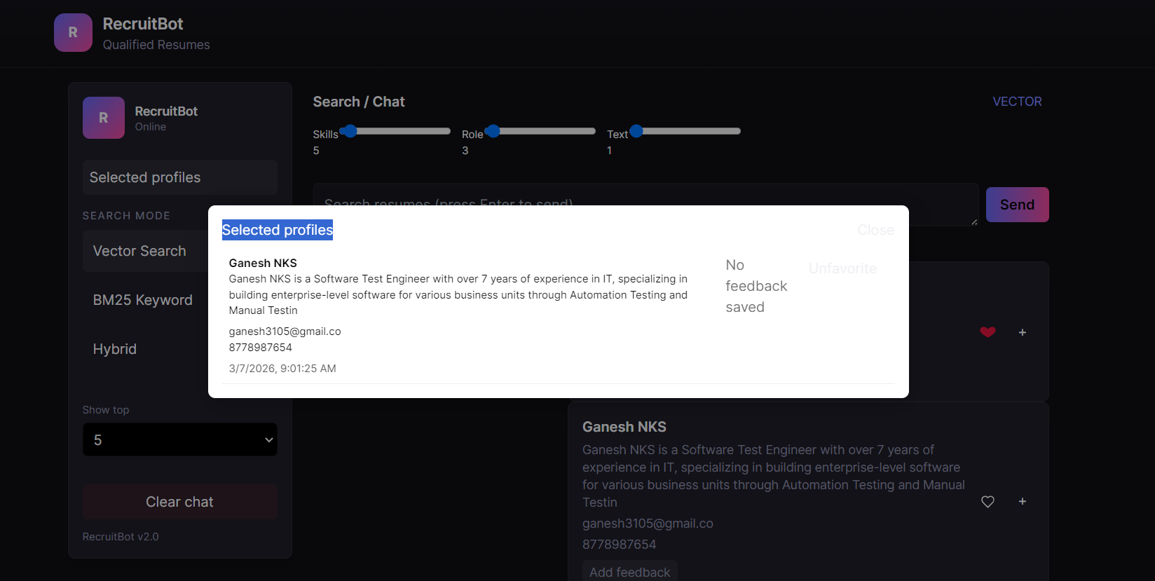

BM25
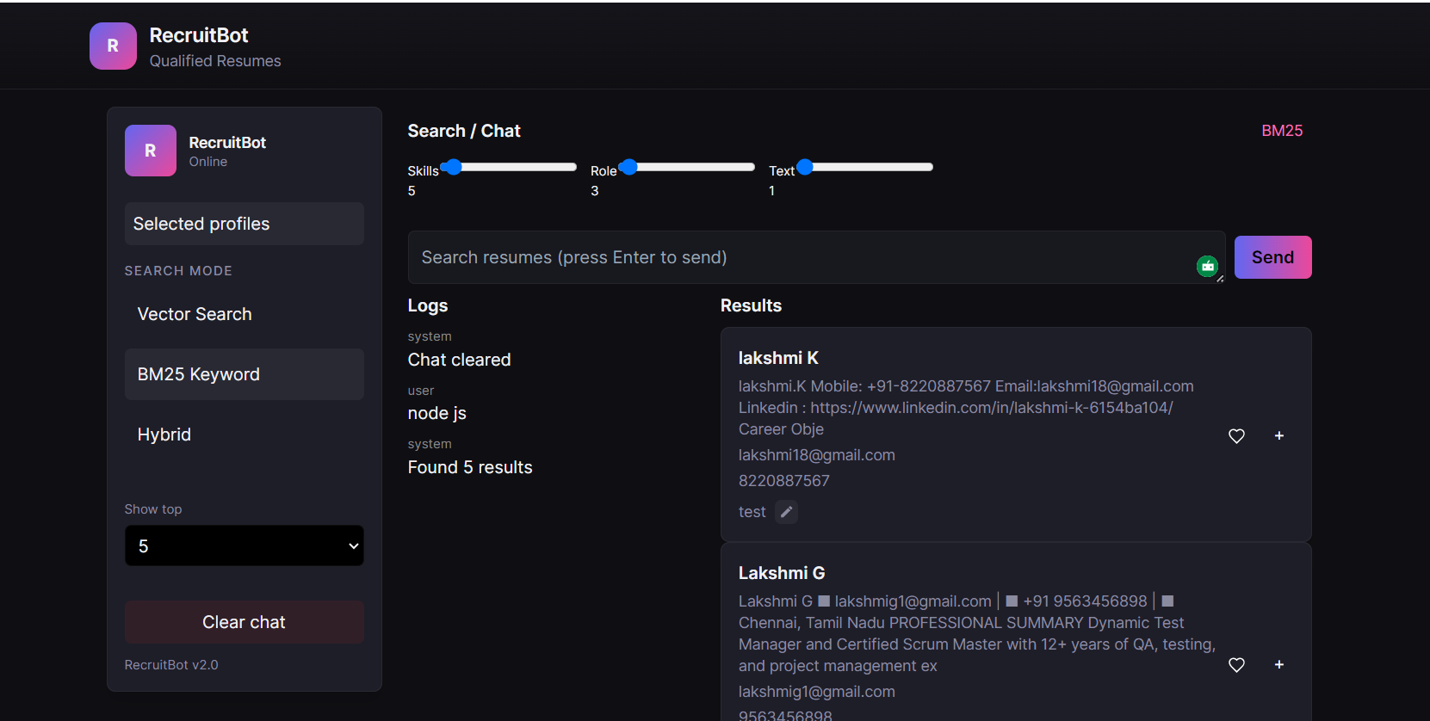

Hybrid

