babed staff Join last quarter
SRI SATYA SAI UNIVERSITY OF TECHNOLOGY AND MEDICAL SCIENCES, SEHORE (MP)
Name of Teacher Education Programme:Faculty of Education (B.A. B.Ed.) Clause 7(14)(C) Join in the last Quarter

S. No. | Name, Father/ Husband Name with Date of Birth | Aadhar Card No. | Self attested Photograph (front) | Whether SC/ST/OBC/Other Category | Designation | %age of Marks (Plus 2) | %age of Marks (Graduation) | %age of Marks (Post Graduation) | %age Of Marks (Professional Degree-I) | %age of Marks (Professional Degree- II) | NET/ Ph.D (University) (Education/ Other Subject specify) | Subject Teaching | Number of Year of Teaching Experience in TEIs/Joining date in the current assignment
1 | 2 | 3 | 4 | 5 | 6 | 7 | 8 | 9 | 10 | 11 | 12 | 13 | 14
 | Teaching Staff
1 | PANKAJ KUMAR TIWARI S/O DINA NATH TIWARI-02.07.1981 | 585334457780 | 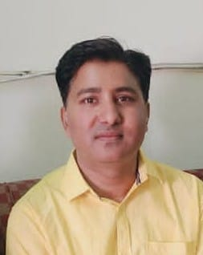 | GEN | Associate Professor | 46 | 57 | 55.7 | 68.1 | 57.8 | Net qualified | HISTORY | 11 YEAR 16.03.2026
2 | PRIYANKA PAL D/O PRADEEP K R PAL -17.08.1981 | 781533434524 | 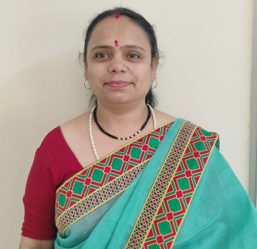 | OBC | Assistant Professor | 71.25 | 55.3 | 58.8 | 70.3 | 62.8 | Net qualified | GEOGRAPHY | 11 YEAR 16.03.2026
3 | BHAVI KUMAR S/O KUNDAN LAL-30.08.1983 | 587945687456 | 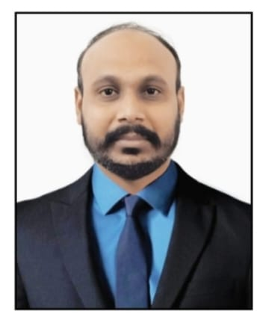 | OBC | Assistant Professor | 48.4 | 51.6 | 67.6 | 62.9 | 62.21 | Net qualified | POLITICAL SCIENCE | 11 YEAR 16.03.2026
4 | YACHNA SAXENA D/O VIJAY BAHADUR SAXENA- 21.10.1971 | 275486587458 | 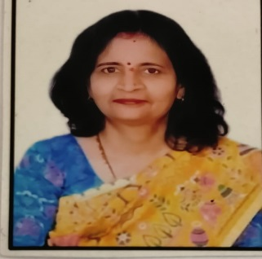 | GEN | Assistant Professor | 62 | 58.33 | 60.33 | 66.3 | 74.7 | Net qualified | ECONOMICA | 12 YEAR 16.03.2026
5 | VANDANA CHATURVEDI H/O ADITYA CHATURVEDI-20.11.1973 | 258456874587 | 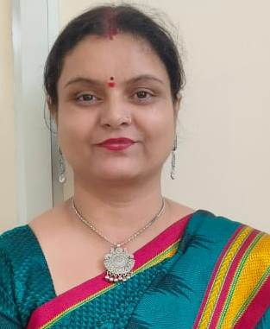 | GEN | Associate Professor | 59.62 | 44.72 | 58.4 | 68.54 | 67.43 | Net qualified | ECONOMICA | 15 YEAR 16.03.2026
6 | DR. JAMNA PRASAD MAKWE S/O BASANT RAO MAKWE- 18.05.1967 | 625846587458 | 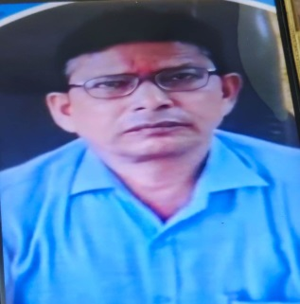 | OBC | Associate Professor | 54.2 | 47.1 | 59.87 | 59 | 61.5 | Ph.D / BU BHOPAL/EUCATION | SANSKRIT | 19 YEAR 16.03.2026
7 | SARITA RAJPUT D/O INDRAPAL SINGH RAJPUT-10.10.1978 | 520394719124 |  | GEN | Assistant Professor | 60 | 60.38 | 59.68 | 67.36 | 69.72 | Net qualified | PEDAGOGY | 2 YEAR 16.03.2026
8 | SUNIL SINGH S/O BAIJ NATH SINGH -05.08.1989 | 547991939617 | 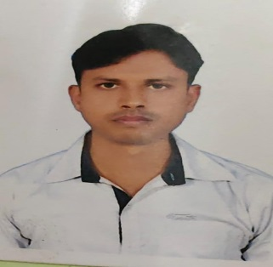 | GEN | Assistant Professor | 67.3 | 54 | 68 | 63.4 | 64 | Net qualified | ENGLISH | 12 YEAR 16.03.2026
9 | BHAIBHAV PARMAR S/O VIKRAM PARMAR-14.02.1999 | 637652132770 | 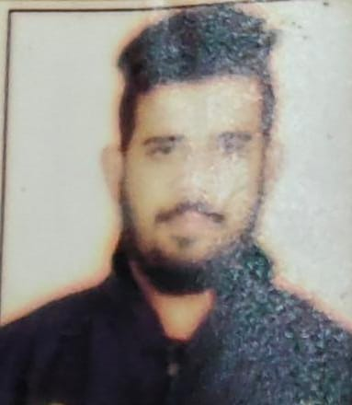 | OBC | Assistant Professor | 55.4 | ……. | …….. | 63.8 | 72.15 |  | SPORT | 3 YEAR 16.03.2026
10 | ABHISHEK KUMAR S/O SUNIL KUMAR SINHA- 12.02.1986 | 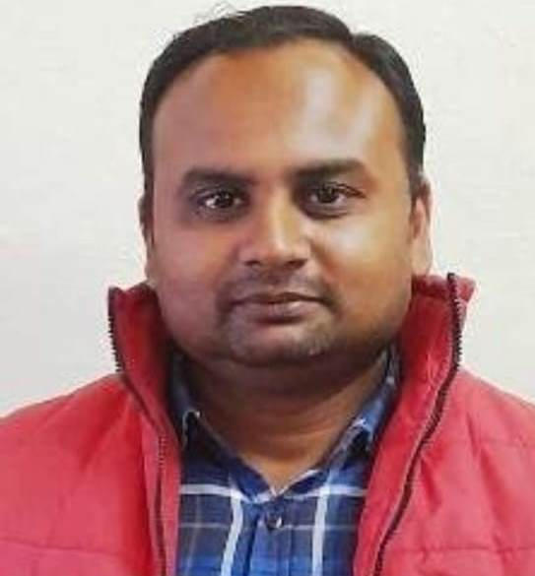 986651978863 |  | GEN | Assistant Professor | 78 | 63.22 | 67.4 | …. | ……. |  | FINE ARTS | 12 YEAR 16.03.2026
11 | MADHVI SAXENA D/O PURUSHOTTAM SAXENA-08.11.1985 | 757976521659 | 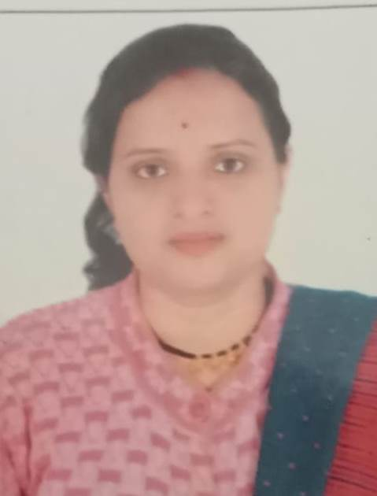 | GEN | Assistant Professor | 53.6 | 65 | 63.25 | 63.3 | 70 |  | MUSIC | 7 YEAR 16.03.2026
12 | RAJESH KUMAR SAHU S/O RAGHUVEER SAHU 15.06.1980 | 645692437140 | 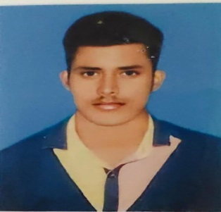 | GEN | Assistant Professor | 60.4 | 59 | 68.25 | 67 | 76 | Net qualified | POLITICAL SCIENCE | 6 YEAR 16.03.2026

