Sheet1
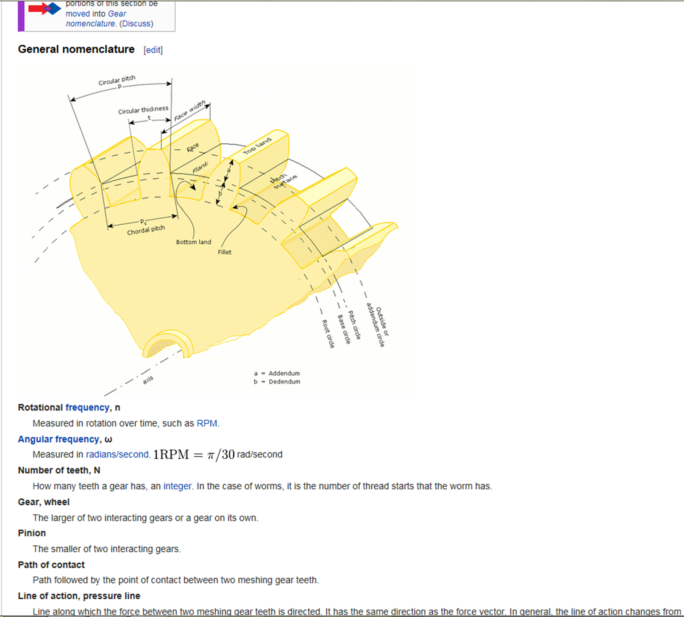
ENGINE
a machine for converting thermal energy into mechanical energy or power to produce force and motion.
any machine designed to convert energy, esp heat energy, into mechanical work: a steam engine, a petrol engine

The engine are classified based on combustion (ignition), fuel used, cooling, application and constructions.
Based on the combustion type : 1. External combustionengines and 2. Internal combustion engines
Based on fuel used : 1. Diesel engines, 2. Petrol engines, 3. CNG engines and LPG engines
Based on cooling system : 1. Air cooled engines and 2. Liquid cooled engines
Based on applications : 1. Statinary engine 2. Rocket engine and 3. Automobile engine
Based on construction : 1. Inline engines, 2. Opposed engines, 3. Rotary engine, 4. V-engines and 5. W engines
Classification Of Metal Forging Processes
1.open die forging, 2.impression die forging, 3.flashless forging
BILLET HEAT-1150-1250MAINTAIN,PROBLEM=UNFILL,CRACK
B.CUT,B.HEAT,UPSETTER,BLOCKER,FINISHER,NORMALIZING,PIERCING/LOAD 150-170 /CAPACITY-630 TON/KOMATSU,RHINO
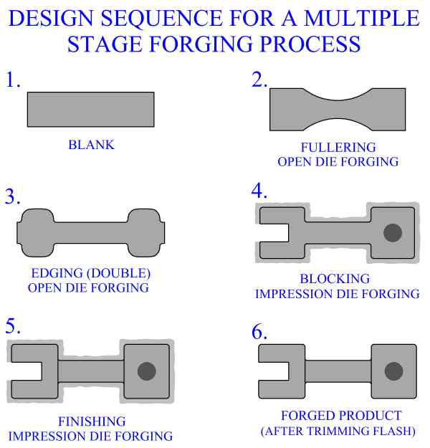
CASTING
1.Sand casting, 2.Plaster mold casting 3.Shell molding 4.Investment casting 5.Expendable mold casting
DEFECTS
Blowhole Defect PARTING LINE
Sand Burning Defect
Sand Inclusion Defect
sand hole defect
Cold Lap Defect
Joint Flash Defect
Misrun Defect
Porosity Shrinkage Defect
Shrinkage Cavity Defect
Shrinkage Depression Defect
Elephant Skin Defect
What is Supplier Audit ?
Process of following the procedures and processes that are agreed on during a selection audit process. It identifies non conformances in the manufacturing process, engineering change process, invoicing process, quality process, and also the supplier/shipment process. Supplier audits are analyses that are done to document the relationship between different companies in order to verify compliance of a supplier’s products and processes.
Benefits of supplier audit
Implementation of an overall quality system.
Establishment of documentation control.
Control of business records is achieved.
Establishment of customer satisfaction.
The control of company or business operations is achieved.
Implementation of a business management review is established.
Non conforming product control will be done through the supplier audit
The supplier audit will help in calibration control and also contract review.
HT-JIG SETTING-PREWASHING-PREHEATING-CARBURISING-HARDENING-QUENCHING-POSTWASHING-TEMPRING-METLAB-SORT BLASTING
SQF-SEAILED QUENCH FURNACE
PREHEAT-CARBURISINGHARDENING-QUENCHING
CCF-CONTINOUS CARBURISING FURNACE | CPK=1.33 | PPK=1.67

PPAP=CD,PSW,SPC,MSA,LAYOUT,ISIR,MTR,METLAB,COC,PFD,PFMEACP,SD,DIMENSITIONAL RESULT,SAMPLE PRODUCT PATRS,MASTER SAMPLE
GEARS=HELICAL,BEVEL,SPUR,SKEW,DOUBLE HELICAL,SPIRAL BEVEL,CROWN,WORM,RACK & PINION,CAGE GEAR

Sheet2
