Coordinate Measuring Machine
 |  |  |  |  |  | OPERATION STANDARD |  |  |  |  |  | CONTROL NUMBER
 |  |  |  |  |  |  |  |  |  | SOP-QA-041

Equipment Name | Coordinate Measuring Machine (Crysta 776) |  |  | Process | Geometrical Dimensions Checking |  | Section | Date | 2014-06-01 |  | PREPARED |  | CHECKED | APPROVED
Components | Shaft,Gears & Cam shafts |  |  | Oprn. No. |  |  | Quality Assurance | Issue No | 01
 |  |  |  |  |  |  |  | Rev.NO | 00

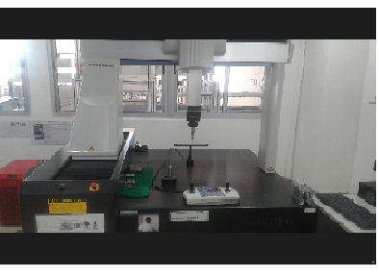
Picture |  |  | S. No. | Operation Procedure |  | Vital Point Of Operation |  | Things which You should Not Do |  |  | Result in case you do it

 |  |  | 1 | Switch On Power Supply To Instrument |  | Perform With Dry Hands |  | Don't operate With Wet Hands |  |  | May Get Electric Shock
 |  |  |  | Computer & Geopack Software Options
 |  |  | 3 | Visually Check Condition Of Renisaw Probe |  | Condition Should Be OK |  | If NotOK Report Shift Incharge |  |  | Error In Measurment Will Occur
 |  |  |  | Head & Ruby Stylus |  |  |  | Don't Operate With Damaged Stylus
 |  |  | 4 | Bring the Machine to Home Position by
 |  |  |  | bringing the Detector Unit towards extreme
 |  |  |  | End of Slides as shown in the fig
 |  |  | 5 | For Probe Calibration, Select "Create a New
 |  |  |  | Part" Graphical Interface Button
 |  |  | 6 | Click on "CMM Learn Mode" Graphical
 |  |  |  | Interface Button
 |  |  | 7 | Enter Expansion Coefficient [11.7] Armco Iron
 |  |  | 8 | Click on "Probe Builder" & Select PH10M,
 |  |  |  | SP600M & Reqd Dia Stylus Graphical Interface
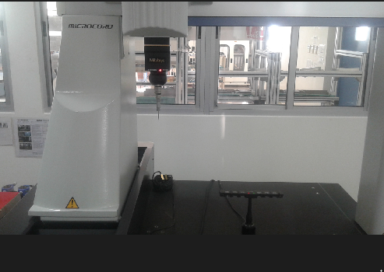
Main Machine |  |  |  | Button
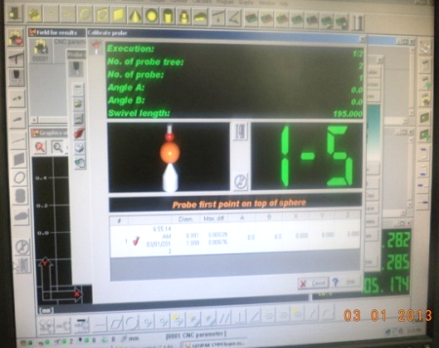
 |  |  | 9 | Click on "Calibrate" Button and proceed as
 |  |  |  | per the message on the Calibration Screen.
 |  |  |  | Probe Hit on the component or Master Probe
 |  |  |  | is operated by Hand Operated Toggle Switch

 |  |  | 10 | After Probe getting Calibrated, Select the |  | Program called should
 |  |  |  | Program based on the component ,model |  | be specific to the checking
Home Position | Calibration Screen |  |  | and stage viz Hobbing,Shaving or Final Stage |  | Component,model & Stage
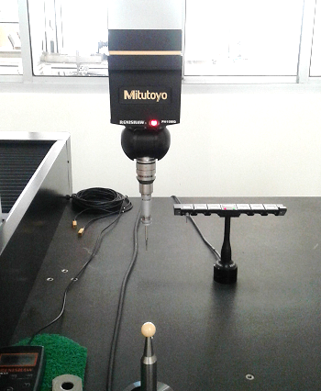
 |  |  |  | as appearing in the Part Selection Screen

 |  |  | 11 | Position the Component on the Magnetic
 |  |  |  | V Block as shown in the photogrpahs
 |  |  |  | displayed against the component,model
 |  |  |  | & Stage Selected

 |  |  | 12 | Check for the right Stylus Diameter and then |  | Check For Right Stylus |  | Always Use Specified Stylus |  |  | Stylus & Probe Head May Get Damaged
 |  |  |  | define plane ,origin & Axis as per the stated
 |  |  |  | message & photographs displayed against
 |  |  |  | the component,model & Stage Selected
Renisaw Probe Head & Stylus
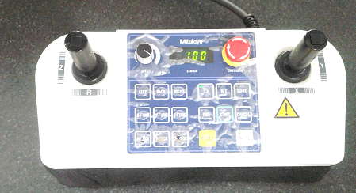
 |  |  | 13 | In case there is many components to be
 |  |  |  | checked ,Call "Repeat Measurements "
 |  |  |  | Graphical Interface Button once the Program
 |  |  |  | Cycle is completed

 |  |  | 14 | In Case of any abnormal selection of Program
 |  |  |  | Mistake/ Collision Foreseen,Press "Emergency
 |  |  |  | Button" Identified as Red in Color on the Hand
 |  |  |  | Operated Toggle Switch to stop the Machine
Hand Operated Toggle Switch |  |  |  | Operation
SAFETY DEVICES TO BE USED |  |  | ATTENTION |  |  |  |  | WORKING HEADS |  |  |  | REMARKS
 |  |  |  |  |  |  |  |  |  |  |  | Always Change STYLUS Carefully. Refer To Manual Provided With Instrument (In Case Of Any Problem)
Name of safety device | Qty | Remarks | Route to be followed in case of any trouble |  |  |  |  | 1. MACHINE STARTUP |  | 5. MACHINE STOP

 |  |  | A Shift, General Shift |  | Line Asso. Exec. Sr. Exe. A.M D.M. |  |  | 2. MACHINE OPERATION |  | 6 CLEANING

 |  |  |  |  |  |  |  | 3. QUALITY MEASUREMENT
 |  |  | B & C Shift |  | Line Asso. Exec. Sr. Exe.
 |  |  |  |  |  |  |  |  |  |  |  | VITAL CHECK POINTS ARE SHOWN IN RED COLOUR
 |  |  |  |  |  |  |  | 4. STYLUS CHANGE

