H1,Q1,Q2
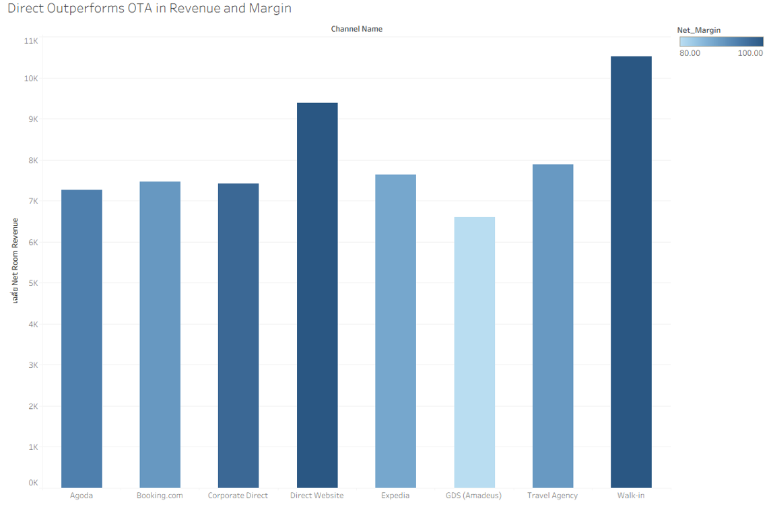
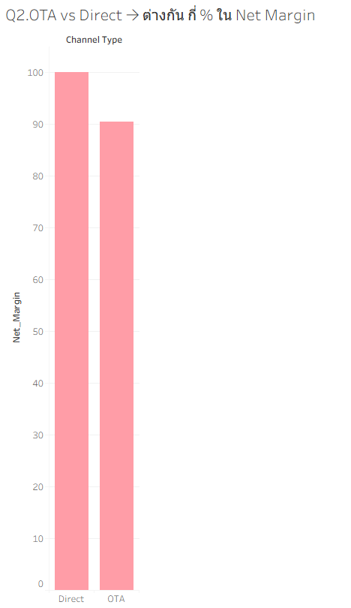
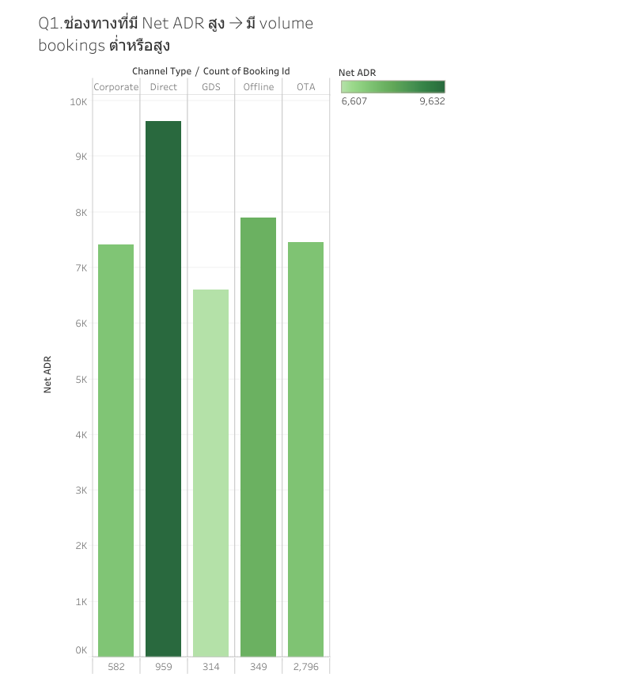
H1. Direct channels มี Net ADR และ Net Margin สูงกว่า OTA channels อย่างมีนัยสำคัญ
จริง สูงกว่า9.43%

Q1.ช่องทางที่มี Net ADR สูงจะมี volume bookings ต่ำหรือสูง

สรุป:ช่องทางที่ Net ADR สูงอย่าง Direct / Walk-in มี Volume ที่ดี (ไม่ต่ำ) | Row Labels | Average of net_room_revenue | Sum of net_room_revenue2 | Sum of gross_room_revenue | Sum of Netmargin
ส่วนช่องทางที่เน้น Volume อย่าง OTA ก็มี Net ADR ที่รับได้ (ไม่ได้ต่ำที่สุด) | Corporate | 7414.619055 | 4315308.29 | 4429213.85 | 97.43%
ดังนั้น โรงแรมจึงควรรักษาบาลานซ์โดยใช้ OTA เพื่อดึง Volume ควบคู่ไปกับการทำโปรโมชัน | CH_06 | 7414.619055 | 4315308.29 | 4429213.85 | 97.43%
กระตุ้นให้ลูกค้ามาจอง Direct มากขึ้นเพื่อดึงกำไร (Net ADR) ให้สูงสุด | Direct | 9632.2961418 | 9237372 | 9237372 | 100.00%
 | CH_04 | 9395.3135007 | 7112252.32 | 7112252.32 | 100.00%
Q2.OTA vs Direct → ต่างกัน กี่ % ใน Net Margin | CH_05 | 10520.394455 | 2125119.68 | 2125119.68 | 100.00%
9.43% | GDS | 6607.3301592 | 2074701.67 | 2593377.04 | 80.00%
 | CH_08 | 6607.3301592 | 2074701.67 | 2593377.04 | 80.00%
 | Offline | 7892.7551576 | 2754571.55 | 3060635.15 | 90.00%
 | CH_07 | 7892.7551576 | 2754571.55 | 3060635.15 | 90.00%
 | OTA | 7453.964789 | 20841285.55 | 23011781.48 | 90.57%
 | CH_01 | 7469.1135179 | 8365407.14 | 9283169.07 | 90.11%
 | CH_02 | 7641.5830485 | 5991001.11 | 6813755.45 | 87.93%
 | CH_03 | 7270.0418161 | 6484877.3 | 6914856.96 | 93.78%
 | Grand Total | 7844.647812 | 39223239.06 | 42332379.52 | 92.66%

H2,Q3,Q4
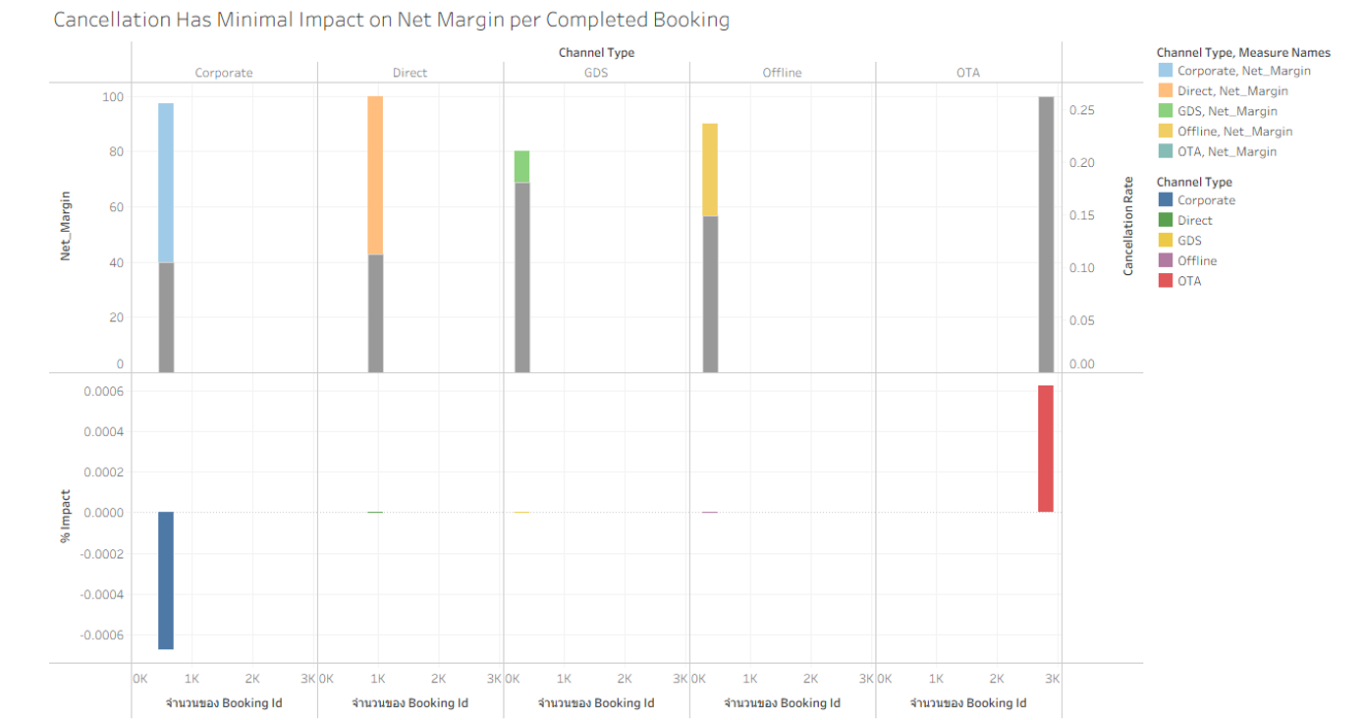
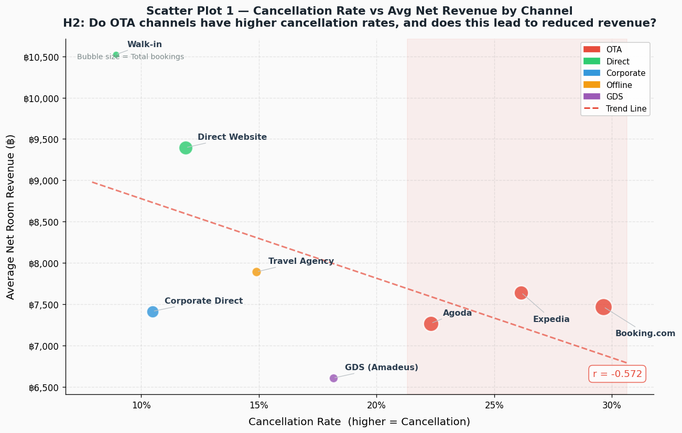
H2.ช่องทาง OTA มีอัตราการยกเลิกการจองสูงกว่าส่งผลให้รายได้ที่เกิดขึ้นจริงลดลง และทำให้ประสิทธิภาพด้านต้นทุนลดลง
เป็นจริง | เนื่องจากOTA มีอัตราการยกเลิกสูง ทำให้จำนวนการเข้าพักจริงลดลง ส่งผลให้รายได้ที่ได้จริง (realized revenue)
 | ต่ำกว่าที่คาด และเมื่อรวมกับค่าคอมมิชชั่นที่สูง ทำให้ประสิทธิภาพด้านต้นทุนแย่ลงและกำไรลดลง

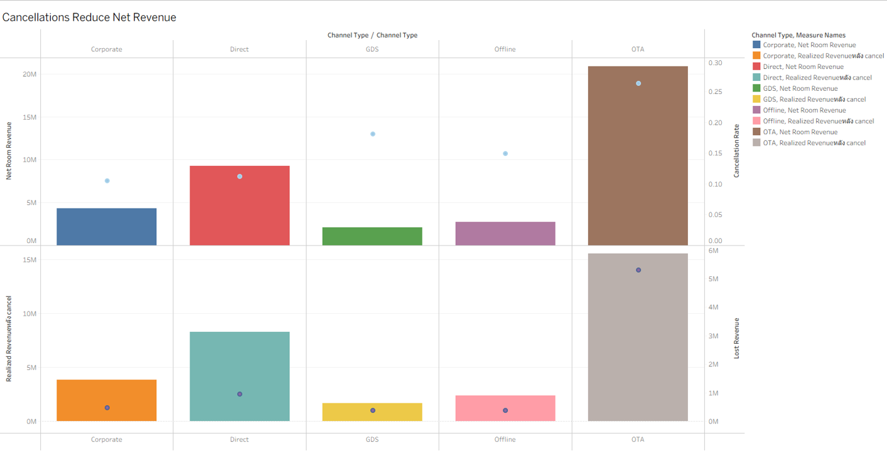

Q3. Cancellation ส่งผลต่อ Net Revenue จริง มากแค่ไหน

OTA สร้าง | ยอดขายสูง แต่มี cancellation สูง ทำให้รายได้จริงลดลงอย่างมีนัยสำคัญ และเกิด lost revenue จำนวนมากในขณะที่
Direct channels แม้ volume น้อยกว่า แต่ให้รายได้ที่ “มั่นคงและคาดการณ์ได้” มากกว่า

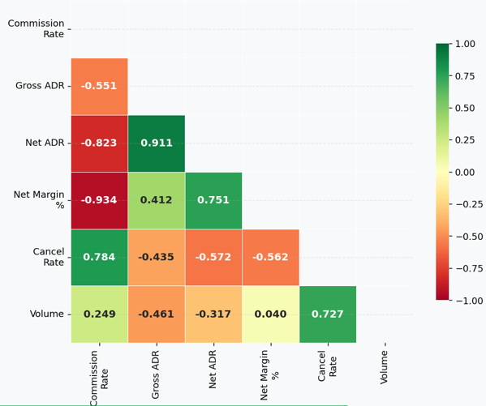
Q4.มีความสัมพันธ์ระหว่าง:Commission สูง Net ADR ต่ำ จริงหรือไม่
Channels ที่มี commission สูง จะทำให้ Net ADR และ Net Margin ลดลงอย่างมีนัยสำคัญ

Q5 Cancellation ส่งผลต่อ average net margin ต่อ booking ที่ “สำเร็จจริง” แค่ไหน
แม้ช่องทาง OTA จะมีอัตราการยกเลิกการจองสูงกว่าช่องทางอื่นอย่างมีนัยสำคัญแต่ Cancellation แทบไม่ส่งผลต่อ Average Net Margin ต่อ booking ที่สำเร็จ

H3,Q6
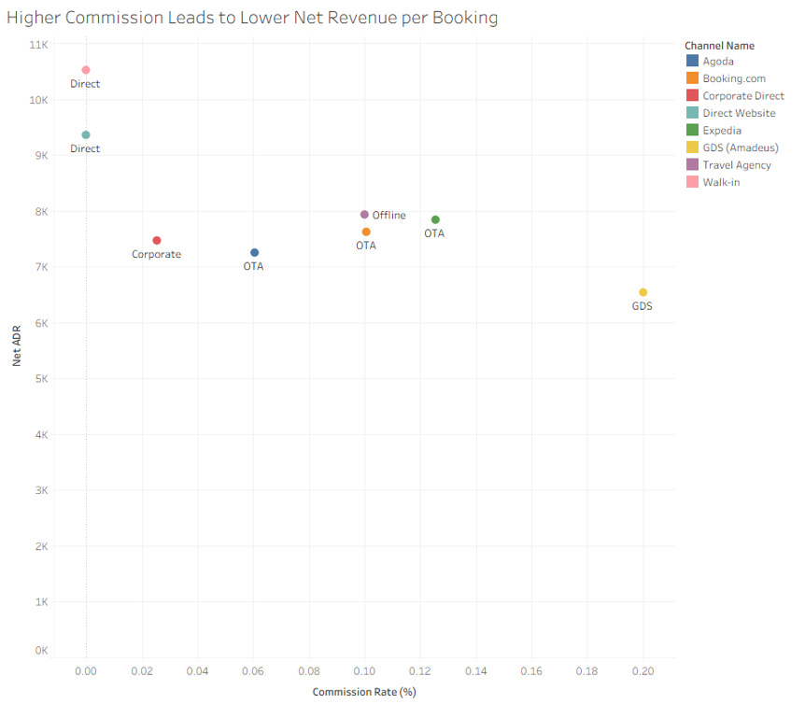
H3Channels ที่มี Commission สูง จะมี Net Revenue ต่อ booking ต่ำกว่า
โดยรวม Channels ที่มี commission สูง มีแนวโน้มให้ Net Revenue ต่อ booking ต่ำกว่า

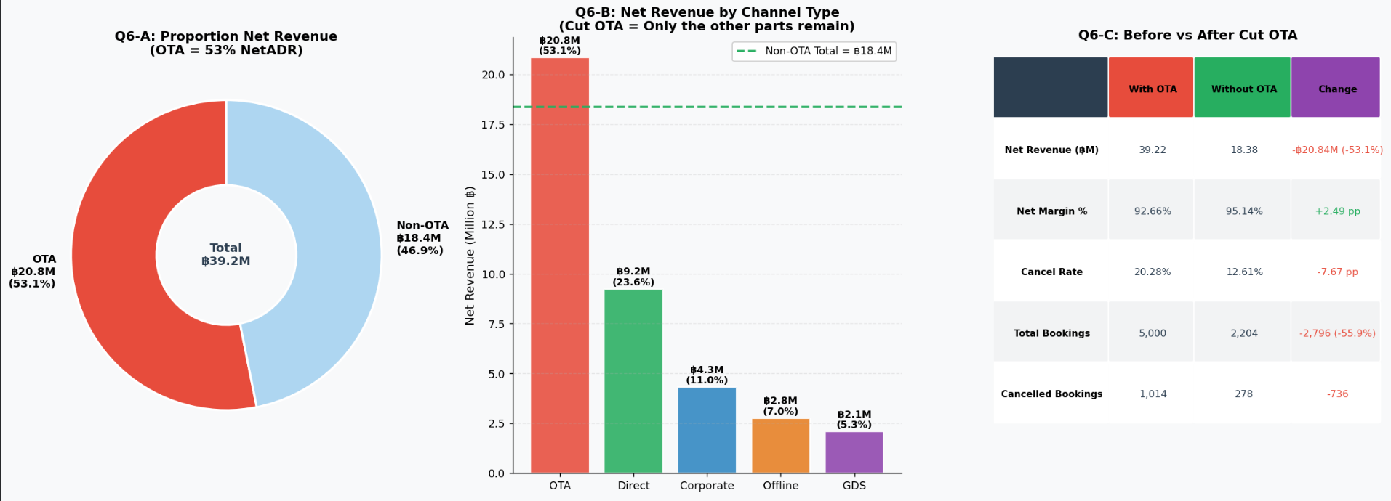
Q6ถ้าตัด OTA ออก → รายได้หายไปเท่าไร vs margin ดีขึ้นเท่าไร
พบว่า OTA เป็นแหล่งรายได้หลักของโรงแรม โดยสร้างรายได้มากกว่า 50%แต่มีต้นทุนสูงและ
margin ต่ำกว่าเมื่อจำลองการตัด OTA ออก พบว่ารายได้และจำนวน booking
ลดลงอย่างมีนัยสำคัญแม้ว่า margin จะดีขึ้นดังนั้น OTA มีบทบาทสำคัญในด้านการสร้าง
demandขณะที่ช่องทาง direct มีประสิทธิภาพด้านกำไรที่ดีกว่ากลยุทธ์ที่เหมาะสมคือการ
optimize สัดส่วนช่องทางไม่ใช่การตัด OTA ออกทั้งหมด

H1_NetADR_NetMargin
Row Labels | Average of net_room_revenue | Sum of net_room_revenue | Sum of gross_room_revenue |  | Net Margin
CH_01 | 7469.1135179 | 8365407.14 | 9283169.07 |  | 90.113700148
CH_02 | 7641.5830485 | 5991001.11 | 6813755.45 |  | 87.925097312
CH_03 | 7270.0418161 | 6484877.3 | 6914856.96 |  | 93.781799645
CH_04 | 9395.3135007 | 7112252.32 | 7112252.32 |  | 100
CH_05 | 10520.394455 | 2125119.68 | 2125119.68 |  | 100
CH_06 | 7414.619055 | 4315308.29 | 4429213.85 |  | 97.428312024
CH_07 | 7892.7551576 | 2754571.55 | 3060635.15 |  | 89.999997223
CH_08 | 6607.3301592 | 2074701.67 | 2593377.04 |  | 80.000001465
Grand Total | 7844.647812 | 39223239.06 | 42332379.52

Q2.OTA vs Direct → ต่างกัน กี่ % ใน Net Margin
9.43%
Row Labels | Average of net_room_revenue | Sum of net_room_revenue | Average of gross_room_revenue | Average of Netmargin
Corporate | 7414.619055 | 4315308.29 | 7610.3330756 | 97.43%
CH_06 | 7414.619055 | 4315308.29 | 7610.3330756 | 97.43%
Direct | 9632.2961418 | 9237372 | 9632.2961418 | 100.00%
CH_04 | 9395.3135007 | 7112252.32 | 9395.3135007 | 100.00%
CH_05 | 10520.394455 | 2125119.68 | 10520.394455 | 100.00%
GDS | 6607.3301592 | 2074701.67 | 8259.1625478 | 80.00%
CH_08 | 6607.3301592 | 2074701.67 | 8259.1625478 | 80.00%
Offline | 7892.7551576 | 2754571.55 | 8769.7282235 | 90.00%
CH_07 | 7892.7551576 | 2754571.55 | 8769.7282235 | 90.00%
OTA | 7453.964789 | 20841285.55 | 8230.250887 | 90.57%
CH_01 | 7469.1135179 | 8365407.14 | 8288.5438125 | 90.11%
CH_02 | 7641.5830485 | 5991001.11 | 8691.0146046 | 87.93%
CH_03 | 7270.0418161 | 6484877.3 | 7752.0817937 | 93.78%
Grand Total | 7844.647812 | 39223239.06 | 8466.475904 | 92.66%

 |  |  |  |  |  | H1. Direct channels มี Net ADR และ Net Margin สูงกว่า OTA channels อย่างมีนัยสำคัญ
Row Labels | Average of net_room_revenue | Sum of net_room_revenue2 | Sum of gross_room_revenue | Sum of Netmargin |  | จริง สูงกว่า9.43%
Corporate | 7414.619055 | 4315308.29 | 4429213.85 | 97.43%
CH_06 | 7414.619055 | 4315308.29 | 4429213.85 | 97.43%
Direct | 9632.2961418 | 9237372 | 9237372 | 100.00%
CH_04 | 9395.3135007 | 7112252.32 | 7112252.32 | 100.00%
CH_05 | 10520.394455 | 2125119.68 | 2125119.68 | 100.00%
GDS | 6607.3301592 | 2074701.67 | 2593377.04 | 80.00%
CH_08 | 6607.3301592 | 2074701.67 | 2593377.04 | 80.00%
Offline | 7892.7551576 | 2754571.55 | 3060635.15 | 90.00%
CH_07 | 7892.7551576 | 2754571.55 | 3060635.15 | 90.00%
OTA | 7453.964789 | 20841285.55 | 23011781.48 | 90.57%
CH_01 | 7469.1135179 | 8365407.14 | 9283169.07 | 90.11%
CH_02 | 7641.5830485 | 5991001.11 | 6813755.45 | 87.93%
CH_03 | 7270.0418161 | 6484877.3 | 6914856.96 | 93.78%
Grand Total | 7844.647812 | 39223239.06 | 42332379.52 | 92.66%

Q2
 |  | ดูcorrelation |  |  |  | Q1.ช่องทางที่มี Net ADR สูง → มี volume bookings ต่ำหรือสูง
 |  |  |  |  |  | ไม่เสมอไปเนื่องจากช่องทางของDirect คือช่องทาง Hero เพราะ เป็นช่องทางที่ลูกค้ากล้าจ่ายในราคาที่สูง ถึง Net ADR จะสูงแต่ Volume ไม่ได้สวนทางกันมาก กลับมียอดจอดมากกว่าอีก3ช่องทาง และช่องทางที่volume สูง อย่าง OTA ก็มี Net ADRที่ไม่ได้ต่ำที่สุดเสมอไป แต่ขายได้มากที่สุด
Row Labels | Average of net_room_revenue | Count of booking_id
Corporate | 7414.62 | 582
Direct | 9632.30 | 959
GDS | 6607.33 | 314
Offline | 7892.76 | 349
OTA | 7453.96 | 2796
Grand Total | 7844.65 | 5000
Net ADR and Volume Bookings

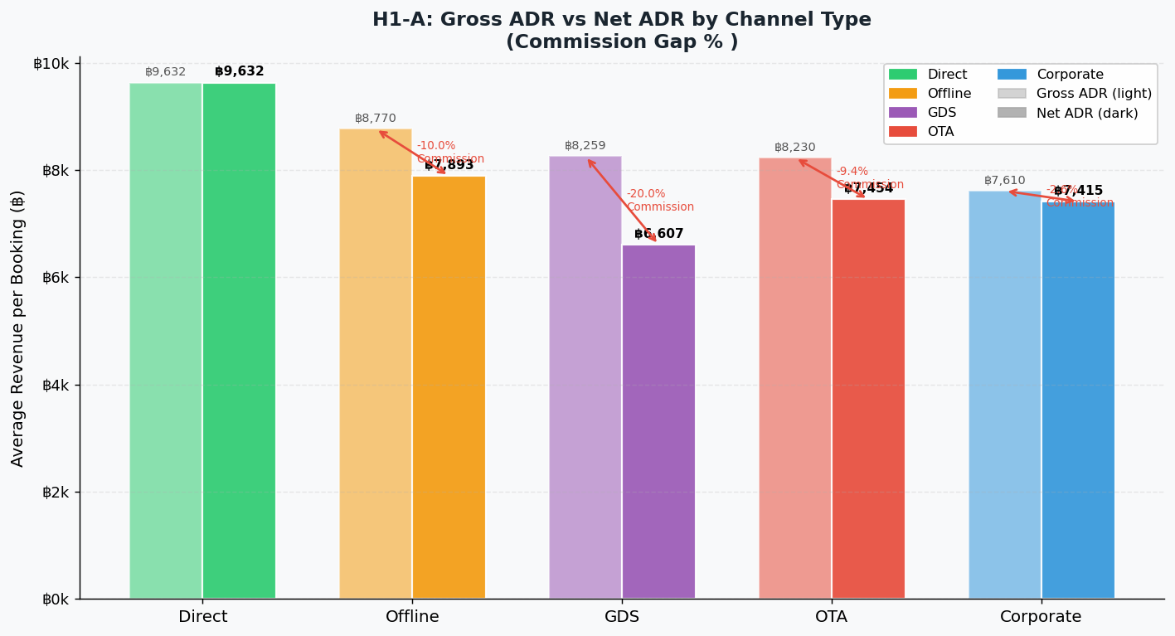
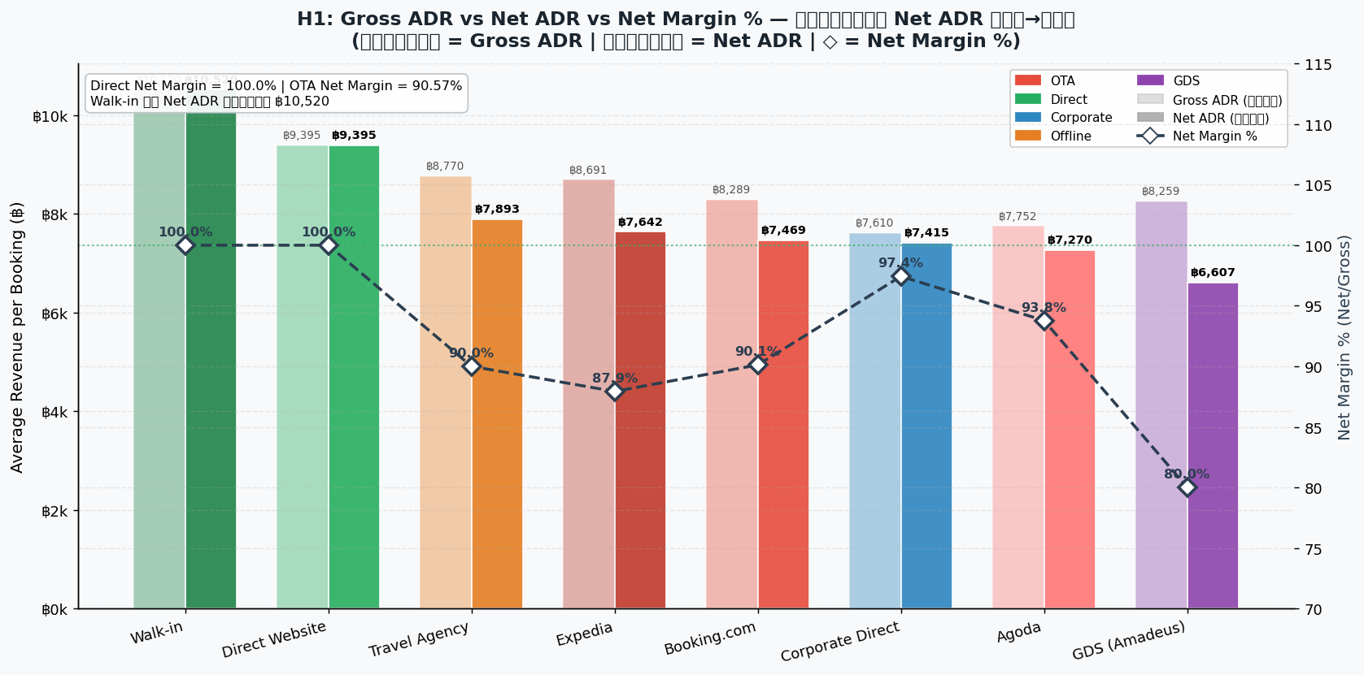

Row Labels | Count of booking_id | Average of net_room_revenue
Agoda | 892 | 7270.04
Booking.com | 1120 | 7469.11
Corporate Direct | 582 | 7414.62
Direct Website | 757 | 9395.31
Expedia | 784 | 7641.58
GDS (Amadeus) | 314 | 6607.33
Travel Agency | 349 | 7892.76
Walk-in | 202 | 10520.39
Grand Total | 5000 | 7844.65

H2_ช่องทาง OTA มีอัตราการยกเลิก
 | Column Labels
 | Checked-Out |  |  | Total Count of booking_id | Total Sum of Net_revenue | Total Sum of Gross Revenue
Row Labels | Count of booking_id | Sum of Net_revenue | Sum of Gross Revenue
Corporate | 439 | 3279589.39 | 3365293 | 439 | 3279589.39 | 3365293
Corporate Direct | 439 | 3279589.39 | 3365293 | 439 | 3279589.39 | 3365293
Direct | 714 | 6859360.85 | 6859360.85 | 714 | 6859360.85 | 6859360.85
Direct Website | 562 | 5260114.61 | 5260114.61 | 562 | 5260114.61 | 5260114.61
Walk-in | 152 | 1599246.24 | 1599246.24 | 152 | 1599246.24 | 1599246.24
GDS | 209 | 1366196.31 | 1707745.35 | 209 | 1366196.31 | 1707745.35
GDS (Amadeus) | 209 | 1366196.31 | 1707745.35 | 209 | 1366196.31 | 1707745.35
Offline | 251 | 1990323.64 | 2211470.83 | 251 | 1990323.64 | 2211470.83
Travel Agency | 251 | 1990323.64 | 2211470.83 | 251 | 1990323.64 | 2211470.83
OTA | 1660 | 12548606.38 | 13875246.49 | 1660 | 12548606.38 | 13875246.49
Agoda | 557 | 4040107.84 | 4300613.23 | 557 | 4040107.84 | 4300613.23
Booking.com | 642 | 4893987.16 | 5442204.57 | 642 | 4893987.16 | 5442204.57
Expedia | 461 | 3614511.38 | 4132428.69 | 461 | 3614511.38 | 4132428.69
Grand Total | 3273 | 26044076.57 | 28019116.52 | 3273 | 26044076.57 | 28019116.52

 |  |  |  |  |  |  | H2.ช่องทาง OTA มีอัตราการยกเลิกการจองสูงกว่าส่งผลให้รายได้ที่เกิดขึ้นจริงลดลง และทำให้ประสิทธิภาพด้านต้นทุนลดลง
 |  |  |  |  |  |  | เป็นจริง | เนื่องจากช่องทางOTA มีห้องที่ cancelled มากถึง26.32% อาจจะทำให้รายได้ของโรงแรมหายไปด้วย

 | Cancelled - Count of booking_id | Cancelled - Sum of Net_revenue | Cancelled - Sum of Gross Revenue
Corporate Direct | 61 | 0 | 0
Direct Website | 90 | 0 | 0
Walk-in | 18 | 0 | 0
GDS (Amadeus) | 57 | 0 | 0
Travel Agency | 52 | 0 | 0
Agoda | 199 | 0 | 0
Booking.com | 332 | 0 | 0
Expedia | 205 | 0 | 0

 | Column Labels
 | Cancelled |  |  | Checked-Out |  |  | Confirmed |  |  | Total Count of booking_id | Total Sum of Net_revenue | Total Sum of Gross Revenue
Row Labels | Count of booking_id | Sum of Net_revenue | Sum of Gross Revenue | Count of booking_id | Sum of Net_revenue | Sum of Gross Revenue | Count of booking_id | Sum of Net_revenue | Sum of Gross Revenue
Corporate | 10.48% | 0 | 0 | 75.43% | 3279589.39 | 3365293 | 14.09% | 0 | 0 | 100.00% | 3279589.39 | 3365293
Corporate Direct | 10.48% | 0 | 0 | 75.43% | 3279589.39 | 3365293 | 14.09% | 0 | 0 | 100.00% | 3279589.39 | 3365293
Direct | 11.26% | 0 | 0 | 74.45% | 6859360.85 | 6859360.85 | 14.29% | 0 | 0 | 100.00% | 6859360.85 | 6859360.85
Direct Website | 11.89% | 0 | 0 | 74.24% | 5260114.61 | 5260114.61 | 13.87% | 0 | 0 | 100.00% | 5260114.61 | 5260114.61
Walk-in | 8.91% | 0 | 0 | 75.25% | 1599246.24 | 1599246.24 | 15.84% | 0 | 0 | 100.00% | 1599246.24 | 1599246.24
GDS | 18.15% | 0 | 0 | 66.56% | 1366196.31 | 1707745.35 | 15.29% | 0 | 0 | 100.00% | 1366196.31 | 1707745.35
GDS (Amadeus) | 18.15% | 0 | 0 | 66.56% | 1366196.31 | 1707745.35 | 15.29% | 0 | 0 | 100.00% | 1366196.31 | 1707745.35
Offline | 14.90% | 0 | 0 | 71.92% | 1990323.64 | 2211470.83 | 13.18% | 0 | 0 | 100.00% | 1990323.64 | 2211470.83
Travel Agency | 14.90% | 0 | 0 | 71.92% | 1990323.64 | 2211470.83 | 13.18% | 0 | 0 | 100.00% | 1990323.64 | 2211470.83
OTA | 26.32% | 0 | 0 | 59.37% | 12548606.38 | 13875246.49 | 14.31% | 0 | 0 | 100.00% | 12548606.38 | 13875246.49
Agoda | 22.31% | 0 | 0 | 62.44% | 4040107.84 | 4300613.23 | 15.25% | 0 | 0 | 100.00% | 4040107.84 | 4300613.23
Booking.com | 29.64% | 0 | 0 | 57.32% | 4893987.16 | 5442204.57 | 13.04% | 0 | 0 | 100.00% | 4893987.16 | 5442204.57
Expedia | 26.15% | 0 | 0 | 58.80% | 3614511.38 | 4132428.69 | 15.05% | 0 | 0 | 100.00% | 3614511.38 | 4132428.69
Grand Total | 20.28% | 0 | 0 | 65.46% | 26044076.57 | 28019116.52 | 14.26% | 0 | 0 | 100.00% | 26044076.57 | 28019116.52

 | Q3. Cancellation ส่งผลต่อ Net Revenue จริง มากแค่ไหน
 | ส่งผลกระทบอย่างมหาศาลเนื่องจาก cancellation ทั้งหมดรวมกัน 20.28% ทำให้รายได้ที่ควรได้หายไป

 |  |  |  |  |  | Q5 Cancellation ส่งผลต่อ average net margin ต่อ booking ที่ “สำเร็จจริง” แค่ไหน
 |  |  |  |  |  | Cancellationไม่ได้ลดทอนเปอร์เซ็นต์ของ net margin ของยอดที่เข้าพักสำเร็จจริง เนื่องจากยอดยกเลิกส่วนใหญ่เป็นของOTA ที่ มี margin ต่ำทำให้ภาพรวมของยอดสำเร็จจริง

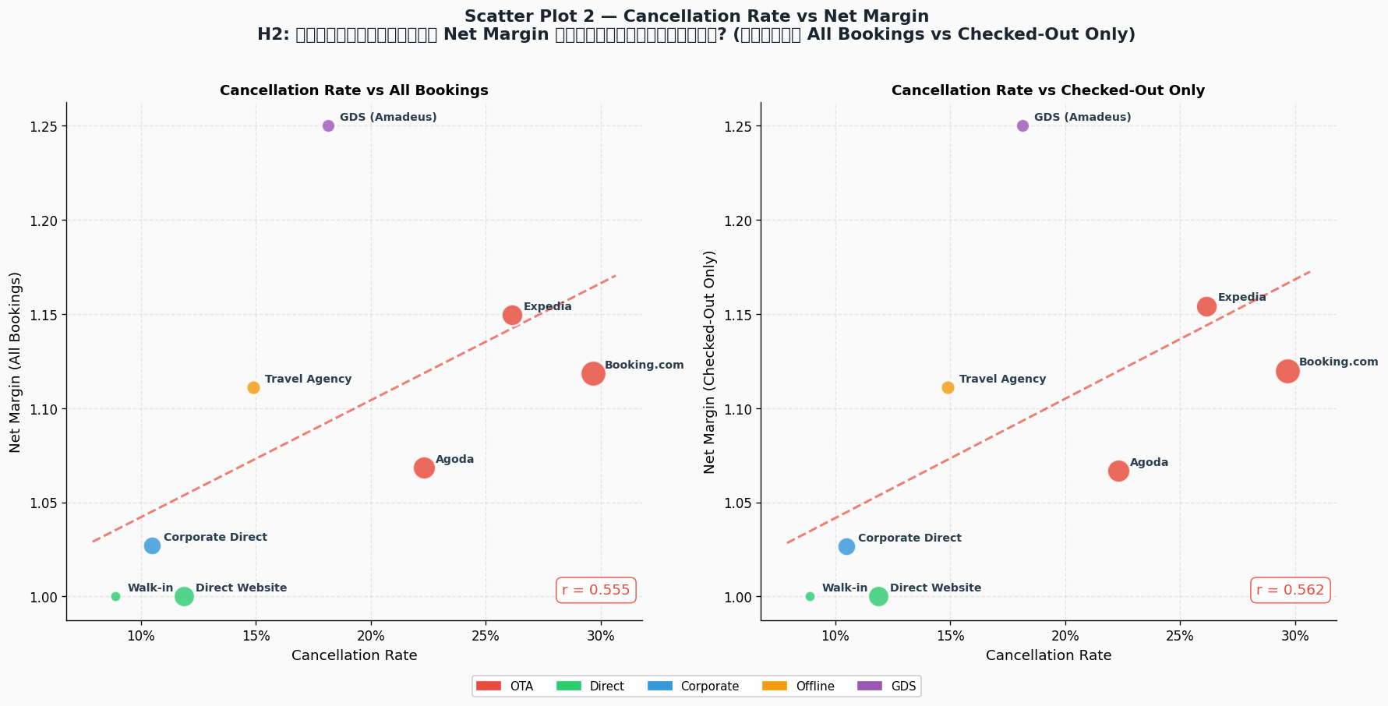

 | Column Labels
 | Cancelled |  | Checked-Out |  | Confirmed |  | Total Count of booking_id | Total Average of netmargin
Row Labels | Count of booking_id | Average of netmargin | Count of booking_id | Average of netmargin | Count of booking_id | Average of netmargin
Agoda | 22.31% | 93.26% | 62.44% | 93.94% | 15.25% | 93.86% | 100.00% | 93.78%
Booking.com | 29.64% | 90.61% | 57.32% | 89.93% | 13.04% | 89.85% | 100.00% | 90.11%
Corporate Direct | 10.48% | 97.15% | 75.43% | 97.45% | 14.09% | 97.52% | 100.00% | 97.43%
Direct Website | 11.89% | 100.00% | 74.24% | 100.00% | 13.87% | 100.00% | 100.00% | 100.00%
Expedia | 26.15% | 89.49% | 58.80% | 87.47% | 15.05% | 87.23% | 100.00% | 87.93%
GDS (Amadeus) | 18.15% | 80.00% | 66.56% | 80.00% | 15.29% | 80.00% | 100.00% | 80.00%
Travel Agency | 14.90% | 90.00% | 71.92% | 90.00% | 13.18% | 90.00% | 100.00% | 90.00%
Walk-in | 8.91% | 100.00% | 75.25% | 100.00% | 15.84% | 100.00% | 100.00% | 100.00%
Grand Total | 20.28% | 91.68% | 65.46% | 92.95% | 14.26% | 92.61% | 100.00% | 92.66%

H3 Channels ที่มี Commissionสูง
 | net_room_revenue
4073.79 | 18558.39
496.76 | 2814.98
2697.8 | 15287.52
3210.75 | 18194.26
172.12 | 3270.18
1376.52 | 6270.79
548.16 | 4019.83
1120.73 | 5105.53
0 | 10484.28
0 | 2652.9
0 | 2969.35
0 | 6175.98
1245.93 | 7060.28
921.78 | 4199.21
0 | 2830.4
428.64 | 2428.94
0 | 4606.43
0 | 6660.28
1514.7 | 6900.31
2804.14 | 15890.15
0 | 4095.96
0 | 3001.73
0 | 3119.25
603.22 | 2747.98
0 | 8889.78
674.39 | 6069.55
0 | 11831.79
0 | 6396.65
0 | 5254.32
1041.25 | 4743.46
460.93 | 4148.38
506.42 | 2307
599.32 | 2730.22
0 | 3788.8
531.14 | 4780.23
1037.53 | 4726.55
729.45 | 13859.5
0 | 2526.81
823.74 | 4667.88
981.38 | 7196.81
0 | 16164.7
538.28 | 2452.18
0 | 6252.27
870.4 | 4932.24
705.03 | 2820.1
2384.34 | 10861.98
2341.02 | 10664.62
2864.15 | 16230.21
546.46 | 2489.41
0 | 3006.67
...
 |  |  | Q3.Cancellation ส่งผลต่อ Net Revenue จริง มากแค่ไหน
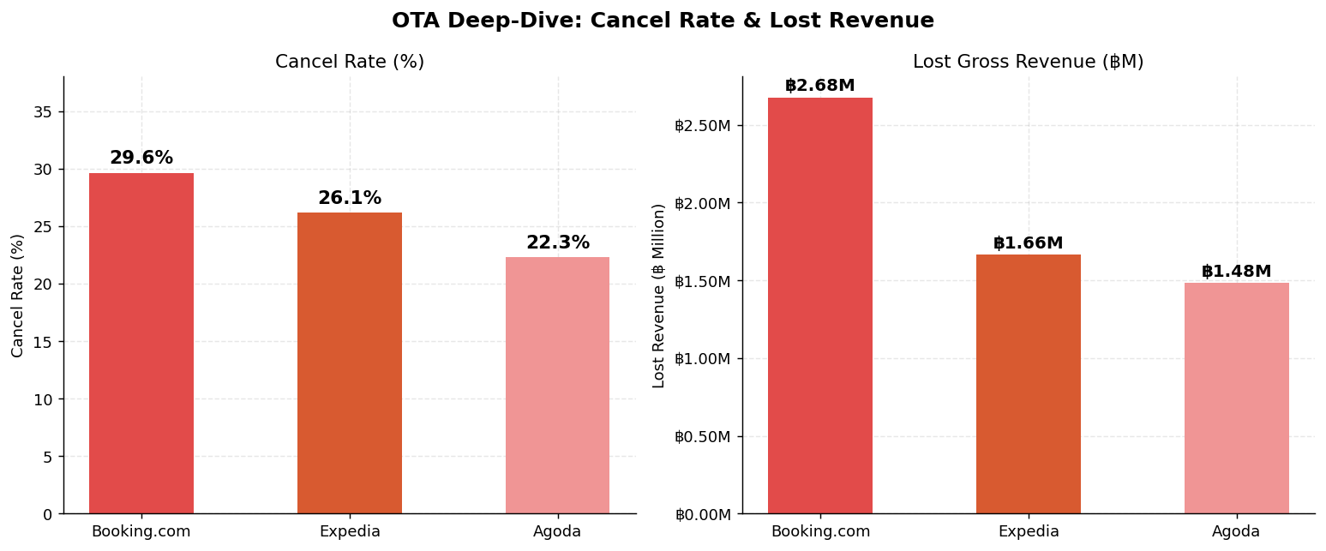

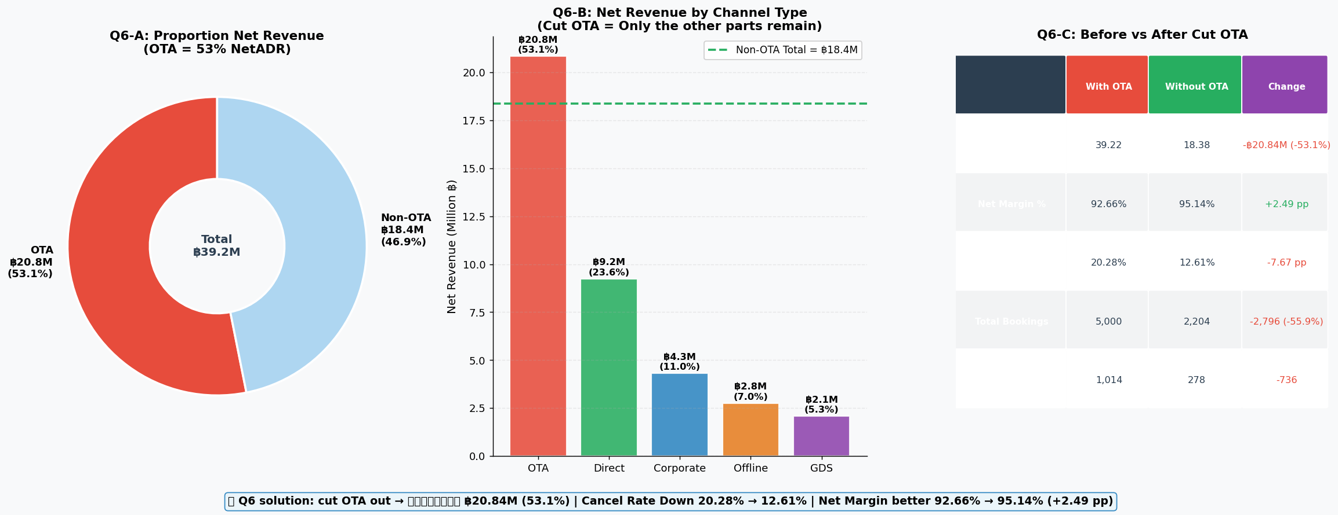
 |  |  | Q6ถ้าตัด OTA ออก → รายได้หายไปเท่าไร vs margin ดีขึ้นเท่าไร

Row Labels | Sum of netmargin | Average of net_room_revenue
Agoda | 93.78% | 7270.0418161
OTA | 93.78% | 7270.0418161
Booking.com | 90.11% | 7469.1135179
OTA | 90.11% | 7469.1135179
Corporate Direct | 97.43% | 7414.619055
Corporate | 97.43% | 7414.619055
Direct Website | 100.00% | 9395.3135007
Direct | 100.00% | 9395.3135007
Expedia | 87.93% | 7641.5830485
OTA | 87.93% | 7641.5830485
GDS (Amadeus) | 80.00% | 6607.3301592
GDS | 80.00% | 6607.3301592
Travel Agency | 90.00% | 7892.7551576
Offline | 90.00% | 7892.7551576
Walk-in | 100.00% | 10520.394455
Direct | 100.00% | 10520.394455
Grand Total | 92.66% | 7844.647812

 |  |  | H3Channels ที่มี Commission สูง จะมี Net Revenue ต่อ booking ต่ำกว่า
 |  |  | เป็นจริง

 |  |  | Q4.มีความสัมพันธ์ระหว่าง:Commission สูง Net ADR ต่ำ จริงหรือไม่
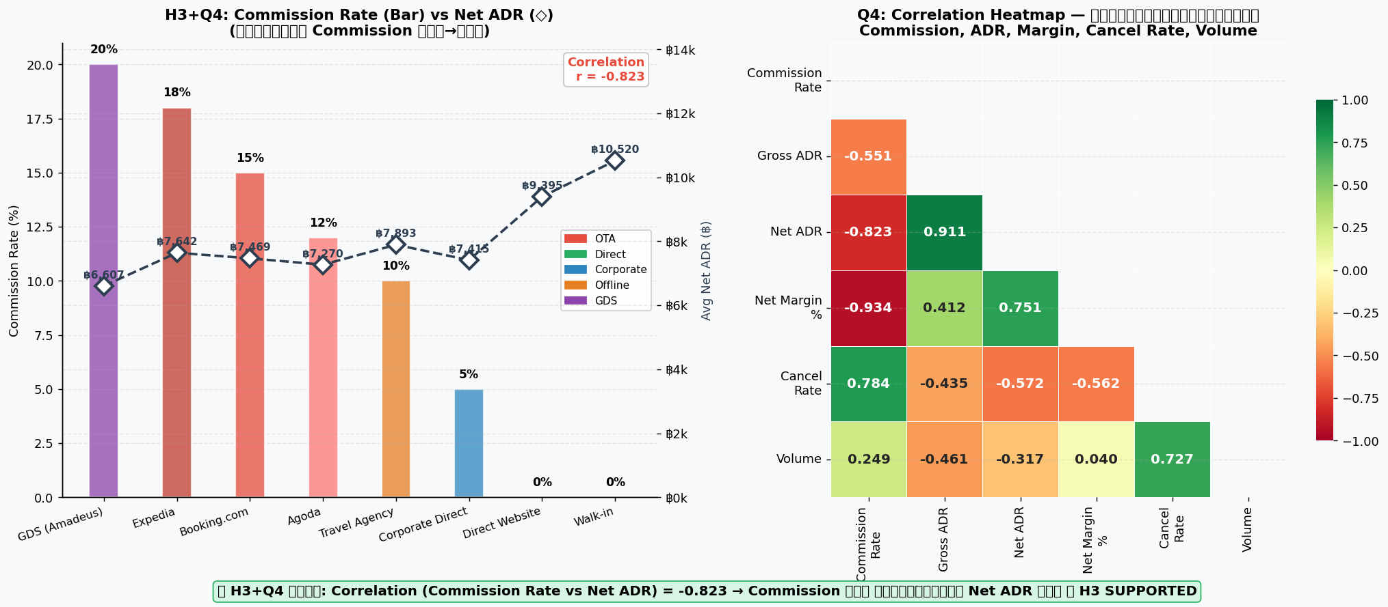

 | Direct (Website, Walk-in) | กำไรดี + เสถียร ควรลงทุนเพิ่ม ยิงads
 | Corporate | กำไรดี + predictable ควรทำสัญญากับรัฐบาลมากขึ้นและบริษัทแต่ละที่มากขึ้นโดยเป็นสัญญาระยะยาว
 | Travel Agent | ไม่เด่น แต่มีประโยชน์บางช่วง ใช้เป็นsup
 | GDS (เช่น Amadeus) | ควรoptimize commission
 | OTA (Booking, Expedia, Agoda) | ปรับจำนวนห้องให้booking พอประมาณ

Sheet4
 | Column Labels
 | Cancelled |  |  | Total Count of booking_id | Total Sum of Net_revenue | Total Sum of Gross Revenue
Row Labels | Count of booking_id | Sum of Net_revenue | Sum of Gross Revenue
Corporate | 61 | 0 | 0 | 61 | 0 | 0
Corporate Direct | 61 | 0 | 0 | 61 | 0 | 0
Direct | 108 | 0 | 0 | 108 | 0 | 0
Direct Website | 90 | 0 | 0 | 90 | 0 | 0
Walk-in | 18 | 0 | 0 | 18 | 0 | 0
GDS | 57 | 0 | 0 | 57 | 0 | 0
GDS (Amadeus) | 57 | 0 | 0 | 57 | 0 | 0
Offline | 52 | 0 | 0 | 52 | 0 | 0
Travel Agency | 52 | 0 | 0 | 52 | 0 | 0
OTA | 736 | 0 | 0 | 736 | 0 | 0
Agoda | 199 | 0 | 0 | 199 | 0 | 0
Booking.com | 332 | 0 | 0 | 332 | 0 | 0
Expedia | 205 | 0 | 0 | 205 | 0 | 0
Grand Total | 1014 | 0 | 0 | 1014 | 0 | 0

