Quinolones MIC Data
# | Compound | Structure | MIC90 (μM) | Remark | SMILES
1 | Avarofloxacin | 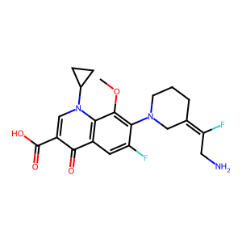 | 50 |  | O=C(C1=CN(C2CC2)C3=C(C=C(F)C(N4C/C(CCC4)=C(F)\CN)=C3OC)C1=O)O
2 | Balofloxacin | 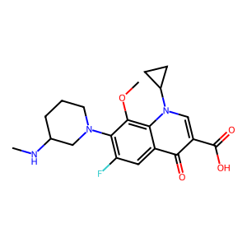 | 16 |  | CNC1CCCN(C1)C2=C(C=C3C(=C2OC)N(C=C(C3=O)C(=O)O)C4CC4)F
3 | Besifloxacin Hydrochloride | 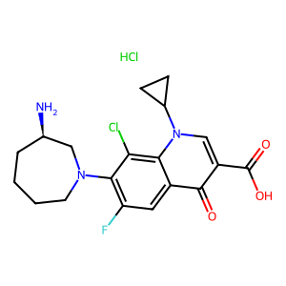 | >16 |  | C1CCN(C[C@@H](C1)N)C2=C(C=C3C(=C2Cl)N(C=C(C3=O)C(=O)O)C4CC4)F.Cl
4 | Cadrofloxacin | 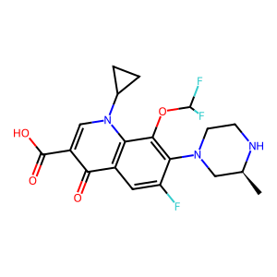 | 3 |  | O=C(O)C1=CN(C2=C(C1=O)C=C(C(N3C[C@@H](NCC3)C)=C2OC(F)F)F)C4CC4
5 | Cinoxacin | 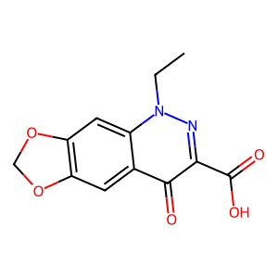 | >16 |  | CCN1C2=CC3=C(C=C2C(=O)C(=N1)C(=O)O)OCO3
6 | Clinafloxacin | 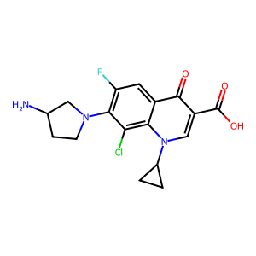 | 4 | insoluble at 5 mM (DMSO) | C1CC1N2C=C(C(=O)C3=CC(=C(C(=C32)Cl)N4CCC(C4)N)F)C(=O)O
7 | Danofloxacin (mesylate) | 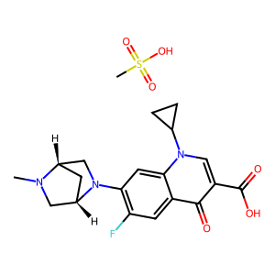 | 48 |  | CN1C[C@@H]2C[C@H]1CN2C3=C(C=C4C(=C3)N(C=C(C4=O)C(=O)O)C5CC5)F.CS(=O)(=O)O
8 | DC-159a |  | 1
9 | Delafloxacin | 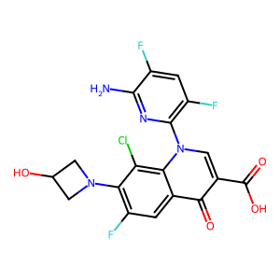 | 12 |  | C1C(CN1C2=C(C=C3C(=C2Cl)N(C=C(C3=O)C(=O)O)C4=C(C=C(C(=N4)N)F)F)F)O
10 | Enoxacin (hydrate) | 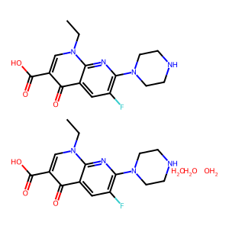 | 52 |  | O.O.O.CCn1cc(C(O)=O)c(=O)c2cc(F)c(nc12)N1CCNCC1.CCn1cc(C(O)=O)c(=O)c2cc(F)c(nc12)N1CCNCC1
11 | Enrofloxacin | 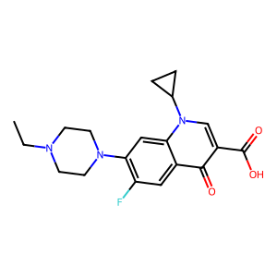 | 23 |  | CCN1CCN(CC1)C2=C(C=C3C(=C2)N(C=C(C3=O)C(=O)O)C4CC4)F
12 | Finafloxacin | 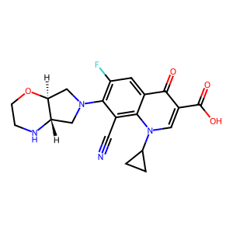 | 42 |  | C1CC1N2C=C(C(=O)C3=CC(=C(C(=C32)C#N)N4C[C@H]5[C@H](C4)OCCN5)F)C(=O)O
13 | Fleroxacin | 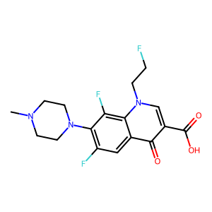 | >128 |  | CN1CCN(CC1)C2=C(C=C3C(=C2F)N(C=C(C3=O)C(=O)O)CCF)F
14 | Flumequine | 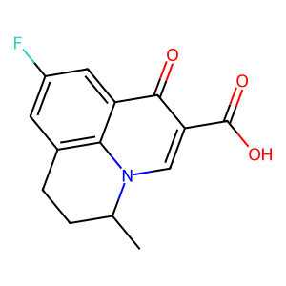 | >16 |  | CC1CCC2=C3N1C=C(C(=O)C3=CC(=C2)F)C(=O)O
15 | Garenoxacin (Mesylate hydrate) | 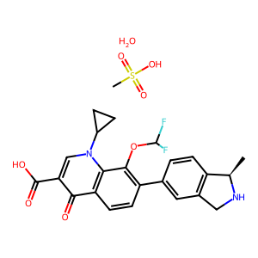 | 128 |  | O=C(O)C1=CN(C2=C(C1=O)C=CC(C3=CC4=C(C=C3)[C@H](NC4)C)=C2OC(F)F)C5CC5.CS(=O)(O)=O.O
16 | Gemifloxacin mesylate | 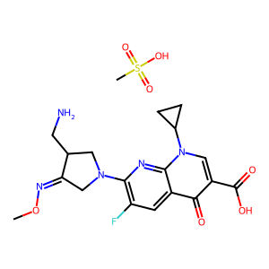 | 106 |  | CO/N=C/1\CN(CC1CN)C2=C(C=C3C(=O)C(=CN(C3=N2)C4CC4)C(=O)O)F.CS(=O)(=O)O
17 | Gepotidacin | 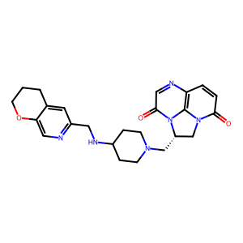 | 32 |  | C1CC2=CC(=NC=C2OC1)CNC3CCN(CC3)C[C@H]4CN5C(=O)C=CC6=C5N4C(=O)C=N6
18 | (R) Gyramide Hydrocholoride | 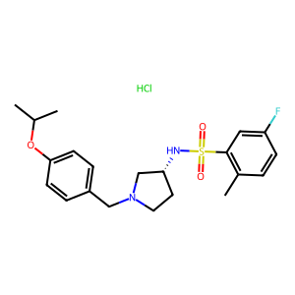 |  |  | CC1=C(C=C(C=C1)F)S(=O)(=O)N[C@@H]2CCN(C2)CC3=CC=C(C=C3)OC(C)C.Cl
19 | Levofloxacin | 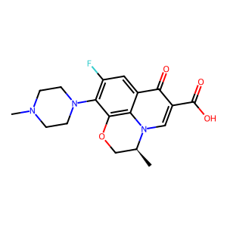 | 10 |  | C[C@H]1COC2=C3N1C=C(C(=O)C3=CC(=C2N4CCN(CC4)C)F)C(=O)O
20 | Lomefloxacin HCl | 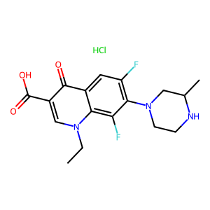 | >64 |  | CCN1C=C(C(=O)C2=CC(=C(C(=C21)F)N3CCNC(C3)C)F)C(=O)O.Cl
21 | Marbofloxacin | 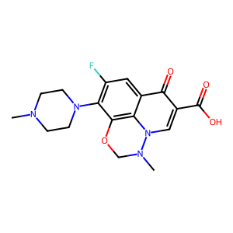 | 8 |  | CN1CCN(CC1)C2=C(C=C3C4=C2OCN(N4C=C(C3=O)C(=O)O)C)F
22 | Merafloxacin | 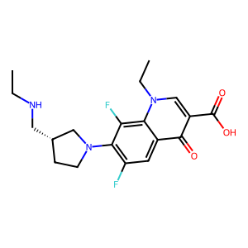 | >16 | insoluble at 5 mM (DMSO) | CCNC[C@H]1CCN(C1)C2=C(C=C3C(=C2F)N(C=C(C3=O)C(=O)O)CC)F
23 | Moxifloxacin Hydrochloride | 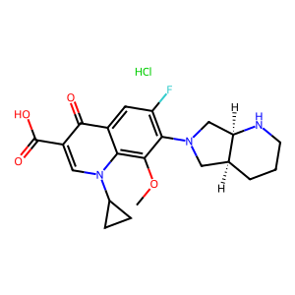 | 4 |  | COC1=C2C(=CC(=C1N3C[C@@H]4CCCN[C@@H]4C3)F)C(=O)C(=CN2C5CC5)C(=O)O.Cl
24 | Nadifloxacin | 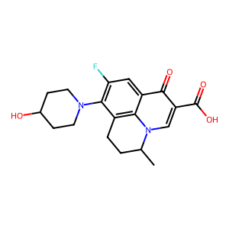 | 128 |  | CC1CCC2=C3N1C=C(C(=O)C3=CC(=C2N4CCC(CC4)O)F)C(=O)O
25 | Nalidixic acid | 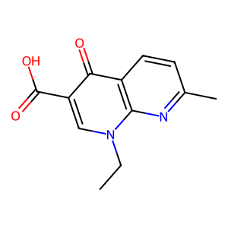 | >16 |  | CCN1C=C(C(=O)C2=C1N=C(C=C2)C)C(=O)O
26 | Norfloxacin | 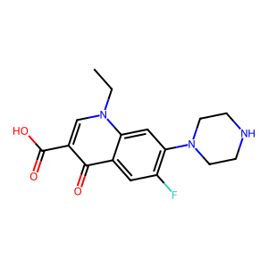 | 128 |  | CCN1C=C(C(=O)C2=CC(=C(C=C21)N3CCNCC3)F)C(=O)O
27 | Ofloxacin | 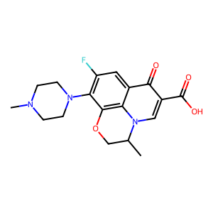 | >16 | dissolved in water | CC1COC2=C3N1C=C(C(=O)C3=CC(=C2N4CCN(CC4)C)F)C(=O)O
28 | Orbifloxacin | 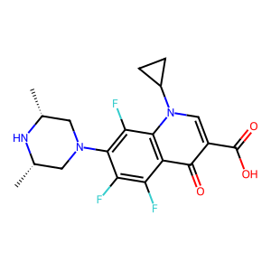 | 16 |  | C[C@@H]1CN(C[C@@H](N1)C)C2=C(C3=C(C(=C2F)F)C(=O)C(=CN3C4CC4)C(=O)O)F
29 | Oxolinic acid | 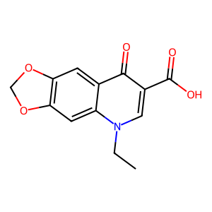 | >16 |  | CCN1C=C(C(=O)C2=CC3=C(C=C21)OCO3)C(=O)O
30 | Pazufloxacin (mesylate) | 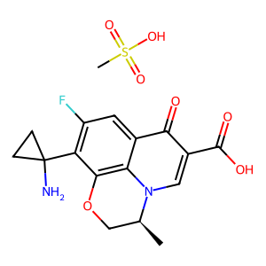 | >48 |  | C[C@H]1COC2=C3N1C=C(C(=O)C3=CC(=C2C4(CC4)N)F)C(=O)O.CS(=O)(=O)O
31 | Pefloxacin | 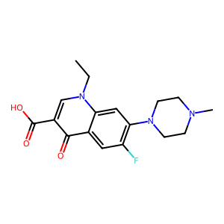 | >64 |  | CCN1C=C(C(=O)C2=CC(=C(C=C21)N3CCN(CC3)C)F)C(=O)O
32 | Pipemidic acid | 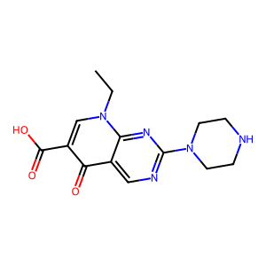 | >16 |  | CCN1C=C(C(=O)C2=CN=C(N=C21)N3CCNCC3)C(=O)O
33 | Prulifloxacin | 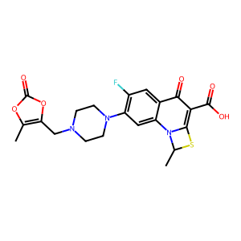 | 50 |  | CC1N2C3=CC(=C(C=C3C(=O)C(=C2S1)C(=O)O)F)N4CCN(CC4)CC5=C(OC(=O)O5)C
34 | Quarfloxin | 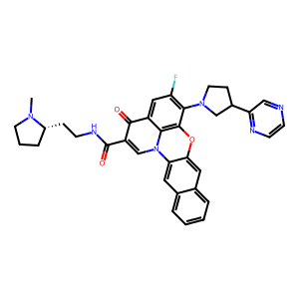 | >16 | insoluble at 5 mM (DMSO) | CN1CCC[C@H]1CCNC(=O)C2=CN3C4=CC5=CC=CC=C5C=C4OC6=C3C(=CC(=C6N7CCC(C7)C8=NC=CN=C8)F)C2=O
35 | Rosoxacin | 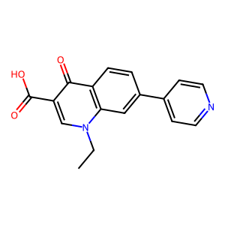 | >16 |  | CCN1C=C(C(=O)C2=C1C=C(C=C2)C3=CC=NC=C3)C(=O)O
36 | Rufloxacin hydrochloride | 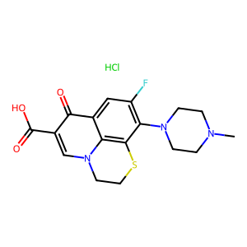 | 140 |  | Cl.CN1CCN(CC1)C1=C(F)C=C2C(=O)C(=CN3CCSC1=C23)C(O)=O
37 | Sitafloxacin (hydrate) | 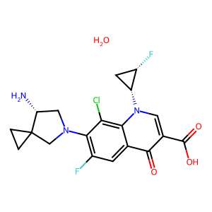 | 0.4 |  | C1CC12CN(C[C@H]2N)C3=C(C=C4C(=C3Cl)N(C=C(C4=O)C(=O)O)[C@@H]5C[C@@H]5F)F.O
38 | Sparfloxacin | 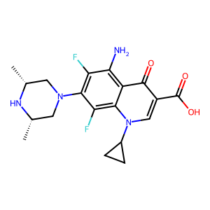 | 8 |  | C[C@@H]1CN(C[C@@H](N1)C)C2=C(C(=C3C(=C2F)N(C=C(C3=O)C(=O)O)C4CC4)N)F
39 | Temafloxacin | 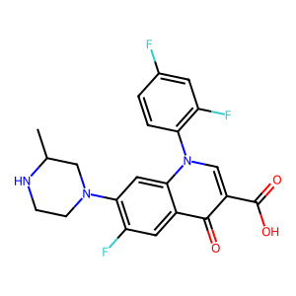 | >16 | insoluble at 5 mM (DMSO) | CC1CN(CCN1)C2=C(C=C3C(=C2)N(C=C(C3=O)C(=O)O)C4=C(C=C(C=C4)F)F)F
40 | Tosufloxacin (tosylate hydrate) | 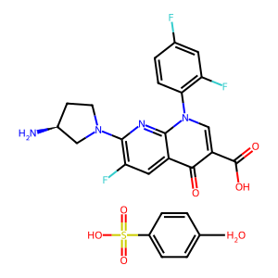 | >48 |  | CC1=CC=C(S(=O)(O)=O)C=C1.N[C@@H]2CN(C3=C(F)C=C4C(C(C(O)=O)=CN(C5=C(F)C=C(F)C=C5)C4=N3)=O)CC2.O
41 | Trovafloxacin (mesylate) | 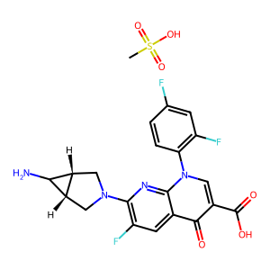 | >48 |  | CS(=O)(=O)O.C1[C@@H]2[C@@H](C2N)CN1C3=C(C=C4C(=O)C(=CN(C4=N3)C5=C(C=C(C=C5)F)F)C(=O)O)F
42 | Zoliflodacin | 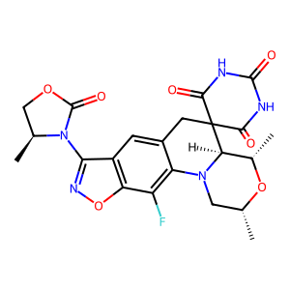 | 128 |  | C[C@@H]1CN2[C@H]([C@@H](O1)C)C3(CC4=CC5=C(C(=C42)F)ON=C5N6[C@H](COC6=O)C)C(=O)NC(=O)NC3=O

