Compounds
Structure | canonical_smiles | SMILES_state | NLL | pred_logIC50_uM | pred_ic50_uM | pred_pIC50 | pred_cLogP | pred_logS_ESOL | pred_Solubility_ESOL_mol_per_L | pred_Solubility_ESOL_class | pred_MetStab_Clearance_Microsome_AZ | pred_MetStab_Clearance_Hepatocyte_AZ | pred_MetStab_Half_Life_Obach | passes_optimal
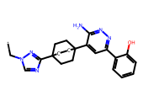 | *Cn1cnc(C23CCC(c4cc(-c5ccccc5O)nnc4N)(CC2)CC3)n1 | 0.0000 | 23.2100 | 1.2709 | 18.6596 | 4.7291 | 3.0733 | -4.7375 | 0.0000 | Moderately Soluble | 47.3173 | 16.2838 | 4.2976 | 0.0000
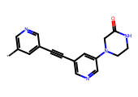 | *c1cncc(C#Cc2cncc(N3CCNC(=O)C3)c2)c1 | 0.0000 | 12.9700 | 1.3540 | 22.5918 | 4.6460 | -0.0128 | -1.7924 | 0.0161 | Very Soluble | 9.5566 | 25.5691 | 38.7117 | 0.0000
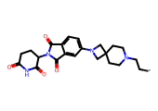 | *CCN1CCC2(CC1)CN(c1ccc3c(c1)C(=O)N(C1CCC(=O)NC1=O)C3=O)C2 | 0.0000 | 7.4900 | 1.3725 | 23.5780 | 4.6275 | 0.9576 | -3.2259 | 0.0006 | Soluble | 16.0902 | -23.9417 | 32.4091 | 0.0000
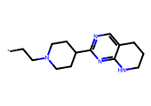 | *CCN1CCC(c2ncc3c(n2)NCCC3)CC1 | 0.0000 | 15.7400 | 1.3772 | 23.8344 | 4.6228 | 1.9817 | -2.9555 | 0.0011 | Soluble | 5.3521 | -9.1681 | 21.6050 | 0.0000
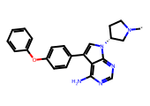 | *N1CC[C@@H](n2cc(-c3ccc(Oc4ccccc4)cc3)c3c(N)ncnc32)C1 | 0.0000 | 10.6300 | 1.4075 | 25.5540 | 4.5925 | 4.1839 | -5.5868 | 0.0000 | Moderately Soluble | 55.6261 | 51.1137 | 70.5143 | 0.0000
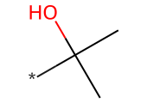 | *C(C)(C)O | 0.0000 | 0.0400 | 1.4824 | 30.3671 | 4.5176 | 0.2641 | -0.3255 | 0.4726 | Very Soluble | -10.4633 | 49.6596 | 12.4738 | 0.0000
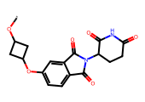 | *OC1CC(Oc2ccc3c(c2)C(=O)N(C2CCC(=O)NC2=O)C3=O)C1 | 0.0000 | 4.3700 | 1.5383 | 34.5407 | 4.4617 | 0.4785 | -2.4489 | 0.0036 | Soluble | 42.7093 | 34.3413 | 27.2231 | 0.0000
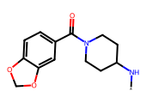 | *NC1CCN(C(=O)c2ccc3c(c2)OCO3)CC1 | 0.0000 | 10.9300 | 1.5841 | 38.3833 | 4.4159 | 1.0738 | -2.2983 | 0.0050 | Soluble | 48.2464 | 67.9251 | 4.9135 | 0.0000
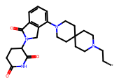 | *CCN1CCC2(CC1)CCN(c1cccc3c1CN(C1CCC(=O)NC1=O)C3=O)CC2 | 0.0000 | 11.6900 | 1.6207 | 41.7517 | 4.3793 | 2.0976 | -4.1619 | 0.0001 | Moderately Soluble | 20.1000 | -19.2783 | 26.7992 | 0.0000
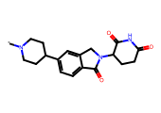 | *N1CCC(c2ccc3c(c2)CN(C2CCC(=O)NC2=O)C3=O)CC1 | 0.0000 | 7.1100 | 1.6346 | 43.1098 | 4.3654 | 1.0913 | -2.8022 | 0.0016 | Soluble | 7.9250 | 2.9612 | 13.7706 | 0.0000
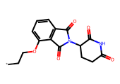 | *CCOc1cccc2c1C(=O)N(C1CCC(=O)NC1=O)C2=O | 0.0000 | 6.9500 | 1.6697 | 46.7438 | 4.3303 | 0.4342 | -2.1508 | 0.0071 | Soluble | 31.3662 | 26.2813 | 12.8745 | 0.0000
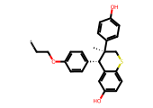 | *CCOc1ccc([C@H]2c3cc(O)ccc3SC[C@]2(C)c2ccc(O)cc2)cc1 | 0.0000 | 19.8600 | 1.6792 | 47.7719 | 4.3208 | 5.6397 | -6.7583 | 0.0000 | Poorly Soluble | 98.6260 | 95.6368 | 35.1158 | 0.0000
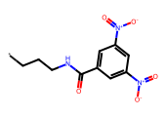 | *CCCNC(=O)c1cc([N+](=O)[O-])cc([N+](=O)[O-])c1 | 0.0000 | 7.3000 | 1.6861 | 48.5383 | 4.3139 | 1.5905 | -2.7004 | 0.0020 | Soluble | 31.4306 | 25.8535 | 18.6795 | 0.0000
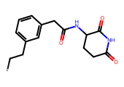 | *CCc1cccc(CC(=O)NC2CCC(=O)NC2=O)c1 | 0.0000 | 18.3700 | 1.6861 | 48.5383 | 4.3139 | 0.6606 | -2.1409 | 0.0072 | Soluble | 19.9815 | 14.7794 | -0.3882 | 0.0000
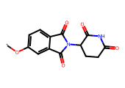 | *Oc1ccc2c(c1)C(=O)N(C1CCC(=O)NC1=O)C2=O | 0.0000 | 2.5900 | 1.6879 | 48.7455 | 4.3121 | -0.0691 | -1.6095 | 0.0246 | Very Soluble | 27.3018 | 23.5166 | 14.5548 | 0.0000
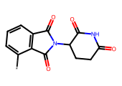 | *c1cccc2c1C(=O)N(C1CCC(=O)NC1=O)C2=O | 0.0000 | 6.8400 | 1.6879 | 48.7455 | 4.3121 | -0.7376 | -1.0174 | 0.0961 | Very Soluble | 19.2468 | 24.8043 | 15.2924 | 0.0000
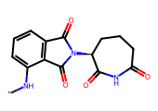 | *Nc1cccc2c1C(=O)N([C@H]1CCCC(=O)NC1=O)C2=O | 0.0000 | 12.7100 | 1.6879 | 48.7455 | 4.3121 | 0.3541 | -2.0041 | 0.0099 | Soluble | 40.1051 | 38.0868 | 20.2349 | 0.0000
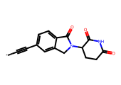 | *C#Cc1ccc2c(c1)CN(C1CCC(=O)NC1=O)C2=O | 0.0000 | 9.8200 | 1.6879 | 48.7455 | 4.3121 | 0.3059 | -1.8517 | 0.0141 | Very Soluble | 6.3968 | 11.0544 | 45.7795 | 0.0000
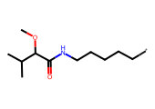 | *CCCCCNC(=O)C(OC)C(C)C | 0.0000 | 19.9400 | 1.6960 | 49.6576 | 4.3040 | 1.9115 | -2.4537 | 0.0035 | Soluble | 59.8679 | 83.7914 | 22.6002 | 0.0000
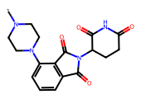 | *N1CCN(c2cccc3c2C(=O)N(C2CCC(=O)NC2=O)C3=O)CC1 | 0.0000 | 6.7900 | 1.7869 | 61.2162 | 4.2131 | -0.3259 | -1.8462 | 0.0143 | Very Soluble | 27.2211 | 13.5390 | 9.9167 | 0.0000
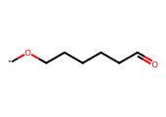 | *OCCCCCC=O | 0.0000 | 14.4400 | 1.7922 | 61.9769 | 4.2078 | 1.2266 | -1.3894 | 0.0408 | Very Soluble | 46.4078 | 95.2285 | 15.9541 | 0.0000
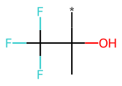 | *C(C)(O)C(F)(F)F | 0.0000 | 4.9500 | 1.7922 | 61.9769 | 4.2078 | 0.8065 | -1.0847 | 0.0823 | Very Soluble | 0.5847 | 28.0397 | 22.6223 | 0.0000
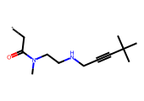 | *CC(=O)N(C)CCNCC#CC(C)(C)C | 0.0000 | 23.2300 | 1.7922 | 61.9769 | 4.2078 | 1.0515 | -1.8858 | 0.0130 | Very Soluble | 30.3032 | 42.6834 | 12.1486 | 0.0000
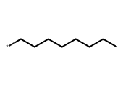 | *CCCCCCCC | 0.0000 | 4.9500 | 1.7922 | 61.9769 | 4.2078 | 3.3145 | -2.9252 | 0.0012 | Soluble | 97.6224 | 135.5052 | 46.9662 | 0.0000
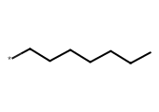 | *CCCCCCC | 0.0000 | 3.6200 | 1.7922 | 61.9769 | 4.2078 | 2.9244 | -2.5466 | 0.0028 | Soluble | 91.6874 | 132.2439 | 43.2557 | 0.0000
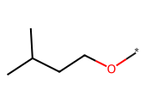 | *OCCC(C)C | 0.0000 | 8.3300 | 1.7922 | 61.9769 | 4.2078 | 1.5134 | -1.4272 | 0.0374 | Very Soluble | 88.2822 | 128.9463 | 38.3758 | 0.0000
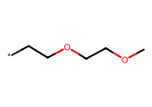 | *CCOCCOC | 0.0000 | 10.4200 | 1.7922 | 61.9769 | 4.2078 | 0.6170 | -0.8613 | 0.1376 | Very Soluble | 34.4698 | 82.6358 | 28.1298 | 0.0000
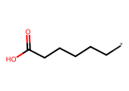 | *CCCCCC(=O)O | 0.0000 | 6.7800 | 1.7922 | 61.9769 | 4.2078 | 1.5990 | -1.6691 | 0.0214 | Very Soluble | 1.9098 | 44.8638 | -14.6637 | 0.0000
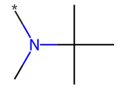 | *N(C)C(C)(C)C | 0.0000 | 11.6200 | 1.7922 | 61.9769 | 4.2078 | 1.1810 | -1.1845 | 0.0654 | Very Soluble | 47.7787 | 78.4493 | 32.6348 | 0.0000
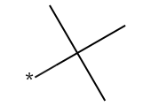 | *C(C)(C)C | 0.0000 | 4.4100 | 1.7922 | 61.9769 | 4.2078 | 1.7541 | -1.4175 | 0.0382 | Very Soluble | 58.6242 | 110.3910 | 27.3688 | 0.0000
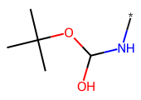 | *NC(O)OC(C)(C)C | 0.0000 | 9.7000 | 1.7922 | 61.9769 | 4.2078 | 0.1313 | -0.6107 | 0.2451 | Very Soluble | 13.2763 | 55.9228 | 12.3911 | 0.0000
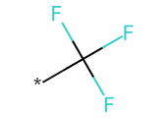 | *C(F)(F)F | 0.0000 | 5.3000 | 1.7922 | 61.9769 | 4.2078 | 1.0555 | -0.9780 | 0.1052 | Very Soluble | 24.2599 | 67.2650 | 38.0387 | 0.0000
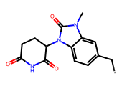 | *Cc1ccc2c(c1)n(C)c(=O)n2C1CCC(=O)NC1=O | 0.0000 | 7.0000 | 1.8164 | 65.5210 | 4.1836 | 0.3670 | -1.9876 | 0.0103 | Very Soluble | 18.5852 | 24.9793 | 11.2160 | 0.0000
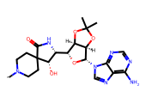 | *N1CCC2(CC1)C(=O)N[C@H]([C@H]1O[C@@H](n3cnc4c(N)ncnc43)[C@@H]3OC(C)(C)O[C@H]13)[C@@H]2O | 0.0000 | 20.3900 | 1.8221 | 66.3831 | 4.1779 | -0.7682 | -2.2181 | 0.0061 | Soluble | 31.8425 | -15.9927 | 23.1242 | 0.0000
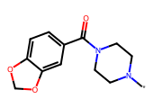 | *N1CCN(C(=O)c2ccc3c(c2)OCO3)CC1 | 0.0000 | 10.9400 | 1.8536 | 71.3824 | 4.1464 | 0.6374 | -1.8928 | 0.0128 | Very Soluble | 52.6702 | 69.5096 | -0.7190 | 0.0000
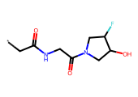 | *CC(=O)NCC(=O)N1CC(O)C(F)C1 | 0.0000 | 17.2900 | 1.8624 | 72.8393 | 4.1376 | -1.3886 | -0.0424 | 0.9069 | Very Soluble | -0.0168 | -8.3687 | 0.7358 | 0.0000
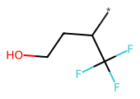 | *C(CCO)C(F)(F)F | 0.0000 | 17.5700 | 1.8855 | 76.8219 | 4.1145 | 1.2689 | -1.5135 | 0.0307 | Very Soluble | -1.2141 | 56.5557 | 23.7211 | 0.0000
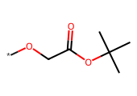 | *OCC(=O)OC(C)(C)C | 0.0000 | 4.5000 | 1.8855 | 76.8219 | 4.1145 | 0.8090 | -1.1993 | 0.0632 | Very Soluble | 94.8969 | 115.3229 | 21.4847 | 0.0000
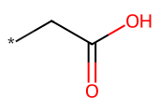 | *CC(=O)O | 0.0000 | 4.9600 | 1.8921 | 78.0047 | 4.1079 | 0.0386 | -0.1545 | 0.7007 | Very Soluble | -24.4500 | -10.5398 | -8.6366 | 0.0000
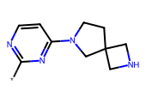 | *c1nccc(N2CCC3(CNC3)C2)n1 | 0.0000 | 11.0000 | 1.8921 | 78.0047 | 4.1079 | -0.5491 | -0.7502 | 0.1777 | Very Soluble | -8.1454 | -9.1829 | -6.9033 | 0.0000
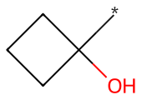 | *C1(O)CCC1 | 0.0000 | 6.6700 | 1.8921 | 78.0047 | 4.1079 | 0.4082 | -0.5118 | 0.3078 | Very Soluble | 1.2541 | 50.0621 | 9.0514 | 0.0000
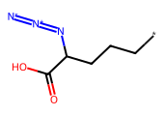 | *CCCC(N=[N+]=[N-])C(=O)O | 0.0000 | 17.5000 | 1.8921 | 78.0047 | 4.1079 | 1.4977 | -1.7724 | 0.0169 | Very Soluble | 1.5886 | 11.2682 | -19.9183 | 0.0000
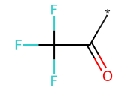 | *C(=O)C(F)(F)F | 0.0000 | 1.4200 | 1.8921 | 78.0047 | 4.1079 | 0.6246 | -0.8437 | 0.1433 | Very Soluble | 11.9234 | 39.7116 | 17.2043 | 0.0000
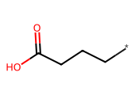 | *CCCC(=O)O | 0.0000 | 6.1500 | 1.8921 | 78.0047 | 4.1079 | 0.8188 | -0.9118 | 0.1225 | Very Soluble | -10.4452 | 24.3814 | -12.9454 | 0.0000
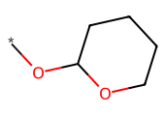 | *OC1CCCCO1 | 0.0000 | 6.6500 | 1.8921 | 78.0047 | 4.1079 | 0.9939 | -1.1413 | 0.0722 | Very Soluble | 59.0986 | 86.6200 | 23.1472 | 0.0000
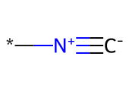 | *[N+]#[C-] | 0.0000 | 5.2200 | 1.8921 | 78.0047 | 4.1079 | 0.3700 | -0.1853 | 0.6527 | Very Soluble | 29.0804 | 74.9585 | 19.6728 | 0.0000
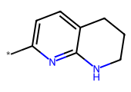 | *c1ccc2c(n1)NCCC2 | 0.0000 | 5.1200 | 1.8921 | 78.0047 | 4.1079 | 0.6143 | -1.3077 | 0.0492 | Very Soluble | 26.8838 | 55.9957 | 13.0400 | 0.0000
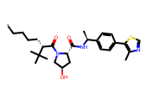 | *CCCC[C@H](C(=O)N1C[C@H](O)C[C@H]1C(=O)N[C@@H](C)c1ccc(-c2scnc2C)cc1)C(C)(C)C | 0.0000 | 14.0900 | 1.9342 | 85.9386 | 4.0658 | 5.0577 | -6.7985 | 0.0000 | Poorly Soluble | 79.5191 | 51.8197 | 37.2304 | 0.0000
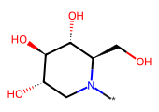 | *N1C[C@H](O)[C@@H](O)[C@H](O)[C@H]1CO | 0.0000 | 8.7600 | 1.9817 | 95.8804 | 4.0183 | -2.7901 | 1.2615 | 18.2585 | Highly Soluble | -16.3948 | 13.0746 | 12.5000 | 0.0000
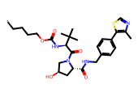 | *CCCCOC(=O)N[C@H](C(=O)N1C[C@H](O)C[C@H]1C(=O)NCc1ccc(-c2scnc2C)cc1)C(C)(C)C | 0.0000 | 13.2700 | 1.9934 | 98.4954 | 4.0066 | 3.5852 | -5.9900 | 0.0000 | Moderately Soluble | 100.5312 | 70.7675 | 13.0143 | 0.0000
 | *N1CCN(c2ccnc(N3CCn4c(cc5c4CC(C)(C)C5)C3=O)c2)CC1 | 0.0000 | 13.7400 | 1.9958 | 99.0305 | 4.0042 | 2.2546 | -3.9821 | 0.0001 | Soluble | 89.3895 | 59.7695 | 37.6395 | 0.0000
 | *c1ccccc1 | 0.0000 | 1.6700 | 2.0077 | 101.7999 | 3.9923 | 0.8612 | -1.2528 | 0.0559 | Very Soluble | 68.2811 | 117.6860 | 25.3534 | 0.0000
 | *Cc1ccccc1 | 0.0000 | 3.9200 | 2.0077 | 101.7999 | 3.9923 | 1.7359 | -1.9452 | 0.0113 | Very Soluble | 80.0658 | 118.9116 | 19.7167 | 0.0000
 | *CCN1C(=O)CN(CC)C1=O | 0.0000 | 12.8900 | 2.0087 | 102.0118 | 3.9913 | 0.2381 | -0.9314 | 0.1171 | Very Soluble | 58.4834 | 82.8348 | 4.8760 | 0.0000
 | *CC(=O)NO | 0.0000 | 5.1500 | 2.0153 | 103.5823 | 3.9847 | -0.5406 | 0.1758 | 1.4990 | Highly Soluble | -17.5466 | 7.5663 | -4.0084 | 0.0000
 | *c1ccccc1F | 0.0000 | 5.0400 | 2.0347 | 108.3098 | 3.9653 | 1.0003 | -1.4293 | 0.0372 | Very Soluble | 66.7880 | 114.3929 | 32.5075 | 0.0000
 | *c1cccc(F)c1 | 0.0000 | 5.3100 | 2.0347 | 108.3098 | 3.9653 | 1.0003 | -1.4293 | 0.0372 | Very Soluble | 66.1625 | 115.3893 | 39.3944 | 0.0000
 | *c1cccnc1 | 0.0000 | 4.3100 | 2.0347 | 108.3098 | 3.9653 | 0.2562 | -0.8107 | 0.1546 | Very Soluble | 36.3641 | 80.2046 | 15.9334 | 0.0000
 | *CC(=O)NC(C(=O)N1C[C@H](O)C[C@H]1C(=O)NCc1ccc(-c2scnc2C)cc1)C(C)(C)C | 0.0000 | 7.1900 | 2.0645 | 116.0227 | 3.9355 | 2.1950 | -4.5996 | 0.0000 | Moderately Soluble | 71.2819 | 29.8421 | -2.8078 | 0.0000
 | *CC(=O)N[C@H](C(=O)N1C[C@H](O)C[C@H]1C(=O)NCc1ccc(-c2scnc2C)cc1)C(C)(C)C | 0.0000 | 7.6000 | 2.0645 | 116.0227 | 3.9355 | 2.1950 | -4.5996 | 0.0000 | Moderately Soluble | 79.4850 | 40.6991 | -1.4082 | 0.0000
 | *CC(=O)N[C@H](C(=O)N1C[C@H](O)C[C@H]1C(=O)N[C@@H](C)c1ccc(-c2scnc2C)cc1)C(C)(C)C | 0.0000 | 6.7400 | 2.0645 | 116.0227 | 3.9355 | 2.7560 | -5.1046 | 0.0000 | Moderately Soluble | 65.8486 | 23.2223 | 7.7616 | 0.0000
 | *CC(=O)N[C@H](C(=O)N1C[C@H](O)C[C@H]1C(=O)NC(C)c1ccc(-c2scnc2C)cc1)C(C)(C)C | 0.0000 | 9.7800 | 2.0645 | 116.0227 | 3.9355 | 2.7560 | -5.1046 | 0.0000 | Moderately Soluble | 69.3912 | 27.8319 | 8.0412 | 0.0000
 | *CCNC(=O)OCc1ccccc1 | 0.0000 | 8.1300 | 2.0779 | 119.6418 | 3.9221 | 1.8804 | -2.4810 | 0.0033 | Soluble | 66.9706 | 84.4424 | 1.1627 | 0.0000
 | *c1ccc(OC)cc1 | 0.0000 | 5.4900 | 2.1010 | 126.1834 | 3.8990 | 0.8698 | -1.3732 | 0.0423 | Very Soluble | 74.8981 | 119.1607 | 25.9114 | 0.0000
 | *CC#Cc1cc2c(cc1[N+](=O)[O-])OCO2 | 0.0000 | 10.5000 | 2.1010 | 126.1834 | 3.8990 | 1.6426 | -2.4638 | 0.0034 | Soluble | 69.1207 | 82.0588 | 35.6270 | 0.0000
 | *Cn1ccc2c(N)nc(OCC)nc21 | 0.0000 | 18.1400 | 2.1010 | 126.1834 | 3.8990 | 0.9190 | -1.9304 | 0.0117 | Very Soluble | 46.2696 | 53.3219 | 18.2999 | 0.0000
 | *NC[C@H](O)c1ccc(O)c2[nH]c(=O)ccc12 | 0.0000 | 5.5600 | 2.1034 | 126.8739 | 3.8966 | 0.3210 | -1.6671 | 0.0215 | Very Soluble | 16.5254 | 30.0037 | -9.2070 | 0.0000

