Compounds
Structure | canonical_smiles | SMILES_state | NLL | pred_logIC50_uM | pred_ic50_uM | pred_pIC50 | pred_cLogP | pred_logS_ESOL | pred_Solubility_ESOL_mol_per_L | pred_Solubility_ESOL_class | pred_MetStab_Clearance_Microsome_AZ | pred_MetStab_Clearance_Hepatocyte_AZ | pred_MetStab_Half_Life_Obach | passes_optimal
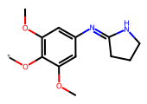 | *Oc1c(OC)cc(/N=C2\CCCN2)cc1OC | 0.0000 | 23.0200 | 1.3305 | 21.4046 | 4.6695 | 1.9603 | -2.8770 | 0.0013 | Soluble | 18.6546 | 18.0433 | 1.2189 | 0.0000
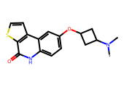 | *N(C)C1CC(Oc2ccc3[nH]c(=O)c4sccc4c3c2)C1 | 0.0000 | 23.0400 | 1.3583 | 22.8194 | 4.6417 | 3.0487 | -4.2215 | 0.0001 | Moderately Soluble | 50.9302 | 58.7312 | 75.2664 | 0.0000
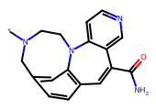 | *N1CCN2c3cc(ccc3C=C(C(N)=O)c3cnccc32)C1 | 0.0000 | 29.0900 | 1.3673 | 23.2997 | 4.6327 | 1.8389 | -3.2484 | 0.0006 | Soluble | 31.1220 | 31.7058 | 4.2547 | 0.0000
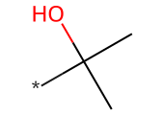 | *C(C)(C)O | 0.0000 | 0.0400 | 1.4824 | 30.3671 | 4.5176 | 0.2641 | -0.3255 | 0.4726 | Very Soluble | -10.4633 | 49.6596 | 12.4738 | 0.0000
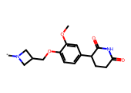 | *N1CC(COc2ccc(C3CCC(=O)NC3=O)cc2OC)C1 | 0.0000 | 19.4700 | 1.4948 | 31.2455 | 4.5052 | 0.9903 | -2.5734 | 0.0027 | Soluble | -0.6644 | 3.7978 | 6.8228 | 0.0000
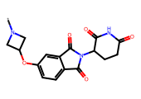 | *N1CC(Oc2ccc3c(c2)C(=O)N(C2CCC(=O)NC2=O)C3=O)C1 | 0.0000 | 6.8200 | 1.6045 | 40.2294 | 4.3955 | -0.3849 | -1.7166 | 0.0192 | Very Soluble | 21.7539 | 17.1316 | 13.2595 | 0.0000
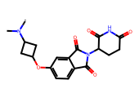 | *N(C)C1CC(Oc2ccc3c(c2)C(=O)N(C2CCC(=O)NC2=O)C3=O)C1 | 0.0000 | 7.7500 | 1.6346 | 43.1098 | 4.3654 | 0.3937 | -2.4686 | 0.0034 | Soluble | 29.3496 | 21.0616 | 20.2707 | 0.0000
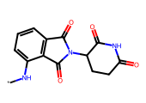 | *Nc1cccc2c1C(=O)N(C1CCC(=O)NC1=O)C2=O | 0.0000 | 3.5100 | 1.6697 | 46.7438 | 4.3303 | -0.0360 | -1.6275 | 0.0236 | Very Soluble | 30.3271 | 26.3802 | 20.8998 | 0.0000
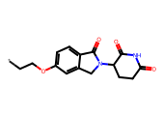 | *CCOc1ccc2c(c1)CN(C1CCC(=O)NC1=O)C2=O | 0.0000 | 6.7500 | 1.6697 | 46.7438 | 4.3303 | 0.7940 | -2.3303 | 0.0047 | Soluble | 24.9643 | 23.4166 | 5.4661 | 0.0000
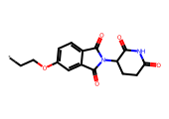 | *CCOc1ccc2c(c1)C(=O)N(C1CCC(=O)NC1=O)C2=O | 0.0000 | 7.1600 | 1.6697 | 46.7438 | 4.3303 | 0.4342 | -2.1508 | 0.0071 | Soluble | 31.9571 | 26.5825 | 12.7300 | 0.0000
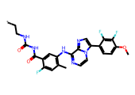 | *CCNC(=O)NC(=O)c1cc(Nc2nccn3c(-c4ccc(OC)c(F)c4F)cnc23)c(C)cc1F | 0.0000 | 22.9400 | 1.6735 | 47.1546 | 4.3265 | 4.2812 | -6.4219 | 0.0000 | Poorly Soluble | 94.3774 | 59.9667 | 84.6234 | 0.0000
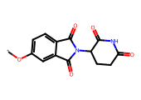 | *Oc1ccc2c(c1)C(=O)N(C1CCC(=O)NC1=O)C2=O | 0.0000 | 2.5900 | 1.6879 | 48.7455 | 4.3121 | -0.0691 | -1.6095 | 0.0246 | Very Soluble | 27.3018 | 23.5166 | 14.5548 | 0.0000
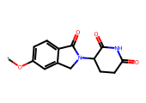 | *Oc1ccc2c(c1)CN(C1CCC(=O)NC1=O)C2=O | 0.0000 | 3.8700 | 1.6879 | 48.7455 | 4.3121 | 0.2907 | -1.7900 | 0.0162 | Very Soluble | 19.6756 | 19.6428 | 7.3402 | 0.0000
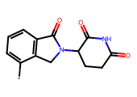 | *c1cccc2c1CN(C1CCC(=O)NC1=O)C2=O | 0.0000 | 6.0900 | 1.6879 | 48.7455 | 4.3121 | -0.3778 | -1.1985 | 0.0633 | Very Soluble | 11.8821 | 23.0848 | 11.7403 | 0.0000
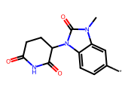 | *c1ccc2c(c1)n(C)c(=O)n2C1CCC(=O)NC1=O | 0.0000 | 6.2700 | 1.7471 | 55.8542 | 4.2529 | -0.5077 | -1.2587 | 0.0551 | Very Soluble | 6.6639 | 22.1203 | 21.8114 | 0.0000
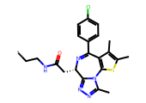 | *CCNC(=O)C[C@@H]1N=C(c2ccc(Cl)cc2)c2c(sc(C)c2C)-n2c(C)nnc21 | 0.0000 | 8.2100 | 1.7710 | 59.0200 | 4.2290 | 4.2735 | -5.9422 | 0.0000 | Moderately Soluble | 26.0994 | 9.6432 | 61.2482 | 0.0000
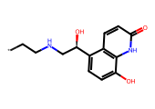 | *CCNC[C@@H](O)c1ccc(O)c2[nH]c(=O)ccc12 | 0.0000 | 8.1700 | 1.7712 | 59.0531 | 4.2288 | 0.8243 | -2.1927 | 0.0064 | Soluble | 5.7702 | 9.9739 | -3.6166 | 0.0000
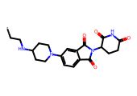 | *CCNC1CCN(c2ccc3c(c2)C(=O)N(C2CCC(=O)NC2=O)C3=O)CC1 | 0.0000 | 10.2700 | 1.7869 | 61.2162 | 4.2131 | 0.6138 | -2.8009 | 0.0016 | Soluble | 6.1024 | -15.5972 | 23.1743 | 0.0000
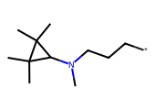 | *CCCN(C)C1C(C)(C)C1(C)C | 0.0000 | 16.2600 | 1.7922 | 61.9769 | 4.2078 | 2.7105 | -2.8484 | 0.0014 | Soluble | 51.7604 | 66.8710 | 35.0974 | 0.0000
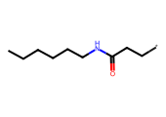 | *CCC(=O)NCCCCCC | 0.0000 | 13.7300 | 1.7922 | 61.9769 | 4.2078 | 2.0406 | -2.2615 | 0.0055 | Soluble | 69.7127 | 94.9033 | 18.4345 | 0.0000
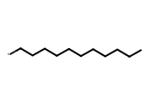 | *CCCCCCCCCCC | 0.0000 | 8.5600 | 1.7922 | 61.9769 | 4.2078 | 4.4848 | -4.0612 | 0.0001 | Moderately Soluble | 112.2870 | 143.3656 | 59.4629 | 0.0000
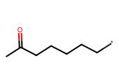 | *CCCCCC(C)=O | 0.0000 | 8.7900 | 1.7922 | 61.9769 | 4.2078 | 2.1034 | -2.0301 | 0.0093 | Soluble | 46.1335 | 95.2498 | 18.1085 | 0.0000
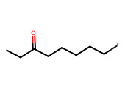 | *CCCCCC(=O)CC | 0.0000 | 9.9400 | 1.7922 | 61.9769 | 4.2078 | 2.4935 | -2.4088 | 0.0039 | Soluble | 60.5328 | 106.0766 | 27.0526 | 0.0000
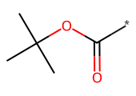 | *C(=O)OC(C)(C)C | 0.0000 | 5.5800 | 1.7922 | 61.9769 | 4.2078 | 1.4708 | -1.4985 | 0.0317 | Very Soluble | 92.0951 | 115.4401 | 22.5013 | 0.0000
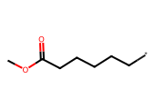 | *CCCCCC(=O)OC | 0.0000 | 7.4000 | 1.7922 | 61.9769 | 4.2078 | 1.6874 | -1.8274 | 0.0149 | Very Soluble | 77.8199 | 120.0306 | 17.1854 | 0.0000
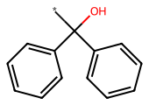 | *C(O)(c1ccccc1)c1ccccc1 | 0.0000 | 7.0200 | 1.8002 | 63.1257 | 4.1998 | 2.4293 | -3.0865 | 0.0008 | Soluble | 79.3719 | 112.4619 | 4.0825 | 0.0000
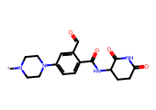 | *N1CCN(c2ccc(C(=O)NC3CCC(=O)NC3=O)c(C=O)c2)CC1 | 0.0000 | 11.5800 | 1.8160 | 65.4648 | 4.1840 | -0.3796 | -1.8128 | 0.0154 | Very Soluble | 14.7196 | 1.9750 | 3.5715 | 0.0000
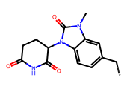 | *Cc1ccc2c(c1)n(C)c(=O)n2C1CCC(=O)NC1=O | 0.0000 | 4.4200 | 1.8164 | 65.5210 | 4.1836 | 0.3670 | -1.9876 | 0.0103 | Very Soluble | 18.5852 | 24.9793 | 11.2160 | 0.0000
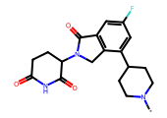 | *N1CCC(c2cc(F)cc3c2CN(C2CCC(=O)NC2=O)C3=O)CC1 | 0.0000 | 6.3200 | 1.8471 | 70.3190 | 4.1529 | 1.2304 | -3.0204 | 0.0010 | Soluble | 2.2731 | -3.8408 | 26.9096 | 0.0000
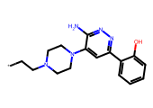 | *CCN1CCN(c2cc(-c3ccccc3O)nnc2N)CC1 | 0.0000 | 9.5400 | 1.8481 | 70.4864 | 4.1519 | 1.5210 | -3.0488 | 0.0009 | Soluble | 48.0607 | 32.3015 | 0.0546 | 0.0000
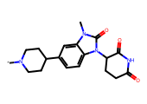 | *N1CCC(c2ccc3c(c2)n(C)c(=O)n3C2CCC(=O)NC2=O)CC1 | 0.0000 | 5.6200 | 1.8666 | 73.5519 | 4.1334 | 0.9614 | -2.8504 | 0.0014 | Soluble | 6.4732 | 3.0090 | 22.9042 | 0.0000
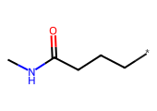 | *CCCC(=O)NC | 0.0000 | 8.5600 | 1.8855 | 76.8219 | 4.1145 | 0.4802 | -0.7469 | 0.1791 | Very Soluble | 1.6586 | 41.9542 | 9.0915 | 0.0000
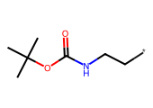 | *CCNC(=O)OC(C)(C)C | 0.0000 | 5.3500 | 1.8855 | 76.8219 | 4.1145 | 1.4787 | -1.7823 | 0.0165 | Very Soluble | 64.0352 | 74.0544 | 15.9952 | 0.0000
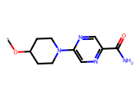 | *OC1CCN(c2cnc(C(N)=O)cn2)CC1 | 0.0000 | 9.2800 | 1.8855 | 76.8219 | 4.1145 | 0.0252 | -1.3608 | 0.0436 | Very Soluble | 44.4177 | 45.2040 | 2.8245 | 0.0000
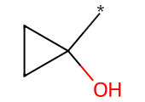 | *C1(O)CC1 | 0.0000 | 5.8700 | 1.8921 | 78.0047 | 4.1079 | 0.0181 | -0.1297 | 0.7419 | Very Soluble | -1.9386 | 50.0599 | 9.9968 | 0.0000
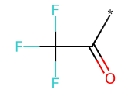 | *C(=O)C(F)(F)F | 0.0000 | 1.4200 | 1.8921 | 78.0047 | 4.1079 | 0.6246 | -0.8437 | 0.1433 | Very Soluble | 11.9234 | 39.7116 | 17.2043 | 0.0000
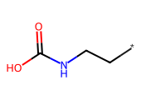 | *CCNC(=O)O | 0.0000 | 7.9100 | 1.8921 | 78.0047 | 4.1079 | 0.2216 | -0.4788 | 0.3320 | Very Soluble | -11.1509 | 7.9263 | -15.7054 | 0.0000
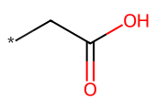 | *CC(=O)O | 0.0000 | 4.9600 | 1.8921 | 78.0047 | 4.1079 | 0.0386 | -0.1545 | 0.7007 | Very Soluble | -24.4500 | -10.5398 | -8.6366 | 0.0000
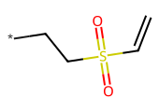 | *CCS(=O)(=O)C=C | 0.0000 | 11.7800 | 1.8921 | 78.0047 | 4.1079 | 0.5123 | -0.8965 | 0.1269 | Very Soluble | 32.2945 | 46.9297 | 8.8603 | 0.0000
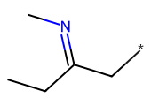 | *CC(CC)=NC | 0.0000 | 17.5300 | 1.8921 | 78.0047 | 4.1079 | 1.4348 | -1.3525 | 0.0444 | Very Soluble | 19.8534 | 45.3357 | 17.2187 | 0.0000
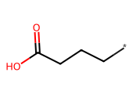 | *CCCC(=O)O | 0.0000 | 5.3800 | 1.8921 | 78.0047 | 4.1079 | 0.8188 | -0.9118 | 0.1225 | Very Soluble | -10.4452 | 24.3814 | -12.9454 | 0.0000
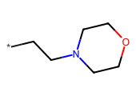 | *CCN1CCOCC1 | 0.0000 | 7.9800 | 1.8921 | 78.0047 | 4.1079 | 0.2862 | -0.6992 | 0.1999 | Very Soluble | 10.4051 | 35.3635 | 19.3768 | 0.0000
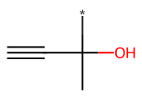 | *C(C)(O)C#C | 0.0000 | 9.9300 | 1.8921 | 78.0047 | 4.1079 | -0.1226 | -0.1048 | 0.7857 | Very Soluble | 0.3439 | 44.4222 | 9.7860 | 0.0000
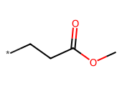 | *CCC(=O)OC | 0.0000 | 6.0100 | 1.8921 | 78.0047 | 4.1079 | 0.5171 | -0.6915 | 0.2035 | Very Soluble | 62.5815 | 99.5323 | 7.8432 | 0.0000
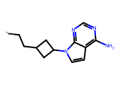 | *CCC1CC(n2ccc3c(N)ncnc32)C1 | 0.0000 | 14.0600 | 1.9115 | 81.5648 | 4.0885 | 2.3223 | -3.1003 | 0.0008 | Soluble | 33.3872 | 29.9781 | 30.6887 | 0.0000
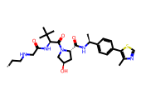 | *CCNCC(=O)N[C@H](C(=O)N1C[C@H](O)C[C@H]1C(=O)N[C@@H](C)c1ccc(-c2scnc2C)cc1)C(C)(C)C | 0.0000 | 12.0300 | 1.9934 | 98.4954 | 4.0066 | 2.3456 | -5.0641 | 0.0000 | Moderately Soluble | 61.0870 | 16.0428 | 4.1253 | 0.0000
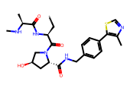 | *C[C@H](NC(=O)[C@H](C)NC)C(=O)N1C[C@H](O)C[C@H]1C(=O)NCc1ccc(-c2scnc2C)cc1 | 0.0000 | 14.7900 | 2.0023 | 100.5368 | 3.9977 | 0.7568 | -3.5326 | 0.0003 | Soluble | 48.2117 | 13.2044 | 1.8097 | 0.0000
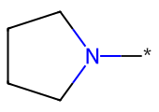 | *N1CCCC1 | 0.0000 | 6.8400 | 2.0077 | 101.7999 | 3.9923 | 0.5465 | -0.6078 | 0.2467 | Very Soluble | 12.4052 | 61.0548 | 17.8580 | 0.0000
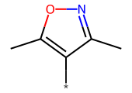 | *c1c(C)noc1C | 0.0000 | 6.1700 | 2.0077 | 101.7999 | 3.9923 | 0.4660 | -0.9865 | 0.1032 | Very Soluble | 55.9000 | 86.5841 | 20.0065 | 0.0000
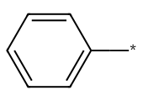 | *c1ccccc1 | 0.0000 | 1.6700 | 2.0077 | 101.7999 | 3.9923 | 0.8612 | -1.2528 | 0.0559 | Very Soluble | 68.2811 | 117.6860 | 25.3534 | 0.0000
 | *c1ccncc1 | 0.0000 | 3.9500 | 2.0077 | 101.7999 | 3.9923 | 0.2562 | -0.8107 | 0.1546 | Very Soluble | 27.4213 | 74.5614 | 21.9118 | 0.0000
 | *Cc1ccc(OC)cc1 | 0.0000 | 6.4600 | 2.0077 | 101.7999 | 3.9923 | 1.7445 | -2.0828 | 0.0083 | Soluble | 89.1559 | 124.8037 | 17.8730 | 0.0000
 | *c1ccc(Cl)cc1 | 0.0000 | 5.2600 | 2.0347 | 108.3098 | 3.9653 | 1.5146 | -1.9196 | 0.0120 | Very Soluble | 70.7318 | 115.2197 | 61.9722 | 0.0000
 | *CCN1C[C@@H](C(=O)O)[C@H](c2ccc3c(c2)C(=O)N(C2CCC(=O)NC2=O)C3=O)C1 | 0.0000 | 12.1400 | 2.0645 | 116.0227 | 3.9355 | 0.1554 | -2.5570 | 0.0028 | Soluble | 4.9284 | -22.7985 | 4.4909 | 0.0000
 | *C(O)(Cn1cncn1)c1ccc(F)cc1F | 0.0000 | 5.4500 | 2.0779 | 119.6418 | 3.9221 | 0.9509 | -2.1923 | 0.0064 | Soluble | 15.1864 | 39.3003 | 7.8927 | 0.0000
 | *C(=O)OC(=O)c1ccccc1 | 0.0000 | 10.2700 | 2.0779 | 119.6418 | 3.9221 | 1.5127 | -2.0567 | 0.0088 | Soluble | 101.8076 | 126.1447 | 6.1060 | 0.0000
 | *CCCS(=O)(=O)c1ccc(C)cc1 | 0.0000 | 11.8200 | 2.0779 | 119.6418 | 3.9221 | 2.1264 | -2.7896 | 0.0016 | Soluble | 68.4277 | 93.9417 | 13.2974 | 0.0000
 | *c1cc(F)cc(C#N)c1 | 0.0000 | 9.0300 | 2.1010 | 126.1834 | 3.8990 | 0.8720 | -1.4356 | 0.0367 | Very Soluble | 60.7218 | 101.6303 | 45.2730 | 0.0000
 | *c1ccc(OC)cc1 | 0.0000 | 5.4900 | 2.1010 | 126.1834 | 3.8990 | 0.8698 | -1.3732 | 0.0423 | Very Soluble | 74.8981 | 119.1607 | 25.9114 | 0.0000

