Compounds
Structure | canonical_smiles | SMILES_state | NLL | pred_logIC50_uM | pred_ic50_uM | pred_pIC50 | pred_cLogP | pred_logS_ESOL | pred_Solubility_ESOL_mol_per_L | pred_Solubility_ESOL_class | pred_MetStab_Clearance_Microsome_AZ | pred_MetStab_Clearance_Hepatocyte_AZ | pred_MetStab_Half_Life_Obach | passes_optimal
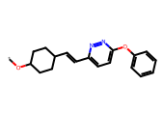 | *OC1CCC(/C=C/c2ccc(Oc3ccccc3)nn2)CC1 | 0.0000 | 31.9800 | 1.0575 | 11.4155 | 4.9425 | 4.3218 | -5.1028 | 0.0000 | Moderately Soluble | 113.1480 | 120.4735 | 36.7733 | 0.0000
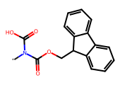 | *N(C(=O)O)C(=O)OCC1c2ccccc2-c2ccccc21 | 0.0000 | 16.4000 | 1.3056 | 20.2118 | 4.6944 | 3.3798 | -4.3380 | 0.0000 | Moderately Soluble | 13.6309 | 14.0531 | 3.9806 | 0.0000
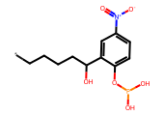 | *CCCCC(O)c1cc([N+](=O)[O-])ccc1OP(O)O | 0.0000 | 28.5400 | 1.4736 | 29.7570 | 4.5264 | 2.3564 | -3.4930 | 0.0003 | Soluble | 29.7988 | 19.2535 | 12.3387 | 0.0000
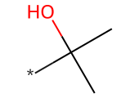 | *C(C)(C)O | 0.0000 | 0.0400 | 1.4824 | 30.3671 | 4.5176 | 0.2641 | -0.3255 | 0.4726 | Very Soluble | -10.4633 | 49.6596 | 12.4738 | 0.0000
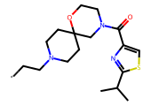 | *CCN1CCC2(CC1)CN(C(=O)c1csc(C(C)C)n1)CCO2 | 0.0000 | 10.3900 | 1.5329 | 34.1128 | 4.4671 | 2.5411 | -3.9239 | 0.0001 | Soluble | 49.3760 | 38.3299 | 14.9099 | 0.0000
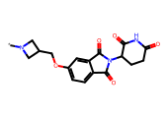 | *N1CC(COc2ccc3c(c2)C(=O)N(C2CCC(=O)NC2=O)C3=O)C1 | 0.0000 | 9.6000 | 1.5383 | 34.5407 | 4.4617 | -0.1373 | -1.9857 | 0.0103 | Very Soluble | 15.5394 | 12.0109 | 14.3978 | 0.0000
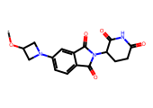 | *OC1CN(c2ccc3c(c2)C(=O)N(C2CCC(=O)NC2=O)C3=O)C1 | 0.0000 | 5.3200 | 1.6045 | 40.2294 | 4.3955 | -0.2427 | -1.8221 | 0.0151 | Very Soluble | 30.2560 | 12.8382 | 20.5171 | 0.0000
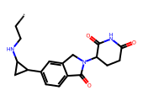 | *CCNC1CC1c1ccc2c(c1)CN(C1CCC(=O)NC1=O)C2=O | 0.0000 | 13.3700 | 1.6217 | 41.8526 | 4.3783 | 0.8607 | -2.6208 | 0.0024 | Soluble | -2.8922 | -26.0512 | 12.3531 | 0.0000
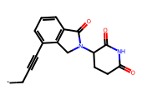 | *CC#Cc1cccc2c1CN(C1CCC(=O)NC1=O)C2=O | 0.0000 | 7.0600 | 1.6217 | 41.8526 | 4.3783 | 0.7667 | -2.2807 | 0.0052 | Soluble | 11.9071 | 13.5829 | 41.6605 | 0.0000
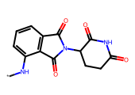 | *Nc1cccc2c1C(=O)N(C1CCC(=O)NC1=O)C2=O | 0.0000 | 4.3500 | 1.6697 | 46.7438 | 4.3303 | -0.0360 | -1.6275 | 0.0236 | Very Soluble | 30.3271 | 26.3802 | 20.8998 | 0.0000
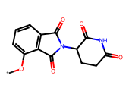 | *Oc1cccc2c1C(=O)N(C1CCC(=O)NC1=O)C2=O | 0.0000 | 6.5000 | 1.6879 | 48.7455 | 4.3121 | -0.0691 | -1.6095 | 0.0246 | Very Soluble | 30.3634 | 23.0180 | 16.1997 | 0.0000
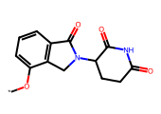 | *Oc1cccc2c1CN(C1CCC(=O)NC1=O)C2=O | 0.0000 | 7.8100 | 1.6879 | 48.7455 | 4.3121 | 0.2907 | -1.7900 | 0.0162 | Very Soluble | 20.9782 | 15.6917 | 9.3771 | 0.0000
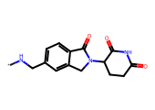 | *NCc1ccc2c(c1)CN(C1CCC(=O)NC1=O)C2=O | 0.0000 | 8.8400 | 1.6879 | 48.7455 | 4.3121 | 0.0015 | -1.6522 | 0.0223 | Very Soluble | 6.9577 | 2.9117 | 3.4477 | 0.0000
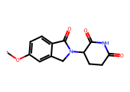 | *Oc1ccc2c(c1)CN(C1CCC(=O)NC1=O)C2=O | 0.0000 | 3.8700 | 1.6879 | 48.7455 | 4.3121 | 0.2907 | -1.7900 | 0.0162 | Very Soluble | 19.6756 | 19.6428 | 7.3402 | 0.0000
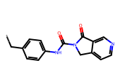 | *Cc1ccc(NC(=O)N2Cc3ccncc3C2=O)cc1 | 0.0000 | 19.7700 | 1.6879 | 48.7455 | 4.3121 | 2.3188 | -3.4564 | 0.0003 | Soluble | 66.3530 | 78.6045 | 30.9534 | 0.0000
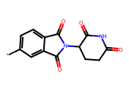 | *c1ccc2c(c1)C(=O)N(C1CCC(=O)NC1=O)C2=O | 0.0000 | 7.6500 | 1.6879 | 48.7455 | 4.3121 | -0.7376 | -1.0174 | 0.0961 | Very Soluble | 16.6536 | 23.4258 | 21.5486 | 0.0000
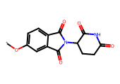 | *Oc1ccc2c(c1)C(=O)N(C1CCC(=O)NC1=O)C2=O | 0.0000 | 2.5900 | 1.6879 | 48.7455 | 4.3121 | -0.0691 | -1.6095 | 0.0246 | Very Soluble | 27.3018 | 23.5166 | 14.5548 | 0.0000
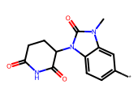 | *c1ccc2c(c1)n(C)c(=O)n2C1CCC(=O)NC1=O | 0.0000 | 5.6500 | 1.7471 | 55.8542 | 4.2529 | -0.5077 | -1.2587 | 0.0551 | Very Soluble | 6.6639 | 22.1203 | 21.8114 | 0.0000
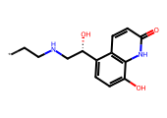 | *CCNC[C@H](O)c1ccc(O)c2[nH]c(=O)ccc12 | 0.0000 | 5.4100 | 1.7712 | 59.0531 | 4.2288 | 0.8243 | -2.1927 | 0.0064 | Soluble | 6.7171 | 10.5081 | -3.1685 | 0.0000
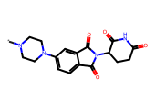 | *N1CCN(c2ccc3c(c2)C(=O)N(C2CCC(=O)NC2=O)C3=O)CC1 | 0.0000 | 4.9100 | 1.7869 | 61.2162 | 4.2131 | -0.3259 | -1.8462 | 0.0143 | Very Soluble | 24.1320 | 7.5466 | 12.0553 | 0.0000
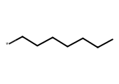 | *CCCCCCC | 0.0000 | 4.6200 | 1.7922 | 61.9769 | 4.2078 | 2.9244 | -2.5466 | 0.0028 | Soluble | 91.6874 | 132.2439 | 43.2557 | 0.0000
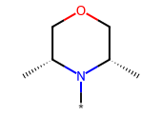 | *N1[C@H](C)COC[C@@H]1C | 0.0000 | 12.9300 | 1.7922 | 61.9769 | 4.2078 | 0.5599 | -0.9091 | 0.1233 | Very Soluble | 25.5176 | 69.1333 | 22.3722 | 0.0000
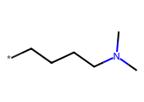 | *CCCCN(C)C | 0.0000 | 9.0200 | 1.7922 | 61.9769 | 4.2078 | 1.2958 | -1.3487 | 0.0448 | Very Soluble | -14.7406 | 29.1109 | 26.6096 | 0.0000
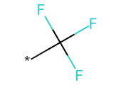 | *C(F)(F)F | 0.0000 | 5.3000 | 1.7922 | 61.9769 | 4.2078 | 1.0555 | -0.9780 | 0.1052 | Very Soluble | 24.2599 | 67.2650 | 38.0387 | 0.0000
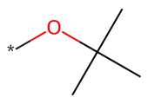 | *OC(C)(C)C | 0.0000 | 7.8200 | 1.7922 | 61.9769 | 4.2078 | 1.2658 | -1.1612 | 0.0690 | Very Soluble | 70.3360 | 107.3418 | 32.0764 | 0.0000
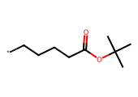 | *CCCCC(=O)OC(C)(C)C | 0.0000 | 9.0900 | 1.7922 | 61.9769 | 4.2078 | 2.4660 | -2.5939 | 0.0025 | Soluble | 110.7489 | 140.9313 | 32.5029 | 0.0000
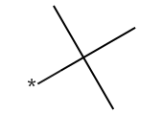 | *C(C)(C)C | 0.0000 | 4.4100 | 1.7922 | 61.9769 | 4.2078 | 1.7541 | -1.4175 | 0.0382 | Very Soluble | 58.6243 | 110.3910 | 27.3688 | 0.0000
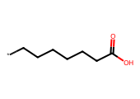 | *CCCCCCC(=O)O | 0.0000 | 7.9100 | 1.7922 | 61.9769 | 4.2078 | 1.9891 | -2.0477 | 0.0090 | Soluble | 7.2075 | 50.0887 | -14.0165 | 0.0000
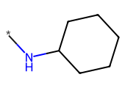 | *NC1CCCCC1 | 0.0000 | 9.4800 | 1.7922 | 61.9769 | 4.2078 | 1.3730 | -1.4029 | 0.0395 | Very Soluble | 45.8642 | 84.1500 | 19.8099 | 0.0000
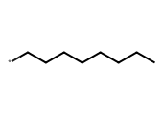 | *CCCCCCCC | 0.0000 | 5.1000 | 1.7922 | 61.9769 | 4.2078 | 3.3145 | -2.9252 | 0.0012 | Soluble | 97.6224 | 135.5052 | 46.9662 | 0.0000
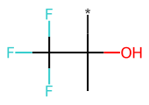 | *C(C)(O)C(F)(F)F | 0.0000 | 4.9000 | 1.7922 | 61.9769 | 4.2078 | 0.8065 | -1.0847 | 0.0823 | Very Soluble | 0.5847 | 28.0397 | 22.6223 | 0.0000
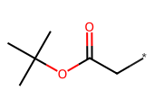 | *CC(=O)OC(C)(C)C | 0.0000 | 5.5900 | 1.7922 | 61.9769 | 4.2078 | 1.2957 | -1.4579 | 0.0348 | Very Soluble | 88.3555 | 100.5072 | 25.6600 | 0.0000
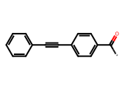 | *C(=O)c1ccc(C#Cc2ccccc2)cc1 | 0.0000 | 8.1900 | 1.8002 | 63.1257 | 4.1998 | 2.7759 | -3.4524 | 0.0004 | Soluble | 81.3705 | 110.1130 | 82.4588 | 0.0000
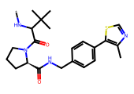 | *NC(C(=O)N1CCC[C@@H]1C(=O)NCc1ccc(-c2scnc2C)cc1)C(C)(C)C | 0.0000 | 14.9800 | 1.8125 | 64.9436 | 4.1875 | 3.1943 | -4.9788 | 0.0000 | Moderately Soluble | 119.2712 | 89.5690 | 17.7817 | 0.0000
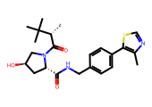 | *[C@H](C(=O)N1C[C@H](O)C[C@H]1C(=O)NCc1ccc(-c2scnc2C)cc1)C(C)(C)C | 0.0000 | 10.0400 | 1.8125 | 64.9436 | 4.1875 | 3.0804 | -4.9043 | 0.0000 | Moderately Soluble | 88.7749 | 63.3089 | 9.5410 | 0.0000
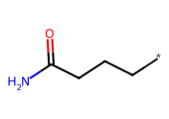 | *CCCC(N)=O | 0.0000 | 7.1500 | 1.8192 | 65.9402 | 4.1808 | 0.2195 | -0.4608 | 0.3461 | Very Soluble | 1.7804 | 45.4041 | 5.2716 | 0.0000
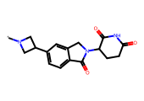 | *N1CC(c2ccc3c(c2)CN(C2CCC(=O)NC2=O)C3=O)C1 | 0.0000 | 7.8800 | 1.8342 | 68.2682 | 4.1658 | 0.3111 | -2.0469 | 0.0090 | Soluble | 7.5466 | 0.1144 | 10.9063 | 0.0000
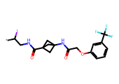 | *C(I)CNC(=O)C12CC(NC(=O)COc3cccc(C(F)(F)F)c3)(C1)C2 | 0.0000 | 28.0300 | 1.8471 | 70.3190 | 4.1529 | 2.5497 | -4.8832 | 0.0000 | Moderately Soluble | 46.5518 | 25.3629 | 46.5371 | 0.0000
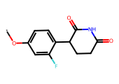 | *Oc1ccc(C2CCC(=O)NC2=O)c(F)c1 | 0.0000 | 8.5900 | 1.8624 | 72.8393 | 4.1376 | 1.1890 | -2.2337 | 0.0058 | Soluble | 1.3690 | 7.6498 | 19.6270 | 0.0000
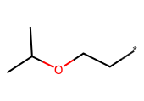 | *CCOC(C)C | 0.0000 | 9.2700 | 1.8921 | 78.0047 | 4.1079 | 1.3790 | -1.3276 | 0.0470 | Very Soluble | 47.7125 | 93.7081 | 29.3632 | 0.0000
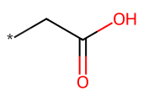 | *CC(=O)O | 0.0000 | 5.1900 | 1.8921 | 78.0047 | 4.1079 | 0.0386 | -0.1545 | 0.7007 | Very Soluble | -24.4500 | -10.5398 | -8.6366 | 0.0000
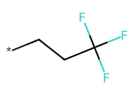 | *CCC(F)(F)F | 0.0000 | 7.1800 | 1.8921 | 78.0047 | 4.1079 | 1.9064 | -1.7912 | 0.0162 | Very Soluble | 43.7170 | 72.9099 | 37.6236 | 0.0000
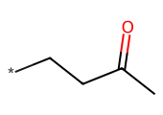 | *CCC(C)=O | 0.0000 | 7.3900 | 1.8921 | 78.0047 | 4.1079 | 0.9331 | -0.8942 | 0.1276 | Very Soluble | 35.2028 | 70.5954 | 10.7831 | 0.0000
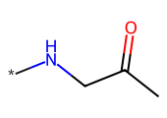 | *NCC(C)=O | 0.0000 | 9.7800 | 1.8921 | 78.0047 | 4.1079 | -0.3707 | 0.0663 | 1.1649 | Highly Soluble | 2.6804 | 33.2511 | 1.0015 | 0.0000
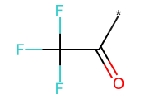 | *C(=O)C(F)(F)F | 0.0000 | 1.4200 | 1.8921 | 78.0047 | 4.1079 | 0.6246 | -0.8437 | 0.1433 | Very Soluble | 11.9234 | 39.7116 | 17.2043 | 0.0000
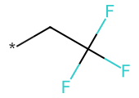 | *CC(F)(F)F | 0.0000 | 4.0400 | 1.8921 | 78.0047 | 4.1079 | 1.5163 | -1.4126 | 0.0387 | Very Soluble | 22.0134 | 68.0132 | 27.7918 | 0.0000
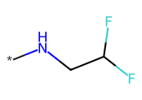 | *NCC(F)F | 0.0000 | 8.6400 | 1.8921 | 78.0047 | 4.1079 | 0.3054 | -0.4879 | 0.3252 | Very Soluble | 12.3669 | 32.9967 | 15.8691 | 0.0000
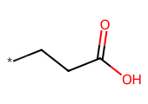 | *CCC(=O)O | 0.0000 | 5.7700 | 1.8921 | 78.0047 | 4.1079 | 0.4287 | -0.5331 | 0.2930 | Very Soluble | -10.5057 | 16.8808 | -14.0414 | 0.0000
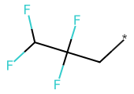 | *CC(F)(F)C(F)F | 0.0000 | 8.6400 | 1.8921 | 78.0047 | 4.1079 | 1.8544 | -1.8682 | 0.0135 | Very Soluble | 40.4071 | 81.8518 | 28.4362 | 0.0000
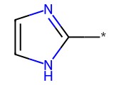 | *c1ncc[nH]1 | 0.0000 | 5.4800 | 1.8921 | 78.0047 | 4.1079 | -0.4157 | -0.2293 | 0.5898 | Very Soluble | -10.8668 | 20.4929 | 5.4406 | 0.0000
 | *CCC(=C)NC | 0.0000 | 13.0100 | 1.8921 | 78.0047 | 4.1079 | 1.0772 | -1.0839 | 0.0824 | Very Soluble | 8.1342 | 35.8706 | 7.6026 | 0.0000
 | *N(C)CCOC | 0.0000 | 7.7400 | 1.8921 | 78.0047 | 4.1079 | 0.0289 | -0.3328 | 0.4648 | Very Soluble | 13.2682 | 67.6068 | 20.9369 | 0.0000
 | *C1(O)CC1 | 0.0000 | 5.8700 | 1.8921 | 78.0047 | 4.1079 | 0.0181 | -0.1297 | 0.7419 | Very Soluble | -1.9386 | 50.0599 | 9.9968 | 0.0000
 | *c1ncc(CN)s1 | 0.0000 | 11.6000 | 1.8921 | 78.0047 | 4.1079 | -0.2236 | -0.5844 | 0.2604 | Very Soluble | -19.7984 | 20.4295 | 3.3787 | 0.0000
 | *N1CC2CC1CN2c1ccc(N2CCC(=O)NC2=O)cc1 | 0.0000 | 17.4100 | 1.9123 | 81.7058 | 4.0877 | 0.8601 | -2.3732 | 0.0042 | Soluble | 17.6817 | 21.7217 | 5.1910 | 0.0000
 | *c1cncc(C#Cc2cncc(N3CC4(CNC4)C3)c2)c1 | 0.0000 | 9.5200 | 1.9344 | 85.9884 | 4.0656 | 0.4606 | -2.1305 | 0.0074 | Soluble | -1.3788 | 6.2868 | 38.9167 | 0.0000
 | *c1cc(OC)cc(C(=O)NC2CC2)c1 | 0.0000 | 9.8400 | 1.9353 | 86.1660 | 4.0647 | 0.7620 | -1.7222 | 0.0190 | Very Soluble | 41.0755 | 67.7929 | 35.9035 | 0.0000
 | *CCCNC(=O)Cc1c[nH]c2ccccc12 | 0.0000 | 9.6300 | 1.9547 | 90.0986 | 4.0453 | 2.1843 | -2.9910 | 0.0010 | Soluble | 45.0646 | 56.9268 | 23.0432 | 0.0000
 | *CCNCC(=O)N[C@H](C(=O)N1C[C@H](O)C[C@H]1C(=O)N[C@@H](C)c1ccc(-c2scnc2C)cc1)C(C)(C)C | 0.0000 | 12.0300 | 1.9934 | 98.4954 | 4.0066 | 2.3456 | -5.0641 | 0.0000 | Moderately Soluble | 61.0870 | 16.0428 | 4.1253 | 0.0000
 | *CCNC(=O)N[C@H](C(=O)N1C[C@H](O)C[C@H]1C(=O)NCc1ccc(C#C)cc1)C(C)(C)C | 0.0000 | 13.1900 | 2.0043 | 101.0037 | 3.9957 | 0.9274 | -3.3100 | 0.0005 | Soluble | 64.0799 | 37.9413 | 6.4276 | 0.0000
 | *C1CCCC1 | 0.0000 | 5.5500 | 2.0077 | 101.7999 | 3.9923 | 1.8982 | -1.6038 | 0.0249 | Very Soluble | 70.9919 | 120.6716 | 22.5521 | 0.0000
 | *c1cnc2ccccc2c1 | 0.0000 | 6.2900 | 2.0077 | 101.7999 | 3.9923 | 1.4094 | -2.0192 | 0.0096 | Soluble | 77.6720 | 112.9384 | 26.2100 | 0.0000
 | *c1nnc2cnccn12 | 0.0000 | 8.8900 | 2.0077 | 101.7999 | 3.9923 | -0.7011 | -0.3902 | 0.4072 | Very Soluble | 6.9209 | 18.8881 | -11.5843 | 0.0000
 | *c1cnn(C)c1 | 0.0000 | 3.9600 | 2.0077 | 101.7999 | 3.9923 | -0.4053 | -0.2790 | 0.5260 | Very Soluble | 28.1346 | 64.9757 | 11.3157 | 0.0000
 | *c1ccccc1 | 0.0000 | 1.6700 | 2.0077 | 101.7999 | 3.9923 | 0.8612 | -1.2528 | 0.0559 | Very Soluble | 68.2811 | 117.6860 | 25.3534 | 0.0000
 | *c1ccnc2[nH]ccc12 | 0.0000 | 8.2300 | 2.0077 | 101.7999 | 3.9923 | 0.7375 | -1.4441 | 0.0360 | Very Soluble | 41.7680 | 76.7565 | 42.5650 | 0.0000
 | *c1ccc(C)cc1 | 0.0000 | 5.3100 | 2.0077 | 101.7999 | 3.9923 | 1.1696 | -1.5287 | 0.0296 | Very Soluble | 82.9582 | 126.9792 | 28.7827 | 0.0000
 | *c1cc(C)cc(C)c1 | 0.0000 | 6.0200 | 2.0077 | 101.7999 | 3.9923 | 1.4780 | -1.8147 | 0.0153 | Very Soluble | 107.9433 | 150.4245 | 33.2733 | 0.0000
 | *Cc1ccccc1 | 0.0000 | 3.9200 | 2.0077 | 101.7999 | 3.9923 | 1.7359 | -1.9452 | 0.0113 | Very Soluble | 80.0658 | 118.9116 | 19.7167 | 0.0000
 | *CCN(C)CCC(NC=O)C(=O)O | 0.0000 | 20.2100 | 2.0087 | 102.0118 | 3.9913 | -0.5249 | -0.5601 | 0.2753 | Very Soluble | -17.9180 | -17.3146 | -0.0343 | 0.0000
 | *NCC(=O)C(NC(=O)OC)C(C)(C)C | 0.0000 | 16.0200 | 2.0087 | 102.0118 | 3.9913 | 0.3801 | -1.3379 | 0.0459 | Very Soluble | 40.8112 | 41.6282 | -4.8721 | 0.0000
 | *c1cccnc1 | 0.0000 | 4.3100 | 2.0347 | 108.3098 | 3.9653 | 0.2562 | -0.8107 | 0.1546 | Very Soluble | 36.3641 | 80.2046 | 15.9334 | 0.0000
 | *CCCNC1CC(O[C@H]2C[C@](O)(C(=O)CO)Cc3c(O)c4c(c(O)c32)C(=O)c2c(OC)cccc2C4=O)OC(C)C1O | 0.0000 | 12.3400 | 2.0598 | 114.7749 | 3.9402 | 0.9899 | -4.4273 | 0.0000 | Moderately Soluble | 43.5878 | 10.7700 | 75.3238 | 0.0000
 | *C(O)(Cn1cnnc1)c1ccc(F)cc1F | 0.0000 | 10.6300 | 2.0779 | 119.6418 | 3.9221 | 0.9509 | -2.1923 | 0.0064 | Soluble | 8.4088 | 25.5010 | 2.0986 | 0.0000
 | *C(=O)c1ccccc1 | 0.0000 | 4.8500 | 2.0779 | 119.6418 | 3.9221 | 1.3761 | -1.7353 | 0.0184 | Very Soluble | 72.7088 | 116.1644 | 10.2769 | 0.0000
 | *c1ccc(OC(F)F)cc1 | 0.0000 | 8.1600 | 2.0779 | 119.6418 | 3.9221 | 1.4626 | -1.9957 | 0.0101 | Very Soluble | 59.6780 | 90.1930 | 45.5069 | 0.0000
 | *Cc1ccc(C(F)(F)F)cc1 | 0.0000 | 8.2100 | 2.0779 | 119.6418 | 3.9221 | 2.7547 | -3.0440 | 0.0009 | Soluble | 69.8477 | 89.6939 | 47.2790 | 0.0000
 | *N1CCN(c2cccc(Cl)c2Cl)CC1 | 0.0000 | 9.3700 | 2.0779 | 119.6418 | 3.9221 | 2.5797 | -3.3411 | 0.0005 | Soluble | 93.1706 | 114.2840 | 53.5063 | 0.0000
 | *N1CCOc2cc3nc(C)[nH]c(=O)c3cc21 | 0.0000 | 18.2200 | 2.1010 | 126.1834 | 3.8990 | 0.8946 | -2.0831 | 0.0083 | Soluble | 20.4412 | 33.8524 | 10.2400 | 0.0000
 | *CCOCc1ccccc1 | 0.0000 | 8.3800 | 2.1010 | 126.1834 | 3.8990 | 2.1708 | -2.4616 | 0.0035 | Soluble | 78.1902 | 112.4572 | 20.9689 | 0.0000
 | *NC[C@H](O)c1ccc(O)c2[nH]c(=O)ccc12 | 0.0000 | 5.5800 | 2.1034 | 126.8739 | 3.8966 | 0.3210 | -1.6671 | 0.0215 | Very Soluble | 16.5254 | 30.0037 | -9.2070 | 0.0000

