Compounds
Structure | canonical_smiles | SMILES_state | NLL | pred_logIC50_uM | pred_ic50_uM | pred_pIC50 | pred_cLogP | pred_logS_ESOL | pred_Solubility_ESOL_mol_per_L | pred_Solubility_ESOL_class | pred_MetStab_Clearance_Microsome_AZ | pred_MetStab_Clearance_Hepatocyte_AZ | pred_MetStab_Half_Life_Obach | passes_optimal
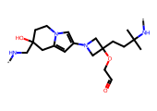 | *NCC1(O)CCn2cc(N3CC(CCC(C)(C)N*)(OCC=O)C3)cc2C1 | 0.0000 | 41.6100 | 0.8520 | 7.1128 | 5.1480 | 0.6063 | -2.6274 | 0.0024 | Soluble | 39.7889 | 3.7631 | 26.5434 | 0.0000
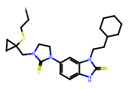 | *CCSC1(CN2CCN(c3ccc4[nH]c(=S)n(CCC5CCCCC5)c4c3)C2=S)CC1 | 0.0000 | 44.4100 | 0.8715 | 7.4387 | 5.1285 | 6.3096 | -7.6406 | 0.0000 | Poorly Soluble | 132.1413 | 94.4634 | 63.6897 | 0.0000
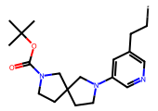 | *CCc1cncc(N2CCC3(CCN(C(=O)OC(C)(C)C)C3)C2)c1 | 0.0000 | 11.4400 | 0.9013 | 7.9673 | 5.0987 | 3.4290 | -4.5595 | 0.0000 | Moderately Soluble | 96.1387 | 73.6161 | 24.0568 | 0.0000
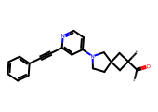 | *C(=O)C1(*)CC2(CCN(c3ccnc(C#Cc4ccccc4)c3)C2)C1 | 0.0000 | 13.6700 | 1.0704 | 11.7604 | 4.9296 | 3.2556 | -4.4225 | 0.0000 | Moderately Soluble | 86.0854 | 66.6391 | 101.3716 | 0.0000
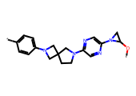 | *OC1CN1c1cnc(N2CCC3(CN(c4ccc(*)cc4)C3)C2)cn1 | 0.0000 | 21.8000 | 1.1167 | 13.0836 | 4.8833 | 0.9949 | -2.7852 | 0.0016 | Soluble | 97.5393 | 58.6714 | 64.3861 | 0.0000
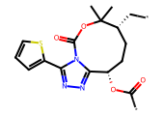 | *C[C@@H]1CC[C@H](OC(*)=O)c2nnc(-c3cccs3)n2C(=O)OC1(C)C | 0.0000 | 33.7200 | 1.1626 | 14.5426 | 4.8374 | 3.8745 | -5.0636 | 0.0000 | Moderately Soluble | 81.4241 | 73.6562 | 9.4931 | 0.0000
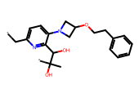 | *Cc1ccc(N2CC(OCCc3ccccc3)C2)c(C(O)C(*)(C)O)n1 | 0.0000 | 26.6100 | 1.2045 | 16.0131 | 4.7955 | 1.8700 | -3.5391 | 0.0003 | Soluble | 59.6070 | 49.5447 | 14.5655 | 0.0000
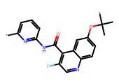 | *c1cccc(NC(=O)c2c(F)cnc3ccc(OC(*)(C)C)cc23)n1 | 0.0000 | 27.3400 | 1.2399 | 17.3758 | 4.7601 | 2.8600 | -4.2469 | 0.0001 | Moderately Soluble | 95.3193 | 75.6349 | 94.1978 | 0.0000
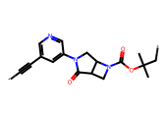 | *C#Cc1cncc(N2CC3C(CN3C(=O)OC(C)(C)C*)C2=O)c1 | 0.0000 | 21.1900 | 1.2557 | 18.0179 | 4.7443 | 1.4697 | -2.9799 | 0.0010 | Soluble | 73.4885 | 54.3408 | 50.1822 | 0.0000
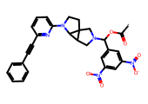 | *C(=O)OC(c1cc([N+](=O)[O-])cc([N+](=O)[O-])c1)N1CC2C3N(c4cccc(C#Cc5ccccc5)n4)CCC23C1 | 0.0000 | 19.9200 | 1.2861 | 19.3249 | 4.7139 | 4.1930 | -6.4888 | 0.0000 | Poorly Soluble | 69.5156 | 30.3833 | 109.5218 | 0.0000
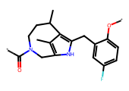 | *Oc1ccc(F)cc1Cc1[nH]c2c(C)c1C(C)CCN(C(*)=O)C2 | 0.0000 | 46.9200 | 1.3362 | 21.6865 | 4.6638 | 3.8746 | -4.8688 | 0.0000 | Moderately Soluble | 97.9279 | 73.1708 | 54.2612 | 0.0000
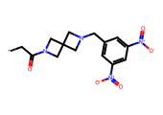 | *CC(=O)N1CC2(CN(Cc3cc([N+](=O)[O-])cc([N+](=O)[O-])c3)C2)C1 | 0.0000 | 9.6700 | 1.3362 | 21.6865 | 4.6638 | 1.1148 | -2.7667 | 0.0017 | Soluble | 37.2793 | 3.8374 | 9.1036 | 0.0000
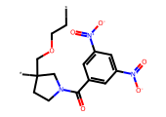 | *CCOCC1(*)CCN(C(=O)c2cc([N+](=O)[O-])cc([N+](=O)[O-])c2)C1 | 0.0000 | 15.8300 | 1.3362 | 21.6865 | 4.6638 | 2.0411 | -3.4557 | 0.0004 | Soluble | 66.5473 | 35.4074 | 23.1299 | 0.0000
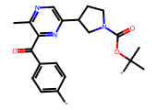 | *c1ccc(C(=O)c2nc(C3CCN(C(=O)OC(*)(C)C)C3)cnc2C)cc1 | 0.0000 | 22.8600 | 1.3362 | 21.6865 | 4.6638 | 2.4019 | -4.0133 | 0.0001 | Moderately Soluble | 91.1074 | 65.5640 | 65.1166 | 0.0000
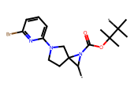 | *C1N(C(=O)OC(C)(C)C(*)(C)C)C12CCN(c1cccc(Br)n1)C2 | 0.0000 | 16.1200 | 1.3362 | 21.6865 | 4.6638 | 3.6470 | -5.0508 | 0.0000 | Moderately Soluble | 131.7711 | 93.9361 | 74.0921 | 0.0000
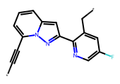 | *C#Cc1cccc2cc(-c3ncc(F)cc3C*)nn12 | 0.0000 | 20.9100 | 1.3512 | 22.4491 | 4.6488 | 2.4430 | -3.4968 | 0.0003 | Soluble | 100.8002 | 84.0127 | 105.6727 | 0.0000
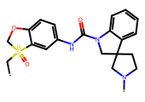 | *C[SH]1(=O)COc2ccc(NC(=O)N3CC4(CCN(*)C4)c4ccccc43)cc21 | 0.0000 | 25.9700 | 1.3632 | 23.0775 | 4.6368 | 2.3788 | -4.2088 | 0.0001 | Moderately Soluble | 77.1966 | 43.9532 | 57.8463 | 0.0000
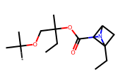 | *C(C)(C)OCC(C)(CC)OC(=O)N1C2CC1(CC)C2 | 0.0000 | 22.4900 | 1.3706 | 23.4730 | 4.6294 | 3.2205 | -3.8817 | 0.0001 | Soluble | 122.5729 | 133.3871 | 34.4690 | 0.0000
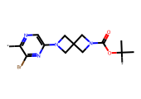 | *c1ncc(N2CC3(CN(C(=O)OC(*)(C)C)C3)C2)nc1Br | 0.0000 | 11.1100 | 1.3720 | 23.5481 | 4.6280 | 0.9577 | -2.8018 | 0.0016 | Soluble | 75.4468 | 42.0443 | 45.0413 | 0.0000
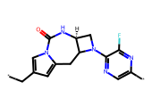 | *Cc1cc2n(c1)C(=O)N[C@H]1CN(c3ncc(*)nc3F)C1C2 | 0.0000 | 33.6000 | 1.3747 | 23.6967 | 4.6253 | 0.0123 | -1.8317 | 0.0147 | Very Soluble | 61.4351 | 34.2879 | 28.6989 | 0.0000
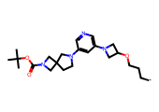 | *CCCOC1CN(c2cncc(N3CCC4(CN(C(=O)OC(C)(C)C)C4)C3)c2)C1 | 0.0000 | 10.6800 | 1.3795 | 23.9625 | 4.6205 | 3.0917 | -4.7520 | 0.0000 | Moderately Soluble | 96.6585 | 65.4343 | 30.3585 | 0.0000
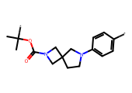 | *c1ccc(N2CCC3(CN(C(=O)OC(*)(C)C)C3)C2)cc1 | 0.0000 | 8.9300 | 1.4173 | 26.1423 | 4.5827 | 1.7953 | -2.9809 | 0.0010 | Soluble | 79.4813 | 61.5458 | 47.6454 | 0.0000
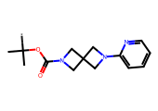 | *C(C)(C)OC(=O)N1CC2(C1)CN(c1ccccn1)C2 | 0.0000 | 12.5700 | 1.4705 | 29.5433 | 4.5295 | 1.6256 | -2.7871 | 0.0016 | Soluble | 62.5931 | 52.3964 | 11.0535 | 0.0000
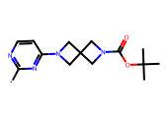 | *c1nccc(N2CC3(CN(C(=O)OC(C)(C)C)C3)C2)n1 | 0.0000 | 16.1900 | 1.4705 | 29.5433 | 4.5295 | 0.7083 | -2.2035 | 0.0063 | Soluble | 73.3557 | 50.3493 | 7.5139 | 0.0000
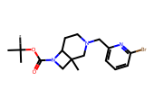 | *C(C)(C)OC(=O)N1CC2(C)CN(Cc3cccc(Br)n3)CCC12 | 0.0000 | 15.2600 | 1.4774 | 30.0174 | 4.5226 | 3.1623 | -4.7022 | 0.0000 | Moderately Soluble | 50.5971 | 36.1691 | 34.6688 | 0.0000
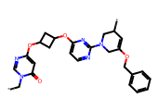 | *Cn1cnc(OC2CC(Oc3ccnc(N4CC(OCc5ccccc5)=CC(*)C4)n3)C2)cc1=O | 0.0000 | 34.1800 | 1.4884 | 30.7890 | 4.5116 | 2.7874 | -5.0273 | 0.0000 | Moderately Soluble | 108.7846 | 77.9080 | 29.5967 | 0.0000
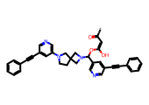 | *C(=O)/C=C(/O)OC(c1cncc(C#Cc2ccccc2)c1)N1CC2(CCN(c3cncc(C#Cc4ccccc4)c3)C2)C1 | 0.0000 | 13.2400 | 1.4890 | 30.8287 | 4.5110 | 4.9790 | -7.3845 | 0.0000 | Poorly Soluble | 33.0248 | 15.4316 | 112.3320 | 0.0000
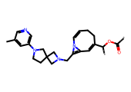 | *C(=O)OC(*)C1=CC2=C(CN3CC4(CCN(c5cncc(C)c5)C4)C3)N2C=CCC1 | 0.0000 | 32.8600 | 1.5028 | 31.8244 | 4.4972 | 3.2245 | -4.7782 | 0.0000 | Moderately Soluble | 90.8913 | 55.6172 | 16.3289 | 0.0000
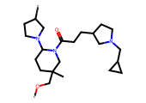 | *OCC1(C)CCC(N2CCC(*)C2)N(C(=O)CCC2CCN(CC3CC3)C2)C1 | 0.0000 | 40.6800 | 1.5141 | 32.6699 | 4.4859 | 2.9777 | -4.4036 | 0.0000 | Moderately Soluble | 44.2353 | 17.6059 | 34.3755 | 0.0000
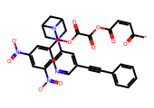 | *C(=O)/C=C\C(=O)OC(=O)C(=O)OC(c1cc([N+](=O)[O-])cc([N+](=O)[O-])c1)N1C2CC1CN(c1cncc(C#Cc3ccccc3)c1)C2 | 0.0000 | 13.3800 | 1.5393 | 34.6179 | 4.4607 | 2.5046 | -5.8627 | 0.0000 | Moderately Soluble | 81.8810 | 45.9169 | 64.0350 | 0.0000
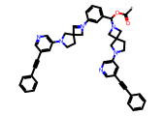 | *C(=O)OC(c1cccc([N+]2=CC3(CCN(c4cncc(C#Cc5ccccc5)c4)C3)C2)c1)N1CC2(CCN(c3cncc(C#Cc4ccccc4)c3)C2)C1 | 0.0000 | 12.0700 | 1.5393 | 34.6179 | 4.4607 | 6.7981 | -9.6809 | 0.0000 | Poorly Soluble | 34.0201 | -18.1113 | 151.7861 | 0.0000
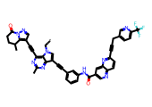 | *Cn1cc(C#Cc2cccc(NC(=O)c3cnc4ccc(C#CCc5ccc(C(F)(F)F)nc5)nc4c3)c2)c2nc(C)nc(C#Cc3cnn4c3C(C)CCC4=O)c21 | 0.0000 | 62.3000 | 1.5393 | 34.6179 | 4.4607 | 6.9836 | -10.2757 | 0.0000 | Insoluble | 25.8536 | -32.0412 | 270.7309 | 0.0000
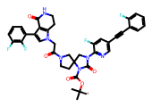 | *C(C)(C)OC(=O)N1C(=O)N(c2ncc(C#Cc3ccccc3F)cc2F)CC12CCN(C(=O)Cn1cc(-c3cccc(F)c3F)c3c1CCNC3=O)C2 | 0.0000 | 44.3900 | 1.5393 | 34.6179 | 4.4607 | 5.1275 | -8.5189 | 0.0000 | Poorly Soluble | 60.6776 | 11.7536 | 125.7257 | 0.0000
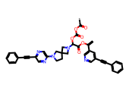 | *C(=O)OC(=O)OC(C(=O)OC(=C)c1cncc(C#Cc2ccccc2)c1)N1CC2(CCN(c3cnc(C#Cc4ccccc4)cn3)C2)C1 | 0.0000 | 21.0800 | 1.5393 | 34.6179 | 4.4607 | 4.5460 | -7.5225 | 0.0000 | Poorly Soluble | 99.8374 | 63.2544 | 133.4716 | 0.0000
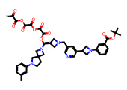 | *C(=O)C(=O)OC(=O)C(=O)OC(=O)C(=O)OC(=C1CN(Cc2cncc(C3CN(c4cccc(C(=O)OC(C)(C)C)c4)C3)c2)C1)N1CC2(CCN(c3cccc(C)c3)C2)C1 | 0.0000 | 33.2500 | 1.5393 | 34.6179 | 4.4607 | 2.9473 | -7.3580 | 0.0000 | Poorly Soluble | 178.9333 | 98.2762 | 52.6245 | 0.0000
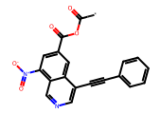 | *C(=O)OC(=O)c1cc([N+](=O)[O-])c2cncc(C#Cc3ccccc3)c2c1 | 0.0000 | 13.4900 | 1.5415 | 34.7948 | 4.4585 | 3.3689 | -4.7668 | 0.0000 | Moderately Soluble | 101.7179 | 102.2106 | 88.6715 | 0.0000
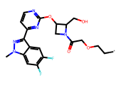 | *CCOCC(=O)N1CC(Oc2nccc(-c3nn(C)c4cc(F)c(F)cc34)n2)C1CO | 0.0000 | 37.2300 | 1.5595 | 36.2670 | 4.4405 | 1.2432 | -3.6929 | 0.0002 | Soluble | 52.6197 | 40.3961 | 36.2131 | 0.0000
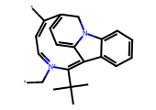 | *C[n+]1ccc(*)c2ccc3c(c1C(C)(C)C)c1ccccc1n3C2 | 0.0000 | 35.2200 | 1.5786 | 37.8961 | 4.4214 | 3.5470 | -4.6494 | 0.0000 | Moderately Soluble | 87.3403 | 57.8750 | 96.7579 | 0.0000
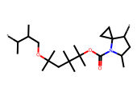 | *C(C)C(C)COC(C)(C)CC(C)(C)C(C)(C)OC(=O)N1C(C)CC(*)C12CC2 | 0.0000 | 32.9600 | 1.5862 | 38.5687 | 4.4138 | 6.0715 | -6.7248 | 0.0000 | Poorly Soluble | 170.4157 | 146.7596 | 84.5039 | 0.0000
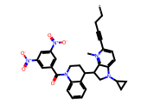 | *CCC#Cc1ccc2c([n+]1C)C(C1CCN(C(=O)c3cc([N+](=O)[O-])cc([N+](=O)[O-])c3)c3ccccc31)CN2C1CC1 | 0.0000 | 38.3200 | 1.5889 | 38.8077 | 4.4111 | 4.9370 | -7.2106 | 0.0000 | Poorly Soluble | 64.9799 | 14.0968 | 89.9294 | 0.0000
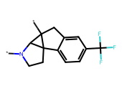 | *N1CCC23c4ccc(C(F)(F)F)cc4CC2(*)C13 | 0.0000 | 30.2400 | 1.5932 | 39.1916 | 4.4068 | 2.7595 | -3.4890 | 0.0003 | Soluble | 80.3199 | 62.4730 | 68.9849 | 0.0000
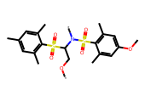 | *OCC(N(*)S(=O)(=O)c1c(C)cc(OC)cc1C)S(=O)(=O)c1c(C)cc(C)cc1C | 0.0000 | 25.2200 | 1.6064 | 40.4032 | 4.3936 | 2.9732 | -4.9885 | 0.0000 | Moderately Soluble | 168.0140 | 145.7591 | 39.4962 | 0.0000
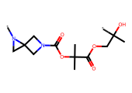 | *N1CC12CN(C(=O)OC(C)(C)C(=O)OCC(*)(C)O)C2 | 0.0000 | 19.7500 | 1.6199 | 41.6747 | 4.3801 | -0.4631 | -1.1691 | 0.0677 | Very Soluble | 95.3075 | 105.2297 | -15.1443 | 0.0000
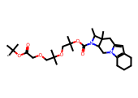 | *C(C)(C)OC(=O)COCC(C)(C)OCC(C)(C)OC(=O)N1C(C)C2(C)Cc3cc4c(n3CC12)CCCC4 | 0.0000 | 32.7200 | 1.6236 | 42.0311 | 4.3764 | 4.5576 | -6.5680 | 0.0000 | Poorly Soluble | 161.6270 | 134.1185 | 50.8269 | 0.0000
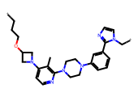 | *CCCOC1CN(c2ccnc(N3CCN(c4cccc(-c5nccn5C*)c4)CC3)c2C)C1 | 0.0000 | 26.4600 | 1.6647 | 46.2036 | 4.3353 | 3.6498 | -5.5622 | 0.0000 | Moderately Soluble | 120.6219 | 69.7798 | 73.1813 | 0.0000
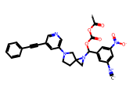 | *C(=O)OC(=O)OC(c1cc([N+]#[C-])cc([N+](=O)[O-])c1)N1CC12CCN(c1cncc(C#Cc3ccccc3)c1)C2 | 0.0000 | 11.6200 | 1.6647 | 46.2036 | 4.3353 | 4.7262 | -6.8744 | 0.0000 | Poorly Soluble | 91.0409 | 66.4384 | 69.7302 | 0.0000
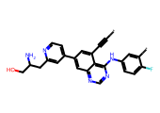 | *C#Cc1cc(-c2ccnc(CC(N)CO)c2)cc2ncnc(Nc3ccc(F)c(*)c3)c12 | 0.0000 | 36.9300 | 1.6695 | 46.7147 | 4.3305 | 2.4695 | -4.5550 | 0.0000 | Moderately Soluble | -5.1727 | -24.5816 | 161.8504 | 0.0000
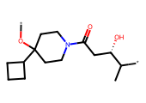 | *OC1(C2CCC2)CCN(C(=O)C[C@H](O)C(*)C)CC1 | 0.0000 | 35.9900 | 1.6730 | 47.0965 | 4.3270 | 1.7373 | -2.6856 | 0.0021 | Soluble | 78.0321 | 74.0236 | 21.9109 | 0.0000
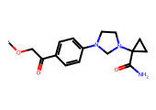 | *OCC(=O)c1ccc(N2CCN(C3(C(N)=O)CC3)C2)cc1 | 0.0000 | 23.8000 | 1.6879 | 48.7455 | 4.3121 | 0.4476 | -2.0733 | 0.0084 | Soluble | 42.5055 | 26.5832 | 2.9068 | 0.0000
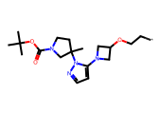 | *CCOC1CN(c2ccnn2C2(C)CCN(C(=O)OC(C)(C)C)C2)C1 | 0.0000 | 16.8200 | 1.6899 | 48.9631 | 4.3101 | 2.4119 | -3.9036 | 0.0001 | Soluble | 108.6270 | 78.2353 | 34.1498 | 0.0000
 | *C(O)C(=O)N1CC2(CC2)C1C(=O)N1CC2(C1)CN(c1cc(Br)nc(Br)c1)C2 | 0.0000 | 26.7800 | 1.7057 | 50.7763 | 4.2943 | 1.1139 | -3.9475 | 0.0001 | Soluble | 20.1986 | -10.6170 | 48.4376 | 0.0000
 | *C(=O)/C=C\C(=O)OCCCn1ccc2cc(*)ccc21 | 0.0000 | 19.2400 | 1.7604 | 57.6013 | 4.2396 | 1.3813 | -2.6136 | 0.0024 | Soluble | 112.0777 | 114.9220 | 42.4120 | 0.0000
 | *CCn1cc(N2CC3(CN(*)C3)C2)c2cc(F)ccc21 | 0.0000 | 15.2900 | 1.7748 | 59.5425 | 4.2252 | 2.3343 | -3.3442 | 0.0005 | Soluble | 83.4366 | 62.3605 | 56.5100 | 0.0000
 | *N1CCn2c(cc3c[n+](C(C)C(=O)OC)c4ccccc4c32)C12CN(C(=O)c1cc3c(cc1[N+](=O)[O-])OCO3)C2 | 0.0000 | 35.3300 | 1.7760 | 59.7091 | 4.2240 | 2.5841 | -5.4340 | 0.0000 | Moderately Soluble | 71.9931 | 36.2402 | 32.2551 | 0.0000
 | *CC(/C=C/C=C(/CC=C)NC)C* | 0.0000 | 30.9300 | 1.7922 | 61.9769 | 4.2078 | 2.7734 | -2.8514 | 0.0014 | Soluble | 64.6534 | 40.6371 | 34.9593 | 0.0000
 | *CCCCCCOC(=O)C* | 0.0000 | 9.4100 | 1.7922 | 61.9769 | 4.2078 | 2.0252 | -2.1571 | 0.0070 | Soluble | 98.5256 | 104.6257 | 33.9945 | 0.0000
 | *C(C)(C)OC(C)(C)C(*)(F)F | 0.0000 | 10.3300 | 1.7922 | 61.9769 | 4.2078 | 2.2091 | -2.3601 | 0.0044 | Soluble | 77.4393 | 93.2160 | 51.9016 | 0.0000
 | *OC(C)(C)C(=O)OC(*)(C)C | 0.0000 | 7.5900 | 1.7922 | 61.9769 | 4.2078 | 1.0745 | -1.4789 | 0.0332 | Very Soluble | 110.8131 | 119.0460 | 30.9550 | 0.0000
 | *CCCCC(=O)C12CCC1N(*)CC2 | 0.0000 | 14.6400 | 1.7922 | 61.9769 | 4.2078 | 2.0122 | -2.3996 | 0.0040 | Soluble | 77.8801 | 83.1366 | 32.4612 | 0.0000
 | *C(=O)N(C=O)CCCC1C2CC2N1* | 0.0000 | 34.5900 | 1.7962 | 62.5394 | 4.2038 | 0.4313 | -1.2333 | 0.0584 | Very Soluble | 52.5853 | 64.0571 | 1.2561 | 0.0000
 | *C1CCC2C(C1)N2C(=O)OC(*)(C)C | 0.0000 | 11.2200 | 1.7962 | 62.5394 | 4.2038 | 1.9829 | -2.4047 | 0.0039 | Soluble | 86.2760 | 95.6146 | 30.7266 | 0.0000
 | *C[C@H](C)NC(*)C(=O)N1CCN2CC1C(O)O2 | 0.0000 | 34.3600 | 1.7962 | 62.5394 | 4.2038 | -1.4161 | -0.1778 | 0.6641 | Very Soluble | 14.7772 | 2.4871 | 10.0847 | 0.0000
 | *c1ccc(C(C)(C)OC(C)(C)C(=O)N2CCC3(CC(C)N3C(=O)OC(*)(C)C)C2)cn1 | 0.0000 | 24.5600 | 1.7987 | 62.9117 | 4.2013 | 2.7738 | -4.6070 | 0.0000 | Moderately Soluble | 115.8436 | 83.8803 | 34.5538 | 0.0000
 | *OC1CCN(c2cc(N3CC4(C3)CN(c3cnn(C(C(=O)O)(C(=O)O)C(F)(F)F)c3)C4)ccn2)C1 | 0.0000 | 27.8400 | 1.7987 | 62.9117 | 4.2013 | 1.0911 | -3.9309 | 0.0001 | Soluble | 25.3270 | -18.7808 | 15.2994 | 0.0000
 | *N1CCN(c2cc(OC3CN(C(=O)OC(*)(C)C)C3)ccn2)CC1 | 0.0000 | 11.7700 | 1.8144 | 65.2248 | 4.1856 | 1.1529 | -2.7881 | 0.0016 | Soluble | 93.3095 | 68.4591 | 29.1204 | 0.0000
 | *CC1CN(C(=O)c2cc3c([N+](=O)[O-])cccc3n2C)CC2CCC1N2C(=O)CCO* | 0.0000 | 34.1800 | 1.8192 | 65.9463 | 4.1808 | 2.3567 | -4.3137 | 0.0000 | Moderately Soluble | 103.4712 | 74.5962 | 28.7528 | 0.0000
 | *CCCCC(=O)N1CCC2(C*)CNC3(CCN(C(=O)c4cc5c([N+](=O)[O-])c(C)ccc5[nH]4)C3)C2C1 | 0.0000 | 30.6100 | 1.8252 | 66.8578 | 4.1748 | 3.5128 | -5.5956 | 0.0000 | Moderately Soluble | 72.8025 | 24.0992 | 32.4970 | 0.0000
 | *C(F)(F)C(*)(F)F | 0.0000 | 8.2300 | 1.8421 | 69.5154 | 4.1579 | 1.2706 | -1.3392 | 0.0458 | Very Soluble | 59.9357 | 110.7882 | 35.9409 | 0.0000
 | *C(=O)NC1CC2COCC1(C)CN2* | 0.0000 | 23.4900 | 1.8691 | 73.9816 | 4.1309 | 0.1890 | -1.0807 | 0.0830 | Very Soluble | 26.9018 | 26.3023 | 10.1260 | 0.0000
 | *C(C)(C)OC(=O)NC1CN(C(=O)N2C[C@H](c3ccccc3)[C@H](OCCCc3ccccc3)C2)C(C)(C)C1 | 0.0000 | 32.4400 | 1.8740 | 74.8139 | 4.1260 | 5.0883 | -6.9707 | 0.0000 | Poorly Soluble | 102.3660 | 71.3645 | 29.3847 | 0.0000
 | *C(C)(C)OC(=O)NCc1cncc(N2CC(n3ccc(N4CC(Cc5cc(C)on5)C4)n3)C2)c1 | 0.0000 | 37.7100 | 1.8829 | 76.3640 | 4.1171 | 2.8263 | -5.0747 | 0.0000 | Moderately Soluble | 85.0447 | 44.6481 | 13.7296 | 0.0000
 | *OCCC(=O)N1CC2(CCN(*)C2)C1 | 0.0000 | 10.0200 | 1.8855 | 76.8219 | 4.1145 | -0.1440 | -0.8268 | 0.1490 | Very Soluble | 45.5857 | 49.8232 | 13.3192 | 0.0000
 | *C(C)COC(C)(C)COC(=O)N1CC2(CCN(c3nccc(Br)n3)CC2)C1(C)OC(=O)N1CC2(C1)NC(=O)N2c1ncccn1 | 0.0000 | 45.4900 | 1.8863 | 76.9640 | 4.1137 | 3.3153 | -6.8288 | 0.0000 | Poorly Soluble | 92.0403 | 32.9757 | 26.9991 | 0.0000
 | *CCCC1CN2CCC1CN(c1cncc(N3CC4(CCN(C(=O)OC(C)(C)C)C4)C3)c1)C2 | 0.0000 | 21.8000 | 1.8874 | 77.1561 | 4.1126 | 3.9922 | -5.7646 | 0.0000 | Moderately Soluble | 73.9945 | 32.2522 | 35.6524 | 0.0000
 | *C(=O)OCC(*)F | 0.0000 | 10.5200 | 1.8921 | 78.0047 | 4.1079 | 0.5172 | -0.7111 | 0.1945 | Very Soluble | 73.8250 | 94.8845 | 19.1308 | 0.0000
 | *Cn1nc(*)cc1C | 0.0000 | 9.0400 | 1.8921 | 78.0047 | 4.1079 | -0.1271 | -0.5004 | 0.3160 | Very Soluble | 54.9002 | 57.1251 | 19.4783 | 0.0000
 | *OC(*)(C)C | 0.0000 | 3.6600 | 1.8921 | 78.0047 | 4.1079 | 0.7527 | -0.6777 | 0.2100 | Very Soluble | 79.5126 | 98.9706 | 34.5025 | 0.0000
 | *C(*)(C)C | 0.0000 | 3.1000 | 1.8921 | 78.0047 | 4.1079 | 1.2410 | -0.9375 | 0.1155 | Very Soluble | 57.4100 | 95.1592 | 34.2276 | 0.0000
 | *C(=O)OC(*)(C)C | 0.0000 | 3.2400 | 1.8921 | 78.0047 | 4.1079 | 0.9577 | -1.0150 | 0.0966 | Very Soluble | 80.0201 | 89.7183 | 26.6635 | 0.0000
 | *C(*)(F)F | 0.0000 | 5.3400 | 1.8921 | 78.0047 | 4.1079 | 0.6353 | -0.5407 | 0.2879 | Very Soluble | 38.4880 | 74.7760 | 45.7340 | 0.0000
 | *CC(*)(C)O | 0.0000 | 6.4000 | 1.8921 | 78.0047 | 4.1079 | 0.2118 | -0.2766 | 0.5290 | Very Soluble | 34.8223 | 58.4448 | 15.1453 | 0.0000
 | *C(*)(O)CC | 0.0000 | 4.2800 | 1.8921 | 78.0047 | 4.1079 | 0.1411 | -0.2241 | 0.5969 | Very Soluble | 30.0188 | 64.0642 | 19.0525 | 0.0000
 | *CC(C)(C)OC(*)=O | 0.0000 | 5.4200 | 1.8921 | 78.0047 | 4.1079 | 1.4185 | -1.4461 | 0.0358 | Very Soluble | 105.7030 | 114.9311 | 28.4522 | 0.0000
 | *CC(=O)C* | 0.0000 | 5.2000 | 1.8921 | 78.0047 | 4.1079 | 0.4907 | -0.4666 | 0.3415 | Very Soluble | 52.4932 | 34.8162 | 17.5382 | 0.0000
 | *CC(*)(C)C | 0.0000 | 6.3900 | 1.8921 | 78.0047 | 4.1079 | 1.7018 | -1.3686 | 0.0428 | Very Soluble | 85.8515 | 111.5681 | 34.5632 | 0.0000
 | *CCC(=O)C* | 0.0000 | 5.4500 | 1.8921 | 78.0047 | 4.1079 | 0.8808 | -0.8453 | 0.1428 | Very Soluble | 67.6160 | 65.9151 | 18.3475 | 0.0000
 | *CC(=O)C(*)(C)C | 0.0000 | 9.3900 | 1.8921 | 78.0047 | 4.1079 | 1.2709 | -1.2308 | 0.0588 | Very Soluble | 71.0556 | 61.8700 | 18.6755 | 0.0000
 | *NC1=CC=C(*)N=CC=C1 | 0.0000 | 16.4600 | 1.8921 | 78.0047 | 4.1079 | 0.9555 | -1.2254 | 0.0595 | Very Soluble | 15.5093 | 9.4086 | 15.7736 | 0.0000
 | *CC(*)Cc1cc(I)c2c(c1[N+](=O)[O-])CCC2 | 0.0000 | 28.2200 | 1.9049 | 80.3280 | 4.0951 | 3.5360 | -4.6665 | 0.0000 | Moderately Soluble | 119.0014 | 104.2575 | 109.1055 | 0.0000
 | *C(=O)N1CC2(C1)CN(c1ncnc(*)c1F)C2 | 0.0000 | 15.7400 | 1.9353 | 86.1660 | 4.0647 | -0.4184 | -1.0235 | 0.0947 | Very Soluble | 57.5438 | 31.6713 | 7.8948 | 0.0000
 | *CC(CC)N1CC2(CCN(*)C2)C1 | 0.0000 | 16.0100 | 1.9884 | 97.3565 | 4.0116 | 1.2046 | -1.7215 | 0.0190 | Very Soluble | 38.7424 | 33.9365 | 26.2181 | 0.0000
 | *Cn1cc(*)c2c(ccn2C2CC2)c1=O | 0.0000 | 16.8800 | 2.0077 | 101.7999 | 3.9923 | 0.8193 | -1.8109 | 0.0155 | Very Soluble | 66.7951 | 64.7239 | 46.5056 | 0.0000
 | *CCCCCC* | 0.0000 | 4.5500 | 2.0077 | 101.7999 | 3.9923 | 2.4820 | -2.1190 | 0.0076 | Soluble | 83.3184 | 109.6503 | 46.0773 | 0.0000
 | *Nn1ccc2c3c(=C\C=C)/c(=C\C)[nH]c3c(C)c-2c1 | 0.0000 | 42.9700 | 2.0077 | 101.7999 | 3.9923 | 2.1573 | -3.2433 | 0.0006 | Soluble | 102.0291 | 90.0011 | 93.8952 | 0.0000
 | *C[C@@H](*)c1cnc(OC)nc1 | 0.0000 | 13.8400 | 2.0077 | 101.7999 | 3.9923 | 1.0432 | -1.6158 | 0.0242 | Very Soluble | 72.6290 | 76.4453 | 17.2829 | 0.0000
 | *CN(*)Cc1cccnc1 | 0.0000 | 16.7700 | 2.0077 | 101.7999 | 3.9923 | 0.8547 | -1.3895 | 0.0408 | Very Soluble | 57.6174 | 61.5187 | 17.8871 | 0.0000
 | *C(=O)/C=C/C(*)=O | 0.0000 | 7.3900 | 2.0347 | 108.3098 | 3.9653 | -0.3056 | -0.0480 | 0.8955 | Very Soluble | 68.2177 | 83.5353 | 5.2070 | 0.0000
 | *Cc1cccc(O*)c1 | 0.0000 | 9.8300 | 2.0347 | 108.3098 | 3.9653 | 1.5790 | -1.8606 | 0.0138 | Very Soluble | 104.5242 | 118.4697 | 32.7826 | 0.0000
 | *C(=O)C(*)=O | 0.0000 | 4.6600 | 2.0347 | 108.3098 | 3.9653 | -0.8618 | 0.5333 | 3.4145 | Highly Soluble | 58.6115 | 65.6628 | 4.5835 | 0.0000
 | *CC1(C(=O)N2CCN(*)CC23CC3)NC12Cc1ccccc12 | 0.0000 | 25.8400 | 2.0782 | 119.7334 | 3.9218 | 0.8887 | -2.3631 | 0.0043 | Soluble | 83.2142 | 50.5791 | 17.3340 | 0.0000
 | *CCCC(=O)OC1(C)CCN(*)C1 | 0.0000 | 11.7700 | 2.0816 | 120.6758 | 3.9184 | 1.2061 | -1.7387 | 0.0182 | Very Soluble | 86.0330 | 94.3133 | 27.2387 | 0.0000
 | *c1ccc(*)c(C)c1 | 0.0000 | 7.4300 | 2.1010 | 126.1834 | 3.8990 | 0.3442 | -0.8743 | 0.1336 | Very Soluble | 97.5510 | 127.7220 | 53.2324 | 0.0000
 | *Cn1ncc(-c2cc(F)c(O*)c(F)c2)c1C | 0.0000 | 13.5200 | 2.1010 | 126.1834 | 3.8990 | 2.4866 | -3.3027 | 0.0005 | Soluble | 91.9733 | 73.2601 | 77.3776 | 0.0000
 | *c1ccc2nccc(*)c2c1 | 0.0000 | 8.5300 | 2.1010 | 126.1834 | 3.8990 | 0.5840 | -1.3681 | 0.0428 | Very Soluble | 77.4634 | 101.2506 | 65.4961 | 0.0000
 | *C(*)(O)Cc1cc2ccc(F)cc2nc1N(C)C | 0.0000 | 23.5700 | 2.1010 | 126.1834 | 3.8990 | 1.7271 | -2.7698 | 0.0017 | Soluble | 62.5156 | 64.4566 | 29.0333 | 0.0000
 | *C(C)(C)OC(=O)CC1(C)CCN(c2cncc(C3CC(C)N(c4ncc(C(C)(C)O)c(N(C(=O)CO)C(C)(C)C#C)n4)C3)c2)C1 | 0.0000 | 61.2700 | 2.1206 | 132.0057 | 3.8794 | 3.6536 | -6.6244 | 0.0000 | Poorly Soluble | 107.5150 | 51.4685 | 34.6943 | 0.0000
 | *C(O)C(C)(C)OC(C)(C)C(O)C(C)(C)OC(=O)N1C[C@@H]2C[C@H]1CN2* | 0.0000 | 21.2200 | 2.1247 | 133.2751 | 3.8753 | 0.9268 | -2.6703 | 0.0021 | Soluble | 84.0169 | 87.5814 | 14.2809 | 0.0000
 | *C(=O)c1c2cc(OC[C@@H]3COC[C@H]4CN(*)CCN34)c-2c1[N+](=O)[O-] | 0.0000 | 32.0400 | 2.1441 | 139.3408 | 3.8559 | 0.4928 | -2.2879 | 0.0052 | Soluble | 72.9537 | 71.2374 | 21.6780 | 0.0000

