Compounds
Structure | canonical_smiles | SMILES_state | NLL | pred_logIC50_uM | pred_ic50_uM | pred_pIC50 | pred_cLogP | pred_logS_ESOL | pred_Solubility_ESOL_mol_per_L | pred_Solubility_ESOL_class | pred_MetStab_Clearance_Microsome_AZ | pred_MetStab_Clearance_Hepatocyte_AZ | pred_MetStab_Half_Life_Obach | passes_optimal
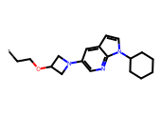 | *CCOC1CN(c2cnc3c(ccn3C3CCCCC3)c2)C1 | 0.0000 | 13.9000 | 0.7781 | 5.9999 | 5.2219 | 3.7143 | -4.6168 | 0.0000 | Moderately Soluble | 91.8898 | 79.5369 | 46.9899 | 0.0000
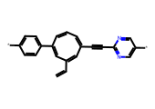 | *c1ccc(C2=CC(C=C)=CC(C#Cc3ncc(*)cn3)=CC=C2)cc1 | 0.0000 | 31.7900 | 1.1031 | 12.6789 | 4.8969 | 2.8695 | -4.0831 | 0.0001 | Moderately Soluble | 75.7599 | 59.8589 | 119.4776 | 0.0000
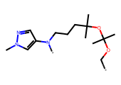 | *COC(C)(C)OC(C)(C)CCCN(*)c1cnn(C)c1 | 0.0000 | 23.5500 | 1.1357 | 13.6672 | 4.8643 | 2.5257 | -3.4508 | 0.0004 | Soluble | 126.4130 | 115.8262 | 48.5494 | 0.0000
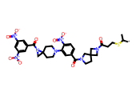 | *C(C)SCCC(=O)N1CC2(CCN(C(=O)c3ccc([N+](=O)[O-])c(N4CCC5(CC4)CN5C(=O)c4cc([N+](=O)[O-])cc([N+](=O)[O-])c4)c3)C2)C1 | 0.0000 | 35.0100 | 1.1607 | 14.4791 | 4.8393 | 3.5993 | -6.9804 | 0.0000 | Poorly Soluble | 90.2642 | 25.7417 | 22.7733 | 0.0000
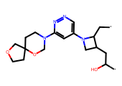 | *CC1C(CC(*)O)CN1c1cnnc(N2CCC3(CCOC3)OC2)c1 | 0.0000 | 34.7400 | 1.1670 | 14.6905 | 4.8330 | 0.8501 | -2.6489 | 0.0022 | Soluble | 55.6638 | 25.0185 | 21.1920 | 0.0000
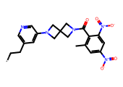 | *CCc1cncc(N2CC3(CN(C(=O)c4c(C)cc([N+](=O)[O-])cc4[N+](=O)[O-])C3)C2)c1 | 0.0000 | 16.0100 | 1.1887 | 15.4427 | 4.8113 | 2.6789 | -4.5844 | 0.0000 | Moderately Soluble | 82.0666 | 50.7245 | 8.2115 | 0.0000
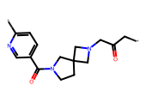 | *CC(=O)CN1CC2(CCN(C(=O)c3ccc(*)nc3)C2)C1 | 0.0000 | 14.8700 | 1.2308 | 17.0132 | 4.7692 | -0.0592 | -1.5918 | 0.0256 | Very Soluble | 37.4820 | 16.2731 | 8.4778 | 0.0000
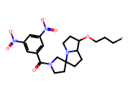 | *CCCOC1CCN2C1CCC21CCN(C(=O)c2cc([N+](=O)[O-])cc([N+](=O)[O-])c2)C1 | 0.0000 | 16.4300 | 1.2863 | 19.3322 | 4.7137 | 2.6987 | -4.5596 | 0.0000 | Moderately Soluble | 36.1964 | 14.1779 | 21.1968 | 0.0000
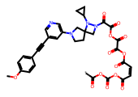 | *C(=O)OC(=O)OC(=O)/C=C\C(=O)OC(=O)C(=O)OC(=O)C(=O)N1CC2(CCN(c3cncc(C#Cc4ccc(OC)cc4)c3)C2)N1C1CC1 | 0.0000 | 27.0400 | 1.3327 | 21.5138 | 4.6673 | 0.7054 | -4.8019 | 0.0000 | Moderately Soluble | 128.8968 | 79.2293 | 42.2813 | 0.0000
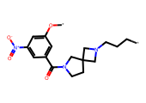 | *CCCN1CC2(CCN(C(=O)c3cc(O*)cc([N+](=O)[O-])c3)C2)C1 | 0.0000 | 15.2100 | 1.3362 | 21.6865 | 4.6638 | 1.9435 | -3.3607 | 0.0004 | Soluble | 60.2577 | 38.3527 | 30.0931 | 0.0000
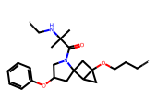 | *CCCOC12CC1C1(CC(Oc3ccccc3)CN1C(=O)C(C)(C)NC*)C2 | 0.0000 | 36.9300 | 1.3791 | 23.9388 | 4.6209 | 2.8168 | -4.3355 | 0.0000 | Moderately Soluble | 93.3011 | 67.7882 | 43.5964 | 0.0000
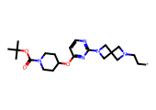 | *CCN1CC2(C1)CN(c1nccc(OC3CCN(C(=O)OC(C)(C)C)CC3)n1)C2 | 0.0000 | 18.1600 | 1.3795 | 23.9625 | 4.6205 | 2.3445 | -4.2079 | 0.0001 | Moderately Soluble | 95.9592 | 57.1427 | 22.2645 | 0.0000
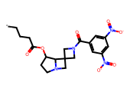 | *CCCC(=O)OC1CCN2CC3(CN(C(=O)c4cc([N+](=O)[O-])cc([N+](=O)[O-])c4)C3)C12 | 0.0000 | 16.5400 | 1.3998 | 25.1064 | 4.6002 | 1.6927 | -3.8132 | 0.0002 | Soluble | 54.4206 | 23.6778 | 8.9313 | 0.0000
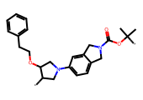 | *C1CN(c2ccc3c(c2)CN(C(=O)OC(*)(C)C)C3)CC1OCCc1ccccc1 | 0.0000 | 19.1300 | 1.4884 | 30.7890 | 4.5116 | 4.2099 | -5.6014 | 0.0000 | Moderately Soluble | 129.2784 | 97.4358 | 46.8503 | 0.0000
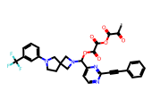 | *C(=O)C(=O)OC(=O)C(=O)OC(c1ccnc(C#Cc2ccccc2)n1)N1CC2(CCN(c3cccc(C(F)(F)F)c3)C2)C1 | 0.0000 | 15.7600 | 1.4884 | 30.7890 | 4.5116 | 2.7950 | -5.8811 | 0.0000 | Moderately Soluble | 78.9584 | 48.1539 | 80.6744 | 0.0000
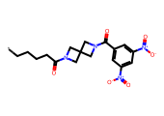 | *CCCCC(=O)N1CC2(C1)CN(C(=O)c1cc([N+](=O)[O-])cc([N+](=O)[O-])c1)C2 | 0.0000 | 8.8900 | 1.5030 | 31.8405 | 4.4970 | 1.9253 | -3.7165 | 0.0002 | Soluble | 54.3164 | 27.9533 | 7.2314 | 0.0000
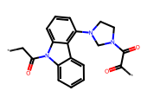 | *CC(=O)n1c2ccccc2c2c(N3CCN(C(=O)C(*)=O)C3)cccc21 | 0.0000 | 26.0200 | 1.5066 | 32.1050 | 4.4934 | 2.0843 | -3.6843 | 0.0002 | Soluble | 105.2084 | 72.8569 | 50.2071 | 0.0000
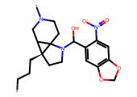 | *CCC[C@]12CCN(C(O)c3cc4c(cc3[N+](=O)[O-])OCO4)C13CCN(*)CC32 | 0.0000 | 31.9400 | 1.5299 | 33.8797 | 4.4701 | 2.2929 | -3.9765 | 0.0001 | Soluble | 72.0633 | 49.7530 | 23.3764 | 0.0000
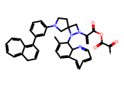 | *C(=O)C(=O)OC(=O)C(=C)N1CC2(CCN(c3cccc(C4=C5C=CC=CC=C5CC=C4)c3)C2)N1C1C(C)=CC=C2/C=C/C=C/C=NC21 | 0.0000 | 55.3500 | 1.5393 | 34.6179 | 4.4607 | 5.4137 | -7.9119 | 0.0000 | Poorly Soluble | 94.2615 | 27.6137 | 18.3765 | 0.0000
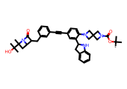 | *C(C)(C)OC(=O)N1CC2(C1)CN(c1ccc(C#Cc3cccc(CC4C(=O)N5C4CC5(C)C(C)(C)O)c3)cc1C1Cc3ccccc3N1)C2 | 0.0000 | 49.0200 | 1.5393 | 34.6179 | 4.4607 | 5.6425 | -8.4073 | 0.0000 | Poorly Soluble | 58.7457 | -4.4858 | 131.9782 | 0.0000
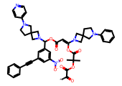 | *C(=O)C(=O)OC(C)(C)C(=O)OC(=CC(=O)OC(c1cc(C#Cc2ccccc2)cc([N+](=O)[O-])c1)N1CC2(CCN(c3ccncc3)C2)C1)N1CC2(CCN(c3ccccc3)C2)C1 | 0.0000 | 31.0100 | 1.5393 | 34.6179 | 4.4607 | 5.1383 | -9.2125 | 0.0000 | Poorly Soluble | 125.5384 | 57.6778 | 85.4157 | 0.0000
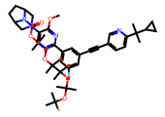 | *C(C)(C)OC(C)(C)OC(C)(C)C(C)(C)OCC(C)(C)OC(=O)N1C2CCC1CN(c1cnc(-c3cc(F)cc(C#Cc4ccc(C(C)(C)C5CC5)nc4)c3)nc1OC)C2 | 0.0000 | 51.4500 | 1.5393 | 34.6179 | 4.4607 | 8.9704 | -11.8489 | 0.0000 | Insoluble | 176.7971 | 90.1134 | 195.4783 | 0.0000
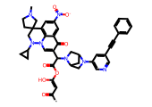 | *C(=O)/C=C(\O)OC(=O)C(c1cn2c3c(cc([N+](=O)[O-])cc3c1=O)C1(CCN(C)C1)CN2C1CC1)N1CC2CC1CN2c1cncc(C#Cc2ccccc2)c1 | 0.0000 | 41.4600 | 1.5393 | 34.6179 | 4.4607 | 3.4145 | -7.3106 | 0.0000 | Poorly Soluble | 35.5262 | -3.7372 | 96.1095 | 0.0000
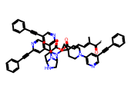 | *C(=O)/C(C)=C/C=C/C(=O)OC(=O)C(c1ccnc(C#Cc2ccccc2)c1)N1C2CC(c3cncc(C#Cc4ccccc4)c3)N(C3CC34CCN(c3cncc(C#Cc5ccccc5)c3)CC4)C1CN2 | 0.0000 | 47.0100 | 1.5393 | 34.6179 | 4.4607 | 7.8238 | -11.8950 | 0.0000 | Insoluble | 46.1923 | -20.1434 | 185.1051 | 0.0000
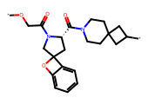 | *OCC(=O)N1CC2(C[C@H]1C(=O)N1CCC3(CC1)CC(*)C3)Oc1ccccc12 | 0.0000 | 31.1400 | 1.5916 | 39.0480 | 4.4084 | 2.0965 | -3.8083 | 0.0002 | Soluble | 93.2849 | 62.7560 | 30.5189 | 0.0000
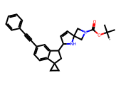 | *C(C)(C)OC(=O)N1CC2(C=CC(C3CC4(CC4)c4ccc(C#Cc5ccccc5)cc43)N2)C1 | 0.0000 | 34.0000 | 1.5922 | 39.0983 | 4.4078 | 4.6097 | -6.1952 | 0.0000 | Poorly Soluble | 46.7412 | 8.1772 | 106.9178 | 0.0000
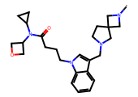 | *N1CC2(CCN(Cc3cn(CCCC(=O)N(C4CC4)C4COC4)c4ccccc34)C2)C1 | 0.0000 | 32.7200 | 1.6174 | 41.4418 | 4.3826 | 2.7833 | -4.6835 | 0.0000 | Moderately Soluble | 59.6252 | 37.8374 | 23.3578 | 0.0000
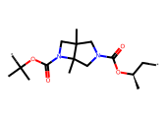 | *C[C@@H](C)OC(=O)N1CC2(C)CN(C(=O)OC(*)(C)C)C2(C)C1 | 0.0000 | 22.6700 | 1.6199 | 41.6747 | 4.3801 | 2.2973 | -3.3924 | 0.0004 | Soluble | 103.9099 | 77.1080 | 39.4936 | 0.0000
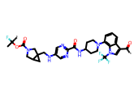 | *C(=O)c1cn(C(F)(F)F)c2c(N3CCC(NC(=O)c4ncc(NCC56CC5CN(C(=O)OC(*)(C)F)C6)cn4)CC3)cccc12 | 0.0000 | 50.7200 | 1.6230 | 41.9769 | 4.3770 | 4.0588 | -6.9319 | 0.0000 | Poorly Soluble | 78.1863 | 16.8910 | 106.0015 | 0.0000
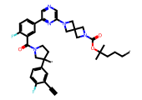 | *CCCC(C)(C)OC(=O)N1CC2(C1)CN(c1cncc(-c3ccc(F)c(C(=O)N4CCC(*)(c5ccc(F)c(C#C)c5)C4)c3)n1)C2 | 0.0000 | 37.1300 | 1.6236 | 42.0311 | 4.3764 | 5.4788 | -7.9836 | 0.0000 | Poorly Soluble | 133.6348 | 68.9856 | 95.2875 | 0.0000
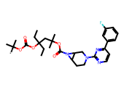 | *C(C)(C)OC(=O)OC(CC)(CC)CC(C)(C)OC(=O)N1C2CCN(c3nccc(-c4cccc(F)c4)n3)CC21 | 0.0000 | 25.7600 | 1.6236 | 42.0311 | 4.3764 | 5.8483 | -7.7555 | 0.0000 | Poorly Soluble | 184.6390 | 126.9491 | 99.6134 | 0.0000
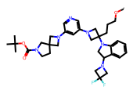 | *OCCCC1(N2CC(N3CC(F)(F)C3)c3ccccc32)CN(c2cncc(N3CC4(CCN(C(=O)OC(C)(C)C)C4)C3)c2)C1 | 0.0000 | 33.6500 | 1.6236 | 42.0311 | 4.3764 | 4.8609 | -7.4628 | 0.0000 | Poorly Soluble | 119.8522 | 57.0553 | 50.8611 | 0.0000
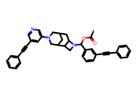 | *C(=O)OC(c1cccc(C#Cc2ccccc2)c1)N1CC2C3CC(CC21)CN(c1cncc(C#Cc2ccccc2)c1)C3 | 0.0000 | 17.8200 | 1.6236 | 42.0311 | 4.3764 | 6.4125 | -8.4351 | 0.0000 | Poorly Soluble | 67.9360 | 40.7708 | 164.5208 | 0.0000
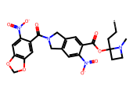 | *CCC1(OC(=O)c2cc3c(cc2[N+](=O)[O-])CN(C(=O)c2cc4c(cc2[N+](=O)[O-])OCO4)C3)CCN1C | 0.0000 | 20.9500 | 1.6393 | 43.5765 | 4.3607 | 2.9340 | -5.3190 | 0.0000 | Moderately Soluble | 134.3707 | 112.8668 | 5.6196 | 0.0000
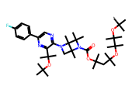 | *C(C)(C)OC(C)(C)C(C)(C)OC(C)(C)CC(C)(C)OC(=O)N1C(C)(C)C2(C)N(c3ncc(-c4ccc(F)cc4)nc3C(C)(C)OC(C)(C)C)CC12C | 0.0000 | 34.5900 | 1.6430 | 43.9494 | 4.3570 | 9.7242 | -11.8078 | 0.0000 | Insoluble | 212.9862 | 119.3819 | 167.5863 | 0.0000
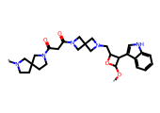 | *OC1OC(CN2CC3(C2)CN(C(=O)CC(=O)N2CCC4(CCN(*)C4)C2)C3)C1c1c[nH]c2ccccc12 | 0.0000 | 33.9800 | 1.6646 | 46.1908 | 4.3354 | 1.3803 | -4.0941 | 0.0001 | Moderately Soluble | 59.2235 | 2.9174 | 37.8474 | 0.0000
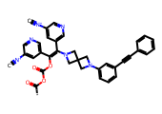 | *C(=O)OC(=O)OC(=C(c1cncc([N+]#[C-])c1)N1CC2(C1)CN(c1cccc(C#Cc3ccccc3)c1)C2)c1cncc([N+]#[C-])c1 | 0.0000 | 24.0900 | 1.6647 | 46.2036 | 4.3353 | 6.4485 | -8.6394 | 0.0000 | Poorly Soluble | 93.1603 | 54.1807 | 89.4250 | 0.0000
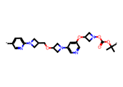 | *c1ccc(N2CC(COC3CN(c4cncc(OC5CN(OC(=O)OC(*)(C)C)C5)c4)C3)C2)nc1 | 0.0000 | 32.0500 | 1.6647 | 46.2036 | 4.3353 | 1.4094 | -3.9873 | 0.0001 | Soluble | 127.1058 | 85.8294 | 52.5734 | 0.0000
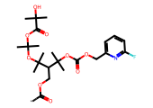 | *C(=O)OCC(C(C)(C)OC(=O)OCc1cccc(F)n1)C(C)(C)OC(C)(C)OC(=O)C(C)(C)O | 0.0000 | 37.6800 | 1.7385 | 54.7678 | 4.2615 | 3.8000 | -5.8100 | 0.0000 | Moderately Soluble | 157.5314 | 135.5539 | 29.3865 | 0.0000
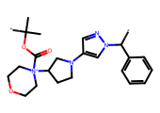 | *C(c1ccccc1)n1cc(N2CCC([N+]3(C(=O)OC(*)(C)C)CCOCC3)C2)cn1 | 0.0000 | 26.9100 | 1.7542 | 56.7815 | 4.2458 | 2.8270 | -4.5985 | 0.0000 | Moderately Soluble | 91.6617 | 67.9327 | 22.0220 | 0.0000
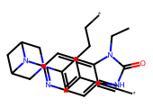 | *C#Cc1cnc(N2C3CC2CN(c2ccc4[nH]c(=O)n(CC)c4c2)C3)cc1CC* | 0.0000 | 29.3100 | 1.7594 | 57.4706 | 4.2406 | 2.5804 | -4.3911 | 0.0000 | Moderately Soluble | 98.6623 | 61.1098 | 103.5812 | 0.0000
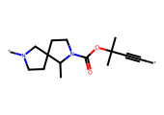 | *C#CC(C)(C)OC(=O)N1CCC2(CCN(*)C2)C1C | 0.0000 | 22.1100 | 1.7692 | 58.7805 | 4.2308 | 1.6624 | -2.6107 | 0.0025 | Soluble | 50.4736 | 40.1768 | 40.4827 | 0.0000
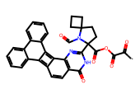 | *C(=O)C(=O)OC(=O)C1(c2nc3c4c(ccc3c(=O)[nH]2)=c2c=4c3ccccc3c3ccccc23)CCC2(CCC2)N1C=O | 0.0000 | 53.2800 | 1.7760 | 59.7091 | 4.2240 | 3.6328 | -6.3382 | 0.0000 | Poorly Soluble | 62.7243 | 32.6190 | 135.2696 | 0.0000
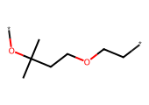 | *CCOCCC(C)(C)O* | 0.0000 | 12.4100 | 1.7922 | 61.9769 | 4.2078 | 1.6202 | -1.7808 | 0.0166 | Very Soluble | 91.1794 | 103.8018 | 48.4020 | 0.0000
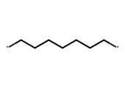 | *CCCCCCC* | 0.0000 | 4.8800 | 1.7922 | 61.9769 | 4.2078 | 2.8721 | -2.4977 | 0.0032 | Soluble | 89.2372 | 113.5138 | 50.0742 | 0.0000
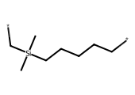 | *CCCCC[Si](C)(C)C* | 0.0000 | 14.2200 | 1.7922 | 61.9769 | 4.2078 | 3.3395 | -3.1362 | 0.0007 | Soluble | 121.5204 | 135.6298 | 68.6287 | 0.0000
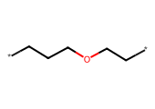 | *CCCOCC* | 0.0000 | 7.3200 | 1.7922 | 61.9769 | 4.2078 | 1.3283 | -1.2764 | 0.0529 | Very Soluble | 64.8991 | 89.5866 | 36.8955 | 0.0000
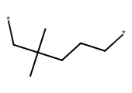 | *CCCC(C)(C)C* | 0.0000 | 10.6600 | 1.7922 | 61.9769 | 4.2078 | 2.7280 | -2.3977 | 0.0040 | Soluble | 106.5809 | 125.0863 | 54.7047 | 0.0000
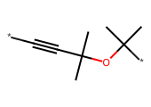 | *C#CC(C)(C)OC(*)(C)C | 0.0000 | 9.9400 | 1.7922 | 61.9769 | 4.2078 | 1.5772 | -1.7230 | 0.0189 | Very Soluble | 70.4481 | 82.7234 | 55.1226 | 0.0000
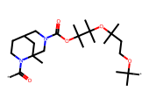 | *C(=O)N1CCC2CN(C(=O)OC(C)(C)C(C)(C)OC(C)(C)CCOC(*)(C)C)CC1(C)C2 | 0.0000 | 25.0900 | 1.7987 | 62.9117 | 4.2013 | 4.6231 | -6.0409 | 0.0000 | Poorly Soluble | 137.9944 | 107.3668 | 53.0098 | 0.0000
 | *c1cccc(-c2cnc(N3CCC4(CN(c5cnc(C)nc5)CN4C(=O)OC(C)(C)C(=C)OC(*)(C)C)C3)cn2)c1 | 0.0000 | 34.4800 | 1.7993 | 62.9929 | 4.2007 | 3.8761 | -6.3546 | 0.0000 | Poorly Soluble | 119.8031 | 66.7344 | 54.0893 | 0.0000
 | *C(=O)CC(=O)OC(=O)/C(=C\c1cncc(C#Cc2ccccc2)c1)N1CC2(C1)CN(c1ccnc(C#Cc3ccccc3)c1)C2 | 0.0000 | 18.9500 | 1.7993 | 62.9929 | 4.2007 | 3.9751 | -6.8018 | 0.0000 | Poorly Soluble | 80.0549 | 51.7584 | 146.3451 | 0.0000
 | *OC1CN(c2cnc3c(c2)N2CCN(C(=O)OC(C)(C)C)CC2O3)C1 | 0.0000 | 15.9100 | 1.8171 | 65.6366 | 4.1829 | 1.5267 | -3.2602 | 0.0005 | Soluble | 119.2991 | 91.2300 | 35.1239 | 0.0000
 | *C(CN(*)S(=O)(=O)c1ccc(C)cc1)S(=O)(=O)c1ccccc1 | 0.0000 | 25.4100 | 1.8471 | 70.3190 | 4.1529 | 1.7993 | -3.4974 | 0.0003 | Soluble | 99.7778 | 89.2178 | 14.1988 | 0.0000
 | *C(=O)N1CC2(C1)CN(C(=O)OC(*)(C)C)C2 | 0.0000 | 9.0700 | 1.8624 | 72.8393 | 4.1376 | 0.6953 | -1.6415 | 0.0228 | Very Soluble | 55.1934 | 37.8982 | 10.0650 | 0.0000
 | *CC1CCN2CCN(C(=O)c3cncc(O*)c3)C12 | 0.0000 | 19.9300 | 1.8691 | 73.9816 | 4.1309 | 0.9961 | -2.2174 | 0.0061 | Soluble | 47.1092 | 30.9277 | 10.9839 | 0.0000
 | *CCN(C)C(=O)OC(*)(C)C | 0.0000 | 9.1600 | 1.8855 | 76.8219 | 4.1145 | 1.3078 | -1.6454 | 0.0226 | Very Soluble | 80.7422 | 76.3346 | 28.1648 | 0.0000
 | *c1ccn(C2CCN(C3(CN4CC5(C4)CN(C(=O)OC(C)(C)C)C5)CC3)C2)c1N(C)C(=O)OC(C)(C)C | 0.0000 | 31.6000 | 1.8894 | 77.5144 | 4.1106 | 3.3661 | -5.6783 | 0.0000 | Moderately Soluble | 121.7615 | 76.0413 | 37.2019 | 0.0000
 | *OC(*)(C)C | 0.0000 | 3.8600 | 1.8921 | 78.0047 | 4.1079 | 0.7527 | -0.6777 | 0.2100 | Very Soluble | 79.5126 | 98.9706 | 34.5025 | 0.0000
 | *CC[C@@](*)(C)O | 0.0000 | 10.2700 | 1.8921 | 78.0047 | 4.1079 | 0.6019 | -0.6552 | 0.2212 | Very Soluble | 43.1595 | 64.8091 | 22.7753 | 0.0000
 | *NC(C)(C)OC(*)=O | 0.0000 | 9.4300 | 1.8921 | 78.0047 | 4.1079 | 0.4623 | -0.7435 | 0.1805 | Very Soluble | 61.9920 | 62.6747 | 20.0738 | 0.0000
 | *C(=O)OC(*)(C)CC | 0.0000 | 11.6800 | 1.8921 | 78.0047 | 4.1079 | 1.3478 | -1.3937 | 0.0404 | Very Soluble | 89.3925 | 96.6377 | 33.2990 | 0.0000
 | *C(*)(C)C | 0.0000 | 2.5000 | 1.8921 | 78.0047 | 4.1079 | 1.2410 | -0.9375 | 0.1155 | Very Soluble | 57.4100 | 95.1592 | 34.2276 | 0.0000
 | *CC(*)=O | 0.0000 | 6.1900 | 1.8921 | 78.0047 | 4.1079 | 0.0299 | -0.0355 | 0.9214 | Very Soluble | 58.5106 | 66.4738 | 13.6574 | 0.0000
 | *C(=O)OC(*)(C)C | 0.0000 | 4.0400 | 1.8921 | 78.0047 | 4.1079 | 0.9577 | -1.0150 | 0.0966 | Very Soluble | 80.0201 | 89.7183 | 26.6635 | 0.0000
 | *CCOC(*)(C)C | 0.0000 | 5.9700 | 1.8921 | 78.0047 | 4.1079 | 1.2560 | -1.2297 | 0.0589 | Very Soluble | 65.1392 | 88.9301 | 31.3549 | 0.0000
 | *C(*)(F)F | 0.0000 | 5.3400 | 1.8921 | 78.0047 | 4.1079 | 0.6353 | -0.5407 | 0.2879 | Very Soluble | 38.4881 | 74.7760 | 45.7340 | 0.0000
 | *c1cc(*)nc(C)c1 | 0.0000 | 10.6800 | 1.8921 | 78.0047 | 4.1079 | -0.2608 | -0.4322 | 0.3697 | Very Soluble | 66.8031 | 91.8276 | 39.9799 | 0.0000
 | *CC(C)(C)OC(=O)n1ccc(*)n1 | 0.0000 | 14.4900 | 1.8921 | 78.0047 | 4.1079 | 0.7886 | -1.5681 | 0.0270 | Very Soluble | 106.2941 | 101.3822 | 26.1368 | 0.0000
 | *Cn1cc(*)nn1 | 0.0000 | 6.2000 | 1.8921 | 78.0047 | 4.1079 | -1.0405 | 0.2337 | 1.7129 | Highly Soluble | 44.0394 | 38.6631 | 1.2054 | 0.0000
 | *Cn1ccc(*)n1 | 0.0000 | 6.3800 | 1.8921 | 78.0047 | 4.1079 | -0.4355 | -0.2085 | 0.6188 | Very Soluble | 55.9290 | 61.3800 | 18.1650 | 0.0000
 | *CC(*)C(=O)OC | 0.0000 | 11.0700 | 1.8921 | 78.0047 | 4.1079 | 0.4648 | -0.6460 | 0.2259 | Very Soluble | 84.9166 | 92.0545 | 13.2694 | 0.0000
 | *C(*)(C)O | 0.0000 | 4.8600 | 1.8921 | 78.0047 | 4.1079 | -0.2490 | 0.1545 | 1.4273 | Highly Soluble | 12.3828 | 54.2927 | 14.1134 | 0.0000
 | *C[C@@H](*)C(=N)N | 0.0000 | 15.2200 | 1.8921 | 78.0047 | 4.1079 | 0.2278 | -0.3644 | 0.4321 | Very Soluble | 8.5014 | -11.2923 | -12.2271 | 0.0000
 | *CC(C)(C)O* | 0.0000 | 9.4900 | 1.8921 | 78.0047 | 4.1079 | 1.2135 | -1.1088 | 0.0778 | Very Soluble | 94.4763 | 106.0212 | 40.6818 | 0.0000
 | *CC(*)CC | 0.0000 | 8.9700 | 1.8921 | 78.0047 | 4.1079 | 1.7018 | -1.3652 | 0.0431 | Very Soluble | 93.1941 | 113.9243 | 40.1873 | 0.0000
 | *CC1=C(OC)C=C(C)C(*)=CC=C1 | 0.0000 | 16.7200 | 1.8921 | 78.0047 | 4.1079 | 2.8038 | -2.8710 | 0.0013 | Soluble | 123.6643 | 117.1985 | 33.1962 | 0.0000
 | *CCOC(=O)C* | 0.0000 | 7.1000 | 1.8921 | 78.0047 | 4.1079 | 0.4648 | -0.6426 | 0.2277 | Very Soluble | 76.2268 | 76.1349 | 20.0195 | 0.0000
 | *CCCCC(*)C | 0.0000 | 8.7400 | 1.8921 | 78.0047 | 4.1079 | 2.4820 | -2.1225 | 0.0075 | Soluble | 89.9896 | 121.1277 | 45.7042 | 0.0000
 | *Cn1ccc(*)c(OC)c1=O | 0.0000 | 8.8600 | 1.8921 | 78.0047 | 4.1079 | -0.4617 | -0.5096 | 0.3093 | Very Soluble | 44.4007 | 52.1242 | 19.1177 | 0.0000
 | *NC(*)(C)C | 0.0000 | 5.6200 | 1.8921 | 78.0047 | 4.1079 | 0.3257 | -0.3545 | 0.4421 | Very Soluble | 42.6517 | 60.1955 | 26.3005 | 0.0000
 | *CC(=O)C* | 0.0000 | 5.2000 | 1.8921 | 78.0047 | 4.1079 | 0.4907 | -0.4666 | 0.3415 | Very Soluble | 52.4932 | 34.8162 | 17.5382 | 0.0000
 | *Cn1ccnc(N*)c1=O | 0.0000 | 8.8600 | 1.8921 | 78.0047 | 4.1079 | -0.3737 | -0.5015 | 0.3151 | Very Soluble | 42.6319 | 34.3394 | 5.5626 | 0.0000
 | *CCC(=O)OCC(=O)ON1CCC2(CCN(C3CC4(CCN(*)C4)C3)C2)C1 | 0.0000 | 23.8600 | 1.9025 | 79.8904 | 4.0975 | 1.0621 | -2.9097 | 0.0012 | Soluble | 56.6713 | 31.5797 | -0.4937 | 0.0000
 | *C[N+]1=CC=CC(C#N)=c2ccc3c(c21)C=CC(O*)=CC=3 | 0.0000 | 27.1900 | 1.9341 | 85.9115 | 4.0659 | 1.3244 | -2.5453 | 0.0028 | Soluble | 49.7427 | 22.5193 | 33.4431 | 0.0000
 | *Cn1ccc(*)c(N2Cc3ccc(F)cc3C2)c1=O | 0.0000 | 18.1800 | 1.9547 | 90.0986 | 4.0453 | 1.1890 | -2.4717 | 0.0034 | Soluble | 81.6165 | 72.7221 | 36.2336 | 0.0000
 | *c1cnc2cnc3cc(N4CCN(C(=O)c5cc([N+](=O)[O-])cc([N+](=O)[O-])c5)C4)c(F)cc3n12 | 0.0000 | 22.5800 | 1.9955 | 98.9627 | 4.0045 | 1.9325 | -4.3751 | 0.0000 | Moderately Soluble | 66.8460 | 28.4173 | 59.8876 | 0.0000
 | *c1ccc(C(*)(C)C)cc1 | 0.0000 | 10.6400 | 2.0077 | 101.7999 | 3.9923 | 1.6456 | -1.9700 | 0.0107 | Very Soluble | 104.5381 | 125.2496 | 46.3502 | 0.0000
 | *Cc1ccc(*)nn1 | 0.0000 | 9.2400 | 2.0077 | 101.7999 | 3.9923 | -0.2995 | -0.4065 | 0.3922 | Very Soluble | 52.2811 | 55.7120 | 6.8982 | 0.0000
 | *C#Cc1ccc(*)s1 | 0.0000 | 11.3900 | 2.0077 | 101.7999 | 3.9923 | 0.7810 | -1.2569 | 0.0553 | Very Soluble | 64.3744 | 81.2797 | 96.8990 | 0.0000
 | *N1CCN(*)CC1 | 0.0000 | 7.2800 | 2.0077 | 101.7999 | 3.9923 | -0.4674 | 0.0515 | 1.1259 | Highly Soluble | 33.4537 | 55.8977 | 13.4306 | 0.0000
 | *c1ccn2c(OC3CN(*)C3)cnc2c1 | 0.0000 | 15.0100 | 2.0077 | 101.7999 | 3.9923 | 0.0362 | -1.2366 | 0.0580 | Very Soluble | 68.4532 | 79.4225 | 47.1138 | 0.0000
 | *C#CCc1ccc(C*)cc1 | 0.0000 | 15.9400 | 2.0077 | 101.7999 | 3.9923 | 1.7886 | -2.1193 | 0.0076 | Soluble | 103.6559 | 109.1391 | 64.1502 | 0.0000
 | *C(=C)Nc1ccc(*)cc1 | 0.0000 | 11.7000 | 2.0347 | 108.3098 | 3.9653 | 1.2936 | -1.6986 | 0.0200 | Very Soluble | 80.3913 | 95.9188 | 51.8889 | 0.0000
 | *c1ccc2[nH]nc(*)c2c1 | 0.0000 | 8.8500 | 2.0347 | 108.3098 | 3.9653 | -0.0879 | -0.7904 | 0.1620 | Very Soluble | 57.8515 | 75.3288 | 54.7052 | 0.0000
 | *c1cccc2cc3c(cc12)CCN(*)C(=O)O3 | 0.0000 | 18.7100 | 2.0779 | 119.6418 | 3.9221 | 1.8356 | -2.7340 | 0.0018 | Soluble | 66.6104 | 69.8619 | 63.3096 | 0.0000
 | *CC(*)(O)Cc1ccc(OC)c2cccnc12 | 0.0000 | 18.5400 | 2.1010 | 126.1834 | 3.8990 | 1.9914 | -2.8624 | 0.0014 | Soluble | 70.5499 | 66.8331 | 15.0891 | 0.0000
 | *C[C@@H](C)c1ccc(F)cc1* | 0.0000 | 16.9600 | 2.1010 | 126.1834 | 3.8990 | 2.0714 | -2.3819 | 0.0042 | Soluble | 95.7042 | 105.9992 | 68.5786 | 0.0000

