Compounds
Structure | canonical_smiles | Input_SMILES | SMILES_state | Tanimoto | NLL | pred_logIC50_uM | pred_ic50_uM | pred_pIC50 | pred_cLogP | pred_logS_ESOL | pred_Solubility_ESOL_mol_per_L | pred_Solubility_ESOL_class | pred_MetStab_Clearance_Microsome_AZ | pred_MetStab_Clearance_Hepatocyte_AZ | pred_MetStab_Half_Life_Obach | passes_optimal
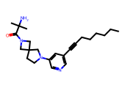 | CCCCCCC#Cc1cncc(N2CCC3(CN(C(=O)C(C)(C)N)C3)C2)c1 | CCCCCCC#Cc1cncc(N2CCC3(CN(C(=O)c4cc5c(cc4[N+](=O)[O-])OCO5)C3)C2)c1 | 1.0000 | 0.5841 | 12.5300 | 0.6737 | 4.7171 | 5.3263 | 3.1795 | -4.6977 | 0.0000 | Moderately Soluble | 44.4974 | 36.5728 | 42.2242 | 1.0000
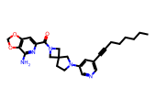 | CCCCCCC#Cc1cncc(N2CCC3(CN(C(=O)c4cc5c(c(N)n4)OCO5)C3)C2)c1 | CCCCCCC#Cc1cncc(N2CCC3(CN(C(=O)c4cc5c(cc4[N+](=O)[O-])OCO5)C3)C2)c1 | 1.0000 | 0.7034 | 9.6600 | 0.6922 | 4.9231 | 5.3078 | 3.4619 | -5.4889 | 0.0000 | Moderately Soluble | 56.6397 | 48.7227 | 43.8120 | 1.0000
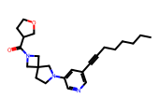 | CCCCCCC#Cc1cncc(N2CCC3(CN(C(=O)C4CCOC4)C3)C2)c1 | CCCCCCC#Cc1cncc(N2CCC3(CN(C(=O)c4cc5c(cc4[N+](=O)[O-])OCO5)C3)C2)c1 | 1.0000 | 0.5714 | 11.8700 | 0.6976 | 4.9845 | 5.3024 | 3.4787 | -5.0024 | 0.0000 | Moderately Soluble | 53.1345 | 56.5302 | 44.1149 | 1.0000
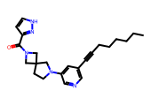 | CCCCCCC#Cc1cncc(N2CCC3(CN(C(=O)c4cc[nH]n4)C3)C2)c1 | CCCCCCC#Cc1cncc(N2CCC3(CN(C(=O)c4cc5c(cc4[N+](=O)[O-])OCO5)C3)C2)c1 | 1.0000 | 0.6228 | 12.7500 | 0.6976 | 4.9845 | 5.3024 | 3.4791 | -5.0496 | 0.0000 | Moderately Soluble | 62.8362 | 60.1665 | 48.1822 | 1.0000
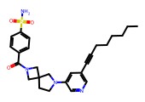 | CCCCCCC#Cc1cncc(N2CCC3(CN(C(=O)c4ccc(S(N)(=O)=O)cc4)C3)C2)c1 | CCCCCCC#Cc1cncc(N2CCC3(CN(C(=O)c4cc5c(cc4[N+](=O)[O-])OCO5)C3)C2)c1 | 1.0000 | 0.6417 | 9.0100 | 0.6976 | 4.9845 | 5.3024 | 3.4034 | -5.5681 | 0.0000 | Moderately Soluble | 43.7017 | 27.2590 | 48.6152 | 1.0000
 | CCCCCCC#Cc1cncc(N2CCC3(CN(C(=O)c4ccnn4C)C3)C2)c1 | CCCCCCC#Cc1cncc(N2CCC3(CN(C(=O)c4cc5c(cc4[N+](=O)[O-])OCO5)C3)C2)c1 | 1.0000 | 0.6121 | 10.3000 | 0.6976 | 4.9845 | 5.3024 | 3.4895 | -5.1447 | 0.0000 | Moderately Soluble | 62.8481 | 55.0396 | 48.4875 | 1.0000
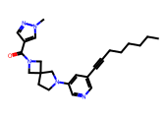 | CCCCCCC#Cc1cncc(N2CCC3(CN(C(=O)c4cnn(C)c4)C3)C2)c1 | CCCCCCC#Cc1cncc(N2CCC3(CN(C(=O)c4cc5c(cc4[N+](=O)[O-])OCO5)C3)C2)c1 | 1.0000 | 0.6404 | 10.9900 | 0.6976 | 4.9845 | 5.3024 | 3.4895 | -5.1447 | 0.0000 | Moderately Soluble | 54.1444 | 48.6145 | 42.2707 | 1.0000

