Compounds
Structure | canonical_smiles | Input_SMILES | SMILES_state | Tanimoto | NLL | pred_logIC50_uM | pred_ic50_uM | pred_pIC50 | pred_cLogP | pred_logS_ESOL | pred_Solubility_ESOL_mol_per_L | pred_Solubility_ESOL_class | pred_MetStab_Clearance_Microsome_AZ | pred_MetStab_Clearance_Hepatocyte_AZ | pred_MetStab_Half_Life_Obach | passes_optimal
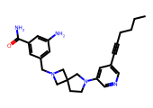 | CCCCC#Cc1cncc(N2CCC3(CN(Cc4cc(N)cc(C(N)=O)c4)C3)C2)c1 | CCCCCCC#Cc1cncc(N2CCC3(CN(Cc4cc([N+](=O)[O-])cc([N+](=O)[O-])c4)C3)C2)c1 | 1.0000 | 0.6261 | 8.1400 | 0.5473 | 3.5262 | 5.4527 | 3.0167 | -4.8822 | 0.0000 | Moderately Soluble | 23.2188 | 26.0743 | 42.7829 | 1.0000
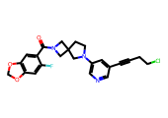 | O=C(c1cc2c(cc1F)OCO2)N1CC2(CCN(c3cncc(C#CCCCl)c3)C2)C1 | CCCCCCC#Cc1cncc(N2CCC3(CN(C(=O)c4cc5c(cc4[N+](=O)[O-])OCO5)C3)C2)c1 | 1.0000 | 0.6842 | 10.4100 | 0.5576 | 3.6110 | 5.4424 | 3.2823 | -5.2504 | 0.0000 | Moderately Soluble | 62.3711 | 55.2241 | 42.2302 | 1.0000
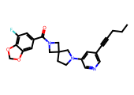 | CCCC#Cc1cncc(N2CCC3(CN(C(=O)c4cc(F)c5c(c4)OCO5)C3)C2)c1 | CCCCCCC#Cc1cncc(N2CCC3(CN(C(=O)c4cc5c(cc4[N+](=O)[O-])OCO5)C3)C2)c1 | 1.0000 | 0.6271 | 6.5600 | 0.5576 | 3.6110 | 5.4424 | 3.4535 | -5.2424 | 0.0000 | Moderately Soluble | 54.0330 | 51.5898 | 46.1193 | 1.0000
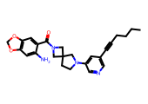 | CCCCC#Cc1cncc(N2CCC3(CN(C(=O)c4cc5c(cc4N)OCO5)C3)C2)c1 | CCCCCCC#Cc1cncc(N2CCC3(CN(C(=O)c4cc5c(cc4[N+](=O)[O-])OCO5)C3)C2)c1 | 1.0000 | 0.7727 | 11.1100 | 0.5576 | 3.6110 | 5.4424 | 3.2867 | -5.1831 | 0.0000 | Moderately Soluble | 59.4709 | 57.2172 | 40.8025 | 1.0000
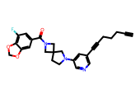 | C#CCCCC#Cc1cncc(N2CCC3(CN(C(=O)c4cc(F)c5c(c4)OCO5)C3)C2)c1 | CCCCCCC#Cc1cncc(N2CCC3(CN(C(=O)c4cc5c(cc4[N+](=O)[O-])OCO5)C3)C2)c1 | 1.0000 | 0.5968 | 12.0500 | 0.5576 | 3.6110 | 5.4424 | 3.4569 | -5.3903 | 0.0000 | Moderately Soluble | 49.5306 | 50.5027 | 42.5279 | 1.0000
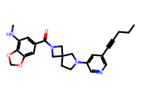 | CCCC#Cc1cncc(N2CCC3(CN(C(=O)c4cc(NC)c5c(c4)OCO5)C3)C2)c1 | CCCCCCC#Cc1cncc(N2CCC3(CN(C(=O)c4cc5c(cc4[N+](=O)[O-])OCO5)C3)C2)c1 | 1.0000 | 0.6116 | 12.3700 | 0.5576 | 3.6110 | 5.4424 | 3.3561 | -5.2346 | 0.0000 | Moderately Soluble | 50.0341 | 47.6767 | 41.6246 | 1.0000
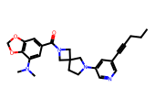 | CCCC#Cc1cncc(N2CCC3(CN(C(=O)c4cc5c(c(N(C)C)c4)OCO5)C3)C2)c1 | CCCCCCC#Cc1cncc(N2CCC3(CN(C(=O)c4cc5c(cc4[N+](=O)[O-])OCO5)C3)C2)c1 | 1.0000 | 0.6016 | 12.4700 | 0.5576 | 3.6110 | 5.4424 | 3.3804 | -5.3406 | 0.0000 | Moderately Soluble | 67.9301 | 55.2051 | 40.6941 | 1.0000
 | CCCC#Cc1cncc(N2CCC3(CN(C(=O)c4cc([18F])c5c(c4)OCO5)C3)C2)c1 | CCCCCCC#Cc1cncc(N2CCC3(CN(C(=O)c4cc5c(cc4[N+](=O)[O-])OCO5)C3)C2)c1 | 1.0000 | 0.6271 | 12.5700 | 0.5576 | 3.6110 | 5.4424 | 3.4535 | -5.2358 | 0.0000 | Moderately Soluble | 54.0237 | 51.6074 | 46.0180 | 1.0000
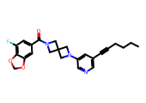 | CCCCC#Cc1cncc(N2CC3(CN(C(=O)c4cc(F)c5c(c4)OCO5)C3)C2)c1 | CCCCCCC#Cc1cncc(N2CCC3(CN(C(=O)c4cc5c(cc4[N+](=O)[O-])OCO5)C3)C2)c1 | 1.0000 | 0.5917 | 13.6800 | 0.5576 | 3.6110 | 5.4424 | 3.4535 | -5.2389 | 0.0000 | Moderately Soluble | 62.3908 | 57.5821 | 51.6803 | 1.0000
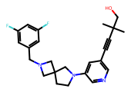 | CC(C)(C#Cc1cncc(N2CCC3(CN(Cc4cc(F)cc(F)c4)C3)C2)c1)CO | CCCCCCC#Cc1cncc(N2CCC3(CN(Cc4cc([N+](=O)[O-])cc([N+](=O)[O-])c4)C3)C2)c1 | 1.0000 | 0.4878 | 11.9400 | 0.6052 | 4.0286 | 5.3948 | 3.4421 | -5.1700 | 0.0000 | Moderately Soluble | 12.3869 | 28.6348 | 41.3730 | 1.0000
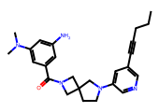 | CCCC#Cc1cncc(N2CCC3(CN(C(=O)c4cc(N)cc(N(C)C)c4)C3)C2)c1 | CCCCCCC#Cc1cncc(N2CCC3(CN(C(=O)c4cc([N+](=O)[O-])cc([N+](=O)[O-])c4)C3)C2)c1 | 1.0000 | 0.5798 | 10.6900 | 0.6052 | 4.0286 | 5.3948 | 3.2339 | -5.0502 | 0.0000 | Moderately Soluble | 39.7558 | 32.8168 | 42.6383 | 1.0000
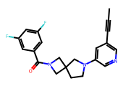 | CC#Cc1cncc(N2CCC3(CN(C(=O)c4cc(F)cc(F)c4)C3)C2)c1 | CCCCCCC#Cc1cncc(N2CCC3(CN(C(=O)c4cc([N+](=O)[O-])cc([N+](=O)[O-])c4)C3)C2)c1 | 1.0000 | 0.5259 | 9.7900 | 0.6270 | 4.2361 | 5.3730 | 3.0837 | -4.6384 | 0.0000 | Moderately Soluble | 44.0308 | 52.2859 | 46.4786 | 1.0000
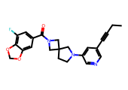 | CCC#Cc1cncc(N2CCC3(CN(C(=O)c4cc(F)c5c(c4)OCO5)C3)C2)c1 | CCCCCCC#Cc1cncc(N2CCC3(CN(C(=O)c4cc5c(cc4[N+](=O)[O-])OCO5)C3)C2)c1 | 1.0000 | 0.5882 | 13.9300 | 0.6270 | 4.2361 | 5.3730 | 3.0634 | -4.8692 | 0.0000 | Moderately Soluble | 46.6868 | 46.5035 | 40.0674 | 1.0000
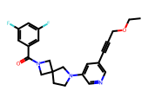 | CCOCC#Cc1cncc(N2CCC3(CN(C(=O)c4cc(F)cc(F)c4)C3)C2)c1 | CCCCCCC#Cc1cncc(N2CCC3(CN(C(=O)c4cc([N+](=O)[O-])cc([N+](=O)[O-])c4)C3)C2)c1 | 1.0000 | 0.5500 | 11.0200 | 0.6270 | 4.2361 | 5.3730 | 3.1003 | -4.9162 | 0.0000 | Moderately Soluble | 38.1950 | 46.5300 | 52.0662 | 1.0000
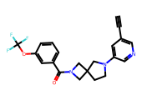 | C#Cc1cncc(N2CCC3(CN(C(=O)c4cccc(OC(F)(F)F)c4)C3)C2)c1 | CCCCCCC#Cc1cncc(N2CCC3(CN(C(=O)c4cc([N+](=O)[O-])cc([N+](=O)[O-])c4)C3)C2)c1 | 1.0000 | 0.4109 | 11.4100 | 0.6469 | 4.4352 | 5.3531 | 3.3140 | -5.0175 | 0.0000 | Moderately Soluble | 32.8783 | 23.1818 | 52.3670 | 1.0000
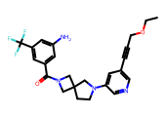 | CCOCC#Cc1cncc(N2CCC3(CN(C(=O)c4cc(N)cc(C(F)(F)F)c4)C3)C2)c1 | CCCCCCC#Cc1cncc(N2CCC3(CN(C(=O)c4cc([N+](=O)[O-])cc([N+](=O)[O-])c4)C3)C2)c1 | 1.0000 | 0.5197 | 11.1400 | 0.6857 | 4.8491 | 5.3143 | 3.4231 | -5.4512 | 0.0000 | Moderately Soluble | 17.6033 | 15.0051 | 60.3413 | 1.0000
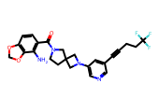 | Nc1c(C(=O)N2CCC3(C2)CN(c2cncc(C#CCCC(F)(F)F)c2)C3)ccc2c1OCO2 | CCCCCCC#Cc1cncc(N2CCC3(CN(C(=O)c4cc5c(cc4[N+](=O)[O-])OCO5)C3)C2)c1 | 1.0000 | 0.5191 | 13.7200 | 0.6857 | 4.8491 | 5.3143 | 3.4390 | -5.5543 | 0.0000 | Moderately Soluble | 27.0893 | 20.4218 | 50.6011 | 1.0000
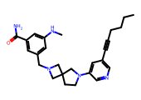 | CCCCC#Cc1cncc(N2CCC3(CN(Cc4cc(NC)cc(C(N)=O)c4)C3)C2)c1 | CCCCCCC#Cc1cncc(N2CCC3(CN(Cc4cc([N+](=O)[O-])cc([N+](=O)[O-])c4)C3)C2)c1 | 1.0000 | 0.6102 | 10.7400 | 0.6976 | 4.9845 | 5.3024 | 3.4762 | -5.3071 | 0.0000 | Moderately Soluble | 31.9837 | 31.5657 | 51.0687 | 1.0000
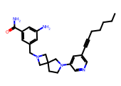 | CCCCCC#Cc1cncc(N2CCC3(CN(Cc4cc(N)cc(C(N)=O)c4)C3)C2)c1 | CCCCCCC#Cc1cncc(N2CCC3(CN(Cc4cc([N+](=O)[O-])cc([N+](=O)[O-])c4)C3)C2)c1 | 1.0000 | 0.6667 | 11.1400 | 0.6976 | 4.9845 | 5.3024 | 3.4068 | -5.2557 | 0.0000 | Moderately Soluble | 28.1070 | 28.6943 | 48.7286 | 1.0000
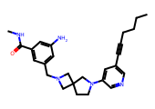 | CCCCC#Cc1cncc(N2CCC3(CN(Cc4cc(N)cc(C(=O)NC)c4)C3)C2)c1 | CCCCCCC#Cc1cncc(N2CCC3(CN(Cc4cc([N+](=O)[O-])cc([N+](=O)[O-])c4)C3)C2)c1 | 1.0000 | 0.6102 | 10.1000 | 0.6976 | 4.9845 | 5.3024 | 3.2774 | -5.1631 | 0.0000 | Moderately Soluble | 22.3072 | 20.0372 | 52.2809 | 1.0000
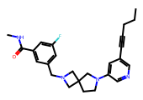 | CCCC#Cc1cncc(N2CCC3(CN(Cc4cc(F)cc(C(=O)NC)c4)C3)C2)c1 | CCCCCCC#Cc1cncc(N2CCC3(CN(Cc4cc([N+](=O)[O-])cc([N+](=O)[O-])c4)C3)C2)c1 | 1.0000 | 0.5714 | 10.3700 | 0.6976 | 4.9845 | 5.3024 | 3.4442 | -5.2224 | 0.0000 | Moderately Soluble | 24.0711 | 23.2003 | 48.2660 | 1.0000

