Compounds
Structure | canonical_smiles | Input_SMILES | SMILES_state | Tanimoto | NLL | pred_logIC50_uM | pred_ic50_uM | pred_pIC50 | pred_cLogP | pred_logS_ESOL | pred_Solubility_ESOL_mol_per_L | pred_Solubility_ESOL_class | pred_MetStab_Clearance_Microsome_AZ | pred_MetStab_Clearance_Hepatocyte_AZ | pred_MetStab_Half_Life_Obach | passes_optimal
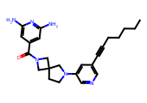 | CCCCCC#Cc1cncc(N2CCC3(CN(C(=O)c4cc(N)nc(N)c4)C3)C2)c1 | CCCCCCC#Cc1cncc(N2CCC3(CN(C(=O)c4cc([N+](=O)[O-])cc([N+](=O)[O-])c4)C3)C2)c1 | 1.0000 | 0.6579 | 11.4200 | 0.5473 | 3.5262 | 5.4527 | 2.9253 | -4.8244 | 0.0000 | Moderately Soluble | 30.8587 | 25.4617 | 41.3726 | 1.0000
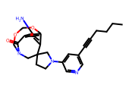 | CCCCC#Cc1cncc(N2CCC3(CN4COCOc5cc(N)c(cc53)C4=O)C2)c1 | CCCCCCC#Cc1cncc(N2CCC3(CN(C(=O)c4cc5c(cc4[N+](=O)[O-])OCO5)C3)C2)c1 | 1.0000 | 0.4962 | 11.2200 | 0.5473 | 3.5262 | 5.4527 | 3.1334 | -5.0729 | 0.0000 | Moderately Soluble | 34.0366 | 35.3320 | 45.1573 | 1.0000
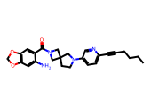 | CCCCC#Cc1ccc(N2CCC3(CN(C(=O)c4cc5c(cc4N)OCO5)C3)C2)cn1 | CCCCCCC#Cc1cncc(N2CCC3(CN(C(=O)c4cc5c(cc4[N+](=O)[O-])OCO5)C3)C2)c1 | 1.0000 | 0.6116 | 11.5000 | 0.5576 | 3.6110 | 5.4424 | 3.2867 | -5.1831 | 0.0000 | Moderately Soluble | 62.0017 | 58.0131 | 53.0703 | 1.0000
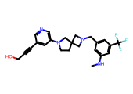 | CNc1cc(CN2CC3(CCN(c4cncc(C#CCO)c4)C3)C2)cc(C(F)(F)F)c1 | CCCCCCC#Cc1cncc(N2CCC3(CN(Cc4cc([N+](=O)[O-])cc([N+](=O)[O-])c4)C3)C2)c1 | 1.0000 | 0.5000 | 10.2300 | 0.5576 | 3.6110 | 5.4424 | 3.1982 | -5.1091 | 0.0000 | Moderately Soluble | 10.3068 | 4.9538 | 63.2820 | 1.0000
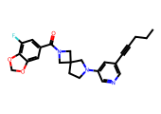 | CCCC#Cc1cncc(N2CCC3(CN(C(=O)c4cc(F)c5c(c4)OCO5)C3)C2)c1 | CCCCCCC#Cc1cncc(N2CCC3(CN(C(=O)c4cc5c(cc4[N+](=O)[O-])OCO5)C3)C2)c1 | 1.0000 | 0.6271 | 5.0900 | 0.5576 | 3.6110 | 5.4424 | 3.4535 | -5.2424 | 0.0000 | Moderately Soluble | 54.0330 | 51.5898 | 46.1193 | 1.0000
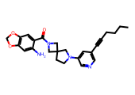 | CCCCC#Cc1cncc(N2CCC3(CN(C(=O)c4cc5c(cc4N)OCO5)C3)C2)c1 | CCCCCCC#Cc1cncc(N2CCC3(CN(C(=O)c4cc5c(cc4[N+](=O)[O-])OCO5)C3)C2)c1 | 1.0000 | 0.7727 | 5.3700 | 0.5576 | 3.6110 | 5.4424 | 3.2867 | -5.1831 | 0.0000 | Moderately Soluble | 59.4709 | 57.2172 | 40.8025 | 1.0000
 | CCCC#Cc1cncc(N2CCC3(CN(C(=O)c4cc([18F])c5c(c4)OCO5)C3)C2)c1 | CCCCCCC#Cc1cncc(N2CCC3(CN(C(=O)c4cc5c(cc4[N+](=O)[O-])OCO5)C3)C2)c1 | 1.0000 | 0.6271 | 9.6300 | 0.5576 | 3.6110 | 5.4424 | 3.4535 | -5.2358 | 0.0000 | Moderately Soluble | 54.0236 | 51.6074 | 46.0180 | 1.0000
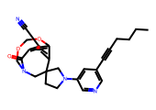 | CCCCC#Cc1cncc(N2CCC3(CN4COCOc5cc(C#N)c(cc53)C4=O)C2)c1 | CCCCCCC#Cc1cncc(N2CCC3(CN(C(=O)c4cc5c(cc4[N+](=O)[O-])OCO5)C3)C2)c1 | 1.0000 | 0.4851 | 10.9700 | 0.5576 | 3.6110 | 5.4424 | 3.4229 | -5.3489 | 0.0000 | Moderately Soluble | 50.9269 | 50.9757 | 40.6336 | 1.0000
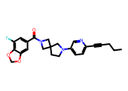 | CCCC#Cc1ccc(N2CCC3(CN(C(=O)c4cc(F)c5c(c4)OCO5)C3)C2)cn1 | CCCCCCC#Cc1cncc(N2CCC3(CN(C(=O)c4cc5c(cc4[N+](=O)[O-])OCO5)C3)C2)c1 | 1.0000 | 0.4884 | 11.4700 | 0.5576 | 3.6110 | 5.4424 | 3.4535 | -5.2424 | 0.0000 | Moderately Soluble | 57.1232 | 53.1589 | 59.3764 | 1.0000
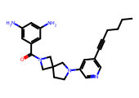 | CCCCC#Cc1cncc(N2CCC3(CN(C(=O)c4cc(N)cc(N)c4)C3)C2)c1 | CCCCCCC#Cc1cncc(N2CCC3(CN(C(=O)c4cc([N+](=O)[O-])cc([N+](=O)[O-])c4)C3)C2)c1 | 1.0000 | 0.6460 | 5.4200 | 0.6052 | 4.0286 | 5.3948 | 3.1402 | -4.8934 | 0.0000 | Moderately Soluble | 22.1314 | 26.0452 | 48.2339 | 1.0000
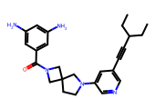 | CCC(C#Cc1cncc(N2CCC3(CN(C(=O)c4cc(N)cc(N)c4)C3)C2)c1)CC | CCCCCCC#Cc1cncc(N2CCC3(CN(C(=O)c4cc([N+](=O)[O-])cc([N+](=O)[O-])c4)C3)C2)c1 | 1.0000 | 0.5161 | 7.4700 | 0.6052 | 4.0286 | 5.3948 | 3.3862 | -5.1631 | 0.0000 | Moderately Soluble | 24.3867 | 22.2912 | 54.5738 | 1.0000
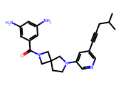 | CC(C)CC#Cc1cncc(N2CCC3(CN(C(=O)c4cc(N)cc(N)c4)C3)C2)c1 | CCCCCCC#Cc1cncc(N2CCC3(CN(C(=O)c4cc([N+](=O)[O-])cc([N+](=O)[O-])c4)C3)C2)c1 | 1.0000 | 0.5289 | 8.5700 | 0.6052 | 4.0286 | 5.3948 | 2.9961 | -4.7900 | 0.0000 | Moderately Soluble | 24.8000 | 23.3478 | 43.0501 | 1.0000
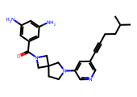 | CC(C)CCC#Cc1cncc(N2CCC3(CN(C(=O)c4cc(N)cc(N)c4)C3)C2)c1 | CCCCCCC#Cc1cncc(N2CCC3(CN(C(=O)c4cc([N+](=O)[O-])cc([N+](=O)[O-])c4)C3)C2)c1 | 1.0000 | 0.5537 | 9.9100 | 0.6052 | 4.0286 | 5.3948 | 3.3862 | -5.1631 | 0.0000 | Moderately Soluble | 29.6139 | 28.7064 | 54.5445 | 1.0000
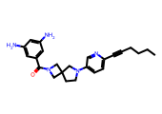 | CCCCC#Cc1ccc(N2CCC3(CN(C(=O)c4cc(N)cc(N)c4)C3)C2)cn1 | CCCCCCC#Cc1cncc(N2CCC3(CN(C(=O)c4cc([N+](=O)[O-])cc([N+](=O)[O-])c4)C3)C2)c1 | 1.0000 | 0.5000 | 11.4800 | 0.6052 | 4.0286 | 5.3948 | 3.1402 | -4.8934 | 0.0000 | Moderately Soluble | 20.1749 | 23.7639 | 56.3457 | 1.0000
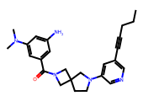 | CCCC#Cc1cncc(N2CCC3(CN(C(=O)c4cc(N)cc(N(C)C)c4)C3)C2)c1 | CCCCCCC#Cc1cncc(N2CCC3(CN(C(=O)c4cc([N+](=O)[O-])cc([N+](=O)[O-])c4)C3)C2)c1 | 1.0000 | 0.5798 | 11.5700 | 0.6052 | 4.0286 | 5.3948 | 3.2339 | -5.0502 | 0.0000 | Moderately Soluble | 39.7558 | 32.8168 | 42.6383 | 1.0000
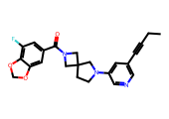 | CCC#Cc1cncc(N2CCC3(CN(C(=O)c4cc(F)c5c(c4)OCO5)C3)C2)c1 | CCCCCCC#Cc1cncc(N2CCC3(CN(C(=O)c4cc5c(cc4[N+](=O)[O-])OCO5)C3)C2)c1 | 1.0000 | 0.5882 | 9.4300 | 0.6270 | 4.2361 | 5.3730 | 3.0634 | -4.8692 | 0.0000 | Moderately Soluble | 46.6868 | 46.5035 | 40.0674 | 1.0000
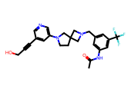 | CC(=O)Nc1cc(CN2CC3(CCN(c4cncc(C#CCO)c4)C3)C2)cc(C(F)(F)F)c1 | CCCCCCC#Cc1cncc(N2CCC3(CN(Cc4cc([N+](=O)[O-])cc([N+](=O)[O-])c4)C3)C2)c1 | 1.0000 | 0.4922 | 8.2300 | 0.6857 | 4.8491 | 5.3143 | 3.1149 | -5.2226 | 0.0000 | Moderately Soluble | 9.3473 | 6.1902 | 51.7728 | 1.0000
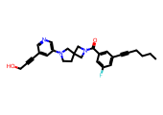 | CCCCC#Cc1cc(F)cc(C(=O)N2CC3(CCN(c4cncc(C#CCO)c4)C3)C2)c1 | CCCCCCC#Cc1cncc(N2CCC3(CN(C(=O)c4cc([N+](=O)[O-])cc([N+](=O)[O-])c4)C3)C2)c1 | 1.0000 | 0.6116 | 10.6500 | 0.6976 | 4.9845 | 5.3024 | 3.4587 | -5.3919 | 0.0000 | Moderately Soluble | 29.7325 | 19.6782 | 82.9059 | 1.0000

