Compounds
Structure | canonical_smiles | Input_SMILES | SMILES_state | Tanimoto | NLL | pred_logIC50_uM | pred_ic50_uM | pred_pIC50 | pred_cLogP | pred_logS_ESOL | pred_Solubility_ESOL_mol_per_L | pred_Solubility_ESOL_class | pred_MetStab_Clearance_Microsome_AZ | pred_MetStab_Clearance_Hepatocyte_AZ | pred_MetStab_Half_Life_Obach | passes_optimal
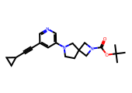 | CC(C)(C)OC(=O)N1CC2(CCN(c3cncc(C#CC4CC4)c3)C2)C1 | CCCCCCC#Cc1cncc(N2CCC3(CN(Cc4cc([N+](=O)[O-])cc([N+](=O)[O-])c4)C3)C2)c1 | 1.0000 | 0.3780 | 6.0000 | 0.6052 | 4.0286 | 5.3948 | 3.2903 | -4.6118 | 0.0000 | Moderately Soluble | 60.5281 | 54.0439 | 41.5425 | 1.0000
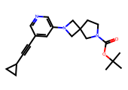 | CC(C)(C)OC(=O)N1CCC2(C1)CN(c1cncc(C#CC3CC3)c1)C2 | CCCCCCC#Cc1cncc(N2CCC3(CN(Cc4cc([N+](=O)[O-])cc([N+](=O)[O-])c4)C3)C2)c1 | 1.0000 | 0.3566 | 8.8600 | 0.6052 | 4.0286 | 5.3948 | 3.2903 | -4.6118 | 0.0000 | Moderately Soluble | 56.5646 | 51.9923 | 40.7073 | 1.0000
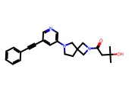 | CC(C)(O)CC(=O)N1CC2(CCN(c3cncc(C#Cc4ccccc4)c3)C2)C1 | CCCCCCC#Cc1cncc(N2CCC3(CN(C(=O)c4cc([N+](=O)[O-])cc([N+](=O)[O-])c4)C3)C2)c1 | 1.0000 | 0.3969 | 9.3200 | 0.6052 | 4.0286 | 5.3948 | 2.6811 | -4.4694 | 0.0000 | Moderately Soluble | 16.7694 | 33.8072 | 41.8971 | 1.0000
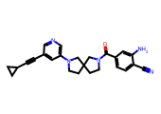 | N#Cc1ccc(C(=O)N2CCC3(CCN(c4cncc(C#CC5CC5)c4)C3)C2)cc1N | CCCCCCC#Cc1cncc(N2CCC3(CN(C(=O)c4cc5c(cc4[N+](=O)[O-])OCO5)C3)C2)c1 | 1.0000 | 0.3971 | 9.8100 | 0.6052 | 4.0286 | 5.3948 | 3.0396 | -4.8729 | 0.0000 | Moderately Soluble | 12.1143 | 16.8549 | 40.7201 | 1.0000
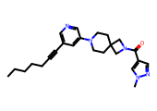 | CCCCCC#Cc1cncc(N2CCC3(CC2)CN(C(=O)c2cnn(C)c2)C3)c1 | CCCCCCC#Cc1cncc(N2CCC3(CN(C(=O)c4cc5c(cc4[N+](=O)[O-])OCO5)C3)C2)c1 | 1.0000 | 0.5455 | 9.7900 | 0.6264 | 4.2303 | 5.3736 | 3.4895 | -5.1481 | 0.0000 | Moderately Soluble | 45.8611 | 41.5500 | 40.9754 | 1.0000
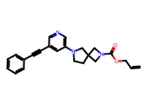 | C=CCOC(=O)N1CC2(CCN(c3cncc(C#Cc4ccccc4)c3)C2)C1 | CCCCCCC#Cc1cncc(N2CCC3(CN(C(=O)c4cc5c(cc4[N+](=O)[O-])OCO5)C3)C2)c1 | 1.0000 | 0.3893 | 8.7300 | 0.6270 | 4.2361 | 5.3730 | 3.3161 | -4.8406 | 0.0000 | Moderately Soluble | 60.2029 | 61.0347 | 46.7354 | 1.0000
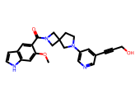 | COc1cc2[nH]ccc2cc1C(=O)N1CC2(CCN(c3cncc(C#CCO)c3)C2)C1 | CCCCCCC#Cc1cncc(N2CCC3(CN(C(=O)c4cc5c(cc4[N+](=O)[O-])OCO5)C3)C2)c1 | 1.0000 | 0.4769 | 9.8200 | 0.6723 | 4.7019 | 5.3277 | 2.2678 | -4.3712 | 0.0000 | Moderately Soluble | 26.0748 | 16.1488 | 40.6062 | 1.0000
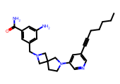 | CCCCCC#Cc1cncc(N2CCC3(CN(Cc4cc(N)cc(C(N)=O)c4)C3)C2)c1 | CCCCCCC#Cc1cncc(N2CCC3(CN(Cc4cc([N+](=O)[O-])cc([N+](=O)[O-])c4)C3)C2)c1 | 1.0000 | 0.6667 | 9.2800 | 0.6976 | 4.9845 | 5.3024 | 3.4068 | -5.2557 | 0.0000 | Moderately Soluble | 28.1070 | 28.6943 | 48.7286 | 1.0000
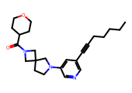 | CCCCCC#Cc1cncc(N2CCC3(CN(C(=O)C4CCOCC4)C3)C2)c1 | CCCCCCC#Cc1cncc(N2CCC3(CN(C(=O)c4cc([N+](=O)[O-])cc([N+](=O)[O-])c4)C3)C2)c1 | 1.0000 | 0.5328 | 9.2500 | 0.6976 | 4.9845 | 5.3024 | 3.4787 | -5.0059 | 0.0000 | Moderately Soluble | 45.2179 | 49.3283 | 40.1886 | 1.0000
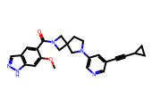 | COc1cc2[nH]ncc2cc1C(=O)N1CC2(CCN(c3cncc(C#CC4CC4)c3)C2)C1 | CCCCCCC#Cc1cncc(N2CCC3(CN(C(=O)c4cc5c(cc4[N+](=O)[O-])OCO5)C3)C2)c1 | 1.0000 | 0.4444 | 8.6600 | 0.6976 | 4.9845 | 5.3024 | 3.0805 | -5.0405 | 0.0000 | Moderately Soluble | 31.9456 | 25.6163 | 50.8040 | 1.0000
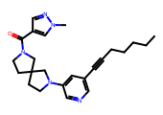 | CCCCCC#Cc1cncc(N2CCC3(CCN(C(=O)c4cnn(C)c4)C3)C2)c1 | CCCCCCC#Cc1cncc(N2CCC3(CN(C(=O)c4cc5c(cc4[N+](=O)[O-])OCO5)C3)C2)c1 | 1.0000 | 0.5537 | 9.6300 | 0.6976 | 4.9845 | 5.3024 | 3.4895 | -5.1481 | 0.0000 | Moderately Soluble | 46.9470 | 42.5372 | 40.5955 | 1.0000

