Compounds
Structure | canonical_smiles | SMILES_state | NLL | pred_logIC50_uM | pred_ic50_uM | pred_pIC50 | pred_cLogP | pred_logS_ESOL | pred_Solubility_ESOL_mol_per_L | pred_Solubility_ESOL_class | pred_MetStab_Clearance_Microsome_AZ | pred_MetStab_Clearance_Hepatocyte_AZ | pred_MetStab_Half_Life_Obach | passes_optimal
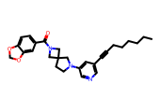 | CCCCCCC#Cc1cncc(N2CCC3(CN(C(=O)c4ccc5c(c4)OCO5)C3)C2)c1 | 1.0000 | 13.5600 | 0.6976 | 4.9845 | 5.3024 | 4.4847 | -6.1462 | 0.0000 | Poorly Soluble | 80.2411 | 73.2527 | 54.7349 | 0.0000
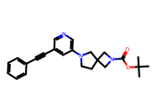 | CC(C)(C)OC(=O)N1CC2(CCN(c3cncc(C#Cc4ccccc4)c3)C2)C1 | 1.0000 | 8.8700 | 0.7846 | 6.0894 | 5.2154 | 3.9286 | -5.4016 | 0.0000 | Moderately Soluble | 77.1714 | 66.1945 | 68.2165 | 0.0000
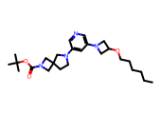 | CCCCCCOC1CN(c2cncc(N3CCC4(CN(C(=O)OC(C)(C)C)C4)C3)c2)C1 | 1.0000 | 7.8500 | 0.8680 | 7.3784 | 5.1320 | 4.3143 | -5.9316 | 0.0000 | Moderately Soluble | 111.3801 | 83.9328 | 40.9441 | 0.0000
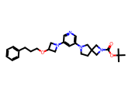 | CC(C)(C)OC(=O)N1CC2(CCN(c3cncc(N4CC(OCCCc5ccccc5)C4)c3)C2)C1 | 1.0000 | 10.3800 | 1.0474 | 11.1528 | 4.9526 | 4.3668 | -6.2652 | 0.0000 | Poorly Soluble | 109.7293 | 82.8242 | 26.4680 | 0.0000
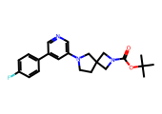 | CC(C)(C)OC(=O)N1CC2(CCN(c3cncc(-c4ccc(F)cc4)c3)C2)C1 | 1.0000 | 23.3800 | 1.1167 | 13.0836 | 4.8833 | 4.3349 | -5.6659 | 0.0000 | Moderately Soluble | 88.4872 | 69.7197 | 39.3443 | 0.0000
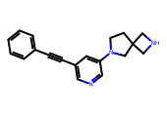 | C(#Cc1cncc(N2CCC3(CNC3)C2)c1)c1ccccc1 | 1.0000 | 17.4700 | 1.2328 | 17.0914 | 4.7672 | 2.2811 | -3.5736 | 0.0003 | Soluble | -10.3886 | 13.9749 | 35.8188 | 0.0000
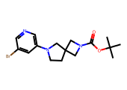 | CC(C)(C)OC(=O)N1CC2(CCN(c3cncc(Br)c3)C2)C1 | 1.0000 | 9.3900 | 1.4367 | 27.3321 | 4.5633 | 3.2913 | -4.7284 | 0.0000 | Moderately Soluble | 76.2751 | 70.1213 | 35.3756 | 0.0000
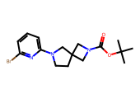 | CC(C)(C)OC(=O)N1CC2(CCN(c3cccc(Br)n3)C2)C1 | 1.0000 | 11.5800 | 1.5329 | 34.1128 | 4.4671 | 3.2913 | -4.7284 | 0.0000 | Moderately Soluble | 86.5872 | 75.1318 | 37.7922 | 0.0000

