Compounds
Structure | canonical_smiles | Input_SMILES | SMILES_state | Tanimoto | NLL | pred_logIC50_uM | pred_ic50_uM | pred_pIC50 | pred_cLogP | pred_logS_ESOL | pred_Solubility_ESOL_mol_per_L | pred_Solubility_ESOL_class | pred_MetStab_Clearance_Microsome_AZ | pred_MetStab_Clearance_Hepatocyte_AZ | pred_MetStab_Half_Life_Obach | passes_optimal
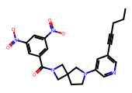 | CCCC#Cc1cncc(N2CCC3(CN(C(=O)c4cc([N+](=O)[O-])cc([N+](=O)[O-])c4)C3)C2)c1 | CCCCCCC#Cc1cncc(N2CCC3(CN(C(=O)c4cc([N+](=O)[O-])cc([N+](=O)[O-])c4)C3)C2)c1 | 1.0000 | 0.8738 | 4.8200 | -0.1078 | 0.7803 | 6.1078 | 3.4021 | -5.3725 | 0.0000 | Moderately Soluble | 45.8770 | 25.8671 | 41.3612 | 1.0000
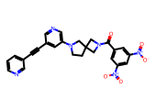 | O=C(c1cc([N+](=O)[O-])cc([N+](=O)[O-])c1)N1CC2(CCN(c3cncc(C#Cc4cccnc4)c3)C2)C1 | O=C(c1cc([N+](=O)[O-])cc([N+](=O)[O-])c1)N1CC2(CCN(c3cncc(C#Cc4ccccc4)c3)C2)C1 | 1.0000 | 0.8378 | 5.6900 | -0.1078 | 0.7803 | 6.1078 | 3.0453 | -5.4010 | 0.0000 | Moderately Soluble | 27.1264 | 12.4527 | 51.7775 | 1.0000
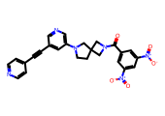 | O=C(c1cc([N+](=O)[O-])cc([N+](=O)[O-])c1)N1CC2(CCN(c3cncc(C#Cc4ccncc4)c3)C2)C1 | O=C(c1cc([N+](=O)[O-])cc([N+](=O)[O-])c1)N1CC2(CCN(c3cncc(C#Cc4ccccc4)c3)C2)C1 | 1.0000 | 0.8378 | 6.1300 | -0.1078 | 0.7803 | 6.1078 | 3.0453 | -5.4010 | 0.0000 | Moderately Soluble | 25.8032 | 11.0042 | 61.2013 | 1.0000
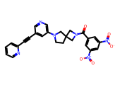 | O=C(c1cc([N+](=O)[O-])cc([N+](=O)[O-])c1)N1CC2(CCN(c3cncc(C#Cc4ccccn4)c3)C2)C1 | O=C(c1cc([N+](=O)[O-])cc([N+](=O)[O-])c1)N1CC2(CCN(c3cncc(C#Cc4ccccc4)c3)C2)C1 | 1.0000 | 0.8214 | 6.1900 | -0.1078 | 0.7803 | 6.1078 | 3.0453 | -5.4010 | 0.0000 | Moderately Soluble | 31.1940 | 15.9360 | 61.2050 | 1.0000
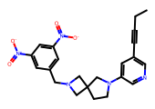 | CCC#Cc1cncc(N2CCC3(CN(Cc4cc([N+](=O)[O-])cc([N+](=O)[O-])c4)C3)C2)c1 | CCCCCCC#Cc1cncc(N2CCC3(CN(Cc4cc([N+](=O)[O-])cc([N+](=O)[O-])c4)C3)C2)c1 | 1.0000 | 0.8235 | 5.5300 | 0.0312 | 1.0744 | 5.9688 | 3.3718 | -5.1748 | 0.0000 | Moderately Soluble | 36.4625 | 21.9712 | 48.0443 | 1.0000
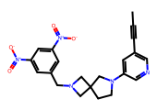 | CC#Cc1cncc(N2CCC3(CN(Cc4cc([N+](=O)[O-])cc([N+](=O)[O-])c4)C3)C2)c1 | CCCCCCC#Cc1cncc(N2CCC3(CN(Cc4cc([N+](=O)[O-])cc([N+](=O)[O-])c4)C3)C2)c1 | 1.0000 | 0.7767 | 6.0300 | 0.0312 | 1.0744 | 5.9688 | 2.9817 | -4.7982 | 0.0000 | Moderately Soluble | 37.6787 | 23.2120 | 44.1125 | 1.0000
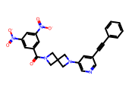 | O=C(c1cc([N+](=O)[O-])cc([N+](=O)[O-])c1)N1CC2(C1)CN(c1cncc(C#Cc3ccccc3)c1)C2 | O=C(c1cc([N+](=O)[O-])cc([N+](=O)[O-])c1)N1CC2(CCN(c3cncc(C#Cc4ccccc4)c3)C2)C1 | 1.0000 | 0.9048 | 4.5200 | 0.2883 | 1.9421 | 5.7117 | 3.2602 | -5.4671 | 0.0000 | Moderately Soluble | 35.8018 | 18.9041 | 66.5307 | 1.0000
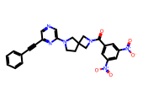 | O=C(c1cc([N+](=O)[O-])cc([N+](=O)[O-])c1)N1CC2(CCN(c3cncc(C#Cc4ccccc4)n3)C2)C1 | O=C(c1cc([N+](=O)[O-])cc([N+](=O)[O-])c1)N1CC2(CCN(c3cncc(C#Cc4ccccc4)c3)C2)C1 | 1.0000 | 0.8053 | 6.1600 | 0.2883 | 1.9421 | 5.7117 | 3.0453 | -5.4010 | 0.0000 | Moderately Soluble | 34.5299 | 16.4583 | 64.2660 | 1.0000
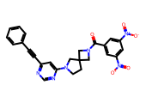 | O=C(c1cc([N+](=O)[O-])cc([N+](=O)[O-])c1)N1CC2(CCN(c3cc(C#Cc4ccccc4)ncn3)C2)C1 | O=C(c1cc([N+](=O)[O-])cc([N+](=O)[O-])c1)N1CC2(CCN(c3cncc(C#Cc4ccccc4)c3)C2)C1 | 1.0000 | 0.7586 | 6.6500 | 0.3788 | 2.3923 | 5.6212 | 3.0453 | -5.4010 | 0.0000 | Moderately Soluble | 35.8389 | 13.2531 | 73.9834 | 1.0000
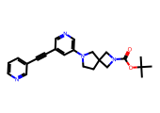 | CC(C)(C)OC(=O)N1CC2(CCN(c3cncc(C#Cc4cccnc4)c3)C2)C1 | CC(C)(C)OC(=O)N1CC2(CCN(c3cncc(C#Cc4ccccc4)c3)C2)C1 | 1.0000 | 0.8022 | 5.9300 | 0.6052 | 4.0286 | 5.3948 | 3.3236 | -4.9594 | 0.0000 | Moderately Soluble | 55.5629 | 49.0012 | 41.8537 | 1.0000
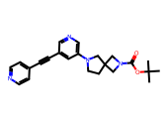 | CC(C)(C)OC(=O)N1CC2(CCN(c3cncc(C#Cc4ccncc4)c3)C2)C1 | CC(C)(C)OC(=O)N1CC2(CCN(c3cncc(C#Cc4ccccc4)c3)C2)C1 | 1.0000 | 0.8022 | 6.2500 | 0.6052 | 4.0286 | 5.3948 | 3.3236 | -4.9594 | 0.0000 | Moderately Soluble | 55.5545 | 48.2547 | 52.9480 | 1.0000

