Compounds
Structure | canonical_smiles | murcko_scaffold | novel_scaffold | pred_log10_ic50_uM | pred_ic50_uM | max_sim_to_seriesCE | has_spiro_motif | drug_like | mw | logp | hbd | hba | rot_bonds | tpsa
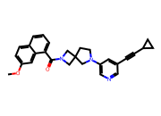 | COc1ccc2cccc(C(=O)N3CC4(CCN(c5cncc(C#CC6CC6)c5)C4)C3)c2c1 | O=C(c1cccc2ccccc12)N1CC2(CCN(c3cncc(C#CC4CC4)c3)C2)C1 | 1.0000 | 0.7846 | 6.0894 | 0.4872 | 1.0000 | 1.0000 | 437.5400 | 4.3600 | 0.0000 | 4.0000 | 3.0000 | 45.6700
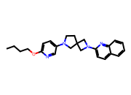 | CCCCOc1ccc(N2CCC3(C2)CN(c2ccc4ccccc4n2)C3)cn1 | c1cncc(N2CCC3(C2)CN(c2ccc4ccccc4n2)C3)c1 | 1.0000 | 0.9246 | 8.4057 | 0.3133 | 1.0000 | 1.0000 | 388.5200 | 4.5300 | 0.0000 | 5.0000 | 6.0000 | 41.4900
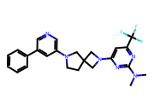 | CN(C)c1nc(N2CC3(CCN(c4cncc(-c5ccccc5)c4)C3)C2)cc(C(F)(F)F)n1 | c1ccc(-c2cncc(N3CCC4(C3)CN(c3ccncn3)C4)c2)cc1 | 1.0000 | 1.3957 | 24.8735 | 0.4384 | 1.0000 | 1.0000 | 454.5000 | 4.3400 | 0.0000 | 6.0000 | 4.0000 | 48.3900
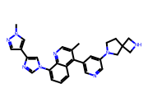 | Cc1cnc2c(-n3cnc(-c4cnn(C)c4)c3)cccc2c1-c1cncc(N2CCC3(CNC3)C2)c1 | c1cc(-n2cnc(-c3cn[nH]c3)c2)c2nccc(-c3cncc(N4CCC5(CNC5)C4)c3)c2c1 | 1.0000 | 1.6250 | 42.1688 | 0.3846 | 1.0000 | 1.0000 | 476.5900 | 3.9900 | 1.0000 | 6.0000 | 4.0000 | 76.6900

