Compounds
Structure | canonical_smiles | murcko_scaffold | novel_scaffold | pred_log10_ic50_uM | pred_ic50_uM | max_sim_to_seriesCE | has_spiro_motif | drug_like | mw | logp | hbd | hba | rot_bonds | tpsa
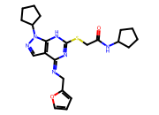 | O=C(CSc1nc(=NCc2ccco2)c2cnn(C3CCCC3)c2[nH]1)NC1CCCC1 | O=C(CSc1nc(=NCc2ccco2)c2cnn(C3CCCC3)c2[nH]1)NC1CCCC1 | 1.0000 | -0.0881 | 0.8163 | 0.1356 | 0.0000 | 1.0000 | 440.5700 | 3.7200 | 2.0000 | 6.0000 | 7.0000 | 101.1000
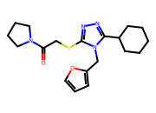 | O=C(CSc1nnc(C2CCCCC2)n1Cc1ccco1)N1CCCC1 | O=C(CSc1nnc(C2CCCCC2)n1Cc1ccco1)N1CCCC1 | 1.0000 | -0.0237 | 0.9469 | 0.1566 | 0.0000 | 1.0000 | 374.5100 | 3.6800 | 0.0000 | 5.0000 | 6.0000 | 64.1600

