Compounds
Structure | canonical_smiles | murcko_scaffold | novel_scaffold | pred_log10_ic50_uM | pred_ic50_uM | max_sim_to_seriesCE | has_spiro_motif | drug_like | mw | logp | hbd | hba | rot_bonds | tpsa
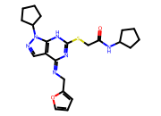 | O=C(CSc1nc(=NCc2ccco2)c2cnn(C3CCCC3)c2[nH]1)NC1CCCC1 | O=C(CSc1nc(=NCc2ccco2)c2cnn(C3CCCC3)c2[nH]1)NC1CCCC1 | 1.0000 | -0.0881 | 0.8163 | 0.1356 | 0.0000 | 1.0000 | 440.5700 | 3.7200 | 2.0000 | 6.0000 | 7.0000 | 101.1000
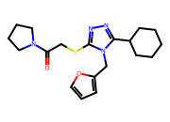 | O=C(CSc1nnc(C2CCCCC2)n1Cc1ccco1)N1CCCC1 | O=C(CSc1nnc(C2CCCCC2)n1Cc1ccco1)N1CCCC1 | 1.0000 | -0.0237 | 0.9469 | 0.1566 | 0.0000 | 1.0000 | 374.5100 | 3.6800 | 0.0000 | 5.0000 | 6.0000 | 64.1600
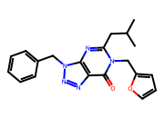 | CC(C)Cc1nc2c(nnn2Cc2ccccc2)c(=O)n1Cc1ccco1 | O=c1c2nnn(Cc3ccccc3)c2ncn1Cc1ccco1 | 1.0000 | 0.2854 | 1.9295 | 0.1300 | 0.0000 | 1.0000 | 363.4200 | 2.8800 | 0.0000 | 5.0000 | 6.0000 | 78.7400
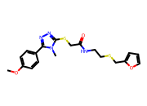 | COc1ccc(-c2nnc(SCC(=O)NCCSCc3ccco3)n2C)cc1 | O=C(CSc1nnc(-c2ccccc2)[nH]1)NCCSCc1ccco1 | 1.0000 | 0.3612 | 2.2970 | 0.1354 | 0.0000 | 1.0000 | 418.5400 | 3.2300 | 1.0000 | 7.0000 | 10.0000 | 82.1800
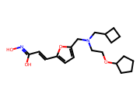 | ON=C(O)C=Cc1ccc(CN(CCOC2CCCC2)CC2CCC2)o1 | c1coc(CN(CCOC2CCCC2)CC2CCC2)c1 | 1.0000 | 0.4031 | 2.5297 | 0.1287 | 0.0000 | 1.0000 | 362.4700 | 4.2000 | 2.0000 | 5.0000 | 10.0000 | 78.4300
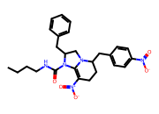 | CCCCNC(=O)N1C2=C([N+](=O)[O-])CCC(Cc3ccc([N+](=O)[O-])cc3)N2CC1Cc1ccccc1 | C1=C2NC(Cc3ccccc3)CN2C(Cc2ccccc2)CC1 | 1.0000 | 0.4188 | 2.6233 | 0.2000 | 0.0000 | 1.0000 | 493.5600 | 4.4800 | 1.0000 | 6.0000 | 9.0000 | 121.8600
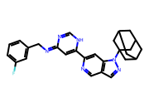 | Fc1cccc(CN=c2cc(-c3cc4c(cn3)cnn4C34CC5CC(CC(C5)C3)C4)[nH]cn2)c1 | c1ccc(CN=c2cc(-c3cc4c(cn3)cnn4C34CC5CC(CC(C5)C3)C4)[nH]cn2)cc1 | 1.0000 | 0.4586 | 2.8748 | 0.1348 | 0.0000 | 1.0000 | 454.5500 | 4.9900 | 1.0000 | 4.0000 | 4.0000 | 71.7500
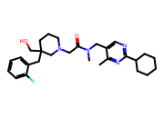 | Cc1nc(C2CCCCC2)ncc1CN(C)C(=O)CN1CCCC(CO)(Cc2ccccc2F)C1 | O=C(CN1CCCC(Cc2ccccc2)C1)NCc1cnc(C2CCCCC2)nc1 | 1.0000 | 0.5328 | 3.4103 | 0.1818 | 0.0000 | 1.0000 | 482.6400 | 4.2500 | 1.0000 | 5.0000 | 8.0000 | 69.5600
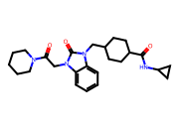 | O=C(NC1CC1)C1CCC(Cn2c(=O)n(CC(=O)N3CCCCC3)c3ccccc32)CC1 | O=C(NC1CC1)C1CCC(Cn2c(=O)n(CC(=O)N3CCCCC3)c3ccccc32)CC1 | 1.0000 | 0.5383 | 3.4540 | 0.1562 | 0.0000 | 1.0000 | 438.5700 | 2.9000 | 1.0000 | 3.0000 | 6.0000 | 76.3400
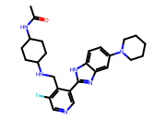 | CC(=O)NC1CCC(NCc2c(F)cncc2-c2nc3cc(N4CCCCC4)ccc3[nH]2)CC1 | c1cc(CNC2CCCCC2)c(-c2nc3cc(N4CCCCC4)ccc3[nH]2)cn1 | 1.0000 | 0.5383 | 3.4540 | 0.2105 | 0.0000 | 1.0000 | 464.5900 | 4.2900 | 3.0000 | 5.0000 | 6.0000 | 85.9400
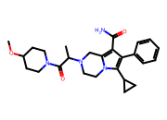 | COC1CCN(C(=O)C(C)N2CCn3c(c(C(N)=O)c(-c4ccccc4)c3C3CC3)C2)CC1 | O=C(CN1CCn2c(cc(-c3ccccc3)c2C2CC2)C1)N1CCCCC1 | 1.0000 | 0.5383 | 3.4540 | 0.1800 | 0.0000 | 1.0000 | 450.5800 | 2.9700 | 1.0000 | 4.0000 | 6.0000 | 80.8000
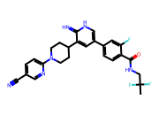 | CC(F)(F)CNC(=O)c1ccc(-c2c[nH]c(=N)c(C3CCN(c4ccc(C#N)cn4)CC3)c2)cc1F | N=c1[nH]cc(-c2ccccc2)cc1C1CCN(c2ccccn2)CC1 | 1.0000 | 0.5601 | 3.6319 | 0.1942 | 0.0000 | 1.0000 | 494.5200 | 4.3400 | 3.0000 | 5.0000 | 6.0000 | 108.6600
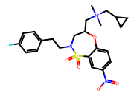 | C[N+](C)(CC1CC1)CC1CN(CCc2ccc(F)cc2)S(=O)(=O)c2cc([N+](=O)[O-])ccc2O1 | O=S1(=O)c2ccccc2OC(C[NH2+]CC2CC2)CN1CCc1ccccc1 | 1.0000 | 0.5628 | 3.6541 | 0.1635 | 0.0000 | 1.0000 | 478.5700 | 3.2100 | 0.0000 | 5.0000 | 8.0000 | 89.7500
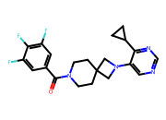 | O=C(c1cc(F)c(F)c(F)c1)N1CCC2(CC1)CN(c1cncnc1C1CC1)C2 | O=C(c1ccccc1)N1CCC2(CC1)CN(c1cncnc1C1CC1)C2 | 1.0000 | 0.6052 | 4.0286 | 0.2963 | 0.0000 | 1.0000 | 402.4200 | 3.5100 | 0.0000 | 4.0000 | 3.0000 | 49.3300
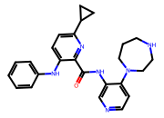 | O=C(Nc1cnccc1N1CCCNCC1)c1nc(C2CC2)ccc1Nc1ccccc1 | O=C(Nc1cnccc1N1CCCNCC1)c1nc(C2CC2)ccc1Nc1ccccc1 | 1.0000 | 0.6107 | 4.0801 | 0.2079 | 0.0000 | 1.0000 | 428.5400 | 4.1500 | 3.0000 | 6.0000 | 6.0000 | 82.1800
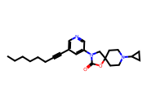 | CCCCCCC#Cc1cncc(N2CC3(CCN(C4CC4)CC3)OC2=O)c1 | O=C1OC2(CCN(C3CC3)CC2)CN1c1cccnc1 | 1.0000 | 0.6264 | 4.2303 | 0.4625 | 0.0000 | 1.0000 | 381.5200 | 4.3600 | 0.0000 | 4.0000 | 6.0000 | 45.6700
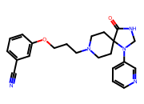 | N#Cc1cccc(OCCCN2CCC3(CC2)C(=O)NCN3c2cccnc2)c1 | O=C1NCN(c2cccnc2)C12CCN(CCCOc1ccccc1)CC2 | 1.0000 | 0.6270 | 4.2361 | 0.2346 | 0.0000 | 1.0000 | 391.4800 | 2.1500 | 1.0000 | 6.0000 | 6.0000 | 81.4900
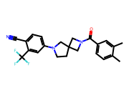 | Cc1ccc(C(=O)N2CC3(CCN(c4ccc(C#N)c(C(F)(F)F)c4)C3)C2)cc1C | O=C(c1ccccc1)N1CC2(CCN(c3ccccc3)C2)C1 | 1.0000 | 0.6343 | 4.3080 | 0.3625 | 0.0000 | 1.0000 | 413.4400 | 4.5500 | 0.0000 | 3.0000 | 2.0000 | 47.3400
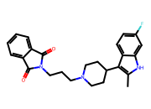 | Cc1[nH]c2cc(F)ccc2c1C1CCN(CCCN2C(=O)c3ccccc3C2=O)CC1 | O=C1c2ccccc2C(=O)N1CCCN1CCC(c2c[nH]c3ccccc23)CC1 | 1.0000 | 0.6422 | 4.3877 | 0.1714 | 0.0000 | 1.0000 | 419.5000 | 4.4800 | 1.0000 | 3.0000 | 5.0000 | 56.4100
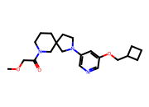 | COCC(=O)N1CCCC2(CCN(c3cncc(OCC4CCC4)c3)C2)C1 | c1ncc(N2CCC3(CCCNC3)C2)cc1OCC1CCC1 | 1.0000 | 0.6446 | 4.4114 | 0.3973 | 0.0000 | 1.0000 | 373.5000 | 2.7300 | 0.0000 | 5.0000 | 6.0000 | 54.9000
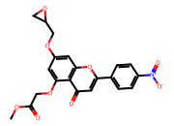 | COC(=O)COc1cc(OCC2CO2)cc2oc(-c3ccc([N+](=O)[O-])cc3)cc(=O)c12 | O=c1cc(-c2ccccc2)oc2cc(OCC3CO3)ccc12 | 1.0000 | 0.6536 | 4.5038 | 0.1553 | 0.0000 | 1.0000 | 427.3700 | 2.7000 | 0.0000 | 9.0000 | 8.0000 | 130.6400
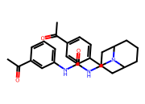 | CC(=O)c1ccc(CN2C3CCCC2CC(NC(=O)Nc2cccc(C(C)=O)c2)C3)cc1 | O=C(Nc1ccccc1)NC1CC2CCCC(C1)N2Cc1ccccc1 | 1.0000 | 0.6580 | 4.5496 | 0.1443 | 0.0000 | 1.0000 | 433.5500 | 4.8000 | 2.0000 | 4.0000 | 6.0000 | 78.5100
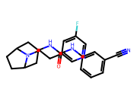 | N#Cc1cccc(NC(=O)NC2CC3CCC(C2)N3CCc2cncc(F)c2)c1 | O=C(Nc1ccccc1)NC1CC2CCC(C1)N2CCc1cccnc1 | 1.0000 | 0.6670 | 4.6447 | 0.1935 | 0.0000 | 1.0000 | 393.4700 | 3.4500 | 2.0000 | 4.0000 | 5.0000 | 81.0500
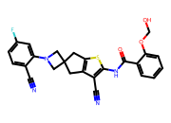 | N#Cc1ccc(F)cc1N1CC2(Cc3sc(NC(=O)c4ccccc4OCO)c(C#N)c3C2)C1 | O=C(Nc1cc2c(s1)CC1(C2)CN(c2ccccc2)C1)c1ccccc1 | 1.0000 | 0.6912 | 4.9111 | 0.2020 | 0.0000 | 1.0000 | 474.5200 | 3.8200 | 2.0000 | 7.0000 | 5.0000 | 109.3800

