Compounds
Structure | canonical_smiles | murcko_scaffold | novel_scaffold | pred_log10_ic50_uM | pred_ic50_uM | max_sim_to_seriesCE | has_spiro_motif | drug_like | mw | logp | hbd | hba | rot_bonds | tpsa
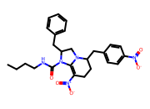 | CCCCNC(=O)N1C2=C([N+](=O)[O-])CCC(Cc3ccc([N+](=O)[O-])cc3)N2CC1Cc1ccccc1 | C1=C2NC(Cc3ccccc3)CN2C(Cc2ccccc2)CC1 | 1.0000 | 0.4188 | 2.6233 | 0.2000 | 0.0000 | 1.0000 | 493.5600 | 4.4800 | 1.0000 | 6.0000 | 9.0000 | 121.8600
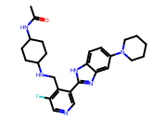 | CC(=O)NC1CCC(NCc2c(F)cncc2-c2nc3cc(N4CCCCC4)ccc3[nH]2)CC1 | c1cc(CNC2CCCCC2)c(-c2nc3cc(N4CCCCC4)ccc3[nH]2)cn1 | 1.0000 | 0.5383 | 3.4540 | 0.2105 | 0.0000 | 1.0000 | 464.5900 | 4.2900 | 3.0000 | 5.0000 | 6.0000 | 85.9400
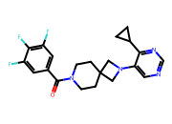 | O=C(c1cc(F)c(F)c(F)c1)N1CCC2(CC1)CN(c1cncnc1C1CC1)C2 | O=C(c1ccccc1)N1CCC2(CC1)CN(c1cncnc1C1CC1)C2 | 1.0000 | 0.6052 | 4.0286 | 0.2963 | 0.0000 | 1.0000 | 402.4200 | 3.5100 | 0.0000 | 4.0000 | 3.0000 | 49.3300
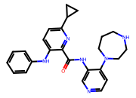 | O=C(Nc1cnccc1N1CCCNCC1)c1nc(C2CC2)ccc1Nc1ccccc1 | O=C(Nc1cnccc1N1CCCNCC1)c1nc(C2CC2)ccc1Nc1ccccc1 | 1.0000 | 0.6107 | 4.0801 | 0.2079 | 0.0000 | 1.0000 | 428.5400 | 4.1500 | 3.0000 | 6.0000 | 6.0000 | 82.1800
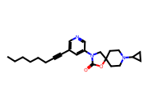 | CCCCCCC#Cc1cncc(N2CC3(CCN(C4CC4)CC3)OC2=O)c1 | O=C1OC2(CCN(C3CC3)CC2)CN1c1cccnc1 | 1.0000 | 0.6264 | 4.2303 | 0.4625 | 0.0000 | 1.0000 | 381.5200 | 4.3600 | 0.0000 | 4.0000 | 6.0000 | 45.6700
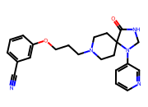 | N#Cc1cccc(OCCCN2CCC3(CC2)C(=O)NCN3c2cccnc2)c1 | O=C1NCN(c2cccnc2)C12CCN(CCCOc1ccccc1)CC2 | 1.0000 | 0.6270 | 4.2361 | 0.2346 | 0.0000 | 1.0000 | 391.4800 | 2.1500 | 1.0000 | 6.0000 | 6.0000 | 81.4900
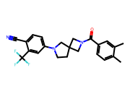 | Cc1ccc(C(=O)N2CC3(CCN(c4ccc(C#N)c(C(F)(F)F)c4)C3)C2)cc1C | O=C(c1ccccc1)N1CC2(CCN(c3ccccc3)C2)C1 | 1.0000 | 0.6343 | 4.3080 | 0.3625 | 0.0000 | 1.0000 | 413.4400 | 4.5500 | 0.0000 | 3.0000 | 2.0000 | 47.3400
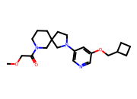 | COCC(=O)N1CCCC2(CCN(c3cncc(OCC4CCC4)c3)C2)C1 | c1ncc(N2CCC3(CCCNC3)C2)cc1OCC1CCC1 | 1.0000 | 0.6446 | 4.4114 | 0.3973 | 0.0000 | 1.0000 | 373.5000 | 2.7300 | 0.0000 | 5.0000 | 6.0000 | 54.9000
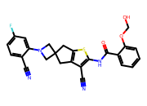 | N#Cc1ccc(F)cc1N1CC2(Cc3sc(NC(=O)c4ccccc4OCO)c(C#N)c3C2)C1 | O=C(Nc1cc2c(s1)CC1(C2)CN(c2ccccc2)C1)c1ccccc1 | 1.0000 | 0.6912 | 4.9111 | 0.2020 | 0.0000 | 1.0000 | 474.5200 | 3.8200 | 2.0000 | 7.0000 | 5.0000 | 109.3800

