Sheet1
Structure | canonical_smiles | murcko_scaffold | novel_scaffold | pred_log10_ic50_uM | pred_ic50_uM | max_sim_to_seriesCE | has_spiro_motif | drug_like | mw | logp | hbd | hba | rot_bonds | tpsa | source_mode | pred_MetStab_Clearance_Microsome_AZ | pred_MetStab_Clearance_Hepatocyte_AZ | pred_MetStab_Half_Life_Obach | pred_cLogP | pred_logS_ESOL | pred_Solubility_ESOL_mol_per_L | pred_Solubility_ESOL_class | property_source_logP_solubility | property_source_metabolic_stability
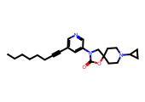 | CCCCCCC#Cc1cncc(N2CC3(CCN(C4CC4)CC3)OC2=O)c1 | O=C1OC2(CCN(C3CC3)CC2)CN1c1cccnc1 | 1 | 0.6264 | 4.2303 | 0.4625 | 0 | 1 | 381.52 | 4.36 | 0 | 4 | 6 | 45.67 | scaffold_hopping | 24.410305 | 36.759766 | 44.506737 | 4.3571 | -5.5642959057 | 2.7271190324E-06 | Moderately Soluble | adme-py (wlogp + ESOL) | admet_ai
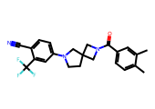 | Cc1ccc(C(=O)N2CC3(CCN(c4ccc(C#N)c(C(F)(F)F)c4)C3)C2)cc1C | O=C(c1ccccc1)N1CC2(CCN(c3ccccc3)C2)C1 | 1 | 0.6343 | 4.308 | 0.3625 | 0 | 1 | 413.44 | 4.55 | 0 | 3 | 2 | 47.34 | similarity | 72.71803 | 62.299034 | 39.69634 | 4.54642 | -6.0088112622 | 9.7991574938E-07 | Poorly Soluble | adme-py (wlogp + ESOL) | admet_ai
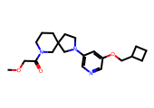 | COCC(=O)N1CCCC2(CCN(c3cncc(OCC4CCC4)c3)C2)C1 | c1ncc(N2CCC3(CCCNC3)C2)cc1OCC1CCC1 | 1 | 0.6446 | 4.4114 | 0.3973 | 0 | 1 | 373.5 | 2.73 | 0 | 5 | 6 | 54.9 | similarity | 61.704884 | 72.53046 | 8.82254 | 2.7258 | -4.3047229135 | 4.9576639638E-05 | Moderately Soluble | adme-py (wlogp + ESOL) | admet_ai
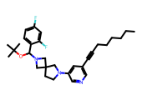 | CCCCCCC#Cc1cncc(N2CCC3(C2)CN(C(OC(C)(C)C)c2ccc(F)cc2F)C3)c1 | c1ccc(CN2CC3(CCN(c4cccnc4)C3)C2)cc1 | 0 | 0.6976 | 4.9845 | 0.5059 | 1 | 0 | 495.66 | 6.71 | 0 | 4 | 8 | 28.6 | similarity | 94.95039 | 73.30177 | 96.25236 | 6.7077 | -8.1064110449 | 7.8268850409E-09 | Poorly Soluble | adme-py (wlogp + ESOL) | admet_ai
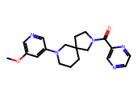 | COc1cncc(N2CCCC3(CCN(C(=O)c4cnccn4)C3)C2)c1 | O=C(c1cnccn1)N1CCC2(CCCN(c3cccnc3)C2)C1 | 1 | 0.7139 | 5.1751 | 0.4 | 0 | 1 | 353.43 | 2.01 | 0 | 6 | 3 | 71.45 | similarity | 39.185295 | 45.888294 | -12.707418 | 2.0129 | -3.7555990735 | 0.00017555003748 | Soluble | adme-py (wlogp + ESOL) | admet_ai
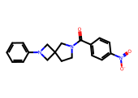 | O=C(c1ccc([N+](=O)[O-])cc1)N1CCC2(C1)CN(c1ccccc1)C2 | O=C(c1ccccc1)N1CCC2(C1)CN(c1ccccc1)C2 | 1 | 0.7517 | 5.6457 | 0.5156 | 0 | 1 | 337.38 | 2.95 | 0 | 4 | 3 | 66.69 | scaffold_hopping | 49.19168 | 53.39745 | 2.6610742 | 2.9473 | -4.3503554069 | 4.463181961E-05 | Moderately Soluble | adme-py (wlogp + ESOL) | admet_ai
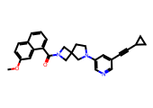 | COc1ccc2cccc(C(=O)N3CC4(CCN(c5cncc(C#CC6CC6)c5)C4)C3)c2c1 | O=C(c1cccc2ccccc12)N1CC2(CCN(c3cncc(C#CC4CC4)c3)C2)C1 | 1 | 0.7846 | 6.0894 | 0.4872 | 1 | 1 | 437.54 | 4.36 | 0 | 4 | 3 | 45.67 | similarity | 52.188362 | 47.597637 | 54.30912 | 4.3574 | -6.0607296605 | 8.6950150787E-07 | Poorly Soluble | adme-py (wlogp + ESOL) | admet_ai
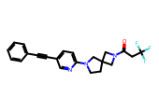 | O=C(CC(F)(F)F)N1CC2(CCN(c3ccc(C#Cc4ccccc4)cn3)C2)C1 | C(#Cc1ccc(N2CCC3(CNC3)C2)nc1)c1ccccc1 | 1 | 0.839 | 6.9032 | 0.4507 | 0 | 1 | 399.42 | 3.47 | 0 | 3 | 2 | 36.44 | similarity | 33.59611 | 34.56373 | 69.39598 | 3.4725 | -5.1254190979 | 7.4917090398E-06 | Moderately Soluble | adme-py (wlogp + ESOL) | admet_ai
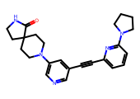 | O=C1NCCC12CCN(c1cncc(C#Cc3cccc(N4CCCC4)n3)c1)CC2 | O=C1NCCC12CCN(c1cncc(C#Cc3cccc(N4CCCC4)n3)c1)CC2 | 1 | 0.8533 | 7.1338 | 0.3971 | 0 | 1 | 401.51 | 2.58 | 1 | 5 | 2 | 61.36 | similarity | 20.869167 | 15.895685 | 63.701557 | 2.5831 | -4.4737709266 | 3.3591474942E-05 | Moderately Soluble | adme-py (wlogp + ESOL) | admet_ai
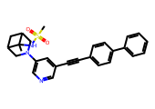 | CC1(NS(C)(=O)=O)C2CC1CN(c1cncc(C#Cc3ccc(-c4ccccc4)cc3)c1)C2 | C(#Cc1cncc(N2CC3CC(C3)C2)c1)c1ccc(-c2ccccc2)cc1 | 1 | 0.9156 | 8.2335 | 0.3881 | 0 | 1 | 457.6 | 3.91 | 1 | 4 | 4 | 62.3 | similarity | 20.222822 | 13.143423 | 86.6435 | 3.9124 | -5.8857145158 | 1.3010245276E-06 | Moderately Soluble | adme-py (wlogp + ESOL) | admet_ai
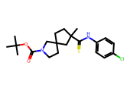 | CC(C)(C)OC(=O)N1CCC2(CCC(C)(C(=S)Nc3ccc(Cl)cc3)C2)C1 | S=C(Nc1ccccc1)C1CCC2(CCNC2)C1 | 1 | 0.9224 | 8.3639 | 0.4118 | 0 | 0 | 409 | 5.9 | 1 | 3 | 2 | 41.57 | similarity | 107.20408 | 84.69757 | 73.22327 | 5.8967 | -6.905082713 | 1.2442776119E-07 | Poorly Soluble | adme-py (wlogp + ESOL) | admet_ai
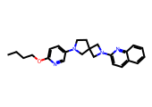 | CCCCOc1ccc(N2CCC3(C2)CN(c2ccc4ccccc4n2)C3)cn1 | c1cncc(N2CCC3(C2)CN(c2ccc4ccccc4n2)C3)c1 | 1 | 0.9246 | 8.4057 | 0.3133 | 1 | 1 | 388.52 | 4.53 | 0 | 5 | 6 | 41.49 | similarity | 103.82695 | 90.70843 | 47.579582 | 4.5254 | -5.8792163455 | 1.3206375894E-06 | Moderately Soluble | adme-py (wlogp + ESOL) | admet_ai
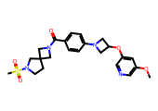 | COc1cncc(OC2CN(c3ccc(C(=O)N4CC5(CCN(S(C)(=O)=O)C5)C4)cc3)C2)c1 | O=C(c1ccc(N2CC(Oc3cccnc3)C2)cc1)N1CC2(CCNC2)C1 | 1 | 0.9454 | 8.8187 | 0.3765 | 0 | 1 | 472.57 | 1.47 | 0 | 7 | 6 | 92.28 | similarity | 58.206177 | 45.30159 | -13.256803 | 1.4653 | -4.0853580133 | 8.215651085E-05 | Moderately Soluble | adme-py (wlogp + ESOL) | admet_ai
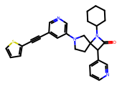 | O=C1C(c2cccnc2)C2(CCN(c3cncc(C#Cc4cccs4)c3)C2)N1C1CCCCC1 | O=C1C(c2cccnc2)C2(CCN(c3cncc(C#Cc4cccs4)c3)C2)N1C1CCCCC1 | 1 | 0.9646 | 9.2165 | 0.359 | 0 | 1 | 468.63 | 4.85 | 0 | 5 | 3 | 49.33 | scaffold_hopping | 40.821636 | 27.729162 | 75.0038 | 4.8455 | -6.6347784062 | 2.3185773756E-07 | Poorly Soluble | adme-py (wlogp + ESOL) | admet_ai
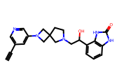 | C#Cc1cncc(N2CC3(CCN(CC(O)c4cccc5[nH]c(=O)[nH]c45)C3)C2)c1 | O=c1[nH]c2cccc(CCN3CCC4(C3)CN(c3cccnc3)C4)c2[nH]1 | 1 | 0.9748 | 9.4373 | 0.36 | 0 | 1 | 389.46 | 1.48 | 3 | 5 | 4 | 88.25 | similarity | 7.764721 | 10.974854 | 18.162954 | 1.4782 | -3.6176358555 | 0.00024119269185 | Soluble | adme-py (wlogp + ESOL) | admet_ai
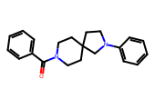 | O=C(c1ccccc1)N1CCC2(CC1)CCN(c1ccccc1)C2 | O=C(c1ccccc1)N1CCC2(CC1)CCN(c1ccccc1)C2 | 1 | 1.0329 | 10.788 | 0.4194 | 0 | 1 | 320.44 | 3.82 | 0 | 2 | 2 | 23.55 | scaffold_hopping | 49.329796 | 65.78226 | 0.99023116 | 3.8193 | -4.8970125573 | 1.2676152133E-05 | Moderately Soluble | adme-py (wlogp + ESOL) | admet_ai
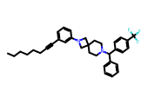 | CCCCCCC#Cc1cccc(N2CC3(CCN(C(c4ccccc4)c4ccc(C(F)(F)F)cc4)CC3)C2)c1 | c1ccc(C(c2ccccc2)N2CCC3(CC2)CN(c2ccccc2)C3)cc1 | 1 | 1.0384 | 10.9243 | 0.3608 | 0 | 0 | 544.71 | 8.72 | 0 | 2 | 8 | 6.48 | similarity | 78.04714 | 34.56816 | 155.32846 | 8.7191 | -9.9723342197 | 1.0657756174E-10 | Poorly Soluble | adme-py (wlogp + ESOL) | admet_ai
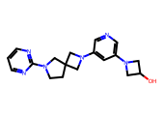 | OC1CN(c2cncc(N3CC4(CCN(c5ncccn5)C4)C3)c2)C1 | c1cnc(N2CCC3(CN(c4cncc(N5CCC5)c4)C3)C2)nc1 | 1 | 1.0949 | 12.4426 | 0.3803 | 0 | 1 | 338.42 | 0.77 | 1 | 7 | 3 | 68.62 | scaffold_hopping | 20.534275 | 10.354743 | -3.9866207 | 0.7692 | -2.7417673559 | 0.0018123106562 | Soluble | adme-py (wlogp + ESOL) | admet_ai
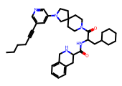 | CCCCC#Cc1cncc(N2CCC3(CCN(C(=O)C(CC4CCCCC4)NC(=O)C4Cc5ccccc5CN4)CC3)C2)c1 | O=C(NC(CC1CCCCC1)C(=O)N1CCC2(CC1)CCN(c1cccnc1)C2)C1Cc2ccccc2CN1 | 1 | 1.1243 | 13.3136 | 0.4393 | 0 | 0 | 609.86 | 5.61 | 2 | 5 | 8 | 77.57 | scaffold_hopping | 68.007545 | 21.946814 | 52.144035 | 5.6119 | -8.0205804227 | 9.5371711701E-09 | Poorly Soluble | adme-py (wlogp + ESOL) | admet_ai
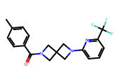 | Cc1ccc(C(=O)N2CC3(C2)CN(c2cccc(C(F)(F)F)n2)C3)cc1 | O=C(c1ccccc1)N1CC2(C1)CN(c1ccccn1)C2 | 1 | 1.138 | 13.7416 | 0.3906 | 0 | 1 | 361.37 | 3.37 | 0 | 3 | 2 | 36.44 | scaffold_hopping | 46.700794 | 42.443413 | 14.115016 | 3.37122 | -4.819002041 | 1.517043238E-05 | Moderately Soluble | adme-py (wlogp + ESOL) | admet_ai
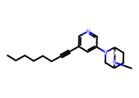 | CCCCCCC#Cc1cncc(N2CC3CCC2CN3C)c1 | c1cncc(N2CC3CCC2CN3)c1 | 1 | 1.1855 | 15.3275 | 0.4324 | 0 | 1 | 311.47 | 3.69 | 0 | 3 | 5 | 19.37 | scaffold_hopping | 42.156403 | 65.35749 | 49.942112 | 3.6863 | -4.6268060694 | 2.3615325205E-05 | Moderately Soluble | adme-py (wlogp + ESOL) | admet_ai
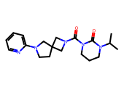 | CC(C)N1CCCN(C(=O)N2CC3(CCN(c4ccccn4)C3)C2)C1=O | O=C1NCCCN1C(=O)N1CC2(CCN(c3ccccn3)C2)C1 | 1 | 1.2001 | 15.853 | 0.3714 | 0 | 1 | 357.46 | 2.25 | 0 | 4 | 2 | 59.99 | similarity | 55.121468 | 50.255714 | -1.2606876 | 2.2498 | -3.8630553454 | 0.00013707070757 | Soluble | adme-py (wlogp + ESOL) | admet_ai
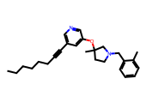 | CCCCCCC#Cc1cncc(OC2(C)CCN(Cc3ccccc3C)C2)c1 | c1ccc(CN2CCC(Oc3cccnc3)C2)cc1 | 1 | 1.216 | 16.4427 | 0.4167 | 0 | 0 | 390.57 | 5.76 | 0 | 3 | 8 | 25.36 | similarity | 99.56388 | 94.43344 | 76.87597 | 5.75532 | -6.7393181456 | 1.8225600835E-07 | Poorly Soluble | adme-py (wlogp + ESOL) | admet_ai
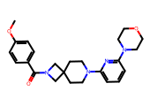 | COc1ccc(C(=O)N2CC3(CCN(c4cccc(N5CCOCC5)n4)CC3)C2)cc1 | O=C(c1ccccc1)N1CC2(CCN(c3cccc(N4CCOCC4)n3)CC2)C1 | 1 | 1.2388 | 17.3295 | 0.4091 | 0 | 1 | 422.53 | 2.67 | 0 | 6 | 4 | 58.14 | scaffold_hopping | 52.789013 | 41.269653 | 3.4130383 | 2.6694 | -4.6643651067 | 2.1658825051E-05 | Moderately Soluble | adme-py (wlogp + ESOL) | admet_ai
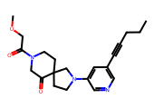 | CCCC#Cc1cncc(N2CCC3(CCN(C(=O)COC)CC3=O)C2)c1 | O=C1CNCCC12CCN(c1cccnc1)C2 | 1 | 1.254 | 17.947 | 0.4512 | 0 | 1 | 369.47 | 1.88 | 0 | 5 | 4 | 62.74 | similarity | 44.440987 | 59.097984 | 21.242899 | 1.8775 | -3.6557968075 | 0.00022090380295 | Soluble | adme-py (wlogp + ESOL) | admet_ai
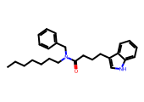 | CCCCCCCN(Cc1ccccc1)C(=O)CCCc1c[nH]c2ccccc12 | O=C(CCCc1c[nH]c2ccccc12)NCc1ccccc1 | 1 | 1.2543 | 17.9598 | 0.3523 | 0 | 0 | 390.57 | 6.49 | 1 | 1 | 12 | 36.1 | scaffold_hopping | 156.9977 | 156.2959 | 50.43187 | 6.4898 | -7.3143513104 | 4.8489609834E-08 | Poorly Soluble | adme-py (wlogp + ESOL) | admet_ai
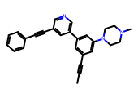 | CC#Cc1cc(-c2cncc(C#Cc3ccccc3)c2)cc(N2CCN(C)CC2)c1 | C(#Cc1cncc(-c2cccc(N3CCNCC3)c2)c1)c1ccccc1 | 1 | 1.3029 | 20.0857 | 0.4167 | 0 | 1 | 391.52 | 4.27 | 0 | 3 | 2 | 19.37 | similarity | 17.862152 | 17.075792 | 144.95079 | 4.2716 | -5.7452246839 | 1.7979405033E-06 | Moderately Soluble | adme-py (wlogp + ESOL) | admet_ai
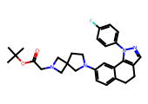 | CC(C)(C)OC(=O)CN1CC2(CCN(c3ccc4c(c3)-c3c(cnn3-c3ccc(F)cc3)CC4)C2)C1 | c1ccc(-n2ncc3c2-c2cc(N4CCC5(CNC5)C4)ccc2CC3)cc1 | 1 | 1.3071 | 20.2816 | 0.4615 | 0 | 1 | 488.61 | 4.63 | 0 | 5 | 4 | 50.6 | scaffold_hopping | 108.482346 | 79.48591 | 68.18566 | 4.6308 | -6.5924012613 | 2.5562230031E-07 | Poorly Soluble | adme-py (wlogp + ESOL) | admet_ai
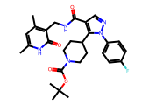 | Cc1cc(C)c(CNC(=O)c2cnn(-c3ccc(F)cc3)c2C2CCN(C(=O)OC(C)(C)C)CC2)c(=O)[nH]1 | O=C(NCc1ccc[nH]c1=O)c1cnn(-c2ccccc2)c1C1CCNCC1 | 1 | 1.3694 | 23.4106 | 0.3523 | 0 | 0 | 523.61 | 4.36 | 2 | 5 | 5 | 109.32 | similarity | 72.83942 | 44.839638 | 20.088547 | 4.36104 | -6.6097810521 | 2.4559467596E-07 | Poorly Soluble | adme-py (wlogp + ESOL) | admet_ai
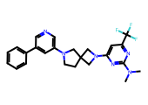 | CN(C)c1nc(N2CC3(CCN(c4cncc(-c5ccccc5)c4)C3)C2)cc(C(F)(F)F)n1 | c1ccc(-c2cncc(N3CCC4(C3)CN(c3ccncn3)C4)c2)cc1 | 1 | 1.3957 | 24.8735 | 0.4384 | 1 | 1 | 454.5 | 4.34 | 0 | 6 | 4 | 48.39 | scaffold_hopping | 62.886314 | 34.03264 | 48.175648 | 4.3401 | -6.1824320363 | 6.570039244E-07 | Poorly Soluble | adme-py (wlogp + ESOL) | admet_ai
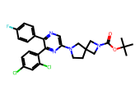 | CC(C)(C)OC(=O)N1CC2(CCN(c3cnc(-c4ccc(F)cc4)c(-c4ccc(Cl)cc4Cl)n3)C2)C1 | c1ccc(-c2ncc(N3CCC4(CNC4)C3)nc2-c2ccccc2)cc1 | 1 | 1.428 | 26.7915 | 0.5616 | 0 | 0 | 529.44 | 6.7 | 0 | 5 | 3 | 58.56 | similarity | 111.320114 | 65.27977 | 135.624 | 6.7037 | -8.4151935748 | 3.8442039908E-09 | Poorly Soluble | adme-py (wlogp + ESOL) | admet_ai
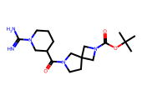 | CC(C)(C)OC(=O)N1CC2(CCN(C(=O)C3CCCN(C(=N)N)C3)C2)C1 | O=C(C1CCCNC1)N1CCC2(CNC2)C1 | 1 | 1.4418 | 27.6581 | 0.4 | 0 | 1 | 365.48 | 1.06 | 2 | 4 | 1 | 102.96 | similarity | 26.265087 | -8.357622 | -27.170399 | 1.06127 | -2.9396834878 | 0.0011489906965 | Soluble | adme-py (wlogp + ESOL) | admet_ai
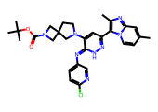 | Cc1ccn2c(-c3cc(N4CCC5(CN(C(=O)OC(C)(C)C)C5)C4)c(=Nc4ccc(Cl)nc4)[nH]n3)c(C)nc2c1 | c1cncc(N=c2[nH]nc(-c3cnc4ccccn34)cc2N2CCC3(CNC3)C2)c1 | 1 | 1.6143 | 41.1476 | 0.383 | 0 | 0 | 561.09 | 5.07 | 1 | 7 | 3 | 104.01 | similarity | 95.236496 | 41.578712 | 76.70847 | 5.06924 | -7.4229229882 | 3.7763915033E-08 | Poorly Soluble | adme-py (wlogp + ESOL) | admet_ai
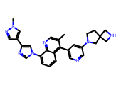 | Cc1cnc2c(-n3cnc(-c4cnn(C)c4)c3)cccc2c1-c1cncc(N2CCC3(CNC3)C2)c1 | c1cc(-n2cnc(-c3cn[nH]c3)c2)c2nccc(-c3cncc(N4CCC5(CNC5)C4)c3)c2c1 | 1 | 1.625 | 42.1688 | 0.3846 | 1 | 1 | 476.59 | 3.99 | 1 | 6 | 4 | 76.69 | scaffold_hopping | 15.488165 | -8.340036 | 51.51659 | 3.99112 | -6.1450370875 | 7.1608225626E-07 | Poorly Soluble | adme-py (wlogp + ESOL) | admet_ai
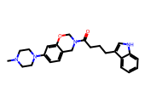 | CN1CCN(c2ccc3c(c2)OCN(C(=O)CCCc2c[nH]c4ccccc24)C3)CC1 | O=C(CCCc1c[nH]c2ccccc12)N1COc2cc(N3CCNCC3)ccc2C1 | 1 | 1.628 | 42.4587 | 0.3723 | 0 | 1 | 418.54 | 3.62 | 1 | 4 | 5 | 51.81 | scaffold_hopping | 55.88078 | 63.058727 | 21.082695 | 3.6211 | -5.3816383347 | 4.1529974582E-06 | Moderately Soluble | adme-py (wlogp + ESOL) | admet_ai
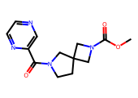 | COC(=O)N1CC2(CCN(C(=O)c3cnccn3)C2)C1 | O=C(c1cnccn1)N1CCC2(CNC2)C1 | 1 | 1.6681 | 46.5672 | 0.371 | 0 | 1 | 276.3 | 0.39 | 0 | 5 | 1 | 75.63 | similarity | 7.29523 | 23.825 | -9.907527 | 0.3909 | -1.9805225698 | 0.010458693363 | Very Soluble | adme-py (wlogp + ESOL) | admet_ai
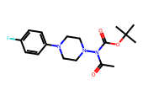 | CC(=O)N(C(=O)OC(C)(C)C)N1CCN(c2ccc(F)cc2)CC1 | c1ccc(N2CCNCC2)cc1 | 1 | 1.7643 | 58.1199 | 0.3692 | 0 | 1 | 337.4 | 2.65 | 0 | 5 | 2 | 53.09 | scaffold_hopping | 103.1436 | 92.370926 | 16.55171 | 2.6463 | -4.032631782 | 9.2761597241E-05 | Moderately Soluble | adme-py (wlogp + ESOL) | admet_ai

