Compounds
Structure | canonical_smiles | murcko_scaffold | novel_scaffold | pred_log10_ic50_uM | pred_ic50_uM | max_sim_to_seriesCE | has_spiro_motif | drug_like | mw | logp | hbd | hba | rot_bonds | tpsa | source_mode
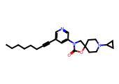 | CCCCCCC#Cc1cncc(N2CC3(CCN(C4CC4)CC3)OC2=O)c1 | O=C1OC2(CCN(C3CC3)CC2)CN1c1cccnc1 | 1.0000 | 0.6264 | 4.2303 | 0.4625 | 0.0000 | 1.0000 | 381.5200 | 4.3600 | 0.0000 | 4.0000 | 6.0000 | 45.6700 | scaffold_hopping
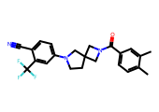 | Cc1ccc(C(=O)N2CC3(CCN(c4ccc(C#N)c(C(F)(F)F)c4)C3)C2)cc1C | O=C(c1ccccc1)N1CC2(CCN(c3ccccc3)C2)C1 | 1.0000 | 0.6343 | 4.3080 | 0.3625 | 0.0000 | 1.0000 | 413.4400 | 4.5500 | 0.0000 | 3.0000 | 2.0000 | 47.3400 | similarity
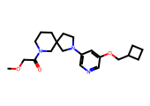 | COCC(=O)N1CCCC2(CCN(c3cncc(OCC4CCC4)c3)C2)C1 | c1ncc(N2CCC3(CCCNC3)C2)cc1OCC1CCC1 | 1.0000 | 0.6446 | 4.4114 | 0.3973 | 0.0000 | 1.0000 | 373.5000 | 2.7300 | 0.0000 | 5.0000 | 6.0000 | 54.9000 | similarity
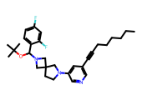 | CCCCCCC#Cc1cncc(N2CCC3(C2)CN(C(OC(C)(C)C)c2ccc(F)cc2F)C3)c1 | c1ccc(CN2CC3(CCN(c4cccnc4)C3)C2)cc1 | 0.0000 | 0.6976 | 4.9845 | 0.5059 | 1.0000 | 0.0000 | 495.6600 | 6.7100 | 0.0000 | 4.0000 | 8.0000 | 28.6000 | similarity
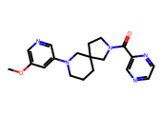 | COc1cncc(N2CCCC3(CCN(C(=O)c4cnccn4)C3)C2)c1 | O=C(c1cnccn1)N1CCC2(CCCN(c3cccnc3)C2)C1 | 1.0000 | 0.7139 | 5.1751 | 0.4000 | 0.0000 | 1.0000 | 353.4300 | 2.0100 | 0.0000 | 6.0000 | 3.0000 | 71.4500 | similarity
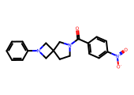 | O=C(c1ccc([N+](=O)[O-])cc1)N1CCC2(C1)CN(c1ccccc1)C2 | O=C(c1ccccc1)N1CCC2(C1)CN(c1ccccc1)C2 | 1.0000 | 0.7517 | 5.6457 | 0.5156 | 0.0000 | 1.0000 | 337.3800 | 2.9500 | 0.0000 | 4.0000 | 3.0000 | 66.6900 | scaffold_hopping
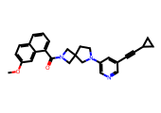 | COc1ccc2cccc(C(=O)N3CC4(CCN(c5cncc(C#CC6CC6)c5)C4)C3)c2c1 | O=C(c1cccc2ccccc12)N1CC2(CCN(c3cncc(C#CC4CC4)c3)C2)C1 | 1.0000 | 0.7846 | 6.0894 | 0.4872 | 1.0000 | 1.0000 | 437.5400 | 4.3600 | 0.0000 | 4.0000 | 3.0000 | 45.6700 | similarity
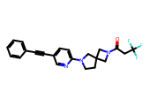 | O=C(CC(F)(F)F)N1CC2(CCN(c3ccc(C#Cc4ccccc4)cn3)C2)C1 | C(#Cc1ccc(N2CCC3(CNC3)C2)nc1)c1ccccc1 | 1.0000 | 0.8390 | 6.9032 | 0.4507 | 0.0000 | 1.0000 | 399.4200 | 3.4700 | 0.0000 | 3.0000 | 2.0000 | 36.4400 | similarity
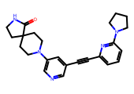 | O=C1NCCC12CCN(c1cncc(C#Cc3cccc(N4CCCC4)n3)c1)CC2 | O=C1NCCC12CCN(c1cncc(C#Cc3cccc(N4CCCC4)n3)c1)CC2 | 1.0000 | 0.8533 | 7.1338 | 0.3971 | 0.0000 | 1.0000 | 401.5100 | 2.5800 | 1.0000 | 5.0000 | 2.0000 | 61.3600 | similarity
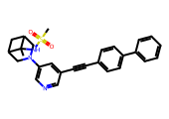 | CC1(NS(C)(=O)=O)C2CC1CN(c1cncc(C#Cc3ccc(-c4ccccc4)cc3)c1)C2 | C(#Cc1cncc(N2CC3CC(C3)C2)c1)c1ccc(-c2ccccc2)cc1 | 1.0000 | 0.9156 | 8.2335 | 0.3881 | 0.0000 | 1.0000 | 457.6000 | 3.9100 | 1.0000 | 4.0000 | 4.0000 | 62.3000 | similarity
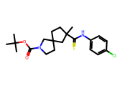 | CC(C)(C)OC(=O)N1CCC2(CCC(C)(C(=S)Nc3ccc(Cl)cc3)C2)C1 | S=C(Nc1ccccc1)C1CCC2(CCNC2)C1 | 1.0000 | 0.9224 | 8.3639 | 0.4118 | 0.0000 | 0.0000 | 409.0000 | 5.9000 | 1.0000 | 3.0000 | 2.0000 | 41.5700 | similarity
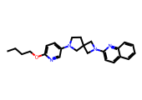 | CCCCOc1ccc(N2CCC3(C2)CN(c2ccc4ccccc4n2)C3)cn1 | c1cncc(N2CCC3(C2)CN(c2ccc4ccccc4n2)C3)c1 | 1.0000 | 0.9246 | 8.4057 | 0.3133 | 1.0000 | 1.0000 | 388.5200 | 4.5300 | 0.0000 | 5.0000 | 6.0000 | 41.4900 | similarity
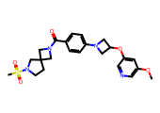 | COc1cncc(OC2CN(c3ccc(C(=O)N4CC5(CCN(S(C)(=O)=O)C5)C4)cc3)C2)c1 | O=C(c1ccc(N2CC(Oc3cccnc3)C2)cc1)N1CC2(CCNC2)C1 | 1.0000 | 0.9454 | 8.8187 | 0.3765 | 0.0000 | 1.0000 | 472.5700 | 1.4700 | 0.0000 | 7.0000 | 6.0000 | 92.2800 | similarity
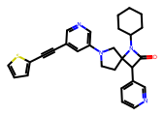 | O=C1C(c2cccnc2)C2(CCN(c3cncc(C#Cc4cccs4)c3)C2)N1C1CCCCC1 | O=C1C(c2cccnc2)C2(CCN(c3cncc(C#Cc4cccs4)c3)C2)N1C1CCCCC1 | 1.0000 | 0.9646 | 9.2165 | 0.3590 | 0.0000 | 1.0000 | 468.6300 | 4.8500 | 0.0000 | 5.0000 | 3.0000 | 49.3300 | scaffold_hopping
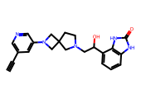 | C#Cc1cncc(N2CC3(CCN(CC(O)c4cccc5[nH]c(=O)[nH]c45)C3)C2)c1 | O=c1[nH]c2cccc(CCN3CCC4(C3)CN(c3cccnc3)C4)c2[nH]1 | 1.0000 | 0.9748 | 9.4373 | 0.3600 | 0.0000 | 1.0000 | 389.4600 | 1.4800 | 3.0000 | 5.0000 | 4.0000 | 88.2500 | similarity
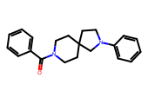 | O=C(c1ccccc1)N1CCC2(CC1)CCN(c1ccccc1)C2 | O=C(c1ccccc1)N1CCC2(CC1)CCN(c1ccccc1)C2 | 1.0000 | 1.0329 | 10.7880 | 0.4194 | 0.0000 | 1.0000 | 320.4400 | 3.8200 | 0.0000 | 2.0000 | 2.0000 | 23.5500 | scaffold_hopping
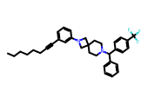 | CCCCCCC#Cc1cccc(N2CC3(CCN(C(c4ccccc4)c4ccc(C(F)(F)F)cc4)CC3)C2)c1 | c1ccc(C(c2ccccc2)N2CCC3(CC2)CN(c2ccccc2)C3)cc1 | 1.0000 | 1.0384 | 10.9243 | 0.3608 | 0.0000 | 0.0000 | 544.7100 | 8.7200 | 0.0000 | 2.0000 | 8.0000 | 6.4800 | similarity
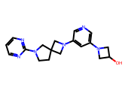 | OC1CN(c2cncc(N3CC4(CCN(c5ncccn5)C4)C3)c2)C1 | c1cnc(N2CCC3(CN(c4cncc(N5CCC5)c4)C3)C2)nc1 | 1.0000 | 1.0949 | 12.4426 | 0.3803 | 0.0000 | 1.0000 | 338.4200 | 0.7700 | 1.0000 | 7.0000 | 3.0000 | 68.6200 | scaffold_hopping
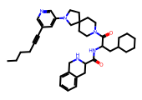 | CCCCC#Cc1cncc(N2CCC3(CCN(C(=O)C(CC4CCCCC4)NC(=O)C4Cc5ccccc5CN4)CC3)C2)c1 | O=C(NC(CC1CCCCC1)C(=O)N1CCC2(CC1)CCN(c1cccnc1)C2)C1Cc2ccccc2CN1 | 1.0000 | 1.1243 | 13.3136 | 0.4393 | 0.0000 | 0.0000 | 609.8600 | 5.6100 | 2.0000 | 5.0000 | 8.0000 | 77.5700 | scaffold_hopping
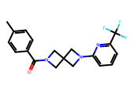 | Cc1ccc(C(=O)N2CC3(C2)CN(c2cccc(C(F)(F)F)n2)C3)cc1 | O=C(c1ccccc1)N1CC2(C1)CN(c1ccccn1)C2 | 1.0000 | 1.1380 | 13.7416 | 0.3906 | 0.0000 | 1.0000 | 361.3700 | 3.3700 | 0.0000 | 3.0000 | 2.0000 | 36.4400 | scaffold_hopping
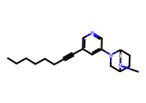 | CCCCCCC#Cc1cncc(N2CC3CCC2CN3C)c1 | c1cncc(N2CC3CCC2CN3)c1 | 1.0000 | 1.1855 | 15.3275 | 0.4324 | 0.0000 | 1.0000 | 311.4700 | 3.6900 | 0.0000 | 3.0000 | 5.0000 | 19.3700 | scaffold_hopping
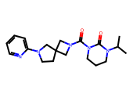 | CC(C)N1CCCN(C(=O)N2CC3(CCN(c4ccccn4)C3)C2)C1=O | O=C1NCCCN1C(=O)N1CC2(CCN(c3ccccn3)C2)C1 | 1.0000 | 1.2001 | 15.8530 | 0.3714 | 0.0000 | 1.0000 | 357.4600 | 2.2500 | 0.0000 | 4.0000 | 2.0000 | 59.9900 | similarity
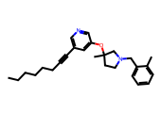 | CCCCCCC#Cc1cncc(OC2(C)CCN(Cc3ccccc3C)C2)c1 | c1ccc(CN2CCC(Oc3cccnc3)C2)cc1 | 1.0000 | 1.2160 | 16.4427 | 0.4167 | 0.0000 | 0.0000 | 390.5700 | 5.7600 | 0.0000 | 3.0000 | 8.0000 | 25.3600 | similarity
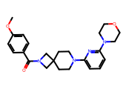 | COc1ccc(C(=O)N2CC3(CCN(c4cccc(N5CCOCC5)n4)CC3)C2)cc1 | O=C(c1ccccc1)N1CC2(CCN(c3cccc(N4CCOCC4)n3)CC2)C1 | 1.0000 | 1.2388 | 17.3295 | 0.4091 | 0.0000 | 1.0000 | 422.5300 | 2.6700 | 0.0000 | 6.0000 | 4.0000 | 58.1400 | scaffold_hopping
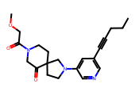 | CCCC#Cc1cncc(N2CCC3(CCN(C(=O)COC)CC3=O)C2)c1 | O=C1CNCCC12CCN(c1cccnc1)C2 | 1.0000 | 1.2540 | 17.9470 | 0.4512 | 0.0000 | 1.0000 | 369.4700 | 1.8800 | 0.0000 | 5.0000 | 4.0000 | 62.7400 | similarity
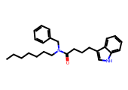 | CCCCCCCN(Cc1ccccc1)C(=O)CCCc1c[nH]c2ccccc12 | O=C(CCCc1c[nH]c2ccccc12)NCc1ccccc1 | 1.0000 | 1.2543 | 17.9598 | 0.3523 | 0.0000 | 0.0000 | 390.5700 | 6.4900 | 1.0000 | 1.0000 | 12.0000 | 36.1000 | scaffold_hopping
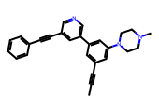 | CC#Cc1cc(-c2cncc(C#Cc3ccccc3)c2)cc(N2CCN(C)CC2)c1 | C(#Cc1cncc(-c2cccc(N3CCNCC3)c2)c1)c1ccccc1 | 1.0000 | 1.3029 | 20.0857 | 0.4167 | 0.0000 | 1.0000 | 391.5200 | 4.2700 | 0.0000 | 3.0000 | 2.0000 | 19.3700 | similarity
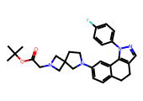 | CC(C)(C)OC(=O)CN1CC2(CCN(c3ccc4c(c3)-c3c(cnn3-c3ccc(F)cc3)CC4)C2)C1 | c1ccc(-n2ncc3c2-c2cc(N4CCC5(CNC5)C4)ccc2CC3)cc1 | 1.0000 | 1.3071 | 20.2816 | 0.4615 | 0.0000 | 1.0000 | 488.6100 | 4.6300 | 0.0000 | 5.0000 | 4.0000 | 50.6000 | scaffold_hopping
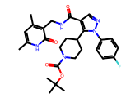 | Cc1cc(C)c(CNC(=O)c2cnn(-c3ccc(F)cc3)c2C2CCN(C(=O)OC(C)(C)C)CC2)c(=O)[nH]1 | O=C(NCc1ccc[nH]c1=O)c1cnn(-c2ccccc2)c1C1CCNCC1 | 1.0000 | 1.3694 | 23.4106 | 0.3523 | 0.0000 | 0.0000 | 523.6100 | 4.3600 | 2.0000 | 5.0000 | 5.0000 | 109.3200 | similarity
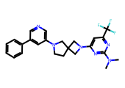 | CN(C)c1nc(N2CC3(CCN(c4cncc(-c5ccccc5)c4)C3)C2)cc(C(F)(F)F)n1 | c1ccc(-c2cncc(N3CCC4(C3)CN(c3ccncn3)C4)c2)cc1 | 1.0000 | 1.3957 | 24.8735 | 0.4384 | 1.0000 | 1.0000 | 454.5000 | 4.3400 | 0.0000 | 6.0000 | 4.0000 | 48.3900 | scaffold_hopping
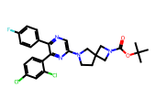 | CC(C)(C)OC(=O)N1CC2(CCN(c3cnc(-c4ccc(F)cc4)c(-c4ccc(Cl)cc4Cl)n3)C2)C1 | c1ccc(-c2ncc(N3CCC4(CNC4)C3)nc2-c2ccccc2)cc1 | 1.0000 | 1.4280 | 26.7915 | 0.5616 | 0.0000 | 0.0000 | 529.4400 | 6.7000 | 0.0000 | 5.0000 | 3.0000 | 58.5600 | similarity
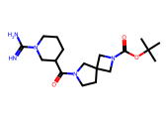 | CC(C)(C)OC(=O)N1CC2(CCN(C(=O)C3CCCN(C(=N)N)C3)C2)C1 | O=C(C1CCCNC1)N1CCC2(CNC2)C1 | 1.0000 | 1.4418 | 27.6581 | 0.4000 | 0.0000 | 1.0000 | 365.4800 | 1.0600 | 2.0000 | 4.0000 | 1.0000 | 102.9600 | similarity
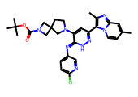 | Cc1ccn2c(-c3cc(N4CCC5(CN(C(=O)OC(C)(C)C)C5)C4)c(=Nc4ccc(Cl)nc4)[nH]n3)c(C)nc2c1 | c1cncc(N=c2[nH]nc(-c3cnc4ccccn34)cc2N2CCC3(CNC3)C2)c1 | 1.0000 | 1.6143 | 41.1476 | 0.3830 | 0.0000 | 0.0000 | 561.0900 | 5.0700 | 1.0000 | 7.0000 | 3.0000 | 104.0100 | similarity
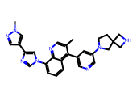 | Cc1cnc2c(-n3cnc(-c4cnn(C)c4)c3)cccc2c1-c1cncc(N2CCC3(CNC3)C2)c1 | c1cc(-n2cnc(-c3cn[nH]c3)c2)c2nccc(-c3cncc(N4CCC5(CNC5)C4)c3)c2c1 | 1.0000 | 1.6250 | 42.1688 | 0.3846 | 1.0000 | 1.0000 | 476.5900 | 3.9900 | 1.0000 | 6.0000 | 4.0000 | 76.6900 | scaffold_hopping
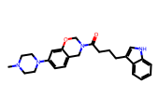 | CN1CCN(c2ccc3c(c2)OCN(C(=O)CCCc2c[nH]c4ccccc24)C3)CC1 | O=C(CCCc1c[nH]c2ccccc12)N1COc2cc(N3CCNCC3)ccc2C1 | 1.0000 | 1.6280 | 42.4587 | 0.3723 | 0.0000 | 1.0000 | 418.5400 | 3.6200 | 1.0000 | 4.0000 | 5.0000 | 51.8100 | scaffold_hopping
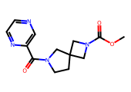 | COC(=O)N1CC2(CCN(C(=O)c3cnccn3)C2)C1 | O=C(c1cnccn1)N1CCC2(CNC2)C1 | 1.0000 | 1.6681 | 46.5672 | 0.3710 | 0.0000 | 1.0000 | 276.3000 | 0.3900 | 0.0000 | 5.0000 | 1.0000 | 75.6300 | similarity
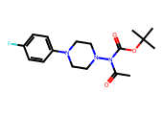 | CC(=O)N(C(=O)OC(C)(C)C)N1CCN(c2ccc(F)cc2)CC1 | c1ccc(N2CCNCC2)cc1 | 1.0000 | 1.7643 | 58.1199 | 0.3692 | 0.0000 | 1.0000 | 337.4000 | 2.6500 | 0.0000 | 5.0000 | 2.0000 | 53.0900 | scaffold_hopping

