Compounds
Structure | canonical_smiles | Input_SMILES | SMILES_state | Tanimoto | NLL | pred_logIC50_uM | pred_ic50_uM | pred_pIC50 | pred_cLogP | pred_logS_ESOL | pred_Solubility_ESOL_mol_per_L | pred_Solubility_ESOL_class | pred_MetStab_Clearance_Microsome_AZ | pred_MetStab_Clearance_Hepatocyte_AZ | pred_MetStab_Half_Life_Obach | passes_optimal
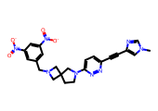 | Cn1cnc(C#Cc2ccc(N3CCC4(CN(Cc5cc([N+](=O)[O-])cc([N+](=O)[O-])c5)C4)C3)nn2)c1 | CCCCCCC#Cc1cncc(N2CCC3(CN(Cc4cc([N+](=O)[O-])cc([N+](=O)[O-])c4)C3)C2)c1 | 1.0000 | 0.5115 | 9.3100 | -0.1078 | 0.7803 | 6.1078 | 2.1386 | -4.6529 | 0.0000 | Moderately Soluble | 22.2543 | 6.1549 | 47.1722 | 1.0000
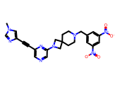 | Cn1cnc(C#Cc2cncc(N3CC4(CCN(Cc5cc([N+](=O)[O-])cc([N+](=O)[O-])c5)CC4)C3)n2)c1 | CCCCCCC#Cc1cncc(N2CCC3(CN(Cc4cc([N+](=O)[O-])cc([N+](=O)[O-])c4)C3)C2)c1 | 1.0000 | 0.4889 | 8.7400 | -0.0212 | 0.9523 | 6.0212 | 2.5287 | -5.0292 | 0.0000 | Moderately Soluble | 20.7310 | -3.1805 | 54.7034 | 1.0000
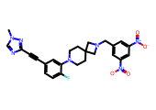 | Cn1cnc(C#Cc2ccc(F)c(N3CCC4(CC3)CN(Cc3cc([N+](=O)[O-])cc([N+](=O)[O-])c3)C4)c2)n1 | CCCCCCC#Cc1cncc(N2CCC3(CN(Cc4cc([N+](=O)[O-])cc([N+](=O)[O-])c4)C3)C2)c1 | 1.0000 | 0.4818 | 10.4300 | -0.0212 | 0.9523 | 6.0212 | 3.2728 | -5.6881 | 0.0000 | Moderately Soluble | 18.9049 | -3.8251 | 74.4773 | 1.0000
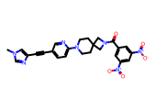 | Cn1cnc(C#Cc2ccc(N3CCC4(CC3)CN(C(=O)c3cc([N+](=O)[O-])cc([N+](=O)[O-])c3)C4)nc2)c1 | CCCCCCC#Cc1cncc(N2CCC3(CN(C(=O)c4cc([N+](=O)[O-])cc([N+](=O)[O-])c4)C3)C2)c1 | 1.0000 | 0.5606 | 8.4100 | -0.0212 | 0.9523 | 6.0212 | 2.7739 | -5.2950 | 0.0000 | Moderately Soluble | 30.6342 | 8.5767 | 57.8431 | 1.0000
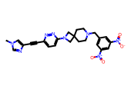 | Cn1cnc(C#Cc2ccc(N3CC4(CCN(Cc5cc([N+](=O)[O-])cc([N+](=O)[O-])c5)CC4)C3)nn2)c1 | CCCCCCC#Cc1cncc(N2CCC3(CN(Cc4cc([N+](=O)[O-])cc([N+](=O)[O-])c4)C3)C2)c1 | 1.0000 | 0.4460 | 7.1200 | 0.0693 | 1.1731 | 5.9307 | 2.5287 | -5.0292 | 0.0000 | Moderately Soluble | 16.5302 | -8.5110 | 51.1582 | 1.0000
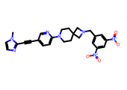 | Cn1ccnc1C#Cc1ccc(N2CCC3(CC2)CN(Cc2cc([N+](=O)[O-])cc([N+](=O)[O-])c2)C3)nc1 | CCCCCCC#Cc1cncc(N2CCC3(CN(Cc4cc([N+](=O)[O-])cc([N+](=O)[O-])c4)C3)C2)c1 | 1.0000 | 0.4889 | 10.9700 | 0.0693 | 1.1731 | 5.9307 | 3.1337 | -5.4714 | 0.0000 | Moderately Soluble | 32.4265 | 7.8666 | 75.6216 | 1.0000
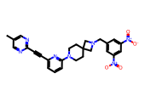 | Cc1cnc(C#Cc2cccc(N3CCC4(CC3)CN(Cc3cc([N+](=O)[O-])cc([N+](=O)[O-])c3)C4)n2)nc1 | CCCCCCC#Cc1cncc(N2CCC3(CN(Cc4cc([N+](=O)[O-])cc([N+](=O)[O-])c4)C3)C2)c1 | 1.0000 | 0.4783 | 10.3200 | 0.2788 | 1.9002 | 5.7212 | 3.4986 | -5.8276 | 0.0000 | Moderately Soluble | 31.9347 | 12.2809 | 75.2721 | 1.0000
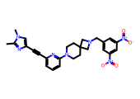 | Cc1nc(C#Cc2cccc(N3CCC4(CC3)CN(Cc3cc([N+](=O)[O-])cc([N+](=O)[O-])c3)C4)n2)cn1C | CCCCCCC#Cc1cncc(N2CCC3(CN(Cc4cc([N+](=O)[O-])cc([N+](=O)[O-])c4)C3)C2)c1 | 1.0000 | 0.4604 | 15.5600 | 0.2788 | 1.9002 | 5.7212 | 3.4421 | -5.7875 | 0.0000 | Moderately Soluble | 24.9796 | 7.0362 | 70.4697 | 1.0000
 | Cn1cc(C#Cc2cccc(N3CCC4(CC3)CN(Cc3cc([N+](=O)[O-])cc([N+](=O)[O-])c3)C4)n2)cn1 | CCCCCCC#Cc1cncc(N2CCC3(CN(Cc4cc([N+](=O)[O-])cc([N+](=O)[O-])c4)C3)C2)c1 | 1.0000 | 0.4889 | 8.4200 | 0.2928 | 1.9625 | 5.7072 | 3.1337 | -5.4714 | 0.0000 | Moderately Soluble | 29.2814 | 9.8687 | 73.5722 | 1.0000
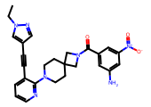 | CCn1cc(C#Cc2cccnc2N2CCC3(CC2)CN(C(=O)c2cc(N)cc([N+](=O)[O-])c2)C3)cn1 | CCCCCCC#Cc1cncc(N2CCC3(CN(C(=O)c4cc([N+](=O)[O-])cc([N+](=O)[O-])c4)C3)C2)c1 | 1.0000 | 0.4468 | 12.0400 | 0.4117 | 2.5807 | 5.5883 | 2.9308 | -5.3113 | 0.0000 | Moderately Soluble | 33.3202 | 25.3751 | 48.8009 | 1.0000
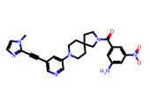 | Cn1ccnc1C#Cc1cncc(N2CCC3(CCN(C(=O)c4cc(N)cc([N+](=O)[O-])c4)C3)CC2)c1 | CCCCCCC#Cc1cncc(N2CCC3(CN(C(=O)c4cc([N+](=O)[O-])cc([N+](=O)[O-])c4)C3)C2)c1 | 1.0000 | 0.5074 | 12.7300 | 0.4117 | 2.5807 | 5.5883 | 2.8380 | -5.2459 | 0.0000 | Moderately Soluble | 21.7620 | 13.2520 | 58.2756 | 1.0000
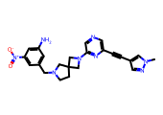 | Cn1cc(C#Cc2cncc(N3CC4(CCN(Cc5cc(N)cc([N+](=O)[O-])c5)C4)C3)n2)cn1 | CCCCCCC#Cc1cncc(N2CCC3(CN(Cc4cc([N+](=O)[O-])cc([N+](=O)[O-])c4)C3)C2)c1 | 1.0000 | 0.4403 | 9.7300 | 0.4429 | 2.7727 | 5.5571 | 1.8126 | -4.2288 | 0.0001 | Moderately Soluble | 11.6694 | 5.4743 | 49.1398 | 1.0000
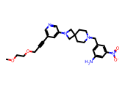 | COCCOCC#Cc1cncc(N2CC3(CCN(Cc4cc(N)cc([N+](=O)[O-])c4)CC3)C2)c1 | CCCCCCC#Cc1cncc(N2CCC3(CN(Cc4cc([N+](=O)[O-])cc([N+](=O)[O-])c4)C3)C2)c1 | 1.0000 | 0.5313 | 11.5300 | 0.4894 | 3.0860 | 5.5106 | 2.6889 | -4.9350 | 0.0000 | Moderately Soluble | 14.3140 | 6.8831 | 52.9872 | 1.0000
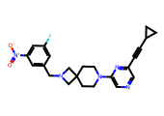 | O=[N+]([O-])c1cc(F)cc(CN2CC3(CCN(c4cncc(C#CC5CC5)n4)CC3)C2)c1 | CCCCCCC#Cc1cncc(N2CCC3(CN(Cc4cc([N+](=O)[O-])cc([N+](=O)[O-])c4)C3)C2)c1 | 1.0000 | 0.4167 | 6.6900 | 0.5328 | 3.4103 | 5.4672 | 3.3878 | -5.1902 | 0.0000 | Moderately Soluble | 27.6664 | 22.5677 | 57.1807 | 1.0000
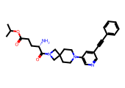 | CC(C)OC(=O)CC[C@H](N)C(=O)N1CC2(CCN(c3cncc(C#Cc4ccccc4)c3)CC2)C1 | CCCCCCC#Cc1cncc(N2CCC3(CN(C(=O)c4ccc5c(c4)OCO5)C3)C2)c1 | 1.0000 | 0.5739 | 20.6700 | 0.5328 | 3.4103 | 5.4672 | 2.9693 | -5.2055 | 0.0000 | Moderately Soluble | 42.6636 | 44.3372 | 44.1961 | 1.0000
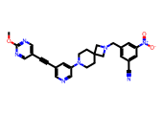 | COc1ncc(C#Cc2cncc(N3CCC4(CC3)CN(Cc3cc(C#N)cc([N+](=O)[O-])c3)C4)c2)cn1 | CCCCCCC#Cc1cncc(N2CCC3(CN(Cc4cc([N+](=O)[O-])cc([N+](=O)[O-])c4)C3)C2)c1 | 1.0000 | 0.4643 | 12.1100 | 0.5486 | 3.5370 | 5.4514 | 3.1623 | -5.5517 | 0.0000 | Moderately Soluble | 21.5624 | 15.7409 | 57.7019 | 1.0000
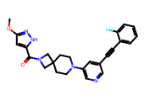 | COc1cc(C(=O)N2CC3(CCN(c4cncc(C#Cc5ccccc5F)c4)CC3)C2)[nH]n1 | O=C(c1cc([N+](=O)[O-])cc([N+](=O)[O-])c1)N1CC2(CCN(c3cncc(C#Cc4ccccc4)c3)C2)C1 | 1.0000 | 0.4874 | 12.3000 | 0.5486 | 3.5370 | 5.4514 | 3.0948 | -5.1898 | 0.0000 | Moderately Soluble | 36.6303 | 24.7571 | 63.9287 | 1.0000
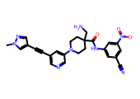 | Cn1cc(C#Cc2cncc(N3CCC(CN)(C(=O)Nc4cc(C#N)cc([N+](=O)[O-])c4)CC3)c2)cn1 | CCCCCCC#Cc1cncc(N2CCC3(CN(C(=O)c4cc([N+](=O)[O-])cc([N+](=O)[O-])c4)C3)C2)c1 | 1.0000 | 0.4167 | 13.8800 | 0.5531 | 3.5739 | 5.4469 | 2.1788 | -4.7433 | 0.0000 | Moderately Soluble | 9.8341 | -1.1630 | 61.4846 | 1.0000
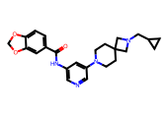 | O=C(Nc1cncc(N2CCC3(CC2)CN(CC2CC2)C3)c1)c1ccc2c(c1)OCO2 | CCCCCCC#Cc1cncc(N2CCC3(CN(C(=O)c4ccc5c(c4)OCO5)C3)C2)c1 | 1.0000 | 0.4762 | 10.8900 | 0.5576 | 3.6110 | 5.4424 | 3.3748 | -5.1708 | 0.0000 | Moderately Soluble | 26.5170 | 26.5991 | 41.0776 | 1.0000
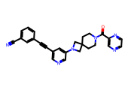 | N#Cc1cccc(C#Cc2cncc(N3CC4(CCN(C(=O)c5cnccn5)CC4)C3)c2)c1 | O=C(c1cc([N+](=O)[O-])cc([N+](=O)[O-])c1)N1CC2(CCN(c3cncc(C#Cc4ccccc4)c3)C2)C1 | 1.0000 | 0.4590 | 9.7200 | 0.5962 | 3.9461 | 5.4038 | 2.8857 | -4.9784 | 0.0000 | Moderately Soluble | 19.8588 | 22.9449 | 49.6879 | 1.0000
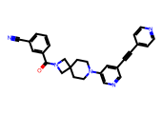 | N#Cc1cccc(C(=O)N2CC3(CCN(c4cncc(C#Cc5ccncc5)c4)CC3)C2)c1 | O=C(c1cc([N+](=O)[O-])cc([N+](=O)[O-])c1)N1CC2(CCN(c3cncc(C#Cc4ccccc4)c3)C2)C1 | 1.0000 | 0.5115 | 6.2500 | 0.5962 | 3.9461 | 5.4038 | 3.4907 | -5.4206 | 0.0000 | Moderately Soluble | 18.2664 | 24.6427 | 51.4723 | 1.0000
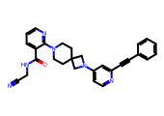 | N#CCNC(=O)c1cccnc1N1CCC2(CC1)CN(c1ccnc(C#Cc3ccccc3)c1)C2 | CC(C)(C)OC(=O)N1CC2(CCN(c3cncc(C#Cc4ccccc4)c3)C2)C1 | 1.0000 | 0.3835 | 10.1200 | 0.5962 | 3.9461 | 5.4038 | 3.2366 | -5.4040 | 0.0000 | Moderately Soluble | 29.5092 | 16.6326 | 76.6203 | 1.0000
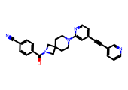 | N#Cc1ccc(C(=O)N2CC3(CCN(c4cc(C#Cc5cccnc5)ccn4)CC3)C2)cc1 | O=C(c1cc([N+](=O)[O-])cc([N+](=O)[O-])c1)N1CC2(CCN(c3cncc(C#Cc4ccccc4)c3)C2)C1 | 1.0000 | 0.4143 | 10.3300 | 0.5962 | 3.9461 | 5.4038 | 3.4907 | -5.4206 | 0.0000 | Moderately Soluble | 22.2602 | 23.6188 | 55.9954 | 1.0000
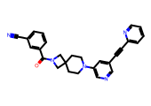 | N#Cc1cccc(C(=O)N2CC3(CCN(c4cncc(C#Cc5ccccn5)c4)CC3)C2)c1 | O=C(c1cc([N+](=O)[O-])cc([N+](=O)[O-])c1)N1CC2(CCN(c3cncc(C#Cc4ccccc4)c3)C2)C1 | 1.0000 | 0.5231 | 5.9700 | 0.5962 | 3.9461 | 5.4038 | 3.4907 | -5.4206 | 0.0000 | Moderately Soluble | 26.8379 | 32.6760 | 52.1092 | 1.0000
 | N#Cc1cccc(C(=O)N2CC3(CCN(c4cncc(C#Cc5cccnc5)c4)CC3)C2)c1 | O=C(c1cc([N+](=O)[O-])cc([N+](=O)[O-])c1)N1CC2(CCN(c3cncc(C#Cc4ccccc4)c3)C2)C1 | 1.0000 | 0.5231 | 5.3900 | 0.5962 | 3.9461 | 5.4038 | 3.4907 | -5.4206 | 0.0000 | Moderately Soluble | 18.9952 | 25.3879 | 42.0006 | 1.0000
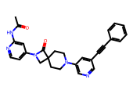 | CC(=O)Nc1cc(N2CC3(CCN(c4cncc(C#Cc5ccccc5)c4)CC3)C2=O)ccn1 | O=C(c1cc([N+](=O)[O-])cc([N+](=O)[O-])c1)N1CC2(CCN(c3cncc(C#Cc4ccccc4)c3)C2)C1 | 1.0000 | 0.4909 | 13.2400 | 0.5962 | 3.9461 | 5.4038 | 3.4682 | -5.5127 | 0.0000 | Moderately Soluble | 24.1985 | 28.1007 | 72.2289 | 1.0000
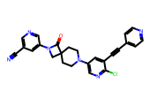 | N#Cc1cncc(N2CC3(CCN(c4cnc(Cl)c(C#Cc5ccncc5)c4)CC3)C2=O)c1 | O=C(c1cc([N+](=O)[O-])cc([N+](=O)[O-])c1)N1CC2(CCN(c3cncc(C#Cc4ccccc4)c3)C2)C1 | 1.0000 | 0.3761 | 17.7100 | 0.5962 | 3.9461 | 5.4038 | 3.4299 | -5.5170 | 0.0000 | Moderately Soluble | 28.7764 | 29.9923 | 78.6120 | 1.0000
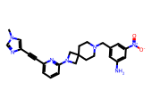 | Cn1cnc(C#Cc2cccc(N3CC4(CCN(Cc5cc(N)cc([N+](=O)[O-])c5)CC4)C3)n2)c1 | CCCCCCC#Cc1cncc(N2CCC3(CN(Cc4cc([N+](=O)[O-])cc([N+](=O)[O-])c4)C3)C2)c1 | 1.0000 | 0.3517 | 11.5400 | 0.5962 | 3.9461 | 5.4038 | 2.8077 | -5.0466 | 0.0000 | Moderately Soluble | 8.1782 | 3.7289 | 65.3018 | 1.0000
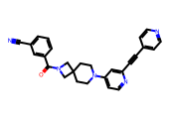 | N#Cc1cccc(C(=O)N2CC3(CCN(c4ccnc(C#Cc5ccncc5)c4)CC3)C2)c1 | O=C(c1cc([N+](=O)[O-])cc([N+](=O)[O-])c1)N1CC2(CCN(c3cncc(C#Cc4ccccc4)c3)C2)C1 | 1.0000 | 0.4143 | 9.0500 | 0.5962 | 3.9461 | 5.4038 | 3.4907 | -5.4206 | 0.0000 | Moderately Soluble | 14.8674 | 20.7197 | 66.2719 | 1.0000
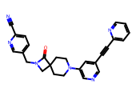 | N#Cc1ccc(CN2CC3(CCN(c4cncc(C#Cc5ccccn5)c4)CC3)C2=O)cn1 | O=C(c1cc([N+](=O)[O-])cc([N+](=O)[O-])c1)N1CC2(CCN(c3cncc(C#Cc4ccccc4)c3)C2)C1 | 1.0000 | 0.3966 | 9.8100 | 0.5962 | 3.9461 | 5.4038 | 2.7721 | -4.8907 | 0.0000 | Moderately Soluble | 43.2499 | 45.2344 | 57.7818 | 1.0000
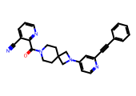 | N#Cc1cccnc1C(=O)N1CCC2(CC1)CN(c1ccnc(C#Cc3ccccc3)c1)C2 | CCCCCCC#Cc1cncc(N2CCC3(CN(C(=O)c4ccc5c(c4)OCO5)C3)C2)c1 | 1.0000 | 0.4043 | 10.3600 | 0.5962 | 3.9461 | 5.4038 | 3.4907 | -5.4206 | 0.0000 | Moderately Soluble | 37.7567 | 39.7856 | 69.9644 | 1.0000
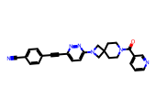 | N#Cc1ccc(C#Cc2ccc(N3CC4(CCN(C(=O)c5cccnc5)CC4)C3)nn2)cc1 | O=C(c1cc([N+](=O)[O-])cc([N+](=O)[O-])c1)N1CC2(CCN(c3cncc(C#Cc4ccccc4)c3)C2)C1 | 1.0000 | 0.3562 | 11.1600 | 0.5962 | 3.9461 | 5.4038 | 2.8857 | -4.9784 | 0.0000 | Moderately Soluble | 9.2940 | 10.3370 | 48.9184 | 1.0000
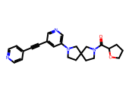 | O=C(C1CCCO1)N1CCC2(CCN(c3cncc(C#Cc4ccncc4)c3)C2)C1 | CC(C)(C)OC(=O)N1CC2(CCN(c3cncc(C#Cc4ccccc4)c3)C2)C1 | 1.0000 | 0.4870 | 18.4700 | 0.6052 | 4.0286 | 5.3948 | 2.4842 | -4.4069 | 0.0000 | Moderately Soluble | 10.0738 | 23.5001 | 46.3832 | 1.0000
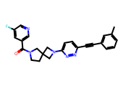 | Cc1cccc(C#Cc2ccc(N3CC4(CCN(C(=O)c5cncc(F)c5)C4)C3)nn2)c1 | O=C(c1cc([N+](=O)[O-])cc([N+](=O)[O-])c1)N1CC2(CCN(c3cncc(C#Cc4ccccc4)c3)C2)C1 | 1.0000 | 0.4265 | 15.4200 | 0.6052 | 4.0286 | 5.3948 | 3.0714 | -5.0770 | 0.0000 | Moderately Soluble | 34.2283 | 31.5160 | 52.3217 | 1.0000
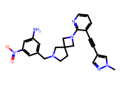 | Cn1cc(C#Cc2cccnc2N2CC3(CCN(Cc4cc(N)cc([N+](=O)[O-])c4)C3)C2)cn1 | CCCCCCC#Cc1cncc(N2CCC3(CN(Cc4cc([N+](=O)[O-])cc([N+](=O)[O-])c4)C3)C2)c1 | 1.0000 | 0.4088 | 8.3100 | 0.6052 | 4.0286 | 5.3948 | 2.4176 | -4.6710 | 0.0000 | Moderately Soluble | 15.5873 | 10.9543 | 45.7266 | 1.0000
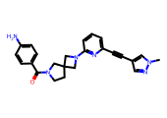 | Cn1cc(C#Cc2cccc(N3CC4(CCN(C(=O)c5ccc(N)cc5)C4)C3)n2)cn1 | O=C(c1cc([N+](=O)[O-])cc([N+](=O)[O-])c1)N1CC2(CCN(c3cncc(C#Cc4ccccc4)c3)C2)C1 | 1.0000 | 0.3680 | 11.9600 | 0.6052 | 4.0286 | 5.3948 | 2.1496 | -4.2881 | 0.0001 | Moderately Soluble | 15.3149 | 17.1240 | 51.7228 | 1.0000
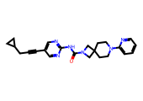 | O=C(Nc1ncc(C#CCC2CC2)cn1)N1CC2(CCN(c3ccccn3)CC2)C1 | CCCCCCC#Cc1cncc(N2CCC3(CN(C(=O)CCc4c[nH]c5ccccc45)C3)C2)c1 | 1.0000 | 0.3203 | 16.2600 | 0.6264 | 4.2303 | 5.3736 | 3.1575 | -4.9029 | 0.0000 | Moderately Soluble | 58.3624 | 53.5139 | 40.8757 | 1.0000
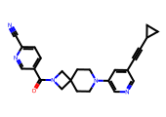 | N#Cc1ccc(C(=O)N2CC3(CCN(c4cncc(C#CC5CC5)c4)CC3)C2)cn1 | CCCCCCC#Cc1cncc(N2CCC3(CN(C(=O)c4cc5c(cc4[N+](=O)[O-])OCO5)C3)C2)c1 | 1.0000 | 0.4331 | 8.1800 | 0.6264 | 4.2303 | 5.3736 | 2.8524 | -4.6468 | 0.0000 | Moderately Soluble | 20.7054 | 22.3725 | 43.3803 | 1.0000
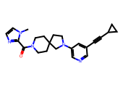 | Cn1ccnc1C(=O)N1CCC2(CC1)CCN(c1cncc(C#CC3CC3)c1)C2 | CCCCCCC#Cc1cncc(N2CCC3(CN(C(=O)c4cc([N+](=O)[O-])cc([N+](=O)[O-])c4)C3)C2)c1 | 1.0000 | 0.3833 | 7.4000 | 0.6264 | 4.2303 | 5.3736 | 2.7093 | -4.4791 | 0.0000 | Moderately Soluble | 20.2897 | 16.3094 | 40.0654 | 1.0000
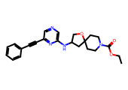 | CCOC(=O)N1CCC2(CC1)CC(Nc1cncc(C#Cc3ccccc3)n1)CO2 | CC(C)(C)OC(=O)N1CC2(CCN(c3cncc(C#Cc4ccccc4)c3)C2)C1 | 1.0000 | 0.3934 | 11.0800 | 0.6270 | 4.2361 | 5.3730 | 3.0683 | -4.8631 | 0.0000 | Moderately Soluble | 38.3048 | 53.2661 | 55.6680 | 1.0000
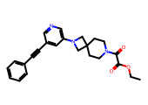 | CCOC(=O)C(=O)N1CCC2(CC1)CN(c1cncc(C#Cc3ccccc3)c1)C2 | C(#Cc1cncc(N2CCC3(CNC3)C2)c1)c1ccccc1 | 1.0000 | 0.6154 | 14.1000 | 0.6270 | 4.2361 | 5.3730 | 2.4733 | -4.4054 | 0.0000 | Moderately Soluble | 58.0656 | 60.8424 | 41.2899 | 1.0000
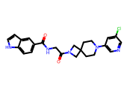 | O=C(NCC(=O)N1CC2(CCN(c3cncc(Cl)c3)CC2)C1)c1ccc2[nH]ccc2c1 | CCCCCCC#Cc1cncc(N2CCC3(CN(C(=O)CCc4c[nH]c5ccccc45)C3)C2)c1 | 1.0000 | 0.3643 | 10.8400 | 0.6541 | 4.5089 | 5.3459 | 3.0751 | -5.1084 | 0.0000 | Moderately Soluble | 24.1954 | 18.0816 | 52.0433 | 1.0000
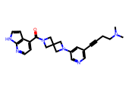 | CN(C)CCC#Cc1cncc(N2CC3(CN(C(=O)c4ccnc5[nH]ccc45)C3)C2)c1 | CCCCCCC#Cc1cncc(N2CCC3(CN(C(=O)c4cc([N+](=O)[O-])cc([N+](=O)[O-])c4)C3)C2)c1 | 1.0000 | 0.4394 | 15.6200 | 0.6619 | 4.5914 | 5.3381 | 2.2235 | -4.3219 | 0.0000 | Moderately Soluble | 14.4602 | 4.9930 | 42.2312 | 1.0000
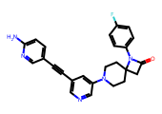 | Nc1ccc(C#Cc2cncc(N3CCC4(CC3)CC(=O)N4c3ccc(F)cc3)c2)cn1 | O=C(c1cc([N+](=O)[O-])cc([N+](=O)[O-])c1)N1CC2(CCN(c3cncc(C#Cc4ccccc4)c3)C2)C1 | 1.0000 | 0.3860 | 12.9400 | 0.6644 | 4.6173 | 5.3356 | 3.3736 | -5.3011 | 0.0000 | Moderately Soluble | 9.7530 | 15.1240 | 70.0862 | 1.0000
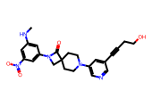 | CNc1cc(N2CC3(CCN(c4cncc(C#CCCO)c4)CC3)C2=O)cc([N+](=O)[O-])c1 | CCCCCCC#Cc1cncc(N2CCC3(CN(C(=O)c4cc([N+](=O)[O-])cc([N+](=O)[O-])c4)C3)C2)c1 | 1.0000 | 0.4615 | 10.5500 | 0.6646 | 4.6196 | 5.3354 | 2.3988 | -4.5407 | 0.0000 | Moderately Soluble | 26.3123 | 27.5408 | 44.4056 | 1.0000
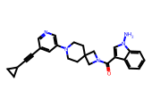 | Nn1cc(C(=O)N2CC3(CCN(c4cncc(C#CC5CC5)c4)CC3)C2)c2ccccc21 | CCCCCCC#Cc1cncc(N2CCC3(CN(C(=O)c4cc([N+](=O)[O-])cc([N+](=O)[O-])c4)C3)C2)c1 | 1.0000 | 0.4500 | 18.7400 | 0.6886 | 4.8824 | 5.3114 | 3.2542 | -5.1597 | 0.0000 | Moderately Soluble | 18.3262 | 17.6549 | 52.6245 | 1.0000
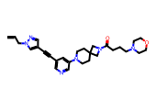 | C=CCn1cc(C#Cc2cncc(N3CCC4(CC3)CN(C(=O)CCCN3CCOCC3)C4)c2)cn1 | CCCCCCC#Cc1cncc(N2CCC3(CN(C(=O)CCc4c[nH]c5ccccc45)C3)C2)c1 | 1.0000 | 0.3551 | 15.1500 | 0.6886 | 4.8824 | 5.3114 | 2.4051 | -4.8605 | 0.0000 | Moderately Soluble | 34.5405 | 29.6946 | 44.3571 | 1.0000
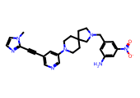 | Cn1ccnc1C#Cc1cncc(N2CCC3(CCN(Cc4cc(N)cc([N+](=O)[O-])c4)C3)CC2)c1 | CCCCCCC#Cc1cncc(N2CCC3(CN(Cc4cc([N+](=O)[O-])cc([N+](=O)[O-])c4)C3)C2)c1 | 1.0000 | 0.4599 | 9.4300 | 0.6886 | 4.8824 | 5.3114 | 3.1978 | -5.4226 | 0.0000 | Moderately Soluble | 10.9633 | 1.4706 | 69.2162 | 1.0000
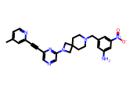 | Cc1ccnc(C#Cc2cncc(N3CC4(CCN(Cc5cc(N)cc([N+](=O)[O-])c5)CC4)C3)n2)c1 | CCCCCCC#Cc1cncc(N2CCC3(CN(Cc4cc([N+](=O)[O-])cc([N+](=O)[O-])c4)C3)C2)c1 | 1.0000 | 0.3916 | 14.7100 | 0.6886 | 4.8824 | 5.3114 | 3.1726 | -5.4028 | 0.0000 | Moderately Soluble | 17.1191 | 7.4907 | 71.9869 | 1.0000
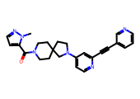 | Cn1nccc1C(=O)N1CCC2(CC1)CCN(c1ccnc(C#Cc3cccnc3)c1)C2 | CCCCCCC#Cc1cncc(N2CCC3(CN(C(=O)c4cc5c(cc4[N+](=O)[O-])OCO5)C3)C2)c1 | 1.0000 | 0.3858 | 13.4200 | 0.6886 | 4.8824 | 5.3114 | 2.7426 | -4.8134 | 0.0000 | Moderately Soluble | 15.4817 | 13.6911 | 59.0159 | 1.0000
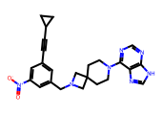 | O=[N+]([O-])c1cc(C#CC2CC2)cc(CN2CC3(CCN(c4ncnc5[nH]cnc45)CC3)C2)c1 | CCCCCCC#Cc1cncc(N2CCC3(CN(Cc4cc([N+](=O)[O-])cc([N+](=O)[O-])c4)C3)C2)c1 | 1.0000 | 0.3662 | 10.7900 | 0.6886 | 4.8824 | 5.3114 | 3.1250 | -5.1698 | 0.0000 | Moderately Soluble | 26.2035 | 9.4550 | 77.1571 | 1.0000
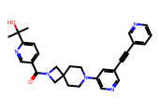 | CC(C)(O)c1ccc(C(=O)N2CC3(CCN(c4cncc(C#Cc5cccnc5)c4)CC3)C2)cn1 | O=C(c1cc([N+](=O)[O-])cc([N+](=O)[O-])c1)N1CC2(CCN(c3cncc(C#Cc4ccccc4)c3)C2)C1 | 1.0000 | 0.5041 | 10.1100 | 0.6886 | 4.8824 | 5.3114 | 3.2414 | -5.4442 | 0.0000 | Moderately Soluble | 16.3306 | 16.2831 | 43.6872 | 1.0000
 | N#Cc1cccc(C#Cc2cncc(N3CCC4(CC3)CN(CCNC(=O)Nc3ccncc3)C4)c2)c1 | O=C(c1cc([N+](=O)[O-])cc([N+](=O)[O-])c1)N1CC2(CCN(c3cncc(C#Cc4ccccc4)c3)C2)C1 | 1.0000 | 0.4094 | 14.1100 | 0.6886 | 4.8824 | 5.3114 | 3.4720 | -5.7554 | 0.0000 | Moderately Soluble | 13.0892 | 7.3464 | 82.8445 | 1.0000
 | Cc1noc(C)c1C#Cc1ccnc(N2CC3(CCN(C(=O)c4c[nH]nn4)CC3)C2)c1 | O=C(c1cc([N+](=O)[O-])cc([N+](=O)[O-])c1)N1CC2(CCN(c3cncc(C#Cc4ccccc4)c3)C2)C1 | 1.0000 | 0.2857 | 17.8300 | 0.6886 | 4.8824 | 5.3114 | 1.9469 | -4.1570 | 0.0001 | Moderately Soluble | 7.2829 | 4.0888 | 45.2805 | 1.0000
 | CC#Cc1cncc(N2CCC3(CC2)CN(Cc2cc(N)cc([N+](=O)[O-])c2)C3)c1 | CCCCCCC#Cc1cncc(N2CCC3(CN(Cc4cc([N+](=O)[O-])cc([N+](=O)[O-])c4)C3)C2)c1 | 1.0000 | 0.5603 | 10.7500 | 0.6957 | 4.9626 | 5.3043 | 3.0458 | -4.7495 | 0.0000 | Moderately Soluble | 20.9827 | 18.4711 | 47.5932 | 1.0000
 | O=C1Cc2cc(CN3CCC4(C3)CN(c3cncc(C#CCN5CCCC5)c3)C4)ccc2N1 | CCCCCCC#Cc1cncc(N2CCC3(CN(C(=O)c4cc([N+](=O)[O-])cc([N+](=O)[O-])c4)C3)C2)c1 | 1.0000 | 0.4000 | 15.0600 | 0.6976 | 4.9845 | 5.3024 | 2.7358 | -4.8296 | 0.0000 | Moderately Soluble | 6.1564 | -2.1973 | 42.8942 | 1.0000

