Compounds
Structure | canonical_smiles | Input_SMILES | SMILES_state | Tanimoto | NLL | pred_logIC50_uM | pred_ic50_uM | pred_pIC50 | pred_cLogP | pred_logS_ESOL | pred_Solubility_ESOL_mol_per_L | pred_Solubility_ESOL_class | pred_MetStab_Clearance_Microsome_AZ | pred_MetStab_Clearance_Hepatocyte_AZ | pred_MetStab_Half_Life_Obach | passes_optimal
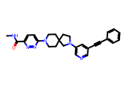 | CNC(=O)c1ccc(N2CCC3(CCN(c4cncc(C#Cc5ccccc5)c4)C3)CC2)nn1 | CC(C)(C)OC(=O)N1CC2(CCN(c3cncc(C#Cc4ccccc4)c3)C2)C1 | 1.0000 | 0.5421 | 10.3000 | 0.5962 | 3.9461 | 5.4038 | 3.1279 | -5.2672 | 0.0000 | Moderately Soluble | 28.3679 | 15.6343 | 68.2154 | 1.0000
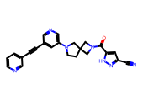 | N#Cc1cc(C(=O)N2CC3(CCN(c4cncc(C#Cc5cccnc5)c4)C3)C2)[nH]n1 | O=C(c1cc([N+](=O)[O-])cc([N+](=O)[O-])c1)N1CC2(CCN(c3cncc(C#Cc4ccccc4)c3)C2)C1 | 1.0000 | 0.5221 | 11.4900 | 0.5987 | 3.9695 | 5.4013 | 1.8237 | -4.0263 | 0.0001 | Moderately Soluble | 17.1319 | 12.0036 | 43.1539 | 1.0000
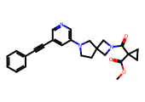 | COC(=O)C1(C(=O)N2CC3(CCN(c4cncc(C#Cc5ccccc5)c4)C3)C2)CC1 | O=C(c1cc([N+](=O)[O-])cc([N+](=O)[O-])c1)N1CC2(CCN(c3cncc(C#Cc4ccccc4)c3)C2)C1 | 1.0000 | 0.6832 | 11.7400 | 0.6052 | 4.0286 | 5.3948 | 2.4733 | -4.4758 | 0.0000 | Moderately Soluble | 53.0316 | 48.0212 | 47.0206 | 1.0000
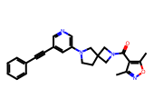 | Cc1noc(C)c1C(=O)N1CC2(CCN(c3cncc(C#Cc4ccccc4)c3)C2)C1 | O=C(c1cc([N+](=O)[O-])cc([N+](=O)[O-])c1)N1CC2(CCN(c3cncc(C#Cc4ccccc4)c3)C2)C1 | 1.0000 | 0.6765 | 12.0600 | 0.6052 | 4.0286 | 5.3948 | 3.4387 | -5.2442 | 0.0000 | Moderately Soluble | 38.0030 | 35.5656 | 58.1778 | 1.0000
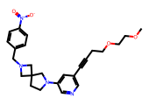 | COCCOCCC#Cc1cncc(N2CCC3(CN(Cc4ccc([N+](=O)[O-])cc4)C3)C2)c1 | CCCCCCC#Cc1cncc(N2CCC3(CN(Cc4cc([N+](=O)[O-])cc([N+](=O)[O-])c4)C3)C2)c1 | 1.0000 | 0.5645 | 14.4700 | 0.6052 | 4.0286 | 5.3948 | 3.1067 | -5.1467 | 0.0000 | Moderately Soluble | 52.0202 | 55.6095 | 41.0499 | 1.0000
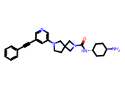 | N[C@H]1CC[C@H](NC(=O)N2CC3(CCN(c4cncc(C#Cc5ccccc5)c4)C3)C2)CC1 | CC(C)(C)OC(=O)N1CC2(CCN(c3cncc(C#Cc4ccccc4)c3)C2)C1 | 1.0000 | 0.6204 | 8.7000 | 0.6052 | 4.0286 | 5.3948 | 2.9730 | -4.9378 | 0.0000 | Moderately Soluble | 0.1443 | 1.6770 | 48.0082 | 1.0000
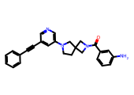 | Nc1cccc(C(=O)N2CC3(CCN(c4cncc(C#Cc5ccccc5)c4)C3)C2)c1 | O=C(c1cc([N+](=O)[O-])cc([N+](=O)[O-])c1)N1CC2(CCN(c3cncc(C#Cc4ccccc4)c3)C2)C1 | 1.0000 | 0.6696 | 5.8700 | 0.6052 | 4.0286 | 5.3948 | 3.4161 | -5.2148 | 0.0000 | Moderately Soluble | 19.0991 | 28.0258 | 56.9953 | 1.0000
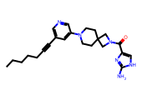 | CCCCCC#Cc1cncc(N2CCC3(CC2)CN(C(=O)c2c[nH]c(N)n2)C3)c1 | CCCCCCC#Cc1cncc(N2CCC3(CN(C(=O)c4cc([N+](=O)[O-])cc([N+](=O)[O-])c4)C3)C2)c1 | 1.0000 | 0.5556 | 11.1300 | 0.6264 | 4.2303 | 5.3736 | 3.0613 | -4.8371 | 0.0000 | Moderately Soluble | 34.3450 | 22.8918 | 42.5347 | 1.0000
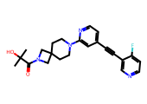 | CC(C)(O)C(=O)N1CC2(CCN(c3cc(C#Cc4cnccc4F)ccn3)CC2)C1 | CC(C)(C)OC(=O)N1CC2(CCN(c3cncc(C#Cc4ccccc4)c3)C2)C1 | 1.0000 | 0.3950 | 16.3800 | 0.6264 | 4.2303 | 5.3736 | 2.2152 | -4.2470 | 0.0001 | Moderately Soluble | 23.9761 | 24.5105 | 55.8701 | 1.0000
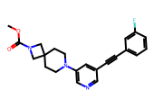 | COC(=O)N1CC2(CCN(c3cncc(C#Cc4cccc(F)c4)c3)CC2)C1 | CC(C)(C)OC(=O)N1CC2(CCN(c3cncc(C#Cc4ccccc4)c3)C2)C1 | 1.0000 | 0.5728 | 6.6900 | 0.6270 | 4.2361 | 5.3730 | 3.2891 | -4.8670 | 0.0000 | Moderately Soluble | 27.5525 | 36.8631 | 61.7638 | 1.0000
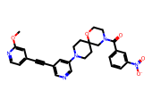 | COc1cc(C#Cc2cncc(N3CCC4(CC3)CN(C(=O)c3cccc([N+](=O)[O-])c3)CCO4)c2)ccn1 | O=C(c1cc([N+](=O)[O-])cc([N+](=O)[O-])c1)N1CC2(CCN(c3cncc(C#Cc4ccccc4)c3)C2)C1 | 1.0000 | 0.4930 | 14.6900 | 0.6333 | 4.2981 | 5.3667 | 3.3048 | -5.7746 | 0.0000 | Moderately Soluble | 44.4050 | 39.0153 | 66.3866 | 1.0000
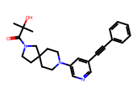 | CC(C)(O)C(=O)N1CCC2(CCN(c3cncc(C#Cc4ccccc4)c3)CC2)C1 | CC(C)(C)OC(=O)N1CC2(CCN(c3cncc(C#Cc4ccccc4)c3)C2)C1 | 1.0000 | 0.6634 | 8.4300 | 0.6957 | 4.9626 | 5.3043 | 3.0712 | -4.8491 | 0.0000 | Moderately Soluble | 24.2825 | 29.6645 | 56.5793 | 1.0000
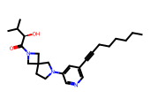 | CCCCCCC#Cc1cncc(N2CCC3(CN(C(=O)[C@H](O)C(C)C)C3)C2)c1 | CCCCCCC#Cc1cncc(N2CCC3(CN(C(=O)CCc4c[nH]c5ccccc45)C3)C2)c1 | 1.0000 | 0.5946 | 6.4600 | 0.6976 | 4.9845 | 5.3024 | 3.4591 | -4.9978 | 0.0000 | Moderately Soluble | 56.0160 | 57.1464 | 42.2329 | 1.0000
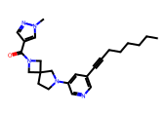 | CCCCCCC#Cc1cncc(N2CCC3(CN(C(=O)c4cnn(C)c4)C3)C2)c1 | CCCCCCC#Cc1cncc(N2CCC3(CN(C(=O)CCc4c[nH]c5ccccc45)C3)C2)c1 | 1.0000 | 0.6697 | 6.6200 | 0.6976 | 4.9845 | 5.3024 | 3.4895 | -5.1447 | 0.0000 | Moderately Soluble | 54.1444 | 48.6145 | 42.2707 | 1.0000

