Compounds
Structure | Canonical_SMILES | Predicted_logIC50_uM | Predicted_IC50_uM | Predicted_pIC50 | drug_like | has_spiro_motif | novel_scaffold | max_sim_to_seriesCE | mw | logp | hbd | hba | rot_bonds | tpsa | murcko_scaffold
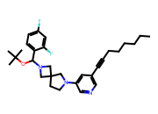 | CCCCCCC#Cc1cncc(N2CCC3(C2)CN(C(OC(C)(C)C)c2ccc(F)cc2F)C3)c1 | 0.6976 | 4.9845 | 5.3024 | 0.0000 | 1.0000 | 0.0000 | 0.5059 | 495.6600 | 6.7100 | 0.0000 | 4.0000 | 8.0000 | 28.6000 | c1ccc(CN2CC3(CCN(c4cccnc4)C3)C2)cc1
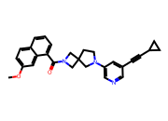 | COc1ccc2cccc(C(=O)N3CC4(CCN(c5cncc(C#CC6CC6)c5)C4)C3)c2c1 | 0.7846 | 6.0894 | 5.2154 | 1.0000 | 1.0000 | 1.0000 | 0.4872 | 437.5400 | 4.3600 | 0.0000 | 4.0000 | 3.0000 | 45.6700 | O=C(c1cccc2ccccc12)N1CC2(CCN(c3cncc(C#CC4CC4)c3)C2)C1
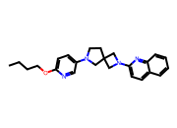 | CCCCOc1ccc(N2CCC3(C2)CN(c2ccc4ccccc4n2)C3)cn1 | 0.9246 | 8.4057 | 5.0754 | 1.0000 | 1.0000 | 1.0000 | 0.3133 | 388.5200 | 4.5300 | 0.0000 | 5.0000 | 6.0000 | 41.4900 | c1cncc(N2CCC3(C2)CN(c2ccc4ccccc4n2)C3)c1
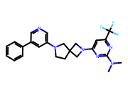 | CN(C)c1nc(N2CC3(CCN(c4cncc(-c5ccccc5)c4)C3)C2)cc(C(F)(F)F)n1 | 1.3957 | 24.8735 | 4.6043 | 1.0000 | 1.0000 | 1.0000 | 0.4384 | 454.5000 | 4.3400 | 0.0000 | 6.0000 | 4.0000 | 48.3900 | c1ccc(-c2cncc(N3CCC4(C3)CN(c3ccncn3)C4)c2)cc1
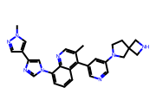 | Cc1cnc2c(-n3cnc(-c4cnn(C)c4)c3)cccc2c1-c1cncc(N2CCC3(CNC3)C2)c1 | 1.6250 | 42.1688 | 4.3750 | 1.0000 | 1.0000 | 1.0000 | 0.3846 | 476.5900 | 3.9900 | 1.0000 | 6.0000 | 4.0000 | 76.6900 | c1cc(-n2cnc(-c3cn[nH]c3)c2)c2nccc(-c3cncc(N4CCC5(CNC5)C4)c3)c2c1

