Compounds
Structure | canonical_smiles | SMILES_state | NLL | pred_logIC50_uM | pred_ic50_uM | pred_pIC50 | pred_cLogP | pred_logS_ESOL | pred_Solubility_ESOL_mol_per_L | pred_Solubility_ESOL_class | pred_MetStab_Clearance_Microsome_AZ | pred_MetStab_Clearance_Hepatocyte_AZ | pred_MetStab_Half_Life_Obach | passes_optimal
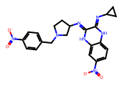 | O=[N+]([O-])c1ccc(CN2CCC(N=c3[nH]c4cc([N+](=O)[O-])ccc4[nH]c3=NC3CC3)C2)cc1 | 1.0000 | 31.5600 | 0.2883 | 1.9421 | 5.7117 | 2.5507 | -4.7893 | 0.0000 | Moderately Soluble | 50.9575 | 16.2715 | 43.2976 | 1.0000
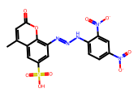 | Cc1cc(=O)oc2c(N=NNc3ccc([N+](=O)[O-])cc3[N+](=O)[O-])cc(S(=O)(=O)O)cc12 | 1.0000 | 29.9600 | 0.6583 | 4.5533 | 5.3417 | 3.2753 | -5.3393 | 0.0000 | Moderately Soluble | 2.3897 | -10.4182 | 136.9890 | 1.0000
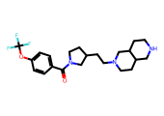 | O=C(c1ccc(OC(F)(F)F)cc1)N1CCC(CCN2CCC3CNCCC3C2)C1 | 1.0000 | 35.7600 | 0.6683 | 4.6590 | 5.3317 | 3.3688 | -5.1195 | 0.0000 | Moderately Soluble | -13.3980 | -29.9376 | 42.2883 | 1.0000

