Verified_GWP_Contribution
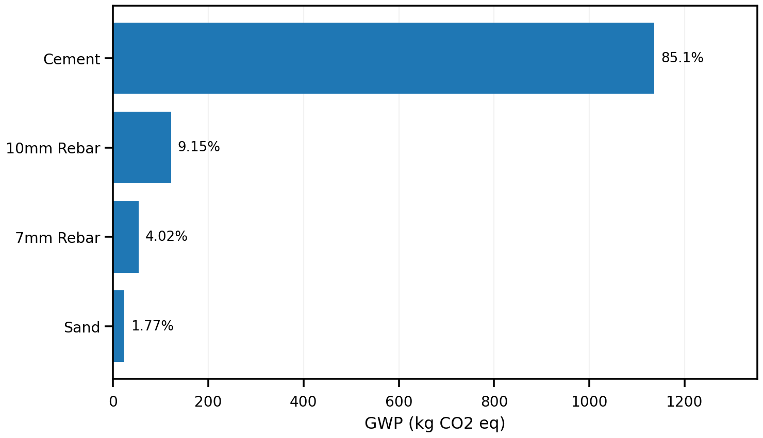
material | evidence_class | gwp_total | contribution_pct | cumulative_pct
Cement | ELCD_DIRECT | 1136.6839417 | 85.0520776 | 85.0520776
10mm Rebar | ELCD_DIRECT | 122.29596565 | 9.1507635312 | 94.202841131
7mm Rebar | ELCD_DIRECT | 53.768053862 | 4.023180518 | 98.226021649
Sand | ELCD_PROXY | 23.708447355 | 1.7739783507 | 100

Complete_Exploratory_GWP
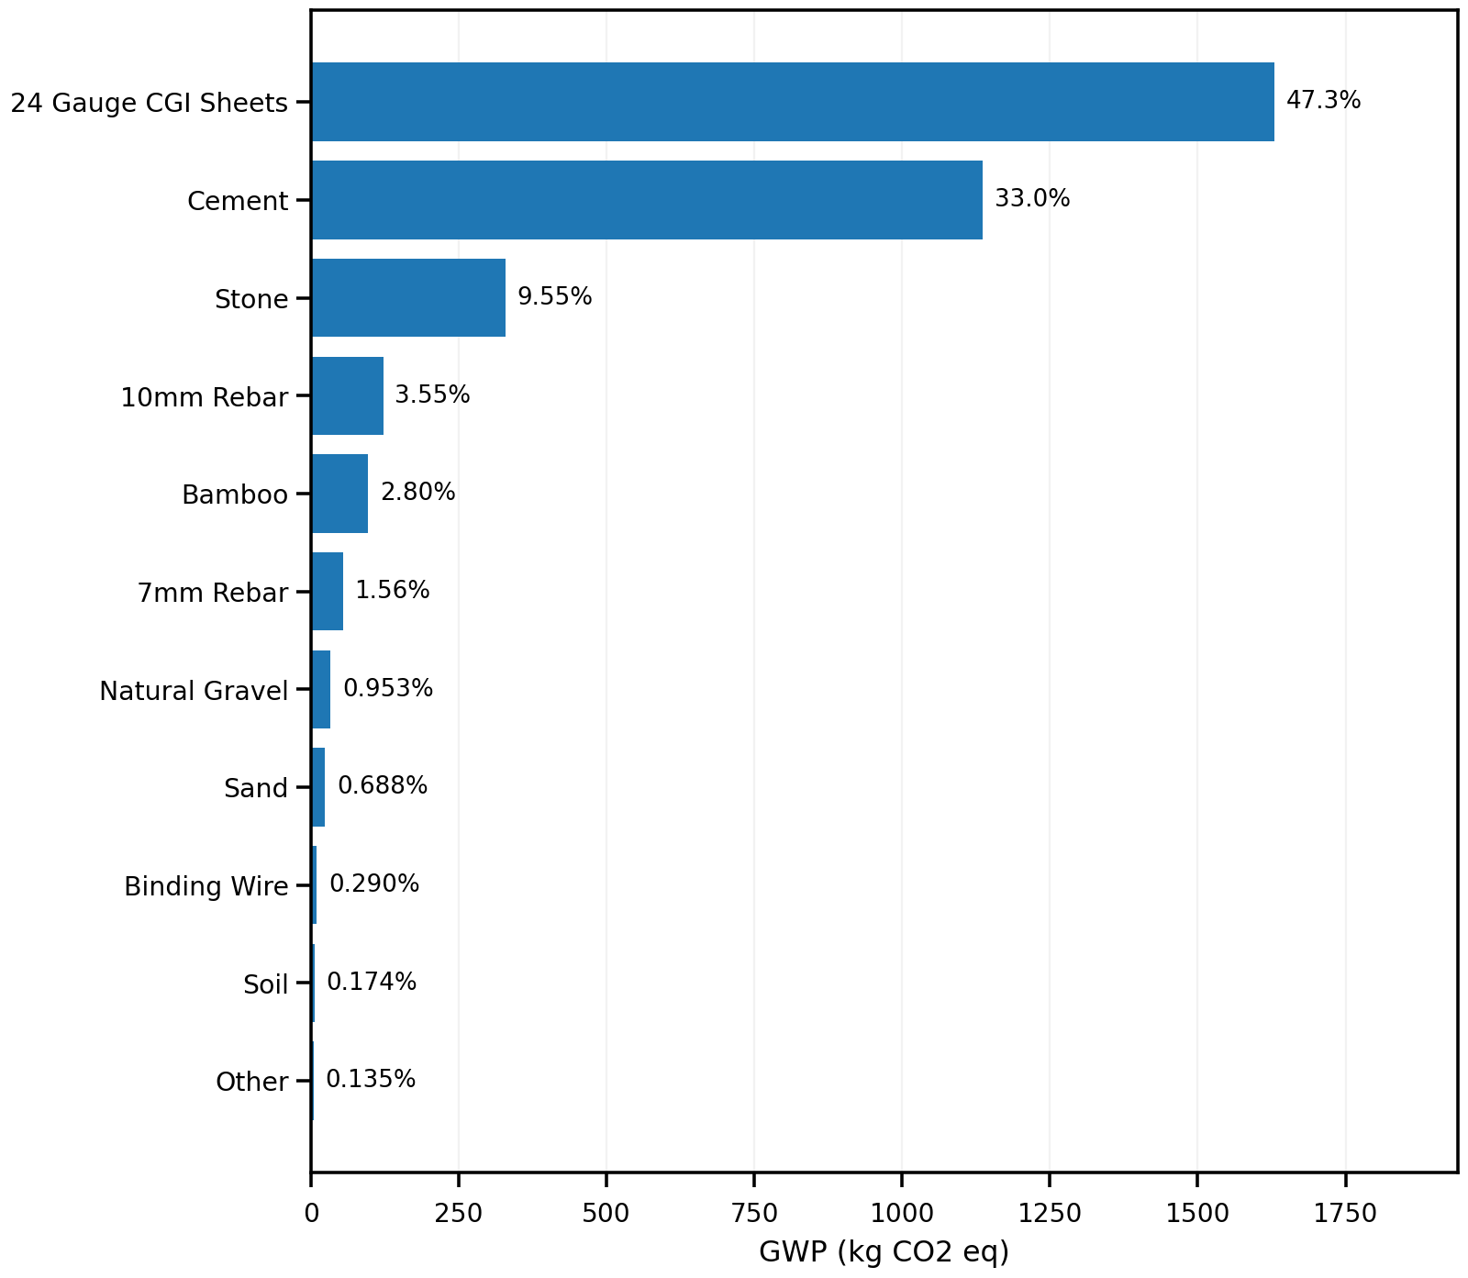
material | evidence_class | gwp_total | contribution_pct | cumulative_pct
24 Gauge CGI Sheets | UNVERIFIED_FALLBACK_ESTIMATE | 1630.1882047 | 47.31498386 | 47.31498386
Cement | ELCD_DIRECT | 1136.6839417 | 32.991394615 | 80.306378476
Stone | UNVERIFIED_FALLBACK_ESTIMATE | 328.88362915 | 9.545599435 | 89.851977911
10mm Rebar | ELCD_DIRECT | 122.29596565 | 3.5495482204 | 93.401526131
Bamboo | UNVERIFIED_FALLBACK_ESTIMATE | 96.4 | 2.797937337 | 96.199463468
7mm Rebar | ELCD_DIRECT | 53.768053862 | 1.5605772348 | 97.760040703
Natural Gravel | UNVERIFIED_FALLBACK_ESTIMATE | 32.830503778 | 0.95288062566 | 98.712921329
Sand | ELCD_PROXY | 23.708447355 | 0.68811981387 | 99.401041143
Binding Wire | UNVERIFIED_FALLBACK_ESTIMATE | 10 | 0.29024246235 | 99.691283605
Soil | UNVERIFIED_FALLBACK_ESTIMATE | 6 | 0.17414547741 | 99.865429082
Other | MIXED | 4.6365 | 0.13457091767 | 100

