Verified_GWP_Contribution
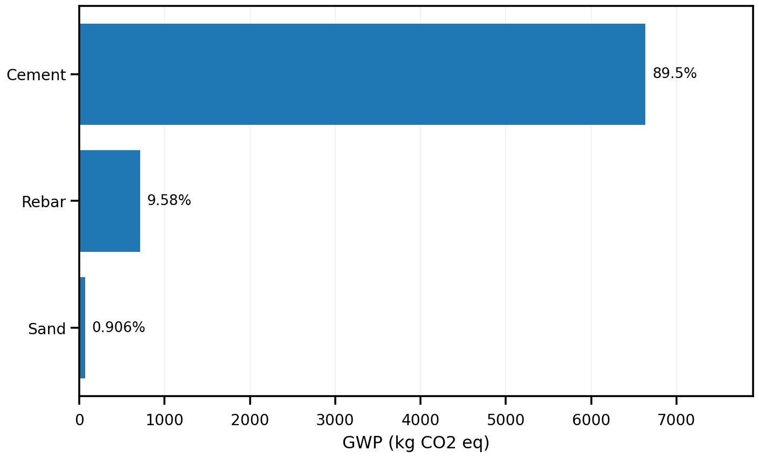
material | evidence_class | gwp_total | contribution_pct | cumulative_pct
Cement | ELCD_DIRECT | 6638.2342197 | 89.512449752 | 89.512449752
Rebar | ELCD_DIRECT | 710.58173143 | 9.5817516262 | 99.094201378
Sand | ELCD_DIRECT | 67.173934173 | 0.90579862179 | 100

Complete_Exploratory_GWP
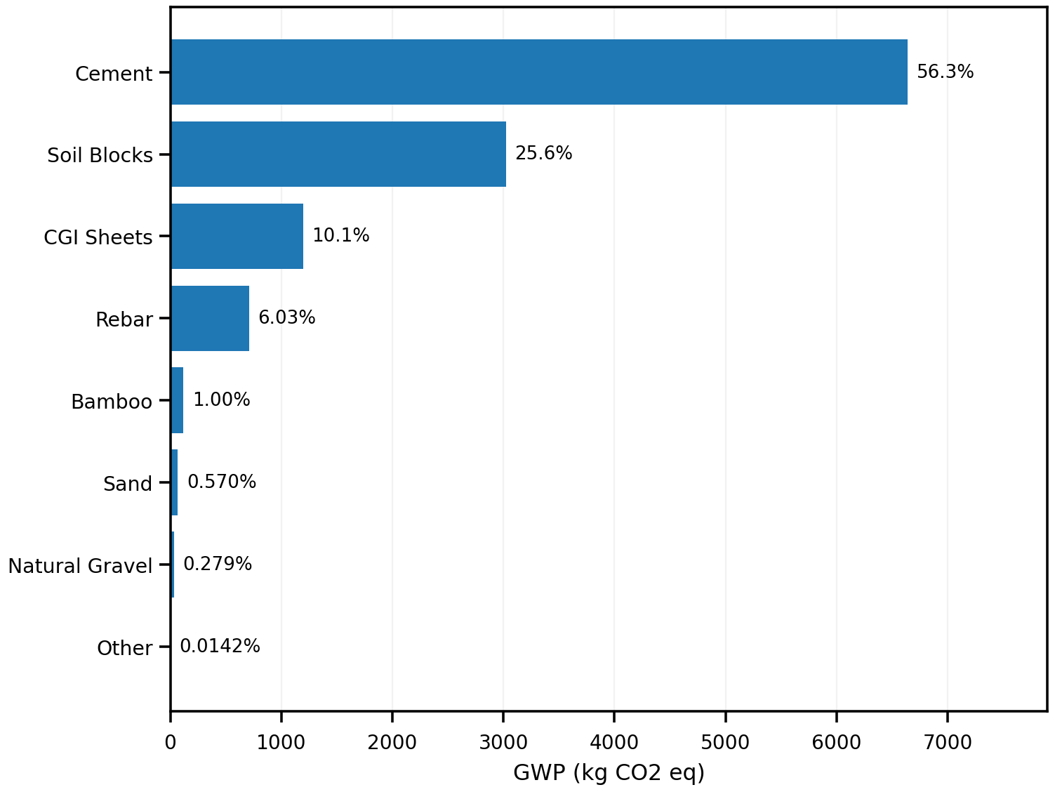
material | evidence_class | gwp_total | contribution_pct | cumulative_pct
Cement | ELCD_DIRECT | 6638.2342197 | 56.327983149 | 56.327983149
Soil Blocks | UNVERIFIED_FALLBACK_ESTIMATE | 3021 | 25.63435267 | 81.962335819
CGI Sheets | UNVERIFIED_FALLBACK_ESTIMATE | 1195.175 | 10.141521831 | 92.10385765
Rebar | ELCD_DIRECT | 710.58173143 | 6.0295606436 | 98.133418293
Bamboo | UNVERIFIED_FALLBACK_ESTIMATE | 118.3 | 1.003821225 | 99.137239518
Sand | ELCD_DIRECT | 67.173934173 | 0.56999679537 | 99.707236314
Natural Gravel | UNVERIFIED_FALLBACK_ESTIMATE | 32.830503778 | 0.27857951413 | 99.985815828
Other | MIXED | 1.6716 | 0.014184172103 | 100

