Verified_GWP_Contribution
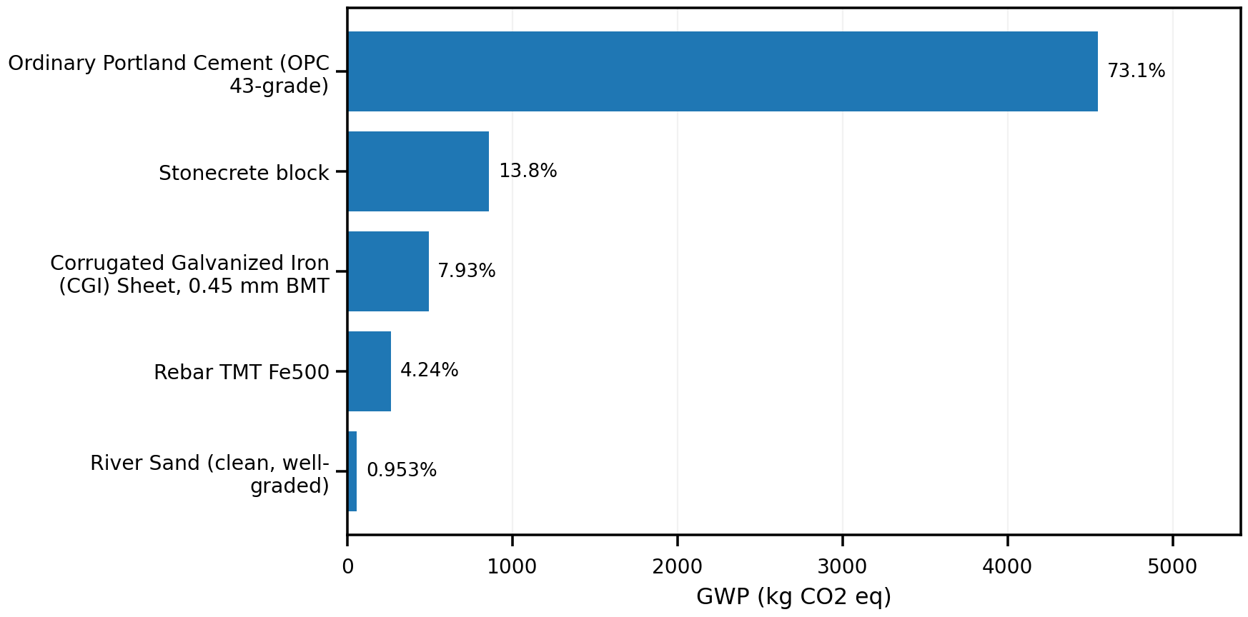
material | evidence_class | gwp_total | contribution_pct | cumulative_pct
Ordinary Portland Cement (OPC 43-grade) | ELCD_DIRECT | 4546.7357669 | 73.076520603 | 73.076520603
Stonecrete block | ELCD_PROXY | 858.82617673 | 13.803315613 | 86.879836216
Corrugated Galvanized Iron (CGI) Sheet, 0.45 mm BMT | ELCD_PROXY | 493.48125795 | 7.9313809209 | 94.811217136
Rebar TMT Fe500 | ELCD_DIRECT | 263.56889148 | 4.2361594155 | 99.047376552
River Sand (clean, well-graded) | ELCD_PROXY | 59.271118388 | 0.95262344814 | 100

Complete_Exploratory_GWP
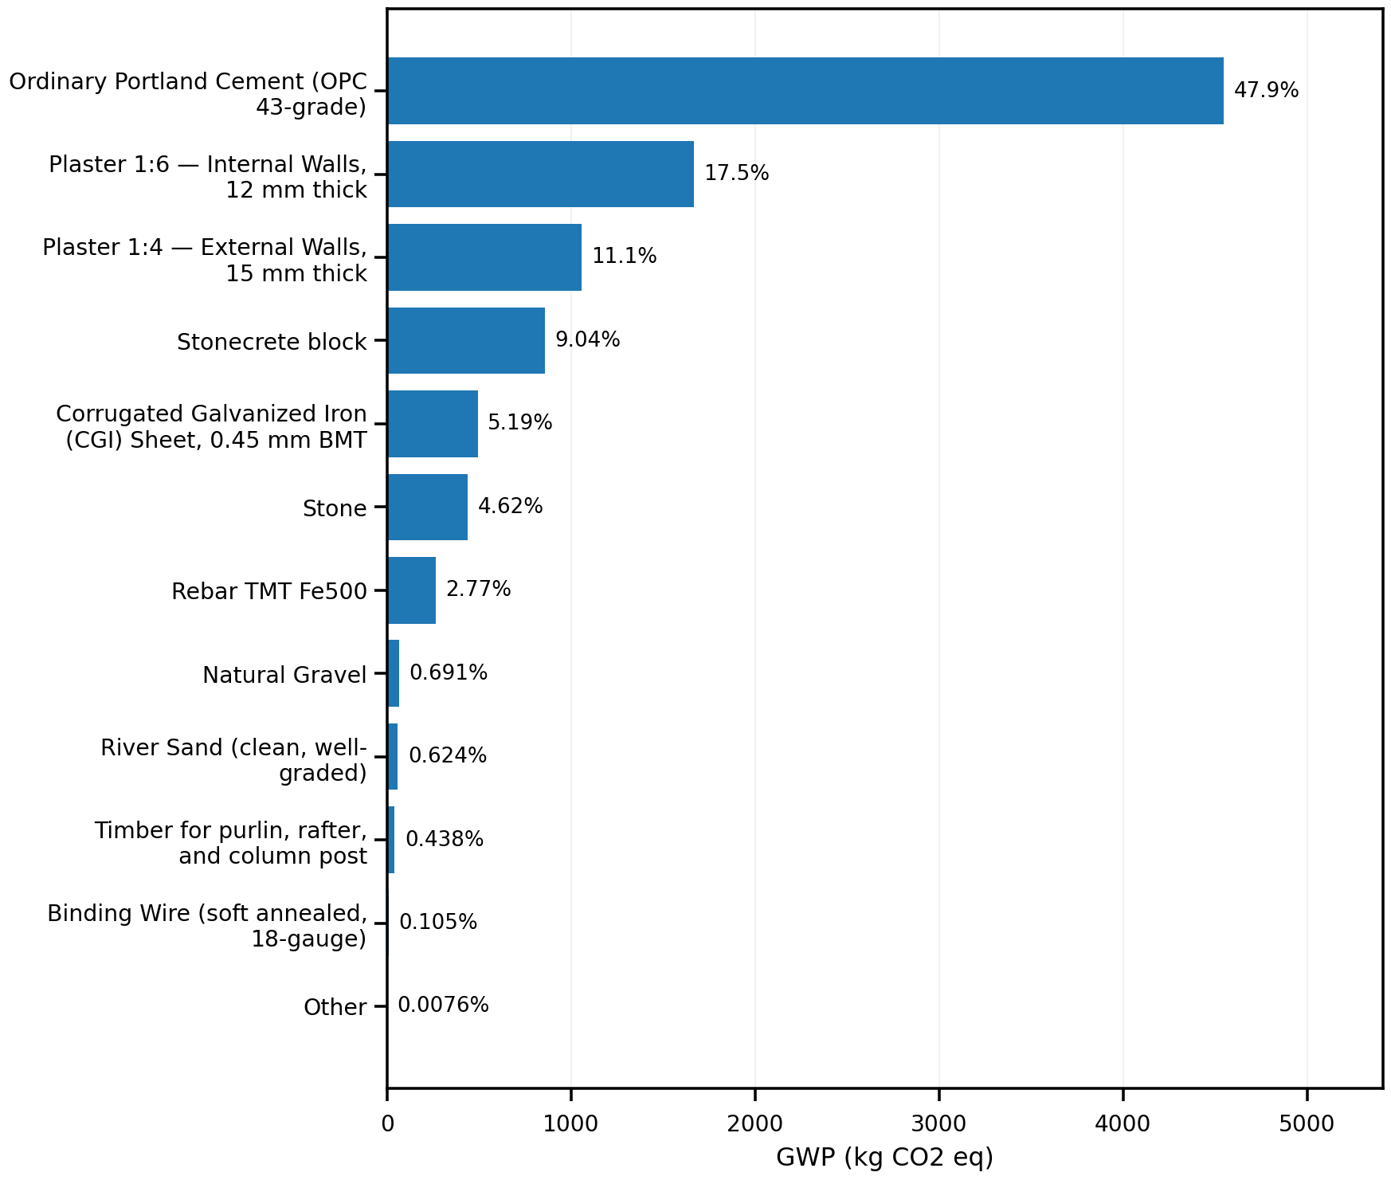
material | evidence_class | gwp_total | contribution_pct | cumulative_pct
Ordinary Portland Cement (OPC 43-grade) | ELCD_DIRECT | 4546.7357669 | 47.85559399 | 47.85559399
Plaster 1:6 — Internal Walls, 12 mm thick | UNVERIFIED_FALLBACK_ESTIMATE | 1665.4214079 | 17.528999882 | 65.384593872
Plaster 1:4 — External Walls, 15 mm thick | UNVERIFIED_FALLBACK_ESTIMATE | 1057.1522609 | 11.126806566 | 76.511400438
Stonecrete block | ELCD_PROXY | 858.82617673 | 9.0393721845 | 85.550772622
Corrugated Galvanized Iron (CGI) Sheet, 0.45 mm BMT | ELCD_PROXY | 493.48125795 | 5.194020487 | 90.744793109
Stone | UNVERIFIED_FALLBACK_ESTIMATE | 438.51150553 | 4.6154493344 | 95.360242443
Rebar TMT Fe500 | ELCD_DIRECT | 263.56889148 | 2.7741321479 | 98.134374591
Natural Gravel | UNVERIFIED_FALLBACK_ESTIMATE | 65.661007557 | 0.69109943478 | 98.825474026
River Sand (clean, well-graded) | ELCD_PROXY | 59.271118388 | 0.62384416477 | 99.449318191
Timber for purlin, rafter, and column post | UNVERIFIED_FALLBACK_ESTIMATE | 41.6 | 0.4378509797 | 99.887169171
Binding Wire (soft annealed, 18-gauge) | UNVERIFIED_FALLBACK_ESTIMATE | 10 | 0.10525263935 | 99.99242181
Other | MIXED | 0.72 | 0.0075781900333 | 100

