Sheet1
TAHARI R0 Feedback

Bulk Upload

# | ISSUE/COMMENT | SCREENGRAB
1 | At the style-level taxonomy, Item Type Keyword only populates swimwear options no matter what you choose for Cat and Subcat. (Bulk taxonomy doesn't seem to have this issue) | 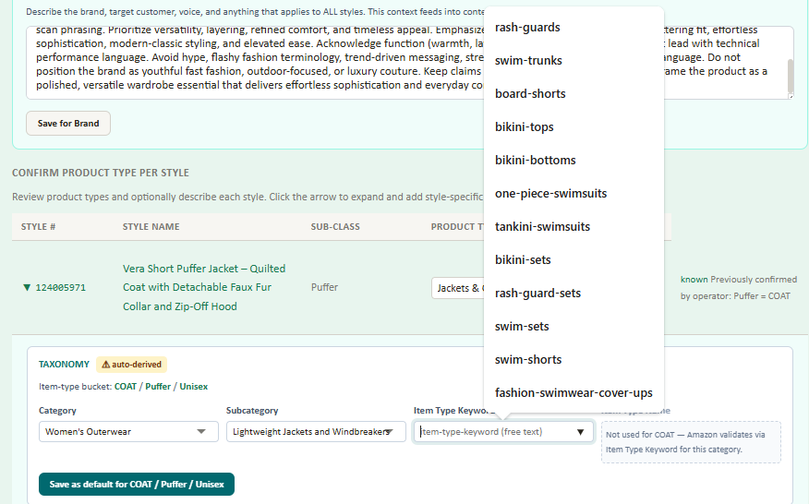
2 | At style-level taxonomy, Tool could not identify a PT (UNKNOWN), so I chose Jackets & Coats manually. However no Cat/Subcat/ITK dropdown options will populate for COAT PT.
3 | Similar to #2, at the Bulk Taxonomy level, UNKNOWN PTs are still showing, still not flowing taxonomy options even if manually chosen. | 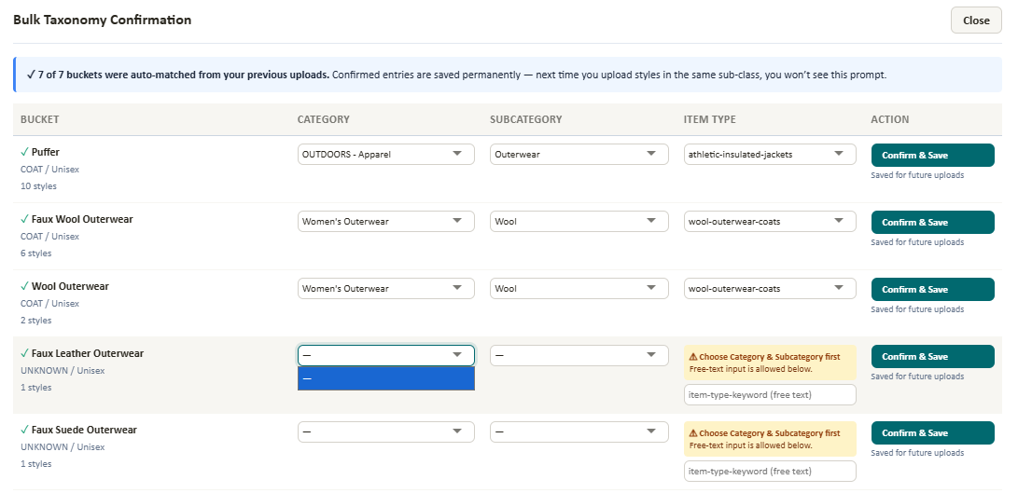
4 | Brand Level Settings > Department should have a freeform entry option, since you don't have to choose from the dropdown options in the NIS template. These Department options also don't align with COAT PT valid values. | 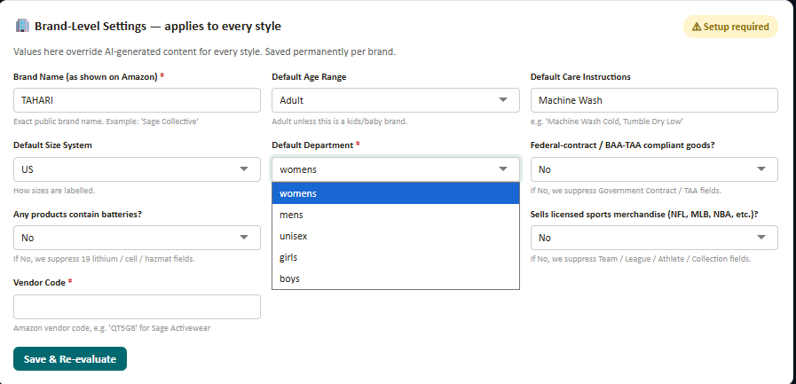
5 | Engine Verdict > Not sure what all these blockers are signifying. The pre-upload template had complete Bullet Points, Vendor SKU, Fabric Type, etc. | 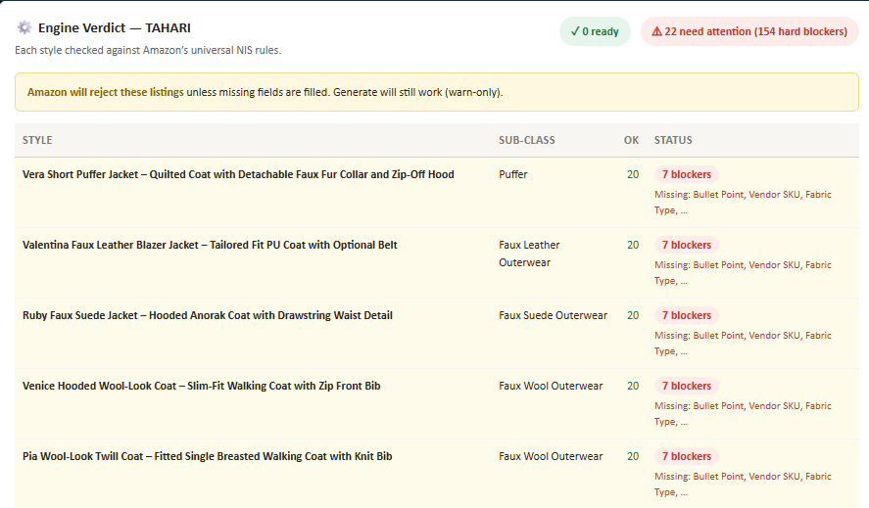
6 | Styles section > each style block is blacked out unless your cursor is hovering over it | 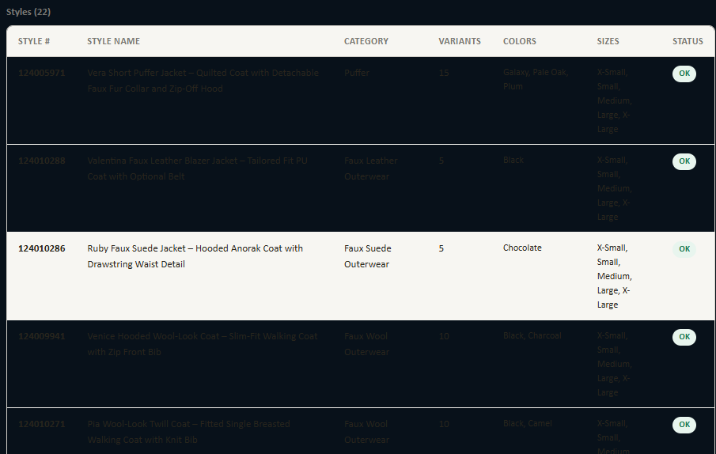
7 | Tool keeps spitting out bullets with an extra ALLCAPS + dash when there's already an ALLCAPS + colon headline. This happened with the last projects too, so I was thinking it would get trained out to correct itself, but hasn't yet. | 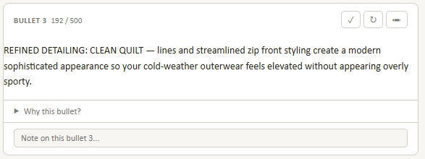
8 | Tool has accurately identified these styles as Women's elsewhere, but Department and Target Gender are not registering that info. There also does not appear to be an edit icon to add these in now. (Also, Department/Age/Gender would probably be a good optional inclusion for the pre-upload template) | 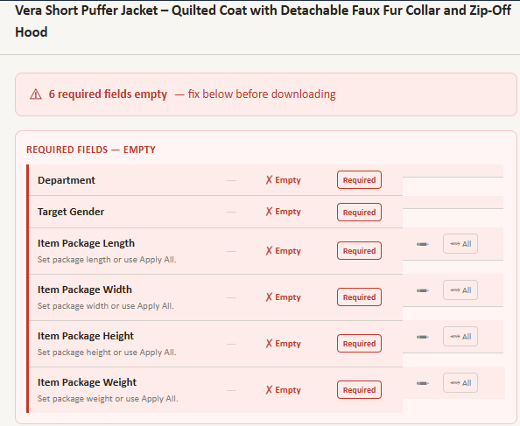
9 | Closure Type was clearly identified in the pre-upload template, but didn't flow through here
10 | Incorrect Item Length Description for this style (might still be stuck on DRESSES PT when we're doing COAT now), and no button to fix
11 | Material and Fabric Type formats are swapped: Fabric Type attribute is the % one, Material attribute is just the word descriptions. Also Material usually has multiple columns on the final upload template, for when you have more than one material type (e.g. | Polyester | Cotton | Spandex |).
12 | In All Fields>Content in this section still shows the original generated content instead of any changes made. Also not sure what purpose this serves when these are on the previous Content tab — kind of redundant unless it's just confirming that you have entered bullets/description/keywords. | 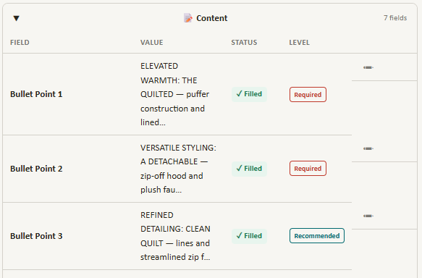
13 | Jacket coming through as Sleeveless. Can edit Sleeve Type but not Sleeve Length.
14 | Can't edit UNKNOWN taxonomy here either
15 | Closure Type should have the option for multiple inputs, for example a coat with a Zipper and Snap. Same thing with Material. The templates have multiple columns for this reason. But we can only choose one in the tool here.
16 | FINAL THOUGHTS: I think we may want to reconsider the general structure of the tool UI, and/or add in some additional features that make it easier to apply changes/corrections on the fly at different "levels", such as Brand, Product Type, Project, Style. I was noticing that if there is missing/incorrect/not-ideal inputs at the style level, I have to apply those same changes repeatedly for every different style in a project. Maybe redesign the UI to start broad and get more specific, or add in an option for everything that lets you apply a change to just that Style, to all styles in the current Project, or to all current & future styles for the Product Type or Brand you're currently working with. In tandem, I think we should take a crack at improving our generic pre-upload template. Early on, I was curious how it would do with loading the original product data we get from the sales teams, with as little of my own changes/additions as possible. But I think now that trying to load that original data may be hurting more than it's helping, and we'd be better off doing more prep work with the pre-upload if that helps the system understand and process the products better at ingestion. In other words, reworking the template a bit to be less specific to TLG/BlueCherry inputs like TLG DIV, and more useful & practical for Amazon (e.g. more optional columns for common things like Department, Age, Gender). Let's discuss on our next TB. Thanks Devang!

