Preliminary Results TOR test1
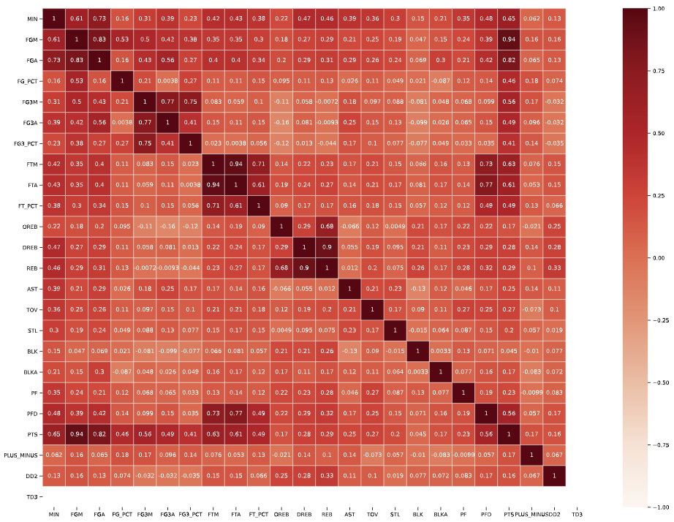
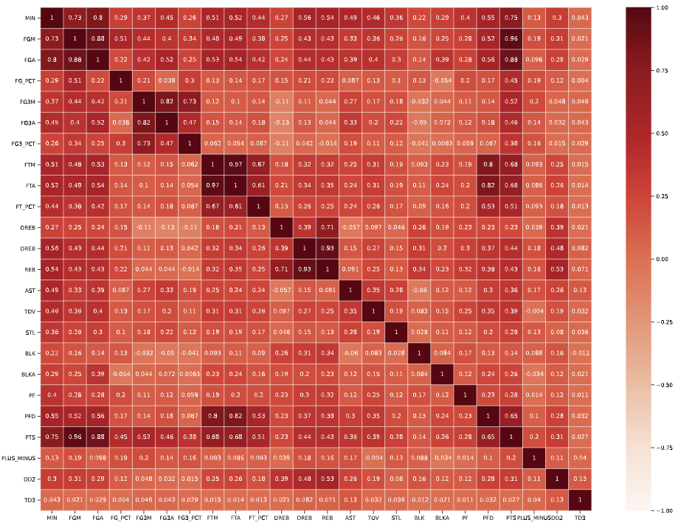
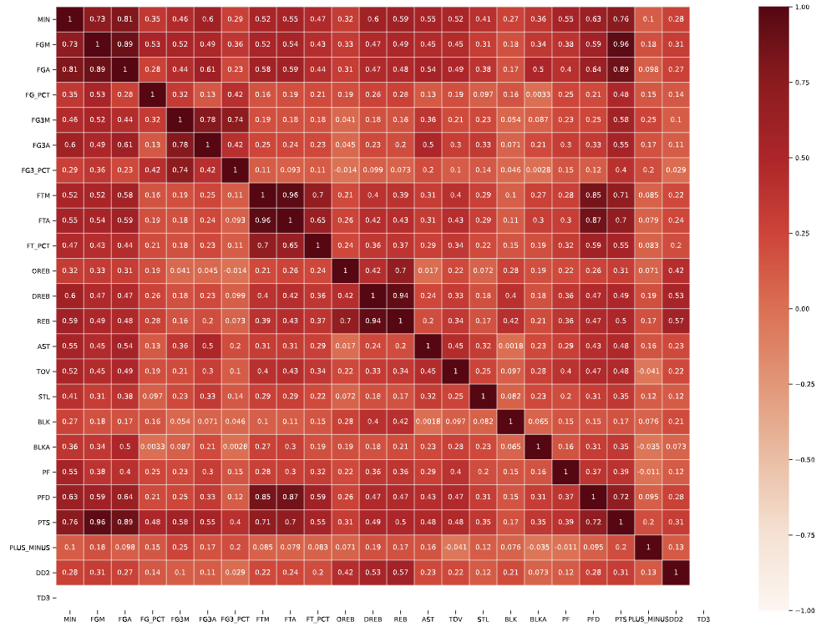
================= Results Summary ================== ==================== Configuration ====================== Filter by Team Selected = TOR Game Type Processed (0 = PreSeason / 1 = RegularSeason / 2 = Playoffs) = 1 Total Number of Records (Initial Dataset) = 465065 Total Number of Records (Transformed and Filtered Dataset) = 15641 Train / Test Split = 0.3 Model random_state_val = 42 ==================== Features ====================== ----------------- Removed Features -----------------

['PLAYER_ID',
'TEAM_ID',
'PLAYER_NAME',
'TEAM_ABBREVIATION',
'TEAM_NAME',
'GAME_ID',
'GAME_DATE',
'MATCHUP',
'UID_STG',
'PIE']

------ Removed attributes - Heat Map / Correlation Matrix ----

[]

------------------- Applied attributes --------------------

['MIN',
'FGM',
'FGA',
'FG_PCT',
'FG3M',
'FG3A',
'FG3_PCT',
'FTM',
'FTA',
'FT_PCT',
'OREB',
'DREB',
'REB',
'AST',
'TOV',
'STL',
'BLK',
'BLKA',
'PF',
'PFD',
'PTS',
'PLUS_MINUS',
'DD2',
'TD3',
'Game_Type',
'SEASON_YEAR_code']

================= Model Analysis Summary ==================

 | Model | Accuracy | F1 score | Recall | Precision | Sensitivity | Specificity | Cross_Value_Score_Mean | Cross_Value_Score_STD | Cross_Value_Score_Var
0 | Decision Tree | 0.635344 | 0.644989 | 0.653071 | 0.637105 | 0.617097 | 0.653071 | 0.640064 | 0.016746 | 0.00028
1 | Random Forest | 0.6999 | 0.724233 | 0.776904 | 0.67825 | 0.620637 | 0.776904 | 0.706624 | 0.011268 | 0.000127
2 | Logistic Regression | 0.707876 | 0.724105 | 0.755774 | 0.694984 | 0.658574 | 0.755774 | NaN | NaN | NaN

Logistic Regression |  |  |  | Decision Tree |  |  |  | Random Forest
 | Feature | Feature Importance |  |  | Feature | Feature Importance |  |  | Feature | Feature Importance
23 | TD3 | 0.68638 |  | 21 | PLUS_MINUS | 0.288557 |  | 21 | PLUS_MINUS | 0.417869
6 | FG3_PCT | 0.235327 |  | 0 | MIN | 0.186032 |  | 6 | FG3_PCT | 0.104196
21 | PLUS_MINUS | 0.133403 |  | 3 | FG_PCT | 0.049758 |  | 4 | FG3M | 0.092424
16 | BLK | 0.11526 |  | 18 | PF | 0.043731 |  | 3 | FG_PCT | 0.085191
9 | FT_PCT | 0.049552 |  | 12 | REB | 0.039764 |  | 18 | PF | 0.045401
11 | DREB | 0.043144 |  | 2 | FGA | 0.038594 |  | 0 | MIN | 0.044135
19 | PFD | 0.039854 |  | 13 | AST | 0.03596 |  | 20 | PTS | 0.040926
5 | FG3A | 0.033919 |  | 20 | PTS | 0.034978 |  | 11 | DREB | 0.035289
8 | FTA | 0.028663 |  | 5 | FG3A | 0.034074 |  | 2 | FGA | 0.02246
14 | TOV | 0.022269 |  | 14 | TOV | 0.027515 |  | 16 | BLK | 0.01861
15 | STL | 0.012884 |  | 11 | DREB | 0.026011 |  | 17 | BLKA | 0.01435
1 | FGM | 0.011456 |  | 19 | PFD | 0.024913 |  | 13 | AST | 0.013627
4 | FG3M | 0.0094 |  | 15 | STL | 0.021582 |  | 5 | FG3A | 0.012493
13 | AST | 0.003995 |  | 1 | FGM | 0.021289 |  | 14 | TOV | 0.010953
20 | PTS | 0.000633 |  | 17 | BLKA | 0.018728 |  | 12 | REB | 0.010547
12 | REB | -0.000194 |  | 10 | OREB | 0.018142 |  | 1 | FGM | 0.010503
2 | FGA | -0.019966 |  | 9 | FT_PCT | 0.017843 |  | 9 | FT_PCT | 0.00597
0 | MIN | -0.025665 |  | 8 | FTA | 0.017305 |  | 8 | FTA | 0.005689
7 | FTM | -0.03168 |  | 6 | FG3_PCT | 0.017268 |  | 19 | PFD | 0.004329
17 | BLKA | -0.040738 |  | 16 | BLK | 0.016776 |  | 22 | DD2 | 0.00134
10 | OREB | -0.043338 |  | 7 | FTM | 0.011389 |  | 10 | OREB | 0.001283
18 | PF | -0.064704 |  | 4 | FG3M | 0.008466 |  | 7 | FTM | 0.001123
22 | DD2 | -0.088073 |  | 22 | DD2 | 0.001326 |  | 15 | STL | 0.000888
3 | FG_PCT | -0.109399 |  | 23 | TD3 | 0 |  | 23 | TD3 | 0.000404

-------------------- Decision Tree ----------------------- Accuracy: 0.6353 F1 score: 0.6450 Recall: 0.6531 Precision: 0.6371 Sensitivity : 0.6171 Specificity : 0.6531 clasification report: precision recall f1-score support 0 0.63 0.62 0.63 1977 1 0.64 0.65 0.64 2035 accuracy 0.64 4012 macro avg 0.64 0.64 0.64 4012 weighted avg 0.64 0.64 0.64 4012 confussion matrix: [[1220 757] [ 706 1329]] Feature Importance
-------------------- Random Forest ----------------------- Accuracy: 0.6999 F1 score: 0.7242 Recall: 0.7769 Precision: 0.6782 Sensitivity : 0.6206 Specificity : 0.7769 clasification report: precision recall f1-score support 0 0.73 0.62 0.67 1977 1 0.68 0.78 0.72 2035 accuracy 0.70 4012 macro avg 0.70 0.70 0.70 4012 weighted avg 0.70 0.70 0.70 4012 confussion matrix: [[1227 750] [ 454 1581]] Feature Importance
----------------- Logistic Regression -------------------- Accuracy: 0.7079 F1 score: 0.7241 Recall: 0.7558 Precision: 0.6950 Sensitivity : 0.6586 Specificity : 0.7558 clasification report: precision recall f1-score support 0 0.72 0.66 0.69 1977 1 0.69 0.76 0.72 2035 accuracy 0.71 4012 macro avg 0.71 0.71 0.71 4012 weighted avg 0.71 0.71 0.71 4012 confussion matrix: [[1302 675] [ 497 1538]] Feature Importance

 | PreSeason |  |  |  |  |  |  |  |  |  | Regular Season | Playoffs

Short Assignment
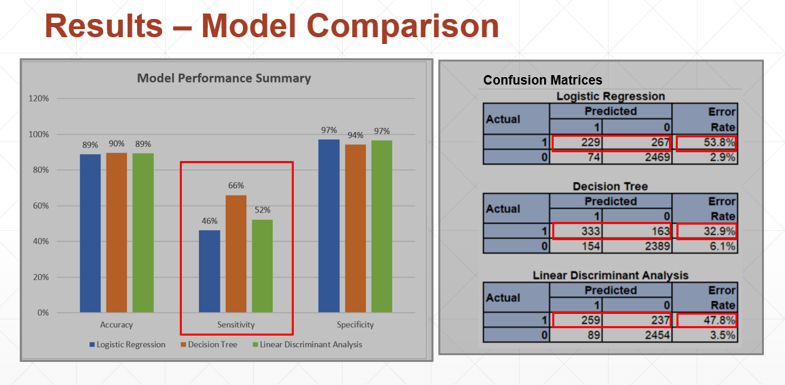
We compared the performance of these 3 models (Logistic Regression, Decision Tree, and Linear Discriminant Analysis) to 4 metrics:
[NEXT 01] - show graph
Accuracy – How well the model make correct predictions
Sensitivity - The test of confirming True Positives.
Specificity – The test of confirming True Negatives
[NEXT 02] - show tables
Confusion Matrix – to see how well the predicted results compared to the actuals results in more detail
[NEXT 03] – Focus on graph
When comparing the 3 different models, Decision Trees was the best model to apply to this dataset. The metrics of each model were quite similar except in the area of sensitivity.
[NEXT 04] – Highlight Sensitivity
Decision Trees scored the highest at 66% followed by Linear Discriminant Analysis (52%) and Logistic Regression (46%).
[NEXT 05] – Transition to Confusion Matrices
The reasons for these values is due to
[NEXT 06] – Highlight Error Rate
high error rates of the Attrited Customer data.
1.The data for Attrited Customers is approximately a fifth of Existing Customers data, skewing the data results.
[NEXT 07] – Highlight sample size
So each False Positive would affect the sensitivity more than a False Negative under Specificity.
2.Another route is tuning of the model to improve the sensitivity.

