Short Assignment
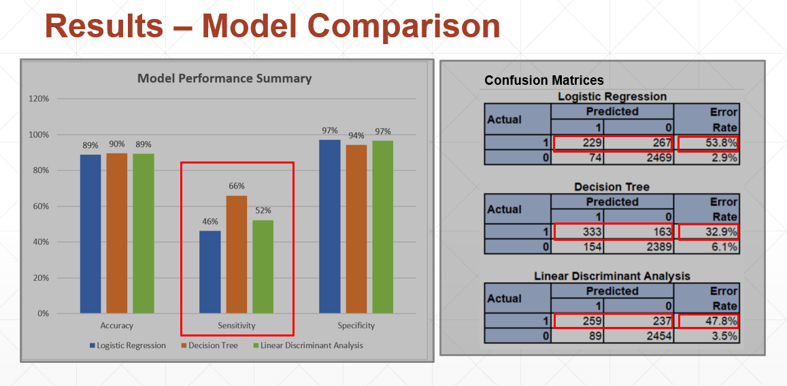
We compared the performance of these 3 models (Logistic Regression, Decision Tree, and Linear Discriminant Analysis) to 4 metrics:
[NEXT 01] - show graph
Accuracy – How well the model make correct predictions
Sensitivity - The test of confirming True Positives.
Specificity – The test of confirming True Negatives
[NEXT 02] - show tables
Confusion Matrix – to see how well the predicted results compared to the actuals results in more detail
[NEXT 03] – Focus on graph
When comparing the 3 different models, Decision Trees was the best model to apply to this dataset. The metrics of each model were quite similar except in the area of sensitivity.
[NEXT 04] – Highlight Sensitivity
Decision Trees scored the highest at 66% followed by Linear Discriminant Analysis (52%) and Logistic Regression (46%).
[NEXT 05] – Transition to Confusion Matrices
The reasons for these values is due to
[NEXT 06] – Highlight Error Rate
high error rates of the Attrited Customer data.
1.The data for Attrited Customers is approximately a fifth of Existing Customers data, skewing the data results.
[NEXT 07] – Highlight sample size
So each False Positive would affect the sensitivity more than a False Negative under Specificity.
2.Another route is tuning of the model to improve the sensitivity.

