Summary
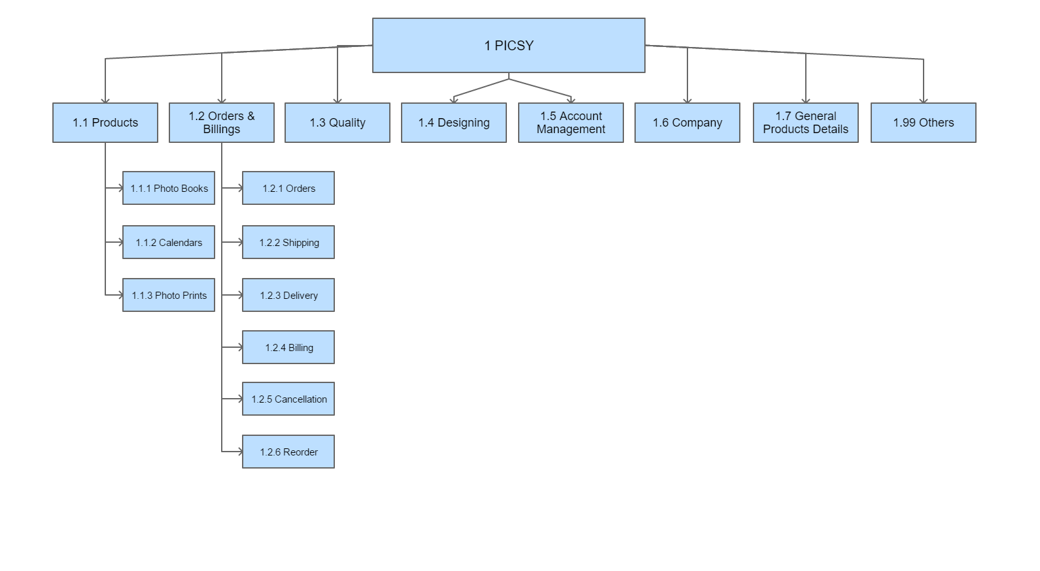
Row Labels | Count of No. |  | Intent Versioning | INTENT CREATIONS
Others | 166 |  |  | Type | Generated
Photo Books | 117 | Y |  | Photo Books
Delivery | 101 | Y |  | Delivery
General Products Details | 59 | Y |  | General Products Details
Photo Prints | 39 | Y |  | Photo Prints
Picsy | 31 | Y |  | Picsy
Designing | 27 |  |  | Quality
Quality | 25 |  |  | Orders
Billing | 25 |  |  | Designing
Orders | 23 | Y |  | Billing
Shipping | 11 | Y |  | Shipping
Calendars | 9 | Y |  | Calendars
Cancellation | 6 | Y |  | Cancellation
Reorder | 4 | Y |  | Reorder
Account Management | 4 | Y |  | Account Mgnt
Grand Total | 647 |  |  | Others

